sales order
SALES ORDER

JLA HOME
45875 Northport Loop E |  |  |  |  | PO #
Fremont, CA 94538 |  |  |  |  |  | DATE |  | 2019-10-22
510-490-9788 |  |  |  |  | CUSTOMER ID |  |  | nizami
Fax: 877-891-2096

BILL TO: |  | Giath Souhil Alnizami Est |  |  |  |  | SHIP TO: | Giath Souhil Alnizami Est
 |  |  |  |  |  |  |  | Madinah Road
Shipment date: 2019/10/27 |  |  |  |  |  |  |  | Jeddah, Saudi Arabia
 |  |  |  |  |  |  |  | 21493

SALES | PO# | SHIPPING METHOD | SHIPPING TERMS | ORDER TYPE |  |  |  | Payment Terms
 |  | container | collect | FOB Shanghai |  |  |  | prepaid-wire transfer

QTY |  | SKU# | SIZE | Description |  |  |  | UNIT PRICE | LINE TOTAL
 |  |  |  |  |  |  |  |  |  | Picture
780 | NZ-190722 | NZ10-791 | King: 110x96"/20X36"(2) | Mable 3pc comf sets Color: Blush Comforter and sham:120gsm microcell face , 85gsm microfiber back, 40gsm quilted poly fill, 200gsm bonded poly fill, total 240gsm filling Floating top Casepace: 1 set/carton |  |  |  | $26.20 | $20,436.00 | 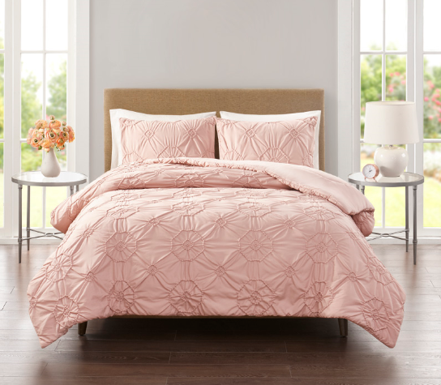
780 |  | NZ10-793 | King: 110x96"/20X36"(2) | Mable 3pc comf sets Color: Silver Comforter and sham:120gsm microcell face , 85gsm microfiber back, 40gsm quilted poly fill, 200gsm bonded poly fill, total 240gsm filling Floating top Casepace: 1 set/carton |  |  |  | $26.20 | $20,436.00 | 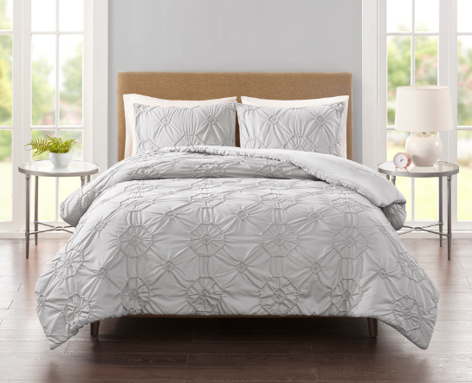
500 | NZ-190723 | NZ10-794 | King: 104"x 92"/20"x 36" + 2" (2)/12" x 18"/18" x 18"/26" x 26" + 2" (2) | Odette 7pc comf sets Color: Navy Comforter/sham face: polyester jacquard, 85gsm microfiber reverse, 270gsm poly fill, pillow with poly cover and poly fill, embroidered on face Casepace: 1set/carton |  |  |  | $37.00 | $18,500.00 | 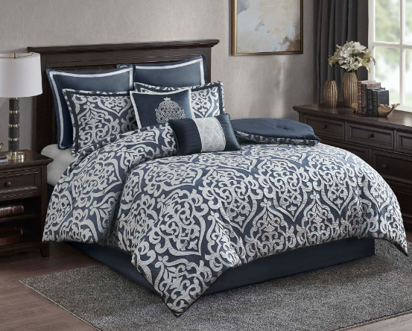
1 |  |  | Sample test | Mable Blush(Cover Mable silver & Odette) |  |  |  | $157.00 | $157.00
1 |  |  | SASO Certificate | per shipment |  |  |  | $350.00 | $350.00
1 |  |  | SASO Certificate | missed in last shipment |  |  |  | $350.00 | $350.00
1 |  |  | SASO Certificate | Last Pakistan shipment(one container) |  |  |  | $200.00 | $200.00
26 | NZ-190427 |  | Charge back | 26 sets king size damaged |  |  |  | $23.50 | $611.00
 |  |  |  |  |  |  |  |  | $59,818.00

