US
DC | Order Quantity | Case Pack | JLA PO# | Rec'd Customer PO | MBL# | Customer SW | ETD | ETA PORT OF DISCHARGE |  | FINAL DESTINATION | Custome Clearance date | contaienr pickup date
With no tariff increase
174 | 1932 | 42 | CO-190424-11 | 001740625528 | ONEYSH9KM8275500 | 7/18-7/24 | 2019-07-20 | 2019-08-22 |  | 2019-08-22 | 2019-08-21 | 2019-08-23
174 | 1932 | 42 | CO-190424-12 | 001740625529 | ONEYSH9KM8276600 | 7/18-7/24 | 2019-07-20 | 2019-08-22 |  | 2019-08-22 | 2019-08-21 | 2019-08-23
175 | 1764 | 42 | CO-190424-25 | 001750625434 | EGLV142951871571 | 7/17-7/23 | 2019-07-20 | 2019-08-17 |  | 2019-08-17 | 2019-08-12 | 2019-08-19
175 | 1764 | 42 | CO-190424-26 | 001750625435 | EGLV142951871562 | 7/17-7/23 | 2019-07-20 | 2019-08-17 |  | 2019-08-17 | 2019-08-12 | 2019-08-19
175 | 1764 | 42 | CO-190424-27 | 001750625436 | EGLV142951871554 | 7/17-7/23 | 2019-07-20 | 2019-08-17 |  | 2019-08-17 | 2019-08-12 | 2019-08-19
175 | 1764 | 42 | CO-190424-28 | 001750625437 | EGLV142951871520 | 7/17-7/23 | 2019-07-20 | 2019-08-16 |  | 2019-08-16 | 2019-08-12 | 2019-08-16
175 | 1764 | 42 | CO-190424-29 | 001750625438 | EGLV142951875444 | 8/1-8/7 | 2019-08-03 | 2019-08-31 |  | 2019-08-31 | 2019-08-25 | 2019-09-05
175 | 1764 | 42 | CO-190424-30 | 001750625439 | EGLV142951875452 | 8/1-8/7 | 2019-08-03 | 2019-08-30 |  | 2019-08-30 | 2019-08-25
175 | 1764 | 42 | CO-190424-31 | 001750625440 | EGLV142951875461 | 8/1-8/7 | 2019-08-03 | 2019-08-30 |  | 2019-08-30 | 2019-08-25
175 | 1764 | 42 | CO-190424-32 | 001750625441 | EGLV142951875479 | 8/1-8/7 | 2019-08-03 | 2019-08-31 |  | 2019-08-31 | 2019-08-25
262 | 1764 | 42 | CO-190425-17 | 002620624547 | SHUP006722 | 7/15-7/21 | 2019-07-18 | 2019-08-19 |  | 2019-08-19
262 | 1764 | 42 | CO-190425-18 | 002620624552 | SHUP006723 | 7/15-7/21 | 2019-07-18 | 2019-08-19 |  | 2019-08-19
262 | 1764 | 42 | CO-190425-16 | 002620624554 | SHUP006721 | 7/15-7/21 | 2019-07-18 | 2019-08-19 |  | 2019-08-19
267 | 1764 | 42 | CO-190425 | 002670625432 | EGLV142951873441 | 7/21-7/27 | 2019-07-27 | 2019-08-09 |  | 2019-08-18 | 2019-08-05 | 2019-08-21
267 | 1764 | 42 | CO-190425-1 | 002670625433 | EGLV142951873433 | 7/21-7/27 | 2019-07-27 | 2019-08-09 |  | 2019-08-18 | 2019-08-05 | 2019-08-23
267 | 1764 | 42 | CO-190425-2 | 002670625434 | EGLV142951873425 | 7/21-7/27 | 2019-07-27 | 2019-08-09 |  | 2019-08-18 | 2019-08-05 | 2019-08-23
267 | 1764 | 42 | CO-190425-3 | 002670625435 | EGLV142951873417 | 7/21-7/27 | 2019-07-27 | 2019-08-09 |  | 2019-08-18 | 2019-08-05 | 2019-08-22
288 | 1764 | 42 | CO-190425-27 | 002880625433 | EGLV142951875142 | 7/26-8/1 | 2019-07-29 | 2019-08-13 |  | 2019-08-18 | 2019-08-07 | 2019-08-19
288 | 1764 | 42 | CO-190425-28 | 002880625442 | EGLV142951875134 | 7/26-8/1 | 2019-07-29 | 2019-08-13 |  | 2019-08-18 | 2019-08-07 | 2019-08-20
288 | 1764 | 42 | CO-190425-29 | 002880625443 | EGLV142951875126 | 7/26-8/1 | 2019-07-29 | 2019-08-13 |  | 2019-08-20 | 2019-08-07 | 2019-08-21
1052 | 1764 | 42 | CO-190424 | 010520624564 | EGLV142951870965 | 7/13-7/19 | 2019-07-15 | 2019-08-16 |  | 2019-08-16 | 2019-08-12 | 2019-08-19
1052 | 1764 | 42 | CO-190424-1 | 010520624565 | EGLV142951870957 | 7/13-7/19 | 2019-07-15 | 2019-08-16 |  | 2019-08-16 | 2019-08-12 | 2019-08-19
1052 | 1764 | 42 | CO-190424-2 | 010520624566 | EGLV142951870949 | 7/13-7/19 | 2019-07-15 | 2019-08-16 |  | 2019-08-16 | 2019-08-12 | 2019-08-19
1203 | 1764 | 42 | CO-190424-17 | 012030625361 | SHUP006827 | 7/19-7/25 | 2019-07-24 | 2019-08-05 |  | 2019-08-14 |  | 2019-08-15
1203 | 1764 | 42 | CO-190424-18 | 012030625362 | SHUP006828 | 7/19-7/25 | 2019-07-24 | 2019-08-05 |  | 2019-08-14 |  | 2019-08-16

With tariff increase
174 | 1932 | 42 | CO-190424-13 | 001740625530 | ONEYSH9KM8321400 | 8/2-8/8 | 2019-08-02 | 2019-09-03 |  | 2019-09-04 | 2019-08-28
174 | 1932 | 42 | CO-190424-14 | 001740625531 | ONEYSH9KM7172700 | 8/9-8/15 | 2019-08-09 | 2019-09-08 |  | 2019-09-10 | 2019-08-30
174 | 1932 | 42 | CO-190424-15 | 001740625532 | ONEYSH9KM8450700 | 8/16-8/22 | 2019-08-16 | 2019-09-11 |  | 2019-09-16
175 | 1764 | 42 | CO-190424-33 | 001750625442 | EGLV142951878281 | 8/8-8/14 | 2019-08-12 | 2019-09-06 |  | 2019-09-08 | 2019-09-01
175 | 1764 | 42 | CO-190424-34 | 001750625443 | EGLV142951879725 | 8/8-8/14 | 2019-08-12 | 2019-09-06 |  | 2019-09-08 | 2019-09-01
175 | 1764 | 42 | CO-190424-35 | 001750625444 | EGLV142951879962 | 8/15-8/21 | 2019-08-17 | 2019-09-14 |  | 2019-09-16
175 | 1764 | 42 | CO-190424-36 | 001750625446 | EGLV142951879971 | 8/15-8/21 | 2019-08-17 | 2019-09-14 |  | 2019-09-16
175 | 1764 | 42 | CO-190424-37 | 001750625447 | EGLV142951879989 | 8/15-8/21 | 2019-08-17 | 2019-09-14 |  | 2019-09-16
262 | 1764 | 42 | CO-190425-19 | 002620624555 | SHUP007016 | 7/30-8/5 | 2019-08-01 | 2019-09-06 |  | 2019-09-11
262 | 1764 | 42 | CO-190425-20 | 002620624561 | SHUP007015 | 7/30-8/5 | 2019-08-01 | 2019-09-06 |  | 2019-09-11
262 | 1764 | 42 | CO-190425-21 | 002620624562 | SHUP007014 | 7/30-8/5 | 2019-08-01 | 2019-09-06 |  | 2019-09-11
262 | 1764 | 42 | CO-190425-22 | 002620624563 | SHUP007210 | 8/6-8/12 | 2019-08-08 | 2019-09-08 |  | 2019-09-13
262 | 1764 | 42 | CO-190425-23 | 002620624564 | SHUP007381 | 8/13-8/19 | 2019-08-15 | 2019-09-15 |  | 2019-09-20
262 | 1764 | 42 | CO-190425-24 | 002620624565 | SHUP007382 | 8/13-8/19 | 2019-08-15 | 2019-09-15 |  | 2019-09-20
267 | 1764 | 42 | CO-190425-10 | 002670625442 | EGLV142951882459 | 8/19-8/25 | 2019-08-24 | 2019-09-06 |  | 2019-09-16 | 2019-09-03
267 | 1764 | 42 | CO-190425-11 | 002670625443 | EGLV142951882441 | 8/19-8/25 | 2019-08-24 | 2019-09-06 |  | 2019-09-16 | 2019-09-03
288 | 1764 | 42 | CO-190425-33 | 002880625447 | EGLV142951881100 | 8/17-8/23 | 2019-08-19 | 2019-09-04 |  | 2019-09-10 | 2019-08-30
288 | 1764 | 42 | CO-190425-34 | 002880625448 | EGLV142951882769 | 8/24-8/30 | 2019-08-26 | 2019-09-09 |  | 2019-09-17
288 | 1764 | 42 | CO-190425-35 | 002880625449 | EGLV142951882777 | 8/24-8/30 | 2019-08-26 | 2019-09-09 |  | 2019-09-17
288 | 1764 | 42 | CO-190425-36 | 002880625450 | EGLV142951882785 | 8/24-8/30 | 2019-08-26 | 2019-09-09 |  | 2019-09-17
...
 |  |  |  |  |  | Customer SW | ETD | ETA PORT OF DISCHARGE |  | FINAL DESTINATION | Custome Clearance date | contaienr pickup date
 |  |  |  |  |  | 8/5-8/11 | 2019-08-12 | 2019-08-29 |  | 2019-09-09 | 2019-08-24
 |  |  |  |  |  | 8/5-8/11 | 2019-08-12 | 2019-08-29 |  | 2019-09-09 | 2019-08-24
 |  |  |  |  |  | 8/5-8/11 | 2019-08-12 | 2019-08-29 |  | 2019-09-09 | 2019-08-24
 |  |  |  |  |  | 8/12-8/18 | 2019-08-19 | 2019-08-30 |  | 2019-09-11 | 2019-08-25
 |  |  |  |  |  | 8/12-8/18 | 2019-08-19 | 2019-08-31 |  | 2019-09-11 | 2019-08-25
 |  |  |  |  |  | 8/12-8/18 | 2019-08-19 | 2019-08-30 |  | 2019-09-11 | 2019-08-25
 |  |  |  |  |  | 8/10-8/16 | 2019-08-12 | 2019-08-27 |  | 2019-09-01 | 2019-08-23 | 2019-09-03
 |  |  |  |  |  | 8/10-8/16 | 2019-08-12 | 2019-08-27 |  | 2019-09-01 | 2019-08-23 | 2019-09-04
 |  |  |  |  |  | 8/10-8/16 | 2019-08-12 | 2019-08-27 |  | 2019-09-01 | 2019-08-23 | 2019-09-03
 |  |  |  |  |  | 8/3-8/9 | 2019-08-07 | 2019-08-20 | 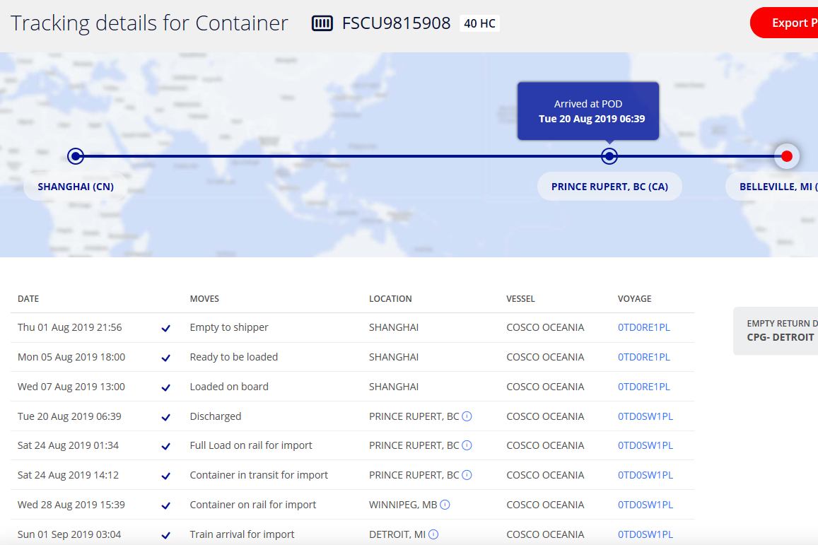 | 2019-09-02 | ? | 2019-09-04
 |  |  |  |  |  | 8/3-8/9 | 2019-08-07 | 2019-08-20 | 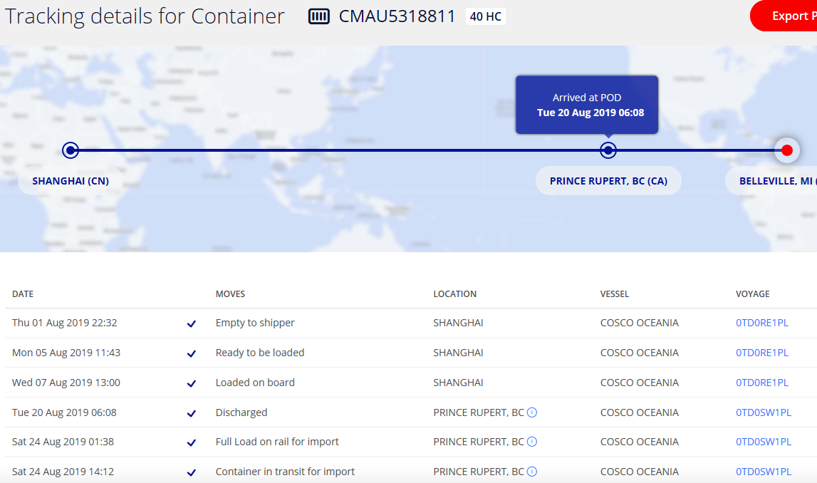 | 2019-09-02 | ? | 2019-09-04
 |  |  |  |  |  | 8/10-8/16 | 2019-08-14 | 2019-08-25 | 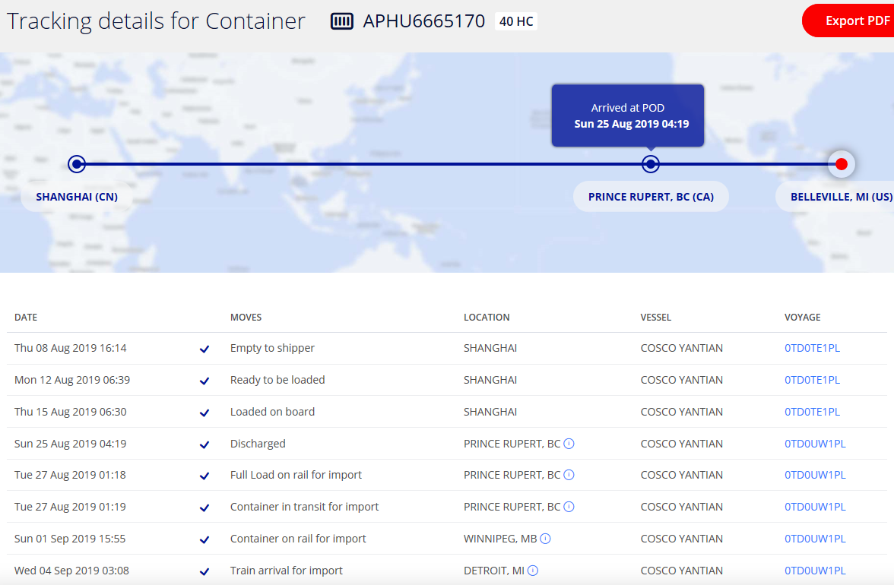 | 2019-09-04 | ?
 |  |  |  |  |  | 8/17-8/23 | 2019-08-21 | 2019-09-04 | 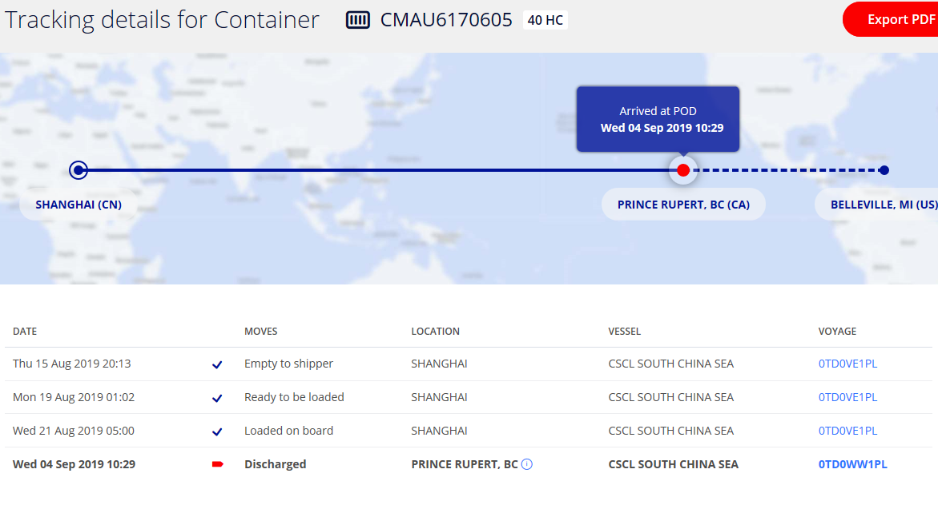 | 2019-09-10 | ?

