Home Sweet Home Bath Rug
AT HOME IMPORT QUOTE SHEET
BUYER: Holly Watson |  | DATE: 1/24/2018
PRODUCT PARTNER NAME & ADDRESS |  |  |  | FACTORY NAME & ADDRESS REQUIRED (do not use trading company name/address)

 |  |  |  | Vansh Creation
 |  |  |  | 1351, Sector-25, Part-II, HUDA, Panipat-132103 (India)

Phone: 214-960-6260 |  | Contact: Wende Hollett
Fax: |  | Email: wende.hollett@jlahome.com
TERMS OF SHIPMENT |  |  |  | SPECIAL CONDITIONS
(CY shipments) FOB Port: | Nhava Sheva | Country: | India | Price Quote good until |  |  |  | Lead Time | 90 days
Country of Origin | India |  |  | Minimum quantity required |  | 1100/color
 |  |  |  | FOB Cost Based on Full Container Shipment or CFS Shipment? (circle one)

ITEM DESCRIPTION INFORMATION: |  |  |  | ATTACH COLOR PHOTO (include all styles for the item)
Detailed Description: 100% cotton tufted Home Sweet Home Bath Rug (Cedar and Rose Brand) |  |  |  | 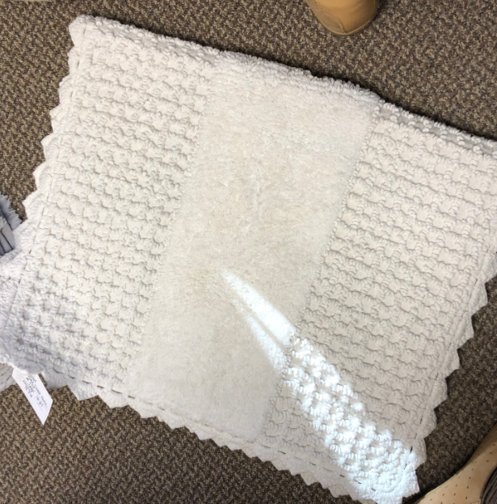

Dimensions/Size in inches (include height, width, and length): 20x32"

Material Composition (including % breakdown): 100% cotton tufted rug

Color/Colors: cream

Number of styles included in the item quoted: 1

ITEM/ STYLE # | AHDM72-0018 | UPC # | 086569231796
ITEM/ STYLE # |  | UPC #
ITEM/ STYLE # |  | UPC #
ITEM/ STYLE # |  | UPC #

CARTON INFORMATION
Master Carton/Case Pack: | 6 | Inner Carton/Case Pack: | 1
Master Carton Cube: (In cbft) | 1.413 | Master Carton Wt: ( In lbs) | 13.000
Master Carton measurements (L x W X H): | 17"x11"x13" |  |  | PACKAGING INFORMATION (circle one)
Retail Package measurements (L x W x H): | 20x32'' |  |  |  | Brown box |  | Dolly Stack |  | Pizza box (list color below)
CONTAINER LOAD INFORMATION |  |  |  |  | Brown box with color photo label |  | Bulk
 | 40GP | 40HC | 45' |  | Full color photo box |  | PDQ |  | Other (specify below)
Master Cartons per container: | 1405 | 1631 | 2133
PRODUCT QUESTIONNAIRE: MUST BE COMPLETED
1) Is this product decorative or functional? (circle one) |  |  |  |  | COST INFORMATION (PER PC) IN USD
2) Is this product licensed, copyrighted, or trademarked? Y / N
If yes, a copy of Trademark Release must be attached. |  |  |  |  | FOB ( USD) Cost: |  |  | $7.40
3) Does this product come in contact with food? Y / N
If yes, the factory named above must be the actual manufacturer of the goods. |  |  |  |  | Duty: Rate %: | 3.8% | Amount: | $0.28
If country of origin is China, provide Chinese Ceramic Certificate # (CCC#)
4) If electrical, must be UL approved. Provide UL approval # |  | n/a |  |  | Agent Commission %: | 0.0% | Amount: | $-
5) Candles: Provide composition and composition % |  | n/a
6) Artificial Foliage: Provide method of assembly: |  | n/a
Provide component material breakdown: |  | n/a
7) Mirrors: Provide the CM² of the reflecting area: |  | n/a
8) Ribbon: Attach ribbon detail sheet. |  |  |  |  | CUSTOMS INFORMATION
9) Provide material breakdown by weight and value if item is constructed of multi components/materials
(example: 40% cotton $4.35: 25% polyester $2.32: 35% metal $1.50) |  |  |  |  | Product Partner suggested 10 digit HTS # (required) |  |  | 5703.90.0000
10) Clocks : Clock breakdown sheet required.
11) Does the product contain plant product of one of these categories: Rice and rice related articles; Indian corn or maize, broomcorn and related plants; Sugarcane product and by-products, including cuttings, canes, leaves and bagasse; Foreign cotton, cotton seeds and covers, and other cotton related articles; Cut flowers with berries attached; Any other plant product not already mentioned. Y / N |  |  |  |  | Binding Ruling # if applicable:
If yes, the PPQ587 Plant Form and Lacey Act form must be filled out.
12) Does the product contain any type of wood product? Y / N
If yes, the PPQ585 Timber Form and Lacey Act form must be filled out.
13) Does the product contain any organism of the animal kingdom, including any part, product, egg, or offspring thereof, or the dead body or parts thereof, (e.g., feathers, teeth, seashells, skins, hides, fur, bone)? Y / N
If yes, the Fish & Wildlife questionnaire must be filled out.
14) Provide rug detail sheet which details type of carpet construction (pile or non-pile), machine made or hand made (tufted, knitted, crocheted), and material breakdown. Packing list must provide square meters per sku.

NOTE: Forms can be found in the 'Import Product Partner Required Forms' at www.athome.com, and should be emailed to athomeinternational@unyson.com.

REVISED JUNE 2017

Ruffle Frame Bath Rug
AT HOME IMPORT QUOTE SHEET
BUYER: Holly Watson |  | DATE: 1/24/2018
PRODUCT PARTNER NAME & ADDRESS |  |  |  | FACTORY NAME & ADDRESS REQUIRED (do not use trading company name/address)

 |  |  |  | PAN OVERSEAS
 |  |  |  | PLOT NO.4,SECTOR-25,HUDA,
 |  |  |  | PANIPAT-132103 HARYANA (INDIA)
Phone: 214-960-6260 |  | Contact: Wende Hollett
Fax: |  | Email: wende.hollett@jlahome.com
TERMS OF SHIPMENT |  |  |  | SPECIAL CONDITIONS
(CY shipments) FOB Port: | Nhava Sheva | Country: | India | Price Quote good until |  |  |  | Lead Time | 90 days
Country of Origin | India |  |  | Minimum quantity required |  | 1000/color
 |  |  |  | FOB Cost Based on Full Container Shipment or CFS Shipment? (circle one)

ITEM DESCRIPTION INFORMATION: |  |  |  | ATTACH COLOR PHOTO (include all styles for the item)
Detailed Description: 100% cotton tufted Ruffle Frame Bath Rug (Cedar and Rose Brand) |  |  |  | 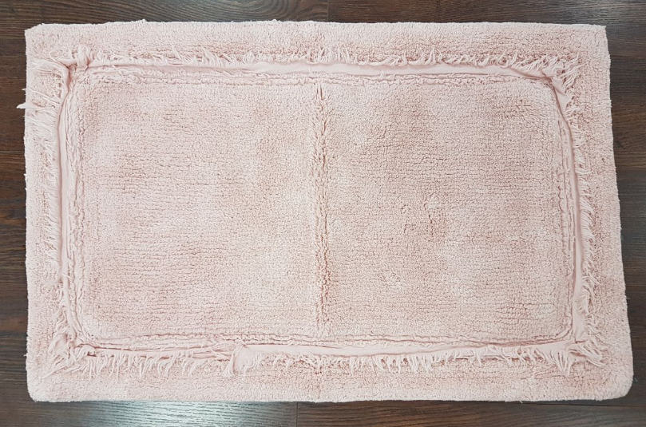
two colors: Grey and Dusty Lavender (shown for style below)
Dimensions/Size in inches (include height, width, and length): 20x32"

Material Composition (including % breakdown): 100% cotton tufted

Color/Colors: Grey, Dusty Lavender

Number of styles included in the item quoted: 2

ITEM/ STYLE # | AHDM72-0020 | UPC # | 086569231819
ITEM/ STYLE # | AHDM72-0019 | UPC # | 086569231802
ITEM/ STYLE # |  | UPC #
ITEM/ STYLE # |  | UPC #

CARTON INFORMATION
Master Carton/Case Pack: | 6 | Inner Carton/Case Pack: | 1
Master Carton Cube: (In cbft) | 1.059 | Master Carton Wt: ( In lbs) | 11.200
Master Carton measurements (L x W X H): | 17''x11''x11'' |  |  | PACKAGING INFORMATION (circle one)
Retail Package measurements (L x W x H): | 20x32'' |  |  |  | Brown box |  | Dolly Stack |  | Pizza box (list color below)
CONTAINER LOAD INFORMATION |  |  |  |  | Brown box with color photo label |  | Bulk
 | 40GP | 40HC | 45' |  | Full color photo box |  | PDQ |  | Other (specify below)
Master Cartons per container: | 1661 | 1928 | 2521
PRODUCT QUESTIONNAIRE: MUST BE COMPLETED
1) Is this product decorative or functional? (circle one) |  |  |  |  | COST INFORMATION (PER PC) IN USD
2) Is this product licensed, copyrighted, or trademarked? Y / N
If yes, a copy of Trademark Release must be attached. |  |  |  |  | FOB ( USD) Cost: |  |  | $7.40
3) Does this product come in contact with food? Y / N
If yes, the factory named above must be the actual manufacturer of the goods. |  |  |  |  | Duty: Rate %: | 3.8% | Amount: | $0.28
If country of origin is China, provide Chinese Ceramic Certificate # (CCC#)
4) If electrical, must be UL approved. Provide UL approval # |  | n/a |  |  | Agent Commission %: | 0.0% | Amount: | $-
5) Candles: Provide composition and composition % |  | n/a
6) Artificial Foliage: Provide method of assembly: |  | n/a
Provide component material breakdown: |  | n/a
7) Mirrors: Provide the CM² of the reflecting area: |  | n/a
8) Ribbon: Attach ribbon detail sheet. |  |  |  |  | CUSTOMS INFORMATION
9) Provide material breakdown by weight and value if item is constructed of multi components/materials
(example: 40% cotton $4.35: 25% polyester $2.32: 35% metal $1.50) |  |  |  |  | Product Partner suggested 10 digit HTS # (required) |  |  | 5703.90.0000
10) Clocks : Clock breakdown sheet required.
11) Does the product contain plant product of one of these categories: Rice and rice related articles; Indian corn or maize, broomcorn and related plants; Sugarcane product and by-products, including cuttings, canes, leaves and bagasse; Foreign cotton, cotton seeds and covers, and other cotton related articles; Cut flowers with berries attached; Any other plant product not already mentioned. Y / N |  |  |  |  | Binding Ruling # if applicable:
If yes, the PPQ587 Plant Form and Lacey Act form must be filled out.
12) Does the product contain any type of wood product? Y / N
If yes, the PPQ585 Timber Form and Lacey Act form must be filled out.
...

