Sheet1
Macy's charge backs on packaging on complaince violation

 |  | Charge back reasons | Amount | Macy's deny back again with below images | JLA comments
Macy's Home Store | CB1901702 | GS1 128 located incorr on ctn Mdse not placed in own polybag | $294.40 |  | Macy's images already shows merchandiser placed in own polybag, we need to deny charge backs again!

Macy's.com | CB1901186 | No Fabric care/country origin Mdse not pkged as selling unit Mdse not placed in own polybag/Mdse not Securely Sealed | $2,933.00 | 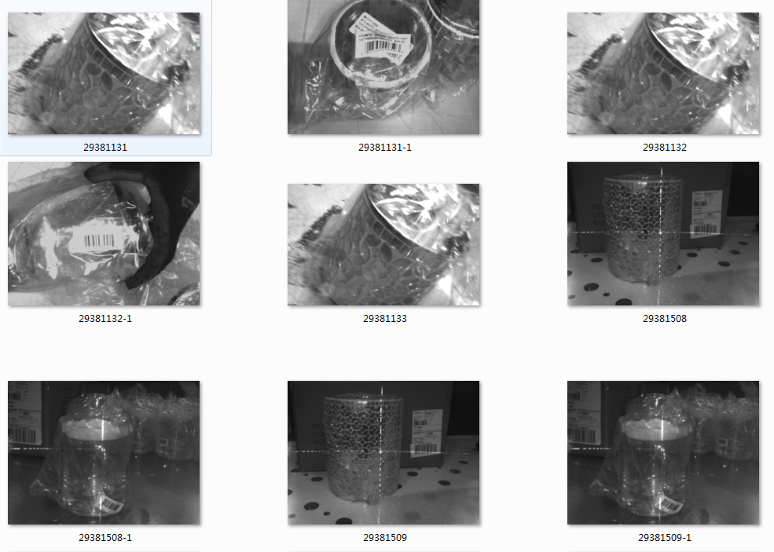 | We do not need to attach fabric care/country of origin on merchandiser. Also, merchandiser are already packaged as selling unit, or placed in own polybag or not securely sealed. Macy's images cannot prove anything. We need to deny the charge backs again.

 | CB1901187 | Multi pc./set tags not suppl Multi pc./set tags not suppl,upcs need to be printed Poor quality UPC barcodes | $1,012.40 | 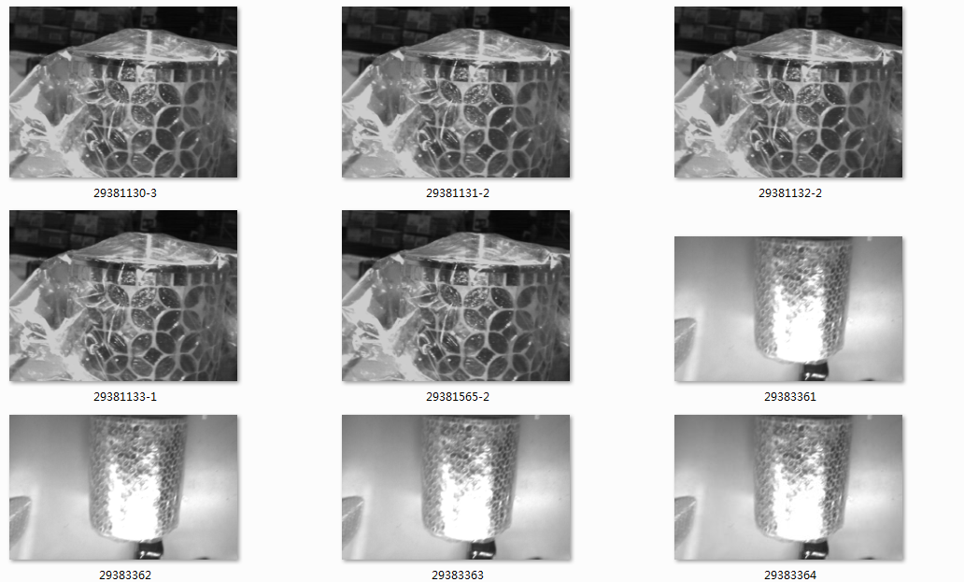 | The merchandisers are sold separately, we are not told to attach multi pc/set tags. Also, The UPC barcodes are always attached onto bottom of the merchandiser, Macy's images cannot prove our merchandiser not UPC marked.We need to deny the charge backs again.

 | CB1901214 | Poor quality UPC barcodes/ Mdse not 100% UPC marked | $895.20 |  | The UPC barcodes are always attached onto bottom of the merchandiser, Macy's image cannot prove our merchandiser not UPC marked.We need to deny the charge backs again.

 | CB1901215 | Mdse not pkged as selling unit /Mdse not placed in own polybag/Mdse not placed in own polybag/Mdse not Securely Sealed / | $1,077.20 |  | Macy's images already shows merchandiser with UPC marked or in own polybag or securely sealed or packaging as selling unit.We need to deny the charge backs again.

 | CB1901294 | Mdse not 100% UPC marked/Mdse not pkged as selling unit/Mdse not placed in own polybag/Mdse not Securely Sealed | $1,213.60 |  | Macy's images already shows merchandiser with UPC marked or in own polybag or securely sealed or packaging as selling unit. We need to deny the charge backs again.

 | CB1901335 | Mdse not placed in own polybag | $126.40 |  | Macy's images shows merchandiser have already been placed in own polybag. We need to deny the charge backs again!

 | CB1901483 | Mdse not placed in own polybag/ Mdse not Securely Sealed | $10,226.80 |  | Macy's images show merchandiser already placed in own polybag, securely sealed. We need to deny the charge backs again.

 | CB1901704 | Poor quality UPC barcodes | $282.40 |  | All Macy's images provided show merchansider already placed in own polybag, securely sealed,packaged as selling unit, UPC marked. We need to deny charge backs again. Also merchandiser are sold separately, we are not requested to add multi pc/set tags.

 | CB1901706 | Mdse not Securely Sealed Mdse not placed in own polybag Multi pc./set tags not suppl | $1,966.90 | 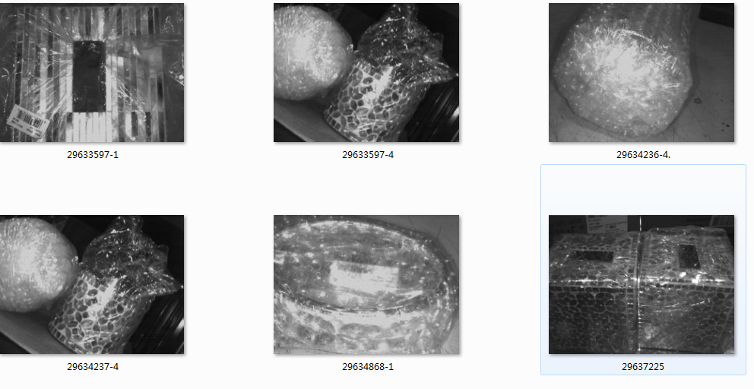 | Macy's images shows merchansider already placed in own polybag, securely sealed,packaged as selling unit, UPC marked. We need to deny charge backs again. Also merchandiser are sold separately, we are not requested to add multi pc/set tags.

 | CB1901745 | Poor quality UPC barcodes | $161.20 |  | Macy's images show merchansider already placed in own polybag, securely sealed,packaged as selling unit, UPC marked. We need to deny charge backs again.

 | CB1901746 | Mdse not Securely Sealed Mdse not placed in own polybag Mdse not pkged as selling unit | $756.80 |  | Macy's images show merchansider already placed in own polybag, securely sealed,packaged as selling unit. We need to deny charge backs again.

 | CB1901823 | Mdse not placed in own polybag Mdse not Securely Sealed | $836.80 |  | Macy's images show merchansider already placed in own polybag, securely sealed. We need to deny charge backs again.

Macy's.com | CB1901041 | Mdse not placed in own polybag/ Mdse not Securely Sealed/Mdse not pkged as selling unit No Fabric care/country origin | $3,275.21 |  | Macy's images shows merchansider already placed in own polybag, securely sealed, packaged as selling unit. Also, merchandiser are sold separately, no need to attach Multi pc./set tags. No fabric care/country of origin is needed. We need to deny charge backs again.

 | CB1901066 | Mdse not placed in own polybag/ No Fabric care/country origin | $130.80 |  | We do not need to attach fabric care/country of origin on merchandiser. Also Macy's image already shows merchandiser placed in own polybag. We need to deny the charge backs again.

 | CB1901295 | Mdse not placed in own polybag | $1,357.40 |  | 1. The document 29424129/ 29423722 only shows amount of $143.80, cannot understand why the charge backs say total $1357.40. 2. The reason of the charge back is "Merchandiser not placed in own polybag", but no item# is listed, we cannot check. Also, for document 29423722, the reason is " Hanger Removed s/b Flat in Polybag", we did not use hanger for these merchandiser. We need to deny the charge backs again.

