DB
Shipment Notification

ALDI Country Shipment: | USA |  | Date | 9-27
Product Description: | Weighted Blanket

ALDI Product Code | 12558

 |  | Ocean Freight | Domestic Freight | Customs Broker at | After-Sales Service
Party Details | ALDI Supplier | Forwarder | Forwarder (DFF) | Destination | Support (ASS)- warranty (if any)
Company Name | E & E Co., LTD (dba JLA Home) |  | DB | PACIFIC CUSTOMS BROKER
Contact Person Name | Jamie King |  | Astaroth Tang | John Kim
 | 630.215.9764 |  | +86 21 6170 8304 | 800-491-1070
Telephone Number
 | jamie.king@jlahome.com |  | Astaroth.Tang@dbschenker.com | pcb.john@yahoo.com
Email Address
 | E-SENT
To Domestic Freight Forwarder:

Order Qty Details for Shipment
ALDI Order Qty |  |  | After-Sales Service Qty

Shipment Qty | Pack Size | Shipment Qty | ASS Qty | ASS Qty | (Cartons)
(Units) | (Units) | (Cartons) | (Units) | (Cartons)
24860 | 4 | 6215 | 24860 | 6215 | 6215

Sailing Schedule & Vessel Details

B/L Number | Vessel Name | Voyage | Port of Loading | Port of Discharge | ETD | ETA
293152498 | MSC AMSTERDAM | 335N | SHANGHAI | USLGB | 2023-09-12 | 2023-09-26
293152498 | MSC AMSTERDAM | 335N | SHANGHAI | USLGB | 2023-09-12 | 2023-09-26
293152498 | MSC AMSTERDAM | 335N | SHANGHAI | USLGB | 2023-09-12 | 2023-09-26
293152498 | MSC AMSTERDAM | 335N | SHANGHAI | USLGB | 2023-09-12 | 2023-09-26
293152498 | MSC AMSTERDAM | 335N | SHANGHAI | USLGB | 2023-09-12 | 2023-09-26
293152498 | MSC AMSTERDAM | 335N | SHANGHAI | USLGB | 2023-09-12 | 2023-09-26
293152498A | MSC AMSTERDAM | 335N | SHANGHAI | USLGB | 2023-09-12 | 2023-09-26
293152498A | MSC AMSTERDAM | 335N | SHANGHAI | USLGB | 2023-09-12 | 2023-09-26
293152498B | MSC AMSTERDAM | 335N | SHANGHAI | USLGB | 2023-09-12 | 2023-09-26
293152498B | MSC AMSTERDAM | 335N | SHANGHAI | USLGB | 2023-09-12 | 2023-09-26
293152498B | MSC AMSTERDAM | 335N | SHANGHAI | USLGB | 2023-09-12 | 2023-09-26

Container Loading Allocation
20GE | 40GE | 40HC | 45HC
 |  | 11

Container & Loaded Quantity Details
B/L Number | Container Number | Container Size | Seal Number | Total Package | Container loading image | Container # | Packing List
293152498 | MSKU1228027 | 40HQ | CN5443465 | 565 | 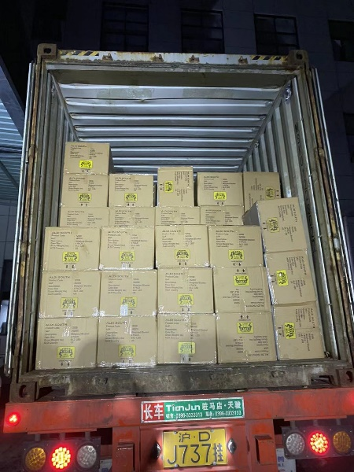 | 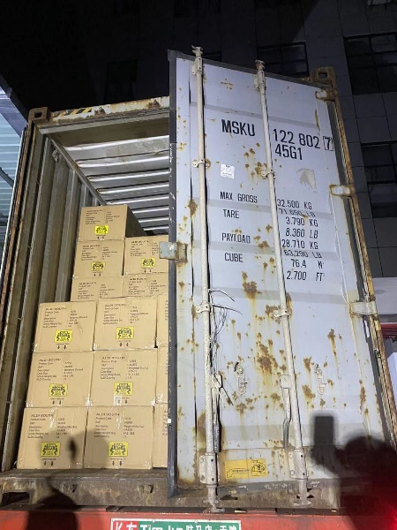 | 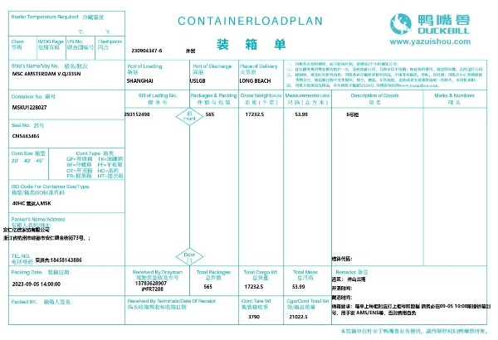
293152498 | CAAU6521026 | 40HQ | CN5443502 | 565 | 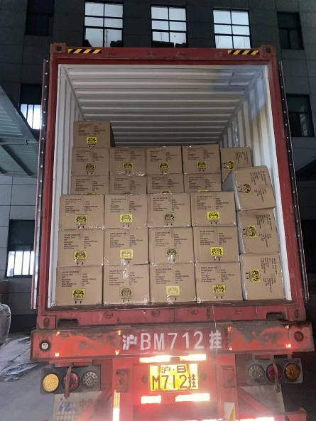 | 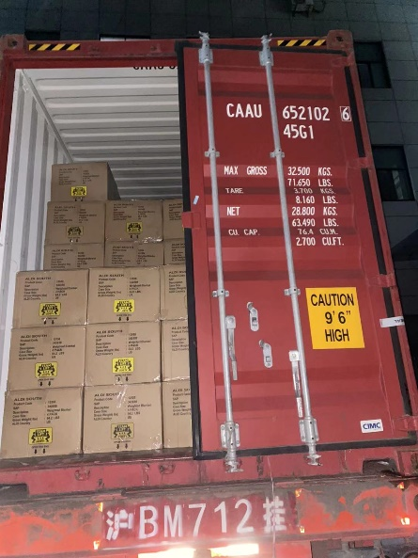 | 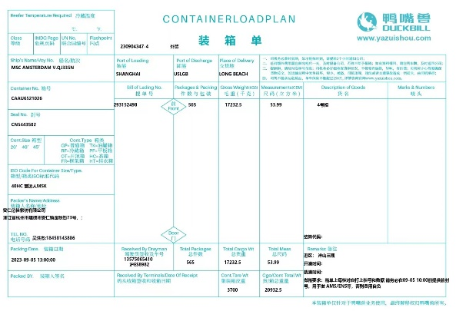
293152498 | MRKU3442191 | 40HQ | CN5443582 | 565 | 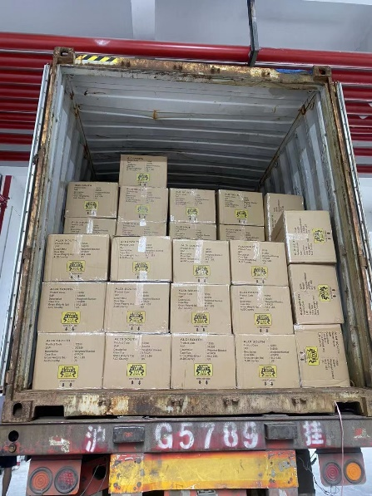 | 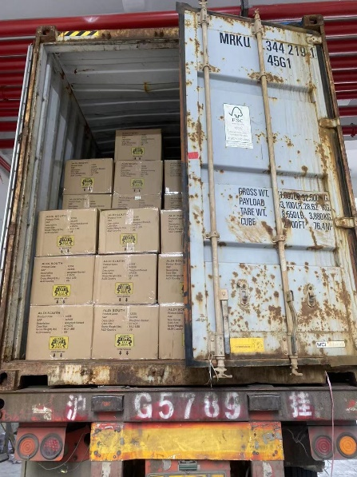
293152498 | PONU7280980 | 40HQ | CN5442032 | 565 | 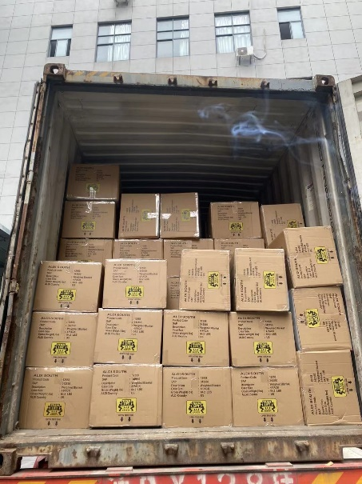 | 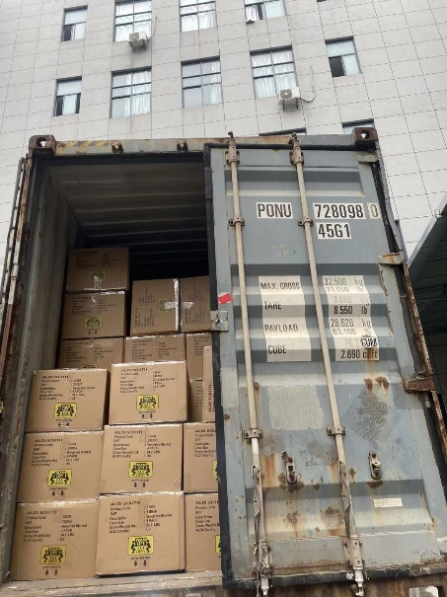 | 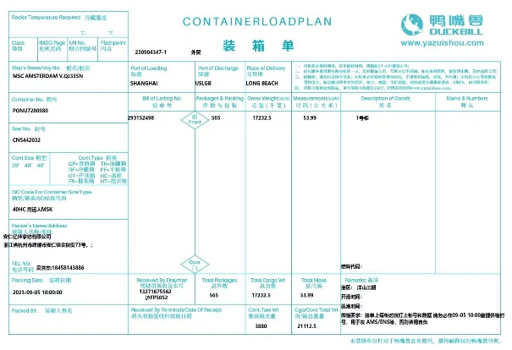
293152498 | MIEU2023360 | 40HQ | CN5443545 | 565 | 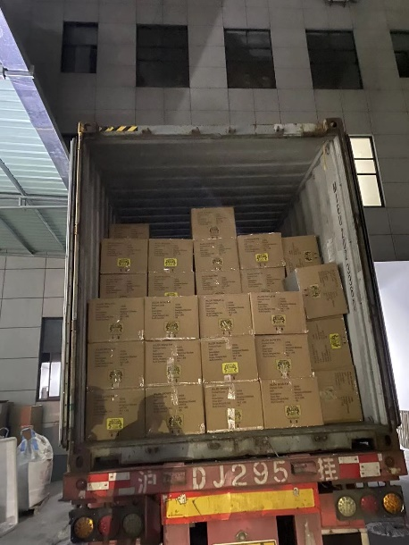 | 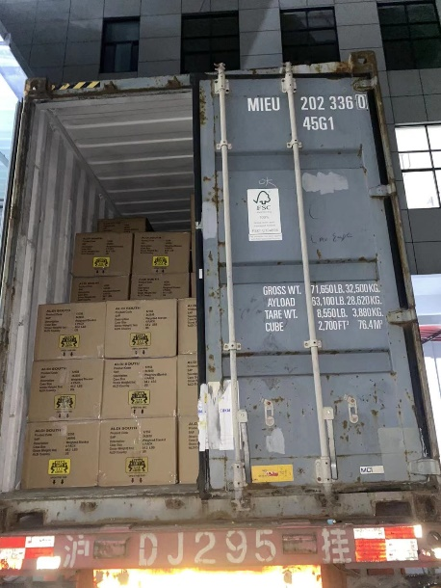
293152498 | SUDU8621451 | 40HQ | CN5444640 | 565 | 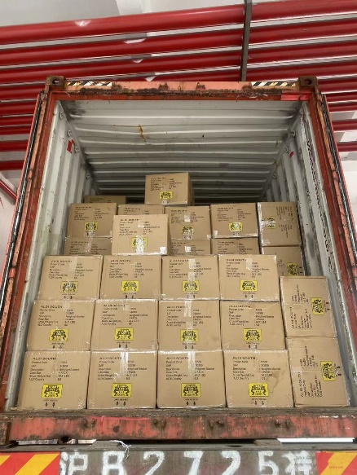 | 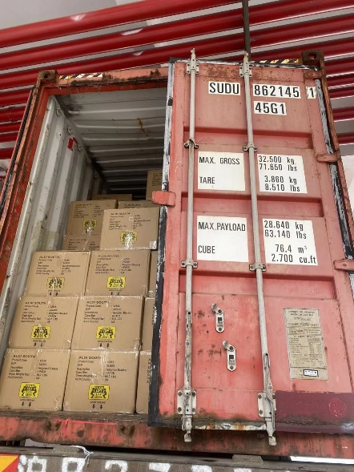 | 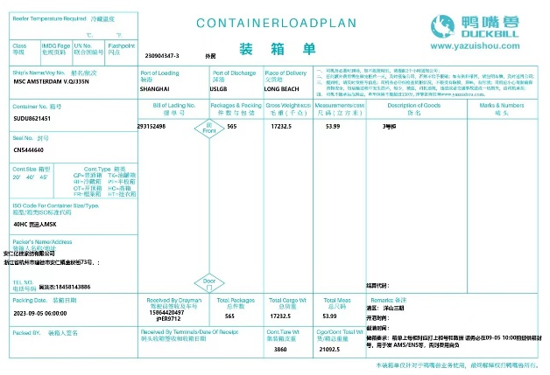
293152498A | MRKU4281954 | 40HQ | CN5445352 | 565 | 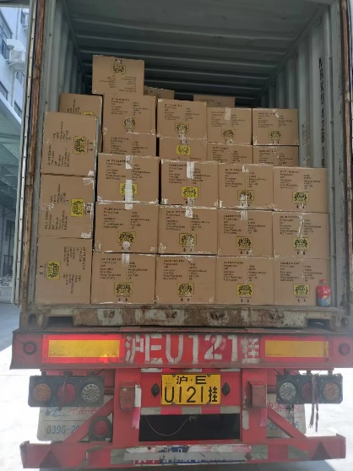 | 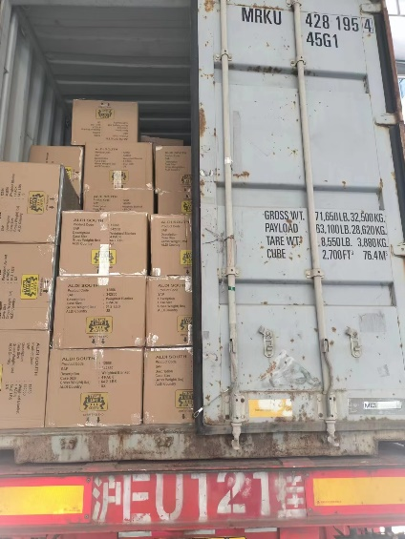 | 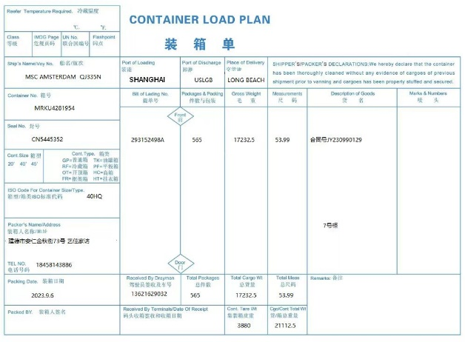
293152498A | TCKU6039232 | 40HQ | CN5445578 | 565 | 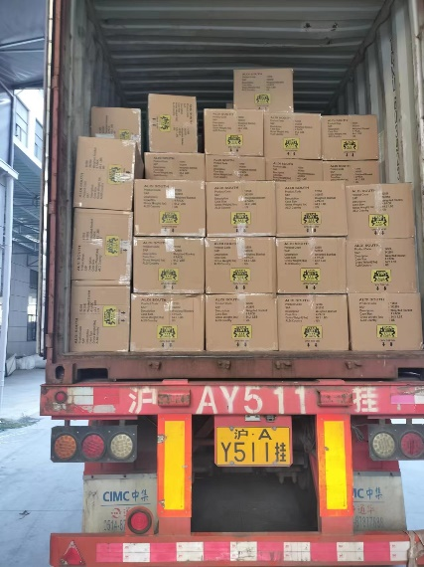 | 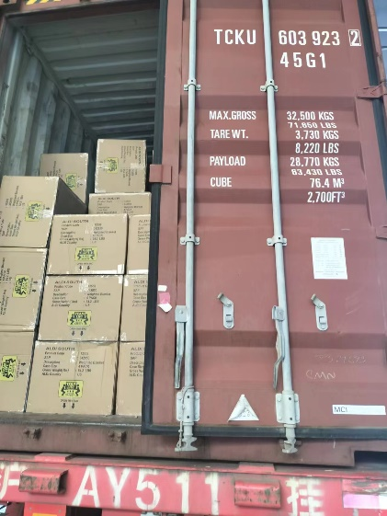 | 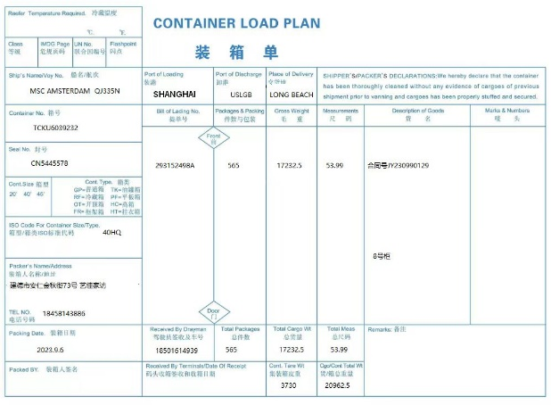
293152498B | TLLU5277587 | 40HQ | CN5445656 | 565 | 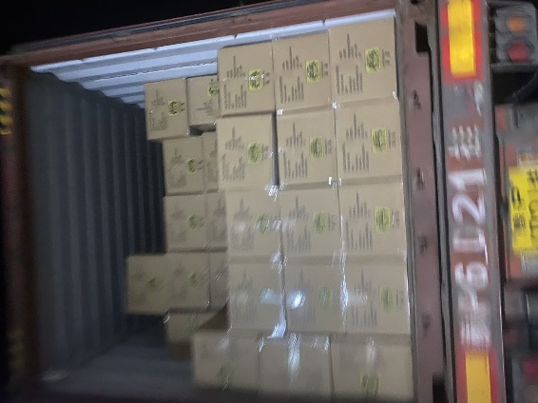 | 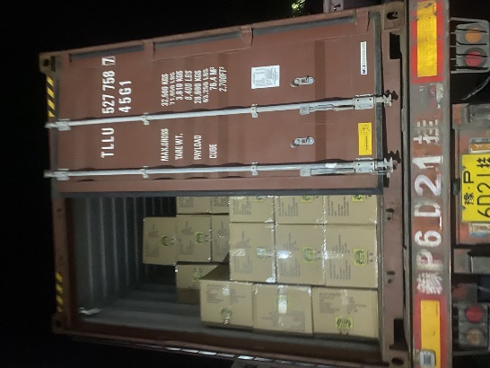 | 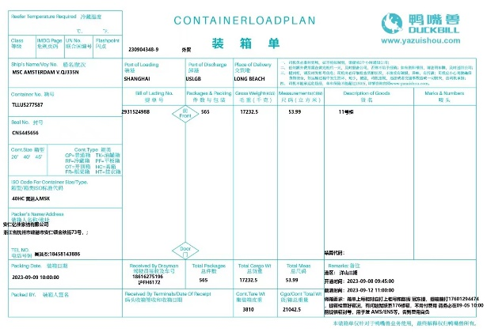
293152498B | MRSU4650438 | 40HQ | CN5445713 | 565 | 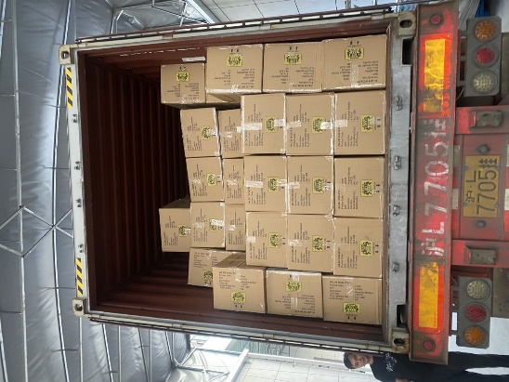 |  | 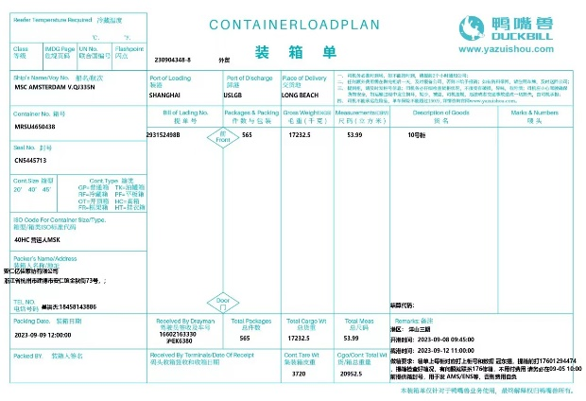
293152498B | CAAU6279680 | 40HQ | CN5445657 | 565 | 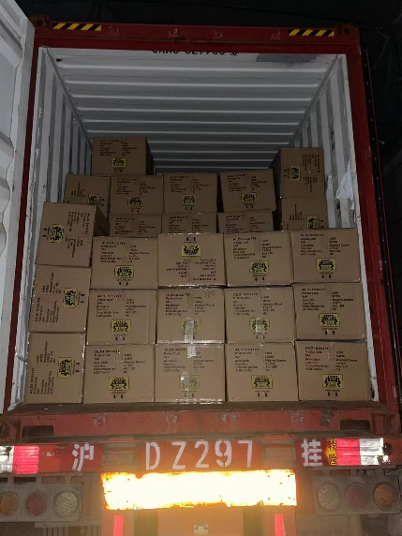 | 