Domestic warehouse
JLA HOME Price Quote Sheet
Customer Name | Aldi | Fashion Bedding Program Size |  | VIN/Art No. |  |  |  |  |  |  |  |  |  |  |  |  |  |  |  |  |  |  |  |  |  |  |  |  |  |  |  |  |  |  |  |  |  | Super Big (>$1,000,000) | Big ($500,000~$1,000,000) | Medium ($150,000~$500,000) | Small ($0~$150,000) |  | Super Big (>$500,000) | Big ($250,000~$500,000) | Medium ($100,000~$250,000) | Small ($0~$100,000)
JLA Division | Window | Other Division Program Size | Medium ($100,000~$250,000) | Customer Exclusive |  |  |  |  |  |  |  |  |  |  |  |  |  |  |  |  |  |  |  |  |  |  |  |  |  |  |  |  |  |  |  |  |  | Non-Replenishment | Rollout/Replenishment | FOB CA Price Quote | FOB GA Price Quote | FOB CA/GA Price Quote | FOB POE Price Quote | FOB China Price Quote
Program Name (Keyword) | 2023 Character Backrest | Order Type | Non-Replenishment | Brand Name |  |  |  |  | No |  |  |  |  |  |  |  |  |  |  |  |  |  |  |  |  |  |  |  |  |  |  |  |  |  |  |  |  | Direct Import | Domestic: Port | Domestic: Warehouse | Drop-Ship |  | Yes | No
China Production Team |  | Order Process | Domestic: Warehouse |  |  |  |  |  |  |  |  |  |  |  |  |  |  |  |  |  |  |  |  |  |  |  |  |  |  |  |  |  |  |  |  |  |  | Consolidator | Customer DC | Pick Up At Port | LVM | WOD | WOD/SAV | SAV
Program Commit Date | 2022-11-08 | Ship To Location | SAV |  |  |  |  |  |  |  |  |  |  |  |  |  |  |  |  |  |  |  |  |  |  |  |  |  |  |  |  |  |  |  |  |  |  | Accent Pillow | Adult/Fashion Bedding | Apparel | Art | Basic Bedding | Bath Accessories | Blanket | Decorative Accessories | Design & Contract | Furniture | Pets | Sheets/Towels | Window | Youth
Program Update Date |  | Est. Sales Total | $566,637.12 |  |  |  |  |  |  |  |  |  |  |  |  |  |  |  |  |  |  |  |  |  |  |  |  |  |  |  |  |  |  |  |  |  |  | BOX-1 | BOX-2 | BOX-3 | BOX-4 | BOX-5 | BO-1 | BO-2 | BO-3 | BASIC-1 | BASIC-2 | BASIC-3 | BANG-1 | BANG-2 | BANG-4

Style name | Sample image | Size / Spec. | size | Package | UCCPM TARGET COST | Item# | UPC# | Ratio | F.O.B Cost $ | Feight |  |  |  |  |  |  |  |  | duty |  |  | LDP cost | Zigzag filling and CARTON 6CP | Load (AD,DA, Agent fee, Commission, Storage...) |  |  |  |  | Total load $ | Domestic cost with loads | Domestic JLA MU | Domestic JLA selling |  |  | Qty's | Total Sales | Total Costs
 |  |  |  |  |  |  |  |  |  | Display Case |  |  | Total units per Display case | Carton Weight ( KG) | Cubic Meter/ per item | Total units per 40'HQ | Freight cost per 40'HQ | Freight cost per item $ | HS number | Duty rate | Duty cost per item$ |  |  | DA% | rebate% | Funding | Royalty | 8% warehouse charges |  |  |  |  | Retail Price | Customer domestic MU
 |  |  |  |  |  |  |  |  |  | L (cm) | W (cm) | H (cm) |  |  |  |  | $4,400.00 |  |  |  |  |  |  | 2.00% |  | 0.0% | 0% | 8%
 |  |  |  |  |  |  |  |  |  |  |  |  |  |  |  |  | SAV warehouse
Leopard Backrest |  | Facer: 100% poly pv fur 280gsm with EMB Back:100% poly 200gsm mink 900g filling | 26x14.6x18.9" | regular box | 5.00 | ALDI30-0941 | 4061464531079 | 2 | 5.00 | 57.00 | 45.00 | 92.00 | 6 | 10.00 | 0.2360 | 1,830 | 4,400 | $2.40 | 9404.90.2000 | 13.5% | $0.68 | $8.08 |  | $0.21 |  |  |  | $0.83 | $1.04 | 9.12 | 12.4% | $10.41 | $14.99 | 30.55% | 18,144 | $188,879.04 | $165,480.02
Toucan Backrest | 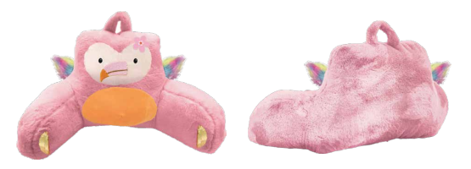 | Facer: 100% poly pv fur 280gsm with EMB Back:100% poly 200gsm mink 900g filling | 26x14.6x18.9" | regular box | 5.00 | ALDI30-0942 | 4061464531239 | 1 | 5.00 | 57.00 | 45.00 | 92.00 | 6 | 10.00 | 0.2360 | 1,830 | 4,400 | $2.40 | 9404.90.2000 | 13.5% | $0.68 | $8.08 |  | $0.21 |  |  |  | $0.83 | $1.04 | 9.12 | 12.4% | $10.41 | $14.99 | 30.55% | 9,072 | $94,439.52 | $82,740.01
Tiger Backrest | 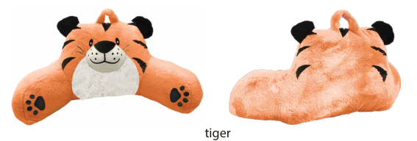 | Facer: 100% poly pv fur 280gsm with EMB Back:100% poly 200gsm mink 900g filling | 26x14.6x18.9" | regular box | 5.00 | ALDI30-0943 | 4061464531093 | 2 | 5.00 | 57.00 | 45.00 | 92.00 | 6 | 10.00 | 0.2360 | 1,830 | 4,400 | $2.40 | 9404.90.2000 | 13.5% | $0.68 | $8.08 |  | $0.21 |  |  |  | $0.83 | $1.04 | 9.12 | 12.4% | $10.41 | $14.99 | 30.55% | 18,144 | $188,879.04 | $165,480.02
Crocodile Backrest | 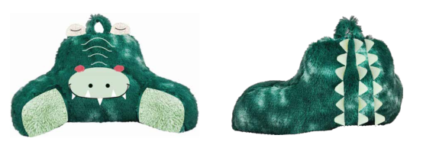 | Facer: 100% poly pv fur 280gsm with EMB Back:100% poly 200gsm mink 900g filling | 26x14.6x18.9" | regular box | 5.00 | ALDI30-0944 | 4061464531215 | 1 | 5.00 | 57.00 | 45.00 | 92.00 | 6 | 10.00 | 0.2360 | 1,830 | 4,400 | $2.40 | 9404.90.2000 | 13.5% | $0.68 | $8.08 |  | $0.21 |  |  |  | $0.83 | $1.04 | 9.12 | 12.4% | $10.41 | $14.99 | 30.55% | 9,072 | $94,439.52 | $82,740.01
 |  |  |  |  |  |  | Avg cost |  | $5.00 |  |  |  |  |  |  |  |  |  |  |  |  |  |  |  |  |  |  |  |  |  | 12.4% | $10.41 |  | 30.55% | 54,432 | $566,637.12 | $496,440.07
 |  |  |  |  |  |  |  |  |  |  |  |  |  |  |  |  |  |  |  |  |  |  |  |  |  |  |  |  |  |  |  |  |  | Container# | 29.74
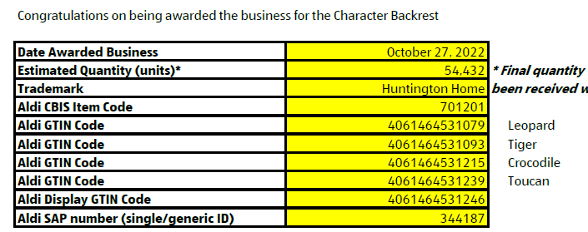
 |  |  |  |  | Assorted Item# | ALDI90-0950 |  | Zigzag carton dims | The Box size for 6 packs is 35”x20”x21”
 |  |  |  |  | Customer SKU | 701201 |  |  |  | 35 | 20 | 21
 |  |  |  |  | GTIN# | 4061464531246 |  |  |  | 88.90 | 50.80 | 53.34 | 6 |  | 0.2409
 |  |  |  |  | G.W. | 10 kg | Correct price should be
 |  |  |  |  | Selling Cost | $62.70 | $62.46 |  |  |  |  |  |  |  |  |  |  |  |  |  |  |  |  |  |  |  |  | We could load 8 per pallets, fit 30 pallets per 53’ trailer, that’s total of 240 GL
 |  |  |  |  |  |  |  |  |  |  |  |  |  |  |  |  |  |  |  |  |  |  |  |  |  |  |  |  | Ship with pallet | Pallet cost | $6.50 | TOTAL UNITS FOR ONE PALLET | 48.00
 |  |  |  |  |  |  |  |  |  |  |  |  |  |  |  |  |  |  |  |  |  |  |  |  |  |  |  |  |  | Pallet/Unit cost | $0.14 | Total cost | $7,371.00
 |  |  |  |  |  |  |  |  |  |  |  |  |  |  |  |  |  |  |  |  |  |  |  |  |  |  |  |  |  | Margin | 11.1%

 | Case mix: 1 x Crocodile, 2 x Tiger, 2 x Leopard, 1 x Toucan

Shell with zipper10252022
 |  |  |  |  |  |  | JLA HOME Price Quote Sheet
Quote date | 2022.10.25
Quote by | NEWINA |  |  | FOB QD |  |  |  |  | Freight
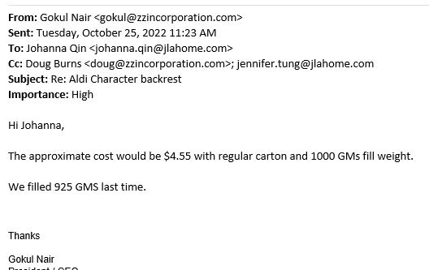
Style Name | Picture | Fabric/Construction | Size | with ties | Fill weight | Special Features | Packaging | MOQ / Color | Estimated CARTON size |  |  | Total units per CARTON | Cubic Meter/ per CTN | Total units per 40' HQ | Freight cost per 40' HQ | Freight cost per item $
 |  |  |  |  |  |  |  |  | L (cm) | W (cm) | H (cm)
Character Backrest |  | Facer: 100% poly pv fur 280gsm with EMB Back:100% poly 200gsm mink | 26x14.6x18.9" | $3.29 | N/A | Facer: 100% poly pv fur 280gsm Back:100% poly 200gsm mink | Normal carton package | 40,000 | 51.00 | 35.70 | 39.00 | 30 | 0.0710 | 29,700
Character Backrest |  | Facer: 100% poly pv fur 280gsm with EMB Back:100% poly 200gsm mink | 26x14.6x18.9" |  | N/A |  | Normal carton package | 40,000 | 51.00 | 35.70 | 39.00 | 30 | 0.0710 | 29,700
Character Backrest |  | Facer: 100% poly pv fur 280gsm with EMB Back:100% poly 200gsm mink | 26x14.6x18.9" |  | N/A |  | Normal carton package | 40,000 | 51.00 | 35.70 | 39.00 | 30 | 0.0710 | 29,700 |  |  | 400boxes, 2400units per 53'truck
Character Backrest |  | Facer: 100% poly pv fur 280gsm with EMB Back:100% poly 200gsm mink | 26x14.6x18.9" |  | N/A |  | Normal carton package | 40,000 | 51.00 | 35.70 | 39.00 | 30 | 0.0710 | 29,700 |  |  | 0.25% extra for safty
Character Backrest |  | Facer: 100% poly pv fur 280gsm with EMB Back:100% poly 200gsm mink | 26x14.6x18.9" |  | N/A |  | Normal carton package | 40,000 | 51.00 | 35.70 | 39.00 | 30 | 0.0710 | 29,700
Character Backrest |  | Facer: 100% poly pv fur 280gsm with EMB Back:100% poly 200gsm mink | 26x14.6x18.9" |  | N/A |  | Normal carton package | 40,000 | 51.00 | 35.70 | 39.00 | 30 | 0.0710 | 29,700
 |  |  |  |  |  |  |  | 240,000

