Instructions
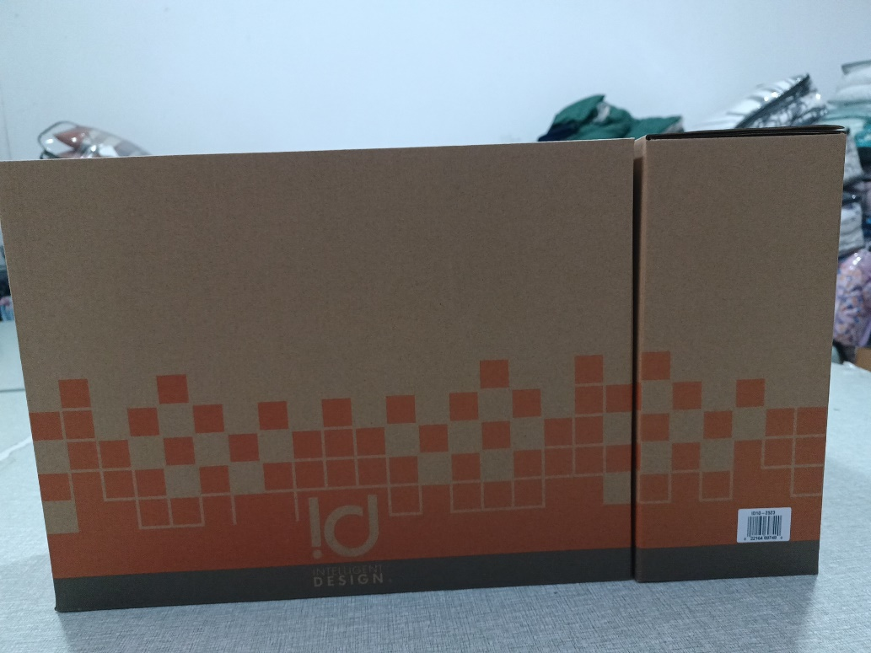
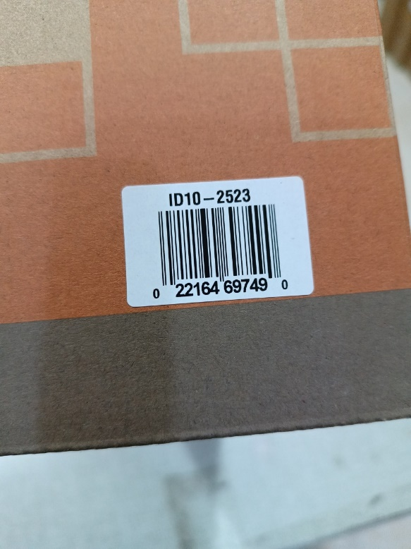
Please help take photos for the items listed below. |  |  |  |  |  | Gift Box Image for reference:
Requirements as below:
1)Gift box photo and the UPC label shown on the gift box
2)Carton marking (shipping mark) photo and the UPC label shown on the carton
Please make sure the logo, carton marking, and UPC label are all visible and readable in the photos.

Item No. | Division | Brand | Product Category | Sub Category | T1 Pattern Name

ID14-1216 | Fashion Bedding | Intelligent Design | QUILT | QUILT | Liv
ID14-1217 | Fashion Bedding | Intelligent Design | QUILT | QUILT | Liv
ID14-1218 | Fashion Bedding | Intelligent Design | QUILT | QUILT | Liv
ID14-1219 | Fashion Bedding | Intelligent Design | QUILT | QUILT | Liv
ID14-1220 | Fashion Bedding | Intelligent Design | QUILT | QUILT | Liv
ID14-1221 | Fashion Bedding | Intelligent Design | QUILT | QUILT | Liv

 |  |  |  |  |  | Out Carton Image for reference:
