Instructions
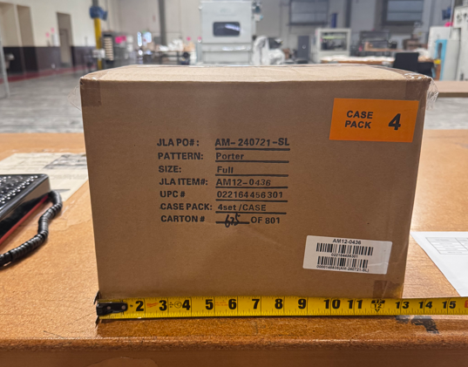
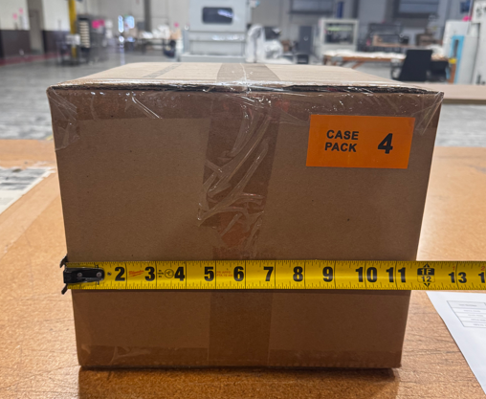
We have received chargebacks from Beyond for the items listed below, we need to provide the images as proof to appeal. |  |  |  |  |  |  | Image for reference:
Please help take photos showing the weight and dimensions (length and width) of the following items.
Requirements as below:
1)Image from the product with the product’s packaging being measured on each side. A tape measure or ruler must be clearly visible in each photo.
2)Image from the product being weighed, with the weight clearly visible.
3)Packaging with its labeling. The labeling of item # must be clearly visible.

Channel | Item No. | Division | Brand | Product Category | Sub Category | T1 Pattern Name

Beyond | UHK10-0236 | Fashion Bedding | Intelligent Design Kids | COMFORTER (SET) | Comforter (Set) | Gracie
 | MP10-3397 | Fashion Bedding | Madison Park | COMFORTER (SET) | Comforter (Set) | Rhapsody
 | MP10-7212 | Fashion Bedding | Madison Park | COMFORTER (SET) | Comforter (Set) | Ridge

