Instructions
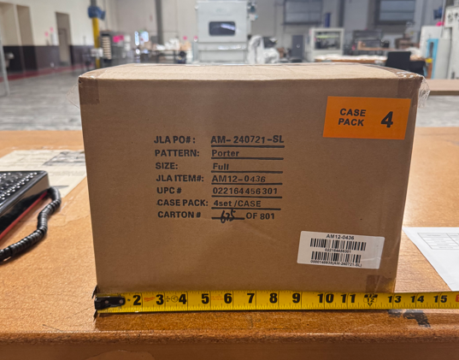
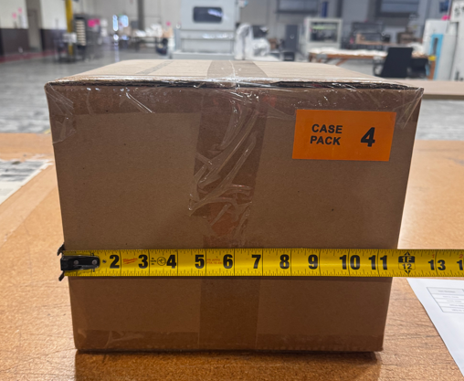
We have received chargebacks from Beyond and Amazon for the items listed below, we need to provide the images as proof to appeal. |  |  |  |  |  |  | Image for reference:
Please help take photos showing the weight and dimensions (length and width) of the following items.
Requirements as below:
1)Image from the product with the product’s packaging being measured on each side. A tape measure or ruler must be clearly visible in each photo.
2)Image from the product being weighed, with the weight clearly visible.
3)Packaging with its labeling. The labeling of item # must be clearly visible.

Channel | Item No. | Division | Brand | Product Category | Sub Category | T1 Pattern Name

Beyond | UHK10-0236 | Fashion Bedding | Intelligent Design Kids | COMFORTER (SET) | Comforter (Set) | Gracie
 | MP10-7382 | Fashion Bedding | Madison Park | COMFORTER (SET) | Comforter (Set) | Beacon
 | MP10-7383 | Fashion Bedding | Madison Park | COMFORTER (SET) | Comforter (Set) | Beacon
 | MP10-4517 | Fashion Bedding | Madison Park | COMFORTER (SET) | Comforter (Set) | Blaire
 | MP10-948 | Fashion Bedding | Madison Park | COMFORTER (SET) | Comforter (Set) | Blaire
 | MP10-5803 | Fashion Bedding | Madison Park | COMFORTER (SET) | Comforter (Set) | Isla
 | MP10-5804 | Fashion Bedding | Madison Park | COMFORTER (SET) | Comforter (Set) | Isla
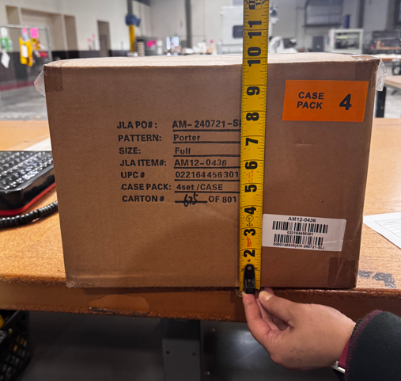
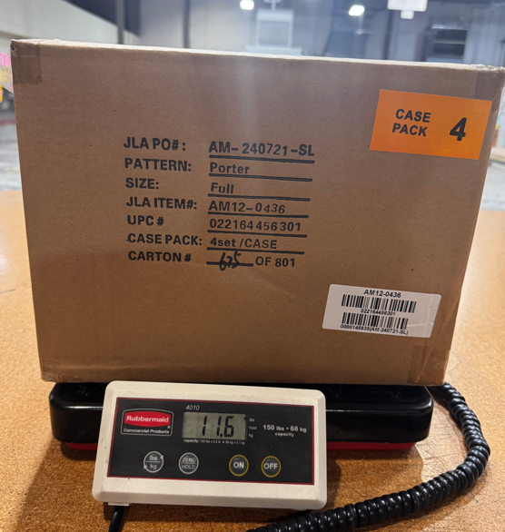
 | MP10-5874 | Fashion Bedding | Madison Park | COMFORTER (SET) | Comforter Mini Set | Laetitia
 | MP10-6155 | Fashion Bedding | Madison Park | COMFORTER (SET) | Comforter (Set) | Marina
 | MP10-8072 | Fashion Bedding | Madison Park | COMFORTER (SET) | Comforter (Set) | Pebble Beach
 | MP10-758 | Fashion Bedding | Madison Park | COMFORTER (SET) | Comforter (Set) | Quincy
 | MP10-3397 | Fashion Bedding | Madison Park | COMFORTER (SET) | Comforter (Set) | Rhapsody
 | MP10-7212 | Fashion Bedding | Madison Park | COMFORTER (SET) | Comforter (Set) | Ridge
 | MP10-8707 | Fashion Bedding | Madison Park | COMFORTER (SET) | Comforter (Set) | Salara
 | MP10-3829 | Fashion Bedding | Madison Park | COMFORTER (SET) | Comforter (Set) | Vienna
 | MP10-3830 | Fashion Bedding | Madison Park | COMFORTER (SET) | Comforter (Set) | Vienna
 | MP10-3831 | Fashion Bedding | Madison Park | COMFORTER (SET) | Comforter (Set) | Vienna
 | MP10-502 | Fashion Bedding | Madison Park | COMFORTER (SET) | Comforter (Set) | Vienna
 | MP10-503 | Fashion Bedding | Madison Park | COMFORTER (SET) | Comforter (Set) | Vienna
 | MP10-7954 | Fashion Bedding | Madison Park | COMFORTER (SET) | Comforter (Set) | Vienna
 | MP13-8289 | Fashion Bedding | Madison Park | COVERLET&BEDSPR | Coverlet | Caralie
 | MPE10-765 | Fashion Bedding | Madison Park Essentials | COMFORTER (SET) | RIAB | Joella
 | MPS10-341 | Fashion Bedding | Madison Park Signature | COMFORTER (SET) | Comforter (Set) | Barely There
 | MPS10-496 | Fashion Bedding | Madison Park Signature | COMFORTER (SET) | Comforter (Set) | Essence
 | MPS10-458 | Fashion Bedding | Madison Park Signature | COMFORTER (SET) | Comforter (Set) | Sanctuary
 | WR10-2193 | Fashion Bedding | Woolrich | COMFORTER (SET) | Comforter (Set) | Perry
 | WR10-2194 | Fashion Bedding | Woolrich | COMFORTER (SET) | Comforter (Set) | Perry
Amazon | MPE10-1204 | Fashion Bedding | Madison Park Essentials | COMFORTER (SET) | COMFORTER (SET) | Saben
 | MPE10-1189 | Fashion Bedding | Madison Park Essentials | COMFORTER (SET) | COMFORTER (SET) | Heather
 | 5DS13-0169 | Fashion Bedding | 510 Design | COVERLET&BEDSPR | Bedspread | Oakley

