Item
 |  |  |  | Select from ValueSelect |  |  |  | 30 characters |  |  |  |  |  |  |  |  |  |  | Copy the formula cost to here if no given value |  |  |  |  |  |  |  |  |  |  |  |  |  |  |  |  |  |  |  |  |  | free text |  |  |  |  |  |  | Copy the formula price to here if no given value
 |  |  |  |  | Required |  | Required | Required | Required | Required | Required | Required |  |  | Required | Cost |  |  |  |  | Freight |  |  |  |  |  |  |  |  |  | Duty |  |  |  | Load |  |  |  |  |  |  |  |  |  | Price
Vendor | Line No. | Photo | VIN/Art No. | Brand | Product Category | Pattern | Item Description | Description-Short | Fabrication | Material-Short | Size/Spec. | Color | Item No. | UPC | Unit of Measure | China RMB Cost | Exchange Rate | FOB Cost $ (Formula) | FOB Cost $ (Value) | UCCPM Price | Package Type | Carton Size L (cm) | Carton Size W (cm) | Carton Size H (cm) | Carton Gross Weight (kg) | Case Pack | Cubic Meter per Carton | Total Units per 40ft Container | 40ft Container Freight | Ocean Freight per Item $ | HTS Code | Duty Rate | Duty per Item $ | LDP Cost $ | DA % | DA $ | General Load % | General Load $ | Warehouse Charge % | Warehouse Charge $ | Load 1 | Load 1 % | Load 1 $ | Total Load $ | LDP Cost with Load $ | JLA LDP MU% | JLA POE Price Quote (Formula) | JLA POE Price Quote (Value) | Total Quantity | Total Cost | Total Sales
 | 1 | 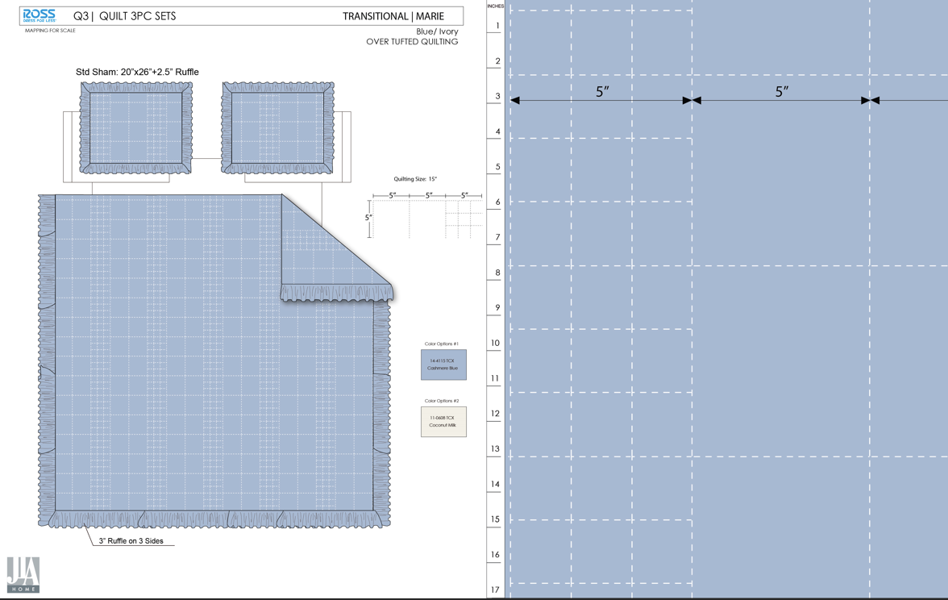 |  |  | QUILT | Marie | 100% Polyester 3pc Hanging Print Quilt | 3pc Hanging Quilt | Face& Back：85gsm washed microfiber solid, with ruffle Filling：180gsm slick Poly Fill. | 100% Polyester | Twin: 66x86"/20x26+2.5"(1) | Blue | RS14-8441 | 022164654998 | Set | ¥56.30 | 7.95 | $7.08 | $7.08 | 56.30 | Normal | 44.0 | 41.0 | 25.0 |  | 2 | 0.045 | 2889 | 2250 | $0.78 | 9404.40.9022 | 32.80% | $2.32 | $10.18 |  | $0.00 |  | $0.00 |  | $0.00 |  |  | $0.00 | $0.00 | $10.18 | 15.17% | $12.00 | $12.00 | 750 | $7,635.00 | $9,000.00 | EEC PO#： | RS-260121 | Customer PO#: | 11625307
 | 2 |  |  |  | QUILT | Marie | 100% Polyester 3pc Hanging Print Quilt | 3pc Hanging Quilt | Face& Back：85gsm washed microfiber solid, with ruffle Filling：180gsm slick Poly Fill. | 100% Polyester | Full/Queen: 86x86"/20x26+2.5"(2) | Blue | RS14-8431 | 022164654899 | Set | ¥71.50 | 7.95 | $8.99 | $8.99 | 71.50 | Normal | 44.0 | 41.0 | 27.0 |  | 2 | 0.049 | 2653 | 2250 | $0.85 | 9404.40.9022 | 32.80% | $2.95 | $12.79 |  | $0.00 |  | $0.00 |  | $0.00 |  |  | $0.00 | $0.00 | $12.79 | 17.75% | $15.55 | $15.55 | 450 | $5,755.50 | $6,997.50 | Ship date: | 2026-04-10
 | 3 |  |  |  | QUILT | Marie | 100% Polyester 3pc Hanging Print Quilt | 3pc Hanging Quilt | Face& Back：85gsm washed microfiber solid, with ruffle Filling：180gsm slick Poly Fill. | 100% Polyester | King: 102x86"/20x36+2.5"(2) | Blue | RS14-8432 | 022164654905 | Set | ¥80.80 | 7.95 | $10.16 | $10.16 | 80.80 | Normal | 44.0 | 41.0 | 30.0 |  | 2 | 0.054 | 2407 | 2250 | $0.93 | 9404.40.9022 | 32.80% | $3.33 | $14.42 |  | $0.00 |  | $0.00 |  | $0.00 |  |  | $0.00 | $0.00 | $14.42 | 20.94% | $18.24 | $18.24 | 200 | $2,884.00 | $3,648.00 | Note 1: | Port Arrival Date 2026/5/2, shipping window 5/4-5/7/2026
 | 4 | 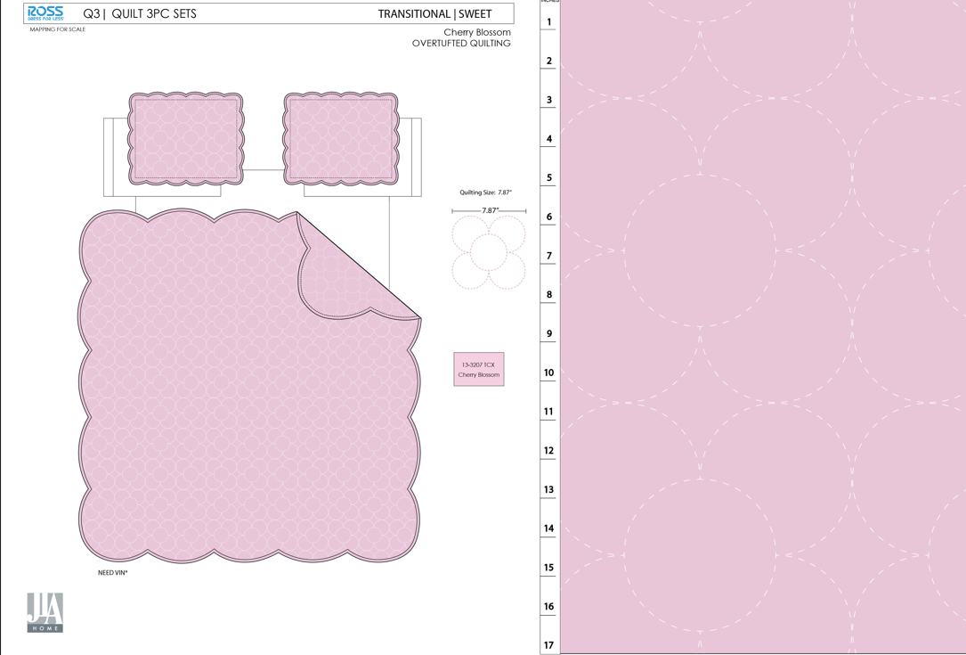 |  |  | QUILT | Sweet | 100% Polyester 3pc Hanging Print Quilt | 3pc Hanging Quilt | Face& Back：85gsm washed microfiber solid, with Scallop Edge Filling：180gsm slick Poly Fill. | 100% Polyester | Twin: 66x86"/20x26+1.5"(1) | Pink | RS14-8442 | 022164655001 | Set | ¥55.00 | 7.95 | $6.92 | $6.92 | 55.00 | Normal | 44.0 | 41.0 | 25.0 |  | 2 | 0.045 | 2889 | 2250 | $0.78 | 9404.40.9022 | 32.80% | $2.27 | $9.97 |  | $0.00 |  | $0.00 |  | $0.00 |  |  | $0.00 | $0.00 | $9.97 | 14.35% | $11.64 | $11.64 | 750 | $7,477.50 | $8,730.00 | Note 2: | Nested pack by size, 1 set Marie T + 1 set Sweet T=2 sets; 1 set Marie FQ + 1 set Sweet FQ=2 sets, 1 set Marie K + 1 set Sweet K=2 sets
 | 5 |  |  |  | QUILT | Sweet | 100% Polyester 3pc Hanging Print Quilt | 3pc Hanging Quilt | Face& Back：85gsm washed microfiber solid, with Scallop Edge Filling：180gsm slick Poly Fill. | 100% Polyester | Full/Queen: 86x86"/20x26+1.5"(2) | Pink | RS14-8433 | 022164654912 | Set | ¥69.80 | 7.95 | $8.78 | $8.78 | 69.80 | Normal | 44.0 | 41.0 | 27.0 |  | 2 | 0.049 | 2653 | 2250 | $0.85 | 9404.40.9022 | 32.80% | $2.88 | $12.51 |  | $0.00 |  | $0.00 |  | $0.00 |  |  | $0.00 | $0.00 | $12.51 | 17.04% | $15.08 | $15.08 | 450 | $5,629.50 | $6,786.00
 | 6 |  |  |  | QUILT | Sweet | 100% Polyester 3pc Hanging Print Quilt | 3pc Hanging Quilt | Face& Back：85gsm washed microfiber solid, with Scallop Edge Filling：180gsm slick Poly Fill. | 100% Polyester | King: 102x86"/20x36+1.5"(2) | Pink | RS14-8434 | 022164654929 | Set | ¥78.80 | 7.95 | $9.91 | $9.91 | 78.80 | Normal | 44.0 | 41.0 | 30.0 |  | 2 | 0.054 | 2407 | 2250 | $0.93 | 9404.40.9022 | 32.80% | $3.25 | $14.09 |  | $0.00 |  | $0.00 |  | $0.00 |  |  | $0.00 | $0.00 | $14.09 | 20.35% | $17.69 | $17.69 | 200 | $2,818.00 | $3,538.00
 |  |  |  |  |  |  |  |  |  |  |  |  |  |  |  |  |  |  |  |  |  |  |  |  |  |  |  |  |  |  |  |  |  |  |  |  |  |  |  |  |  |  |  |  |  |  |  |  | 2800.00 | $32,199.50 | $38,699.50

Quote 0825
JLA HOME Price Quote Sheet
Photo | Pattern | Item Description | Fabrication | Size / Spec. | 30% CHINA TARIFF | Carton Size |  |  | Case Pack | Total quantity
 |  |  |  |  | JLA LDP quote - POE LA | L | W | H
 |  |  |  |  |  | cm | cm | cm
Dec EMBROIDERY container 1
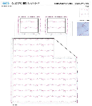 | Jolie | 3pc Hanging Print Quilt | 85gsm microfiber Prewashed ultra soft finish. Embroidered w/ Ruffle edge. Stitch quilting. 180gsm Poly Fill. | Twin: 63x86"+2.5“/20x26+2.5"(1) | 56.84 | 44 | 41 | 25 | 2 | 483 | Twin only container
 |  |  |  | Full/Queen: 86x86"+2.5“/20x26+2.5"(2) | 76.44 | 44 | 41 | 27 | 2 | 650
 |  |  |  | King:102x86+2.5"/20x36+2.5"(2) | 94 | 44 | 41 | 30 | 2 | 650
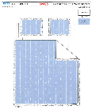 | Bow Ticking Stripe | 3pc Hanging Print Quilt | 85gsm microfiber Prewashed ultra soft finish. Embroidered with Ruffle edge. Stitch quilting. 180gsm Poly Fill. | Twin: 63x86"+2.5“/20x26+2.5"(1) | 60.5 | 44 | 41 | 25 | 2 | 483 | Twin only container
 |  |  |  | Full/Queen: 86x86"+2.5“/20x26+2.5"(2) | 80.8 | 44 | 41 | 27 | 2 | 650
 |  |  |  | King: 102x86"+2.5“/20x36+2.5"(2) | 94.56 | 44 | 41 | 30 | 2 | 650
Dec EMBROIDERY container 2
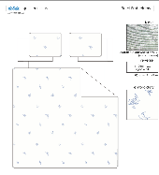 | Floral | 3pc Hanging Print Quilt | Face：85gsm microfiber seersucker , embroidered. Back：85gsm microfiber solid Filling：180gsm Poly Slick Fill. | Twin: 63x86"+2.5“/20x26+1/2"(1) | 53.7 | 44 | 41 | 25 | 2 | 483 | Twin only container
 |  |  |  | Full/Queen: 86x86+2.5"/20x26+1/2"(2) | 73.5 | 44 | 41 | 27 | 2 | 650
 |  |  |  | King: 102x86+2.5"/20x36+1/2"(2) | 84.5 | 44 | 41 | 30 | 2 | 650
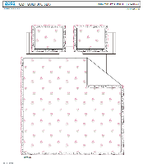 | Caitlyn | 3pc Hanging Print Quilt | 85gsm microfiber Prewashed ultra soft finish. Embroidered w/ Ruffle edge. Stitch quilting. 180gsm Poly Fill. | Twin: 63x86"+2.5“/20x26+2.5"(1) | 60.5 | 44 | 41 | 25 | 2 | 483 | Twin only container
 |  |  |  | Full/Queen: 86x86+2.5"/20x26+2.5"(2) | 80.8 | 44 | 41 | 27 | 2 | 650
 |  |  |  | King: 102x86+2.5"/20x36+2.5"(2) | 97 | 44 | 41 | 30 | 2 | 650
Dec EMBROIDERY container 3
 | Marie | 3pc Hanging Print Quilt | Face& Back：85gsm washed microfiber solid, with ruffle Filling：180gsm slick Poly Fill. | Twin: 66x86"/20x26+2.5"(1) | 56.3 | 44 | 41 | 25 | 2 | 483 | Twin only container
 |  |  |  | Full/Queen: 86x86"/20x26+2.5"(2) | 71.5 | 44 | 41 | 27 | 2 | 650
 |  |  |  | King: 102x86"/20x36+2.5"(2) | 80.8 | 44 | 41 | 30 | 2 | 650
 | Sweet | 3pc Hanging Print Quilt | Face& Back：85gsm washed microfiber solid, with Scallop Edge Filling：180gsm slick Poly Fill. | Twin: 66x86"/20x26+1/2"(1) | 55 | 44 | 41 | 25 | 2 | 483 | Twin only container
 |  |  |  | Full/Queen: 86x86"/20x26+1.5"(2) | 69.8 | 44 | 41 | 27 | 2 | 650
 |  |  |  | King: 102x86"/20x36+1.5"(2) | 78.8 | 44 | 41 | 30 | 2 | 650

