Miya Quote
Photo | Pattern | Item Description | Fabrication | Size | Quotation | MOQ | Case Pack | Carton Size(cm)

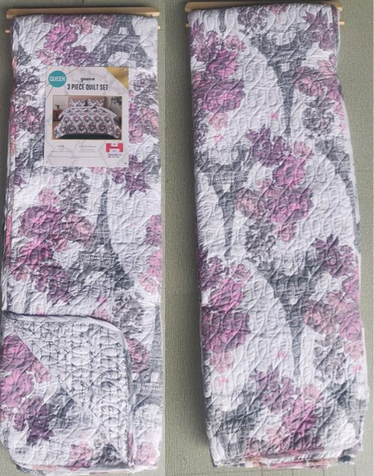 | Print/Print |  | TOB: 75gsm MF print Reverse：75gsm MF Different print Filling：120gsm poly fill Quilt: real stitch quilting 普通多针绗缝 | Queen: 86x86"/20x26+1/2"(2) | 53.6 | 1330 | 3 | 44 | 41 | 34
 |  |  |  | King: 102x86"/20x36+1/2"(2) | 61.6 | 1330 | 3 | 44 | 41 | 40
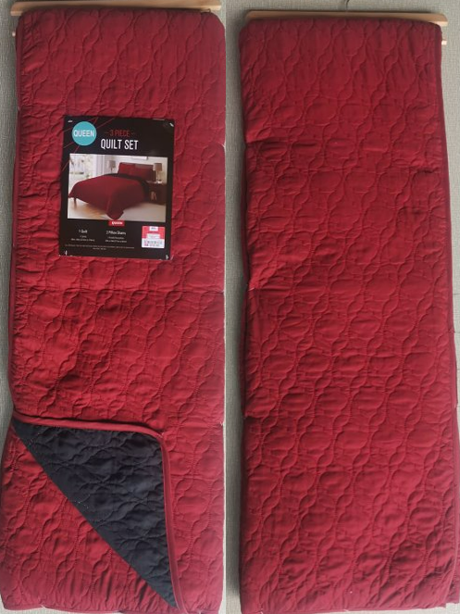 | Solid/Solid | 3pc Hanging Quilt | TOB: 75gsm MF solid Reverse：75gsm MF different solid Filling：120gsm poly fill Quilt: real stitch quilting 绗绣机图形绗缝 | Queen: 86x86"/20x26+1/2"(2) | 50.3 | 1330 | 3 | 44 | 41 | 34
 |  |  |  | King: 102x86"/20x36+1/2"(2) | 57.6 | 1330 | 3 | 44 | 41 | 40
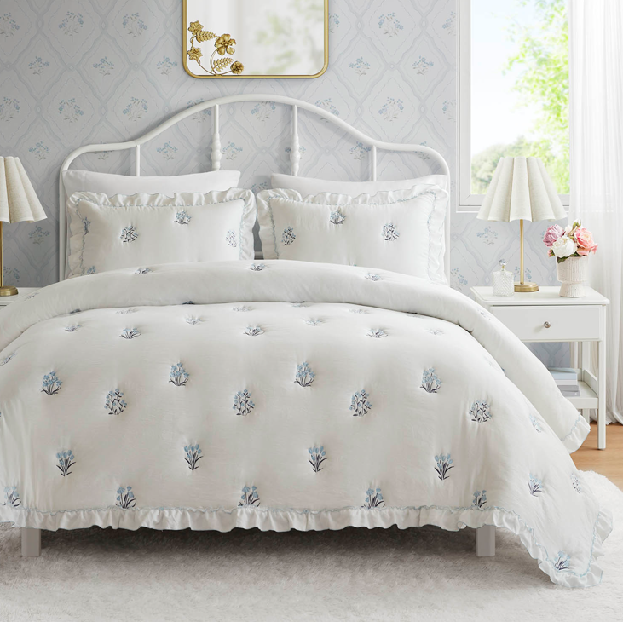 | Caitlyn | 3pc Hanging Quilt | TOB: 75gsm MF solid Reverse：75gsm MF solid Filling：120gsm poly fill Quilt: embroidery 普通磨毛布，绣花同Ross大货 | Queen: 86x86"/20x26+1/2"(2) | 72.2 | 1330 | 3 | 44 | 41 | 34
 |  |  |  | King: 102x86"/20x36+1/2"(2) | 87.0 | 1330 | 3 | 44 | 41 | 40

