Item
 |  |  |  |  |  |  |  |  |  |  |  |  |  |  | 20% Tariff
 |  |  |  | Required | Required
Vendor | Line No. | Photo | Pattern | Size/Spec. | Color | Item No. | Total Quantity | EEC PO#： | RS-251204 | Customer PO#: | 11577829 | 20% Tariff cost reduction | LDP Cost $ 20% tariff | JLA LDP MU% | JLA POE Price Quote 20% Tariff | Cost Decrease % | JLA MU CHANGE | Total cost | Total Sales
 | 1 | 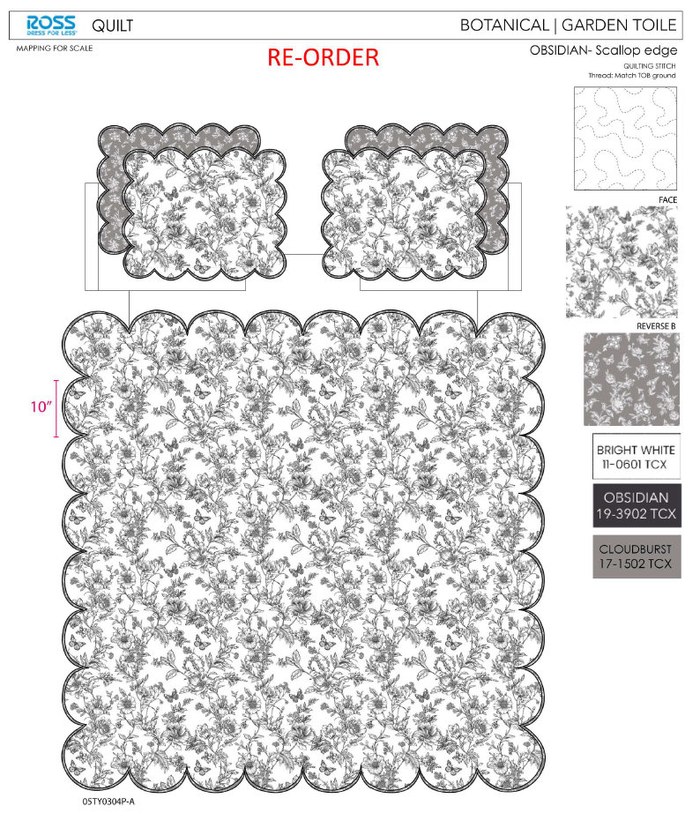 | Garden Toile | Full/Queen: 86x86"/20x26+1.5“(2) | Black/White | RS14-7969 | 710 | Ship date: | 2026-03-10 |  |  | $0.76 | $10.82 | 22.82% | $14.02 | 4.00% | 2.1% | $7,682.20 | $9,954.20
 | 2 |  | Garden Toile | King: 102x86"/20x36+1.5"(2) | Black/White | RS14-7970 | 710 | Note 1: | Port Arrival Date 2026/3/31, shipping window 3/31-4/5/2026 |  |  | $0.87 | $12.43 | 24.39% | $16.44 | 4.00% | 2.1% | $8,825.30 | $11,672.40
 | 3 | 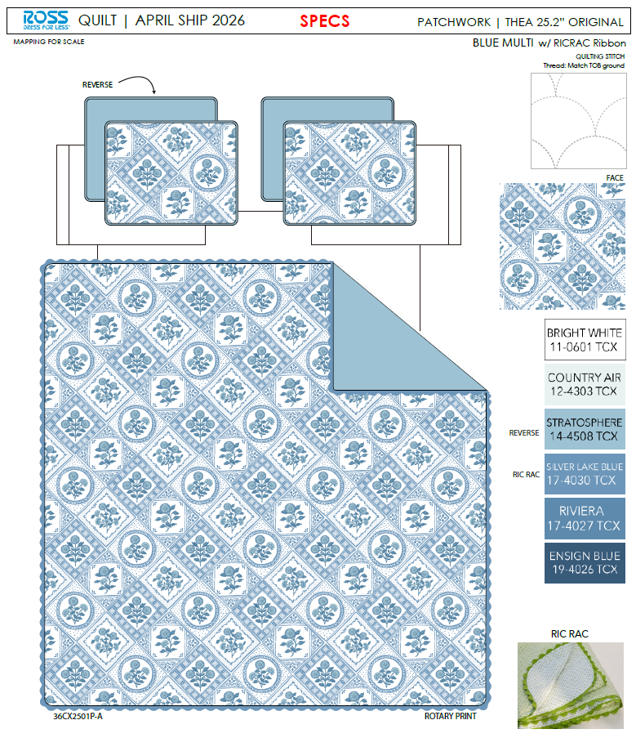 | Patchwork | Full/Queen: 86x86"/20x26+1/2"(2) | Blue | RS14-8688 | 710 | Note 2: | Case Pack 2, Nested pack by size, FQ Garden Toile +FQ Patchwork, K Garden Toile +K Patchwork |  |  | $0.89 | $12.54 | 19.15% | $15.51 | 4.00% | 2.3% | $8,903.40 | $11,012.10
 | 4 |  | Patchwork | King: 102x86"/20x36+1/2"(2) | Blue | RS14-8689 | 710 |  |  |  |  | $1.01 | $14.29 | 21.66% | $18.24 | 4.00% | 2.2% | $10,145.90 | $12,950.40

 | 6 | 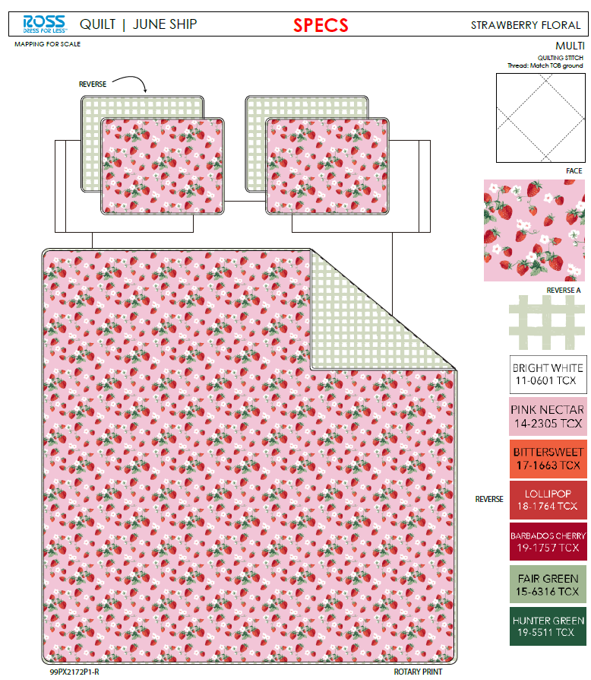 | Strawberry Floral | Full/Queen: 86x86"/20x26+1/2"(2) | Multi | RS14-7972 | 1015 | EEC PO#： | RS-251205 | Customer PO#: | 11577796 | $0.75 | $10.73 | 22.53% | $13.85 | 4.00% | 2.1% | $10,890.95 | $14,057.75
 | 7 |  | Strawberry Floral | King: 102x86"/20x36+1/2"(2) | Multi | RS14-7973 | 435 | Ship date: | 2026-03-10 |  |  | $0.86 | $12.30 | 23.56% | $16.09 | 4.00% | 2.1% | $5,350.50 | $6,999.15
 | 8 | 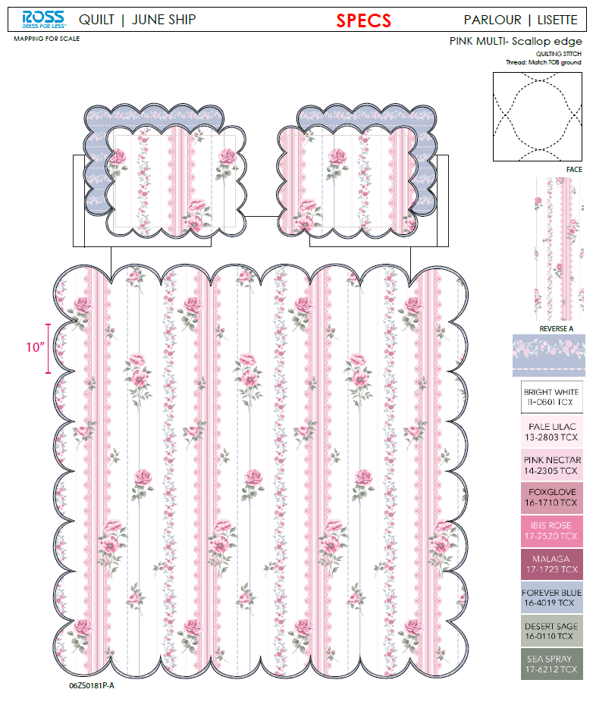 | Lisette | Full/Queen: 86x86"/20x26+1.5“(2) | Pink Multi | RS14-7975 | 1015 | Note 1: | Port Arrival Date 2026/3/31, shipping window 3/31-4/5/2026 |  |  | $0.76 | $10.82 | 22.82% | $14.02 | 4.00% | 2.1% | $10,982.30 | $14,230.30
 | 9 |  | Lisette | King: 102x86"/20x36+1.5"(2) | Pink Multi | RS14-7976 | 435 | Note 2: | Case Pack 2, Nested pack by size, FQ Strawberry Floral +FQ Lisette, K Strawberry Floral +K Lisette |  |  | $0.87 | $12.43 | 24.39% | $16.44 | 4.00% | 2.1% | $5,407.05 | $7,151.40

 | 11 |  | Garden Toile | Twin: 66x86"/20x26+1.5"(1) | Black/White | RS14-7968 | 810 | EEC PO#： | RS-251206 | Customer PO#: | 11577874 | $0.59 | $8.49 | 22.04% | $10.89 | 4.00% | 2.1% | $6,876.90 | $8,820.90
 | 12 |  | Patchwork | Twin: 66x86"/20x26+1/2"(1) | Blue | RS14-8690 | 810 | Ship date: | 2026-03-10 |  |  | $0.68 | $9.71 | 18.13% | $11.86 | 4.00% | 2.3% | $7,865.10 | $9,606.60
 | 13 |  | Strawberry Floral | Twin: 66x86"/20x26+1/2"(1) | Multi | RS14-7971 | 810 | Note 1: | Port Arrival Date 2026/3/31, shipping window 3/31-4/5/2026 |  |  | $0.58 | $8.47 | 20.77% | $10.69 | 4.00% | 2.0% | $6,860.70 | $8,658.90
 | 14 |  | Lisette | Twin: 66x86"/20x26+1.5"(1) | Pink Multi | RS14-7974 | 810 | Note 2: | Case Pack 2, Nested pack by size, T Garden Toile +T Patchwork, T Strawberry Floral +T Lisette |  |  | $0.59 | $8.49 | 22.04% | $10.89 | 4.00% | 2.1% | $6,876.90 | $8,820.90

 | 16 | 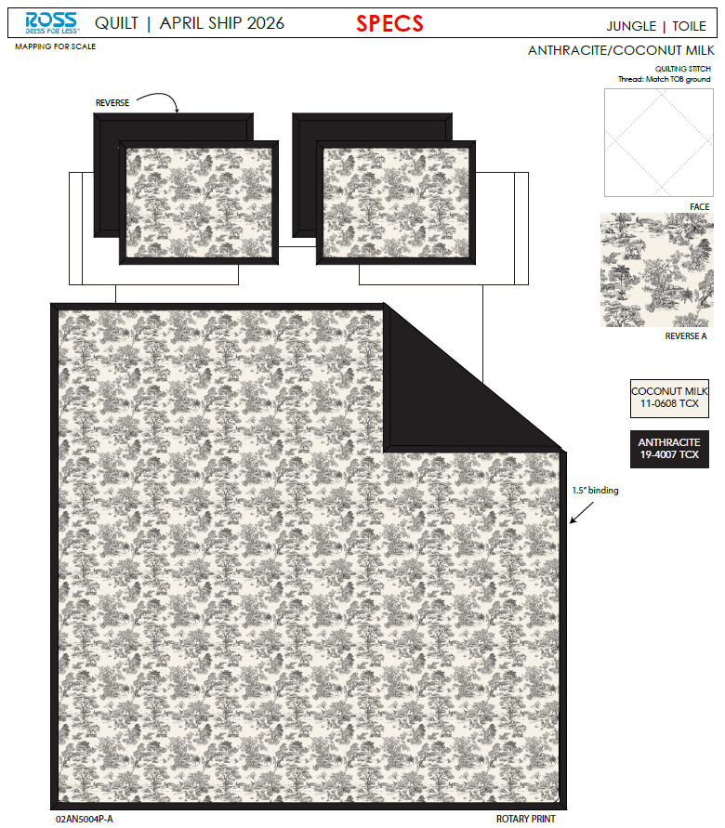 | Toile | Full/Queen: 86x86"/20x26+1.5"(2) | Black | RS14-8691 | 560 | EEC PO#： | RS-251207 | Customer PO#: | 11577930 | $0.87 | $12.26 | 14.09% | $14.27 | 4.00% | 2.5% | $6,865.60 | $7,991.20
 | 17 |  | Toile | King: 102x86"/20x36+1.5"(2) | Black | RS14-8692 | 840 | Ship date: | 2026-03-10 |  |  | $0.99 | $14.07 | 15.09% | $16.57 | 4.00% | 2.3% | $11,818.80 | $13,918.80
 | 18 | 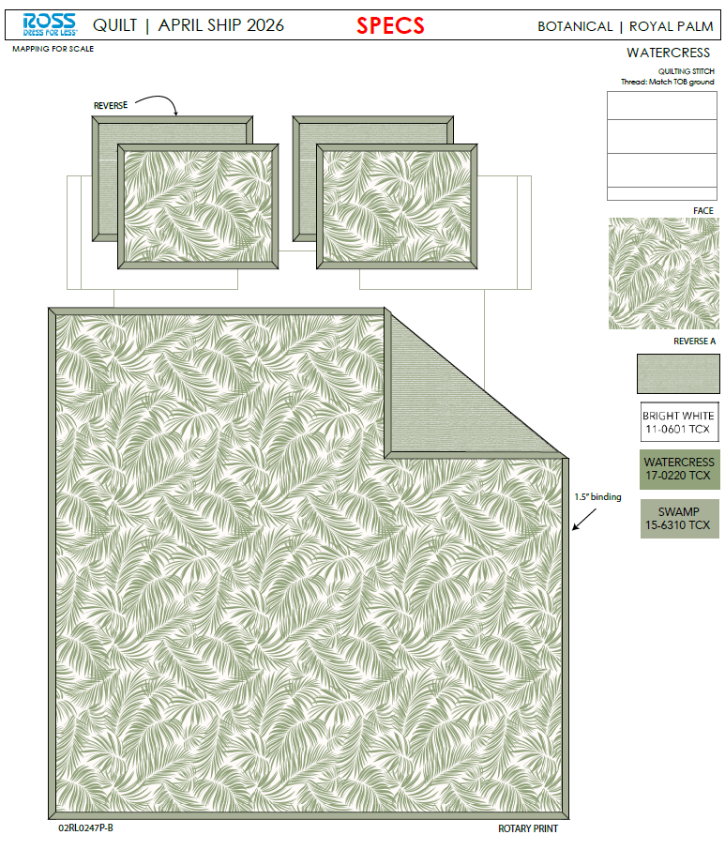 | Palm | Full/Queen: 86x86"/20x26+1.5"(2) | Seaglass | RS14-8693 | 560 | Note 1: | Port Arrival Date 2026/3/31, shipping window 3/31-4/5/2026 |  |  | $0.81 | $11.55 | 19.06% | $14.27 | 4.00% | 2.2% | $6,468.00 | $7,991.20
 | 19 |  | Palm | King: 102x86"/20x36+1.5"(2) | Seaglass | RS14-8694 | 840 | Note 2: | Case Pack 2, Nested pack by size, FQ Toile +FQ Palm, K Toile +K Palm |  |  | $0.93 | $13.19 | 20.40% | $16.57 | 4.00% | 2.2% | $11,079.60 | $13,918.80

 | 21 |  | Ditsy Tulips | Full/Queen: 86x86"/20x26+2.5"(2) | Pink/Green | RS14-8695 | 650 | EEC PO#： | RS-251208 | Customer PO#: | 11577564 | $1.00 | $14.16 | 20.27% | $17.76 | 4.00% | 2.2% | $9,204.00 | $11,544.00
 | 22 |  | Ditsy Tulips | King: 102x86"/20x36+2.5"(2) | Pink/Green | RS14-8696 | 650 | Ship date: | 2026-03-10 |  |  | $1.20 | $16.84 | 16.47% | $20.16 | 4.00% | 2.4% | $10,946.00 | $13,104.00
 | 23 | 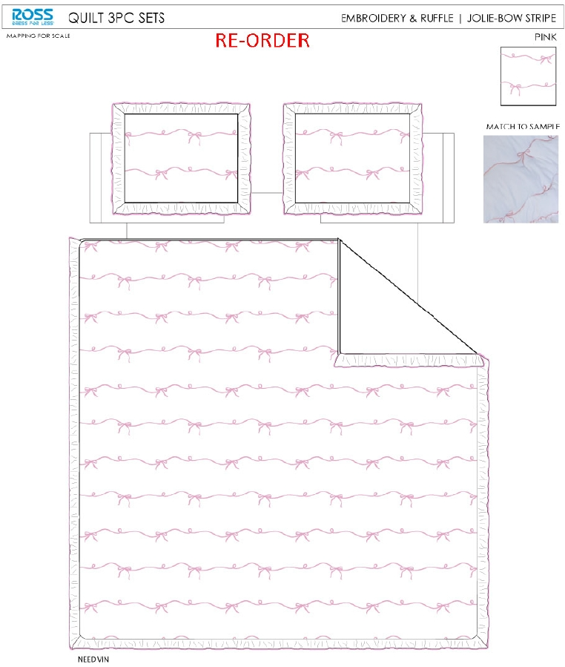 | Jolie | Full/Queen: 86x86"/20x26+2.5“(2) | Pink | RS14-7909 | 650 | Note 1: | Port Arrival Date 2026/3/31, shipping window 3/31-4/5/2026 |  |  | $0.94 | $13.39 | 17.95% | $16.32 | 4.00% | 2.2% | $8,703.50 | $10,608.00
 | 24 |  | Jolie | King: 102x86"/20x36+2.5"(2) | Pink | RS14-8194 | 650 | Note 2: | Case Pack 2, Nested pack by size, FQ Ditsy Tulips +FQ Jolie, K Ditsy Tulips +K Jolie |  |  | $1.16 | $16.33 | 14.95% | $19.20 | 4.00% | 2.4% | $10,614.50 | $12,480.00

 | 26 | 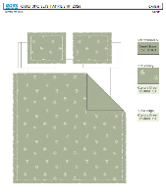 | Caitlyn | Full/Queen: 86x86"/20x26+2.5“(2) | Sage | RS14-8384 | 650 | EEC PO#： | RS-251209 | Customer PO#: | 11577605 | $1.00 | $14.10 | 13.60% | $16.32 | 4.00% | 2.4% | $9,165.00 | $10,608.00
 | 27 |  | Caitlyn | King: 102x86"/20x36+2.5”(2) | Sage | RS14-8385 | 650 | Ship date: | 2026-03-10 |  |  | $1.20 | $16.84 | 12.29% | $19.20 | 4.00% | 2.5% | $10,946.00 | $12,480.00
 | 28 | 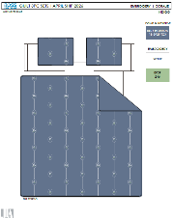 | Coralie | Full/Queen: 86x86"/20x26+1/2"(2) | Blue | RS14-8697 | 650 | Note 1: | Port Arrival Date 2026/3/31, shipping window 3/31-4/5/2026 |  |  | $0.92 | $13.10 | 19.73% | $16.32 | 4.00% | 2.2% | $8,515.00 | $10,608.00
 | 29 |  | Coralie | King: 102x86"/20x36+1/2"(2) | Blue | RS14-8698 | 650 | Note 2: | Case Pack 2, Nested pack by size, FQ Caitlyn +FQ Coralie, K Caitlyn +K Coralie |  |  | $1.04 | $14.80 | 22.92% | $19.20 | 4.00% | 2.1% | $9,620.00 | $12,480.00

 | 31 |  | Ditsy Tulips | Twin: 66x86"/20x26+2.5"(1) | Pink/Green | RS14-8699 | 725 | EEC PO#： | RS-251210 | Customer PO#: | 11577686 | $0.75 | $10.78 | 16.82% | $12.96 | 4.00% | 2.2% | $7,815.50 | $9,396.00
 | 32 |  | Jolie | Twin: 63x86"/20x26+2.5"(1) | Pink | RS14-7908 | 725 | Ship date: | 2026-03-10 |  |  | $0.70 | $10.10 | 19.07% | $12.48 | 4.00% | 2.2% | $7,322.50 | $9,048.00
 | 33 |  | Caitlyn | Twin: 63x86"/20x26+2.5"(1) | Sage | RS14-8383 | 725 | Note 1: | Port Arrival Date 2026/3/31, shipping window 4/6-4/9/2026 |  |  | $0.75 | $10.70 | 14.26% | $12.48 | 4.00% | 2.3% | $7,757.50 | $9,048.00
 | 34 |  | Coralie | Twin: 66x86"/20x26+1/2"(1) | Blue | RS14-8700 | 725 | Note 2: | Case Pack 2, Nested pack by size, T Ditsy Tulips +T Jolie, T Caitlyn +T Coralie |  |  | $0.70 | $10.02 | 19.71% | $12.48 | 4.00% | 2.2% | $7,264.50 | $9,048.00

 | 36 | 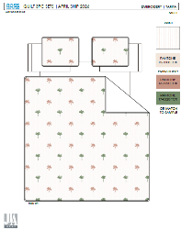 | Tarifa | Full/Queen: 86x86"/20x26+1/2"(2) | Multi | RS14-8701 | 650 | EEC PO#： | RS-251211 | Customer PO#: | 11577646 | $1.01 | $14.22 | 18.84% | $17.52 | 4.00% | 2.3% | $9,243.00 | $11,388.00
 | 37 |  | Tarifa | King: 102x86"/20x36+1/2"(2) | Multi | RS14-8702 | 650 | Ship date: | 2026-03-10 |  |  | $1.15 | $16.14 | 21.80% | $20.64 | 4.00% | 2.2% | $10,491.00 | $13,416.00
 | 38 | 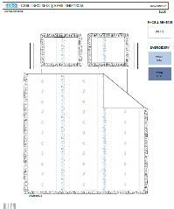 | Mirabelle | Full/Queen: 86x86"/20x26+2.5“(2) | Blue | RS14-8703 | 650 | Note 1: | Port Arrival Date 2026/3/31, shipping window 4/6-4/9/2026 |  |  | $1.03 | $14.49 | 17.29% | $17.52 | 4.00% | 2.3% | $9,418.50 | $11,388.00
 | 39 |  | Mirabelle | King: 102x86"/20x36+2.5"(2) | Blue | RS14-8704 | 650 | Note 2: | Case Pack 2, Nested pack by size, FQ Tarifa +FQ Mirabelle, K Tarifa +K Mirabelle |  |  | $1.18 | $16.59 | 19.62% | $20.64 | 4.00% | 2.3% | $10,783.50 | $13,416.00

 | 41 |  | Caitlyn | Twin: 63x86"/20x26+2.5"(1) | Pink | RS14-8440 | 200 | EEC PO#： | RS-251212 | Customer PO#: | 11589637 | $0.75 | $10.70 | 14.26% | $12.48 | 4.00% | 2.3% | $2,140.00 | $2,496.00
 | 42 |  | Caitlyn | Full/Queen: 86x86"/20x26+2.5“(2) | Pink | RS14-8429 | 560 | Ship date: | 2026-03-10 |  |  | $1.00 | $14.10 | 13.60% | $16.32 | 4.00% | 2.4% | $7,896.00 | $9,139.20
 | 43 |  | Caitlyn | King: 102x86"/20x36+2.5”(2) | Pink | RS14-8430 | 560 | Note 1: | Port Arrival Date 2026/3/31, shipping window 3/31-4/5/2026 |  |  | $1.20 | $16.84 | 12.29% | $19.20 | 4.00% | 2.5% | $9,430.40 | $10,752.00
 | 44 | 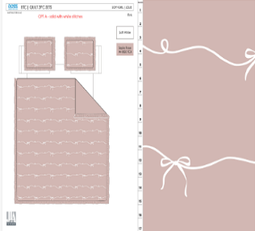 | Jolie | Twin: 63x86"/20x26+2.5"(1) | Sepia rose | RS14-8671 | 200 | Note 2: | Case Pack 2, Nested pack by size, T Caitlyn+ T Jolie, FQ Caitlyn +FQ Jolie, K Caitlyn +K Jolie |  |  | $0.70 | $10.10 | 19.07% | $12.48 | 4.00% | 2.2% | $2,020.00 | $2,496.00
 | 45 |  | Jolie | Full/Queen: 86x86"/20x26+2.5“(2) | Sepia rose | RS14-8669 | 560 |  |  |  |  | $0.94 | $13.39 | 17.95% | $16.32 | 4.00% | 2.2% | $7,498.40 | $9,139.20
 | 46 |  | Jolie | King: 102x86"/20x36+2.5”(2) | Sepia rose | RS14-8670 | 560 |  |  |  |  | $1.16 | $16.33 | 14.95% | $19.20 | 4.00% | 2.4% | $9,144.80 | $10,752.00
 |  |  |  |  |  |  | 25120 |  |  |  |  |  |  |  |  |  |  | $318,838.80 | $392,589.40
 |  |  |  |  |  |  |  |  |  |  |  |  |  |  |  |  |  | 18.79%

printed quilt
March 2026 POE
 |  | Clarice – Blue | Twin: 66x86"/20x26+1/2"(1) | 46.3 | 44 | 41 | 23 | 2
 |  |  | Full/Queen: 86x86"/20x26+1/2"(2) | 59.5 | 44 | 41 | 25 | 2
 |  |  | King: 102x86"/20x36+1/2"(2) | 68.2 | 44 | 41 | 28 | 2
 |  | Manon- Lilac with Scallop | Twin: 66x86"/20x26+2.5"(1) | 47.50 | 44 | 41 | 23 | 2
 |  |  | Full/Queen: 86x86"/20x26+2.5“(2) | 61.20 | 44 | 41 | 25 | 2
 |  |  | King: 102x86"/20x36+2.5"(2) | 70.50 | 44 | 41 | 28 | 2

 | 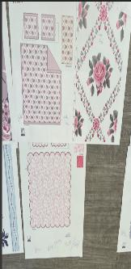 | Rosette pink | Twin: 66x86"/20x26+1.5"(1) | 50.3 | 44 | 41 | 23 | 2
 |  |  | Full/Queen: 86x86"/20x26+1.5"(2) | 65.7 | 44 | 41 | 25 | 2
 |  |  | King: 102x86"/20x36+1.5"(2) | 75.1 | 44 | 41 | 28 | 2
 |  | Garden Toile – pink | Twin: 66x86"/20x26+2.5"(1) | 47.50 | 44 | 41 | 23 | 2
 |  |  | Full/Queen: 86x86"/20x26+2.5“(2) | 61.20 | 44 | 41 | 25 | 2
 |  |  | King: 102x86"/20x36+2.5"(2) | 70.50 | 44 | 41 | 28 | 2

 |  | Odette pink | Twin: 66x86"/20x26+1/2"(1) | 46.3 | 44 | 41 | 23 | 2
 |  |  | Full/Queen: 86x86"/20x26+1/2"(2) | 59.5 | 44 | 41 | 25 | 2
 |  |  | King: 102x86"/20x36+1/2"(2) | 68.2 | 44 | 41 | 28 | 2
 |  | Camille – blue with scallop | Twin: 66x86"/20x26+2.5"(1) | 47.50 | 44 | 41 | 23 | 2
 |  |  | Full/Queen: 86x86"/20x26+2.5“(2) | 61.20 | 44 | 41 | 25 | 2
 |  |  | King: 102x86"/20x36+2.5"(2) | 70.50 | 44 | 41 | 28 | 2
April 2026 POE
 |  | Garden Toile – reorder | Twin: 66x86"/20x26+2.5"(1) | 47.50 | 44 | 41 | 23 | 2
 |  |  | Full/Queen: 86x86"/20x26+2.5“(2) | 61.20 | 44 | 41 | 25 | 2
 |  |  | King: 102x86"/20x36+2.5"(2) | 70.50 | 44 | 41 | 28 | 2
 |  | Patchwork- Blue- add ric rac | Twin: 66x86"/20x26+1/2"(1) | 58.5 | 44 | 41 | 23 | 2 | quilt 3周ricrac | 54.90
 |  |  | Full/Queen: 86x86"/20x26+1/2"(2) | 75.9 | 44 | 41 | 25 | 2 |  | 71.80
 |  |  | King: 102x86"/20x36+1/2"(2) | 86.4 | 44 | 41 | 28 | 2 |  | 81.85

 |  | Strawberry Floral- reorder | Twin: 66x86"/20x26+2.5"(1) | 47.3 | 44 | 41 | 23 | 2
 |  |  | Full/Queen: 86x86"/20x26+2.5“(2) | 60.7 | 44 | 41 | 25 | 2
 |  |  | King: 102x86"/20x36+2.5"(2) | 69.7 | 44 | 41 | 28 | 2
 |  | Lisette- reorder | Twin: 66x86"/20x26+2.5"(1) | 47.50 | 44 | 41 | 23 | 2
 |  |  | Full/Queen: 86x86"/20x26+2.5“(2) | 61.20 | 44 | 41 | 25 | 2
 |  |  | King: 102x86"/20x36+2.5"(2) | 70.50 | 44 | 41 | 28 | 2

 | 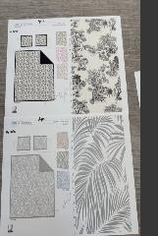 | Toile- Black | Twin: 66x86"/20x26+1/2"(1) | 53.6 | 44 | 41 | 23 | 2
 |  |  | Full/Queen: 86x86"/20x26+1/2"(2) | 70.1 | 44 | 41 | 25 | 2
 |  |  | King: 102x86"/20x36+1/2"(2) | 80.4 | 44 | 41 | 28 | 2
 |  | Palm- Seaglass | Twin: 66x86"/20x26+1/2"(1) | 50.3 | 44 | 41 | 23 | 2 | solid reverse | 50.30
 |  |  | Full/Queen: 86x86"/20x26+1/2"(2) | 65.7 | 44 | 41 | 25 | 2 |  | 65.70
 |  |  | King: 102x86"/20x36+1/2"(2) | 75.1 | 44 | 41 | 28 | 2 |  | 75.10

11.13 Miya updated cost
Photo | Pattern | Packaging | Item Description | Fabrication | Size / Spec. | 价格 | notes

April POE
251113 update
 | Ditsy Tulips- Pink | Hanger | 3pc Hanging emb Quilt | Face& Back：85gsm washed microfiber solid, embroidered. With 2.5" ruffle. Filling：180gsm Poly Slick Fill. 光边ruffle | Twin: 66x86"/20x26+2.5"(1) | 61.0 | 调整绣花
 |  |  |  |  | Full/Queen: 86x86"/20x26+2.5"(2) | 81.0
 |  |  |  |  | King: 102x86"/20x36+2.5"(2) | 97.0
 | Mirabelle | Hanger | 3pc Hanging emb Quilt | Face& Back：85gsm washed microfiber solid, embroidered. With 2.5" ruffle. Filling：180gsm Poly Slick Fill. | Twin: 66x86"/20x26+2.5"(1) | 62.5
 |  |  |  |  | Full/Queen: 86x86"/20x26+2.5"(2) | 83
 |  |  |  |  | King: 102x86"/20x36+2.5"(2) | 95.5

 | Caitlyn- Sage | Hanger | 3pc Hanging emb Quilt | 85gsm microfiber Prewashed ultra soft finish. Embroidered with Ruffle edge. Stitch quilting. 180gsm Poly Fill. | Twin: 66x86"/20x26+2.5"(1) | 60.5
 |  |  |  |  | Full/Queen: 86x86"/20x26+2.5"(2) | 80.8
 |  |  |  |  | King: 102x86"/20x36+2.5"(2) | 97
 | Coralie- blue color | Hanger | 3pc Hanging emb Quilt | Face& Back：85gsm washed microfiber solid. Embroidered. Filling：180gsm Poly Slick Fill. | Twin: 66x86"/20x26+1/2"(1) | 56.4
 |  |  |  |  | Full/Queen: 86x86"/20x26+1/2"(2) | 74.5
 |  |  |  |  | King: 102x86"/20x36+1/2"(2) | 84.6

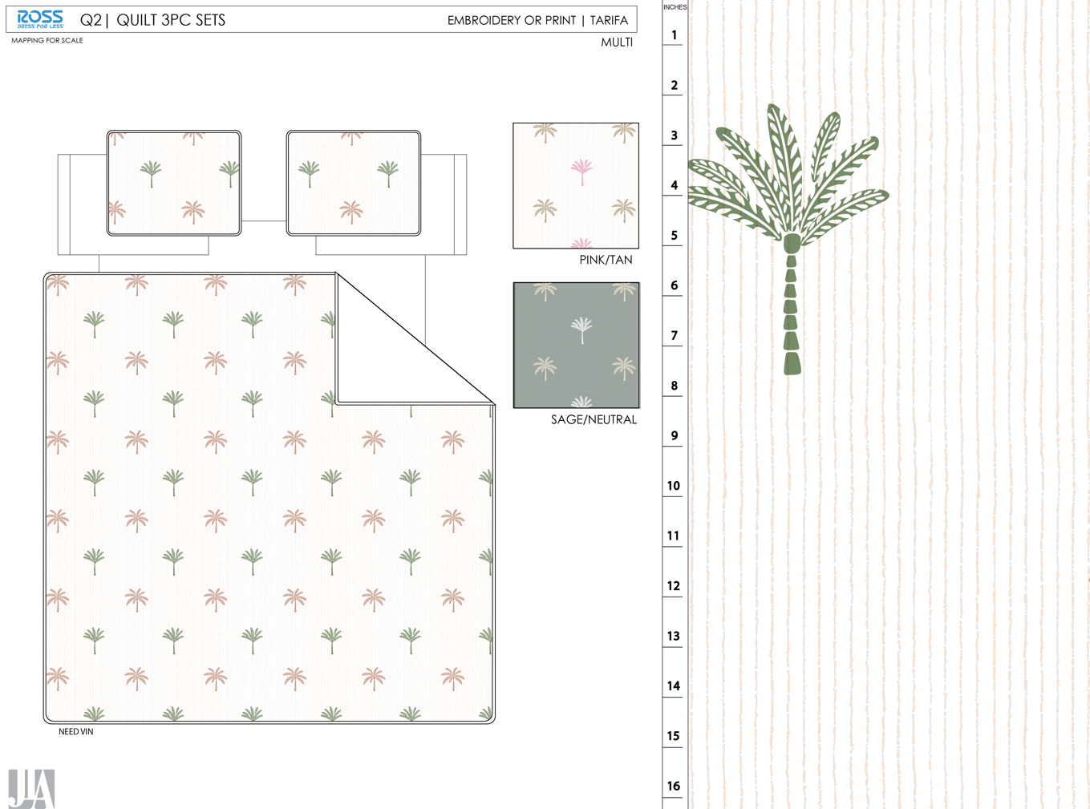 | Tarifa- Multi | Hanger | 3pc Hanging emb Quilt | Face: 85gsm microfiber seersucker Back: 85gsm microfiber solid ,embroidered. Filling：180gsm Poly Slick Fill. | Full/Queen: 86x86"/20x26+1/2"(2) | 81.4 | TOB seersker+solid reverse
 |  |  |  |  | King: 102x86"/20x36+1/2"(2) | 92.8
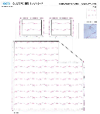 | Jolie | 3pc Hanging Print Quilt | 85gsm microfiber Prewashed ultra soft finish. Embroidered w/ Ruffle edge. Stitch quilting. 180gsm Poly Fill. | Twin: 63x86"+2.5“/20x26+2.5"(1) |  | 56.84 |  | 44 | 41 | 25 | 2
 |  |  |  | Full/Queen: 86x86"+2.5“/20x26+2.5"(2) |  | 76.44 |  | 44 | 41 | 27 | 2
 |  |  |  | King:102x86+2.5"/20x36+2.5"(2) |  | 94 |  | 44 | 41 | 30 | 2

