Item
 |  |  |  | Select from ValueSelect |  |  |  |  | 30 characters |  |  |  |  |  |  |  |  |  |  |  | Copy the formula cost to here if no given value |  |  |  |  |  |  |  |  |  |  |  |  |  |  |  |  |  |  |  |  |  | free text |  |  |  |  |  |  | Copy the formula price to here if no given value
 |  |  |  |  |  | Required |  | Required | Required | Required | Required | Required | Required |  |  |  | Required | Cost |  |  |  |  | Freight |  |  |  |  |  |  |  |  |  | Duty |  |  |  | Load |  |  |  |  |  |  |  |  |  | Price
Vendor | Line No. | Photo | VIN/Art No. | Brand | Licensor | Product Category | Pattern | Item Description | Description-Short | Fabrication | Material-Short | Size/Spec. | Color | Customer Item# | Item No. | UPC | Unit of Measure | China RMB Cost | Exchange Rate | FOB Cost $ (Formula) | FOB Cost $ (Value) | UCCPM Price | Package Type | Carton Size L (cm) | Carton Size W (cm) | Carton Size H (cm) | Carton Gross Weight (kg) | Case Pack | Cubic Meter per Carton | Total Units per 40ft Container | 40ft Container Freight | Ocean Freight per Item $ | HTS Code | Duty Rate | Duty per Item $ | LDP Cost $ | DA % | DA $ | General Load % | General Load $ | Warehouse Charge % | Warehouse Charge $ | Load 1 | Load 1 % | Load 1 $ | Total Load $ | LDP Cost with Load $ | JLA LDP MU% | JLA POE Price Quote (Formula) | JLA POE Price Quote (Value) | Suggested Retail Price | Retailer Markup (Value) | Retailer Markup (Formula) | Total Quantity | Total Cost | Total Sales | ship date | s/w | EEC PO | DD-251205
 | 1 | 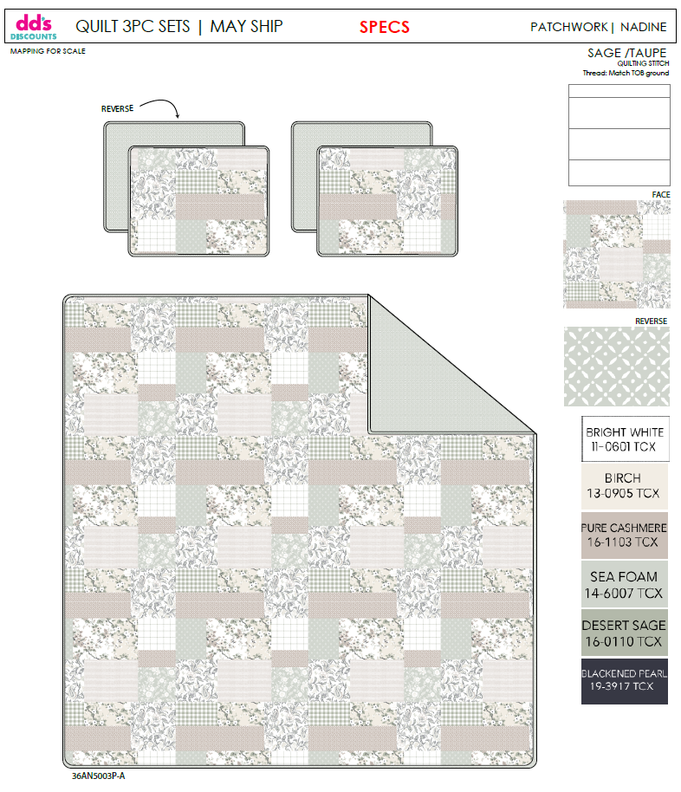 | 36AN5003P-A |  |  | QUILT | NADINE | 100% Polyester 3pc Hanging Quilt | 3pc Hanging Quilt | Front: 75gsm microfiber print Back: 75gsm microfiber print Filling：120gsm poly fill stitch quilting | 100% Polyester | Queen: 86x86"/20x26+1/2"(2) | SAGE/TAUPE |  | DD14-156 | 022164694901 | Set | 53.6 | 8.10 | $6.62 | $6.62 | 53.60 | Normal | 44.0 | 41.0 | 34.0 | 8.00 | 3 | 0.061 | 3197 | 2250 | $0.70 | 9404.40.9022 | 32.80% | $2.17 | $9.49 | 0.00% | $0.00 | 0.00% | $0.00 | 0.00% | $0.00 | 0 | 0.00% | $0.00 | $0.00 | $9.49 | 18.47% | $11.64 | $11.64 | $24.99 | 53.42% | 53.42% | 615 | $5,836.35 | $7,158.60 | 2026-04-10 | 5/1-5/7/2026 | Customer PO | 80707285
 | 2 |  | 36AN5003P-A |  |  | QUILT | NADINE | 100% Polyester 3pc Hanging Quilt | 3pc Hanging Quilt | Front: 75gsm microfiber print Back: 75gsm microfiber print Filling：120gsm poly fill stitch quilting | 100% Polyester | King: 102x86"/20x36+1/2"(2) | SAGE/TAUPE |  | DD14-157 | 022164694918 | Set | 61.6 | 8.10 | $7.60 | $7.60 | 61.60 | Normal | 44.0 | 41.0 | 40.0 | 8.00 | 3 | 0.072 | 2708 | 2250 | $0.83 | 9404.40.9022 | 32.80% | $2.49 | $10.92 | 0.00% | $0.00 | 0.00% | $0.00 | 0.00% | $0.00 | 0 | 0.00% | $0.00 | $0.00 | $10.92 | 19.59% | $13.58 | $13.58 | $29.99 | 54.72% | 54.72% | 585 | $6,388.20 | $7,944.30
 | 3 | 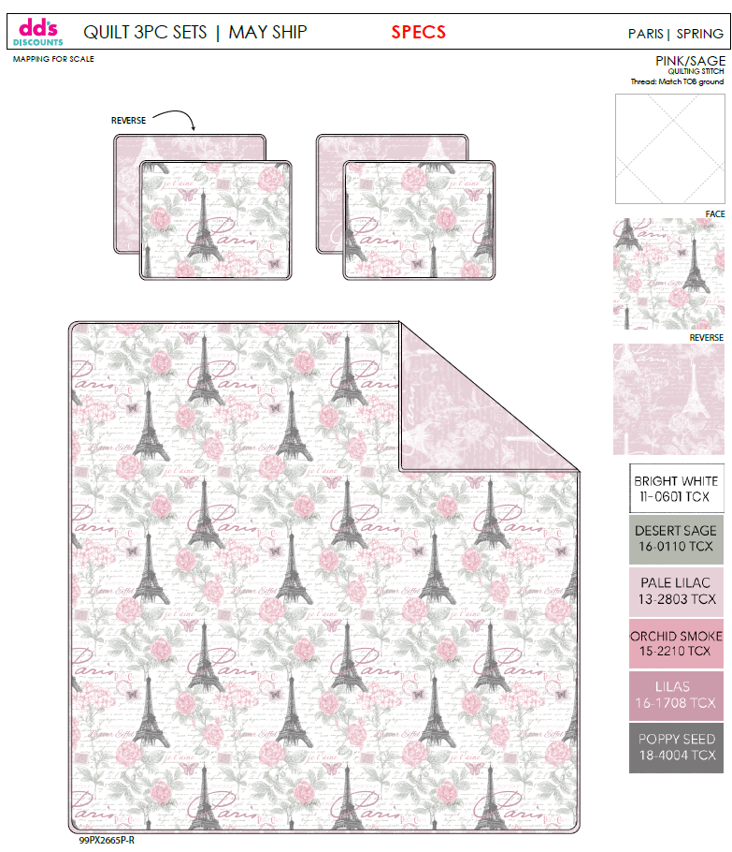 | 99PX2665P-R |  |  | QUILT | SPRING | 100% Polyester 3pc Hanging Quilt | 3pc Hanging Quilt | Front: 75gsm microfiber print Back: 75gsm microfiber print Filling：120gsm poly fill stitch quilting | 100% Polyester | Queen: 86x86"/20x26+1/2"(2) | PINK/SAGE |  | DD14-158 | 022164694925 | Set | 53.6 | 8.10 | $6.62 | $6.62 | 53.60 | Normal | 44.0 | 41.0 | 34.0 | 8.00 | 3 | 0.061 | 3197 | 2250 | $0.70 | 9404.40.9022 | 32.80% | $2.17 | $9.49 | 0.00% | $0.00 | 0.00% | $0.00 | 0.00% | $0.00 | 0 | 0.00% | $0.00 | $0.00 | $9.49 | 18.47% | $11.64 | $11.64 | $24.99 | 53.42% | 53.42% | 615 | $5,836.35 | $7,158.60
 | 4 |  | 99PX2665P-R |  |  | QUILT | SPRING | 100% Polyester 3pc Hanging Quilt | 3pc Hanging Quilt | Front: 75gsm microfiber print Back: 75gsm microfiber print Filling：120gsm poly fill stitch quilting | 100% Polyester | King: 102x86"/20x36+1/2"(2) | PINK/SAGE |  | DD14-159 | 022164694932 | Set | 61.6 | 8.10 | $7.60 | $7.60 | 61.60 | Normal | 44.0 | 41.0 | 40.0 | 8.00 | 3 | 0.072 | 2708 | 2250 | $0.83 | 9404.40.9022 | 32.80% | $2.49 | $10.92 | 0.00% | $0.00 | 0.00% | $0.00 | 0.00% | $0.00 | 0 | 0.00% | $0.00 | $0.00 | $10.92 | 19.59% | $13.58 | $13.58 | $29.99 | 54.72% | 54.72% | 585 | $6,388.20 | $7,944.30
 | 5 | 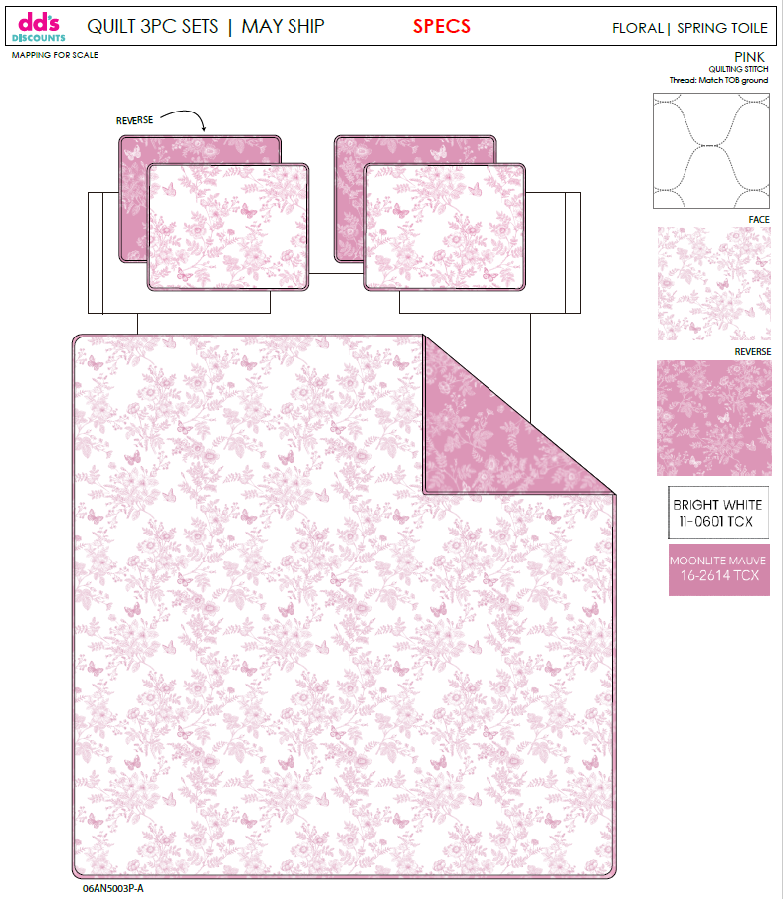 | 06AN5003P-A |  |  | QUILT | SPRING TOILE | 100% Polyester 3pc Hanging Quilt | 3pc Hanging Quilt | Front: 75gsm microfiber print Back: 75gsm microfiber print Filling：120gsm poly fill stitch quilting | 100% Polyester | Queen: 86x86"/20x26+1/2"(2) | PINK |  | DD14-160 | 022164694949 | Set | 53.6 | 8.10 | $6.62 | $6.62 | 53.60 | Normal | 44.0 | 41.0 | 34.0 | 8.00 | 3 | 0.061 | 3197 | 2250 | $0.70 | 9404.40.9022 | 32.80% | $2.17 | $9.49 | 0.00% | $0.00 | 0.00% | $0.00 | 0.00% | $0.00 | 0 | 0.00% | $0.00 | $0.00 | $9.49 | 18.47% | $11.64 | $11.64 | $24.99 | 53.42% | 53.42% | 615 | $5,836.35 | $7,158.60
 | 6 |  | 06AN5003P-A |  |  | QUILT | SPRING TOILE | 100% Polyester 3pc Hanging Quilt | 3pc Hanging Quilt | Front: 75gsm microfiber print Back: 75gsm microfiber print Filling：120gsm poly fill stitch quilting | 100% Polyester | King: 102x86"/20x36+1/2"(2) | PINK |  | DD14-161 | 022164694956 | Set | 61.6 | 8.10 | $7.60 | $7.60 | 61.60 | Normal | 44.0 | 41.0 | 40.0 | 8.00 | 3 | 0.072 | 2708 | 2250 | $0.83 | 9404.40.9022 | 32.80% | $2.49 | $10.92 | 0.00% | $0.00 | 0.00% | $0.00 | 0.00% | $0.00 | 0 | 0.00% | $0.00 | $0.00 | $10.92 | 19.59% | $13.58 | $13.58 | $29.99 | 54.72% | 54.72% | 585 | $6,388.20 | $7,944.30
 | 7 | 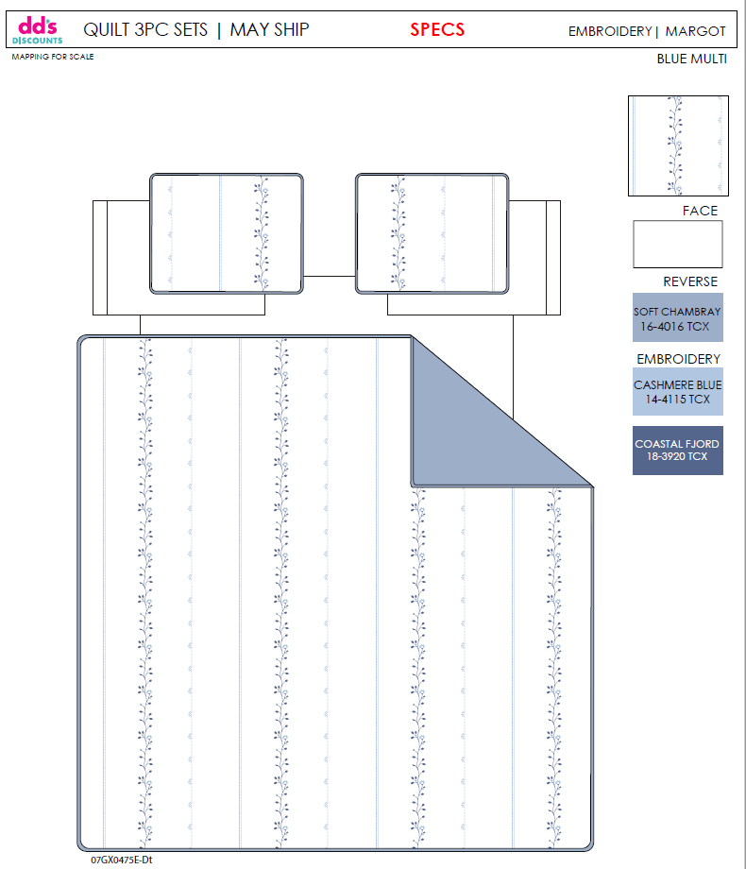 | 07GX0475E-Dt |  |  | QUILT | MARGOT | 100% Polyester 3pc Hanging Quilt | 3pc Hanging Quilt | 75gsm microfiber solid. Embroidered w/ Ruffle edge. Stitch quilting. 120gsm Poly Fill. | 100% Polyester | Queen: 86x86"+2.5"/20x26+2.5"(2) | BLUE MULTI |  | DD14-162 | 022164694963 | Set | 72.2 | 8.10 | $8.91 | $8.91 | 72.20 | Normal | 44.0 | 41.0 | 34.0 | 8.00 | 3 | 0.061 | 3197 | 2250 | $0.70 | 9404.40.9022 | 32.80% | $2.92 | $12.53 | 0.00% | $0.00 | 0.00% | $0.00 | 0.00% | $0.00 | 0 | 0.00% | $0.00 | $0.00 | $12.53 | 19.27% | $15.52 | $15.52 | $34.99 | 55.64% | 55.64% | 615 | $7,705.95 | $9,544.80
 | 8 |  | 07GX0475E-Dt |  |  | QUILT | MARGOT | 100% Polyester 3pc Hanging Quilt | 3pc Hanging Quilt | 75gsm microfiber solid. Embroidered w/ Ruffle edge. Stitch quilting. 120gsm Poly Fill. | 100% Polyester | King: 102x86"+2.5"/20x36+2.5"(2) | BLUE MULTI |  | DD14-163 | 022164694970 | Set | 87.0 | 8.10 | $10.74 | $10.74 | 87.00 | Normal | 44.0 | 41.0 | 40.0 | 8.00 | 3 | 0.072 | 2708 | 2250 | $0.83 | 9404.40.9022 | 32.80% | $3.52 | $15.09 | 0.00% | $0.00 | 0.00% | $0.00 | 0.00% | $0.00 | 0 | 0.00% | $0.00 | $0.00 | $15.09 | 15.93% | $17.95 | $17.95 | $39.99 | 55.11% | 55.11% | 585 | $8,827.65 | $10,500.75
 | 9 | 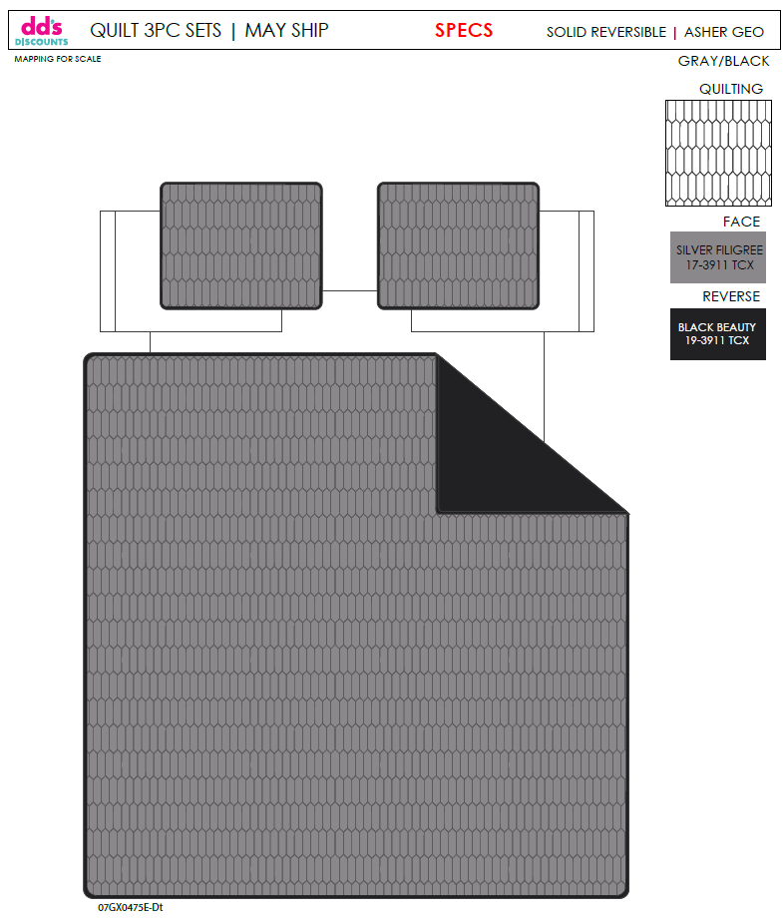 | 07GX0475E-Dt |  |  | QUILT | ASHER GEO | 100% Polyester 3pc Hanging Quilt | 3pc Hanging Quilt | Front: 75gsm microfiber solid Back: 75gsm microfiber solid Filling: 120gsm poly fill stitch quilting | 100% Polyester | Queen: 86x86"/20x26+1/2"(2) | GRAY/BLACK |  | DD14-164 | 022164694987 | Set | 50.3 | 8.10 | $6.21 | $6.21 | 50.30 | Normal | 44.0 | 41.0 | 34.0 | 8.00 | 3 | 0.061 | 3197 | 2250 | $0.70 | 9404.40.9022 | 32.80% | $2.04 | $8.95 | 0.00% | $0.00 | 0.00% | $0.00 | 0.00% | $0.00 | 0 | 0.00% | $0.00 | $0.00 | $8.95 | 21.83% | $11.45 | $11.45 | $19.99 | 42.72% | 42.72% | 615 | $5,504.25 | $7,041.75
 | 10 |  | 07GX0475E-Dt |  |  | QUILT | ASHER GEO | 100% Polyester 3pc Hanging Quilt | 3pc Hanging Quilt | Front: 75gsm microfiber solid Back: 75gsm microfiber solid Filling: 120gsm poly fill stitch quilting | 100% Polyester | King: 102x86"/20x36+1/2"(2) | GRAY/BLACK |  | DD14-165 | 022164694994 | Set | 57.6 | 8.10 | $7.11 | $7.11 | 57.60 | Normal | 44.0 | 41.0 | 40.0 | 8.00 | 3 | 0.072 | 2708 | 2250 | $0.83 | 9404.40.9022 | 32.80% | $2.33 | $10.27 | 0.00% | $0.00 | 0.00% | $0.00 | 0.00% | $0.00 | 0 | 0.00% | $0.00 | $0.00 | $10.27 | 21.60% | $13.10 | $13.10 | $24.99 | 47.58% | 47.58% | 585 | $6,007.95 | $7,663.50
 |  |  |  |  |  |  |  |  |  |  |  |  |  |  |  |  |  |  |  |  |  |  |  |  |  |  |  |  |  |  |  |  |  |  |  |  |  |  |  |  |  |  |  |  |  |  |  |  |  |  |  |  | 19.16% | 6000 | $64,719.45 | $80,059.50

Miya quote
Photo | Pattern | Item Description | Fabrication | Size | Quotation | MOQ | Case Pack | Carton Size(cm)

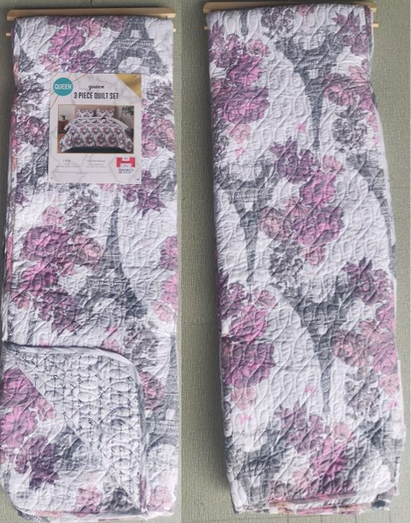 | Print/Print |  | TOB: 75gsm MF print Reverse：75gsm MF Different print Filling：120gsm poly fill Quilt: real stitch quilting 普通多针绗缝 | Queen: 86x86"/20x26+1/2"(2) | 53.6 | 1330 | 3 | 44 | 41 | 34
 |  |  |  | King: 102x86"/20x36+1/2"(2) | 61.6 | 1330 | 3 | 44 | 41 | 40
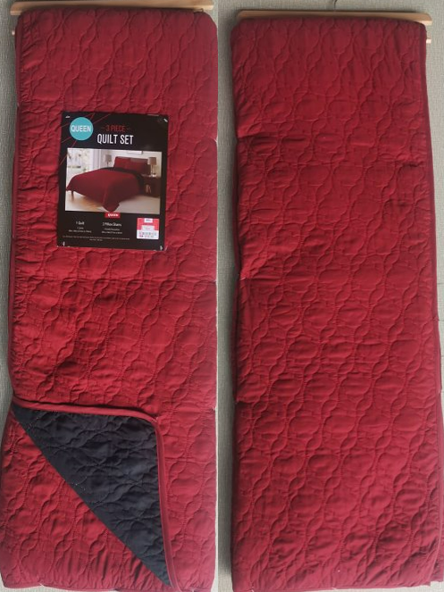 | Solid/Solid | 3pc Hanging Quilt | TOB: 75gsm MF solid Reverse：75gsm MF different solid Filling：120gsm poly fill Quilt: real stitch quilting 绗绣机图形绗缝 | Queen: 86x86"/20x26+1/2"(2) | 50.3 | 1330 | 3 | 44 | 41 | 34
 |  |  |  | King: 102x86"/20x36+1/2"(2) | 57.6 | 1330 | 3 | 44 | 41 | 40
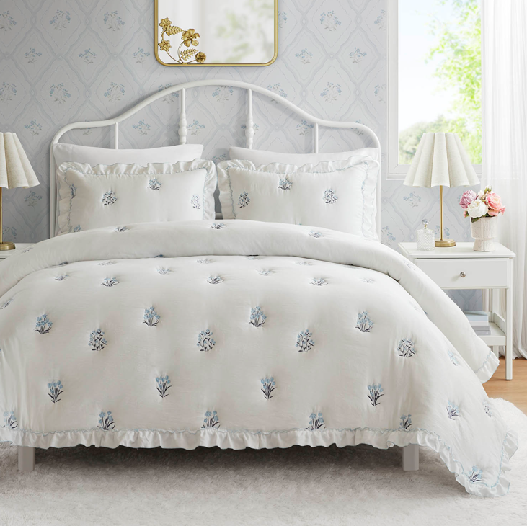 | Caitlyn | 3pc Hanging Quilt | TOB: 75gsm MF solid Reverse：75gsm MF solid Filling：120gsm poly fill Quilt: embroidery 普通磨毛布，绣花同Ross大货 | Queen: 86x86"/20x26+1/2"(2) | 72.2 | 1330 | 3 | 44 | 41 | 34
 |  |  |  | King: 102x86"/20x36+1/2"(2) | 87.0 | 1330 | 3 | 44 | 41 | 40

