Instructions
1. Please print correct dual bar code stickers to cover the incorrect stickers on the outer cartons, and process receiving's.

Container#: ZCSU7129685

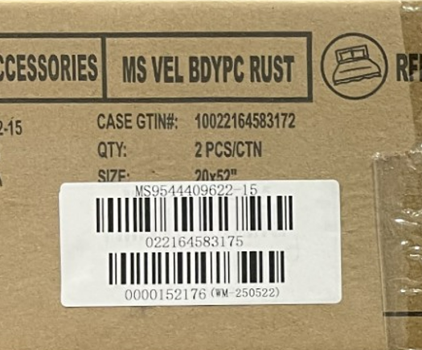

 | Correct UPC Carton Label
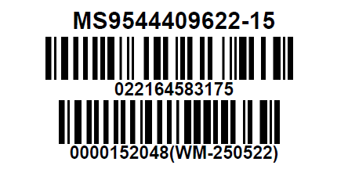

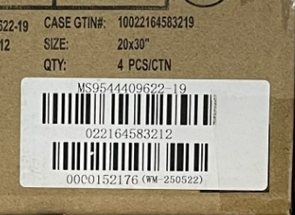

 | Correct UPC Carton Label

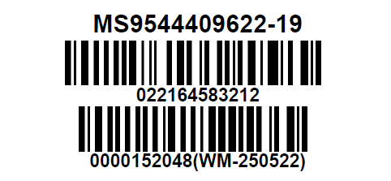

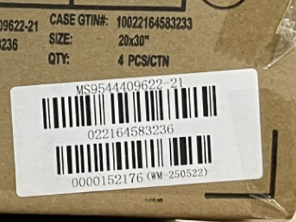

 | Correct UPC Carton Label
