Item
 |  |  |  | Select from ValueSelect |  |  |  |  | 30 characters |  |  |  |  |  |  |  |  |  |  |  | Copy the formula cost to here if no given value |  |  |  |  |  |  |  |  |  |  |  |  |  |  |  |  |  |  |  |  |  | free text |  |  |  |  |  |  | Copy the formula price to here if no given value
 |  |  |  |  |  | Required |  | Required | Required | Required | Required | Required | Required |  |  |  | Required | Cost |  |  |  |  | Freight |  |  |  |  |  |  |  |  |  | Duty |  |  |  | Load |  |  |  |  |  |  |  |  |  | Price
Vendor | Line No. | Photo | VIN/Art No. | Brand | Licensor | Product Category | Pattern | Item Description | Description-Short | Fabrication | Material-Short | Size/Spec. | Color | Customer Item# | Item No. | UPC | Unit of Measure | China RMB Cost | Exchange Rate | FOB Cost $ (Formula) | FOB Cost $ (Value) | UCCPM Price | Package Type | Carton Size L (cm) | Carton Size W (cm) | Carton Size H (cm) | Carton Gross Weight (kg) | Case Pack | Cubic Meter per Carton | Total Units per 40ft Container | 40ft Container Freight | Ocean Freight per Item $ | HTS Code | Duty Rate | Duty per Item $ | LDP Cost $ | DA % | DA $ | General Load % | General Load $ | Warehouse Charge % | Warehouse Charge $ | Load 1 | Load 1 % | Load 1 $ | Total Load $ | LDP Cost with Load $ | JLA LDP MU% | JLA POE Price Quote (Formula) | JLA POE Price Quote (Value) | Suggested Retail Price | Retailer Markup (Value) | Retailer Markup (Formula) | Total Quantity | Total Cost | Total Sales
 | 1 | 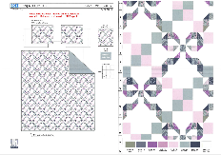 | 99PX32555P1-C |  |  | QUILT | Louisa | 100% Polyester Hanging Print Quilt Set | Hanging 3pc Quilt Set | Face：85gsm microfiber disperse print Back：85gsm microfiber solid Filling：180gsm slick Poly Fill. | 100% Polyester | Twin: 66x86"/20x26+1/2"(1) | SAGE BLUSH |  | RS14-8564 | 022164677522 | Set | ¥46.30 | 8.10 | $5.72 | $5.72 |  | Normal | 44 | 41 | 23 | 5.00 | 2 | 0.041 | 3171 | 2250 | $0.71 | 9404.40.9022 | 42.80% | $2.45 | $8.88 | 0.00% | $0.00 | 0.00% | $0.00 | 0.00% | $0.00 | 0 | 0.00% | $0.00 | $0.00 | $8.88 | 20.29% | $11.14 | $11.14 | $24.99 | 55.42% | 55.42% | 200 | $1,776.00 | $2,228.00 | EEC PO#： | RS-251089 | Customer PO#: | 11512061
 | 2 |  | 99PX32555P1-C |  |  | QUILT | Louisa | 100% Polyester Hanging Print Quilt Set | Hanging 3pc Quilt Set | Face：85gsm microfiber disperse print Back：85gsm microfiber solid Filling：180gsm slick Poly Fill. | 100% Polyester | Full/Queen: 86x86"/20x26+1/2"(2) | SAGE BLUSH |  | RS14-8565 | 022164677539 | Set | ¥59.50 | 8.10 | $7.35 | $7.35 |  | Normal | 44 | 41 | 25 | 5.00 | 2 | 0.045 | 2889 | 2250 | $0.78 | 9404.40.9022 | 42.80% | $3.15 | $11.28 | 0.00% | $0.00 | 0.00% | $0.00 | 0.00% | $0.00 | 0 | 0.00% | $0.00 | $0.00 | $11.28 | 21.83% | $14.43 | $14.43 | $29.99 | 51.88% | 51.88% | 700 | $7,896.00 | $10,101.00 | Ship date: | 2026-01-12
 | 3 |  | 99PX32555P1-C |  |  | QUILT | Louisa | 100% Polyester Hanging Print Quilt Set | Hanging 3pc Quilt Set | Face：85gsm microfiber disperse print Back：85gsm microfiber solid Filling：180gsm slick Poly Fill. | 100% Polyester | King: 102x86"/20x36+1/2"(2) | SAGE BLUSH |  | RS14-8566 | 022164677546 | Set | ¥68.20 | 8.10 | $8.42 | $8.42 |  | Normal | 44 | 41 | 28 | 5.00 | 2 | 0.051 | 2549 | 2250 | $0.88 | 9404.40.9022 | 42.80% | $3.60 | $12.90 | 0.00% | $0.00 | 0.00% | $0.00 | 0.00% | $0.00 | 0 | 0.00% | $0.00 | $0.00 | $12.90 | 23.03% | $16.76 | $16.76 | $34.99 | 52.10% | 52.10% | 550 | $7,095.00 | $9,218.00 | Note 1: | Port Arrival Date 2026/1/25, shipping window 1/27-2/1/2026
 | 4 | 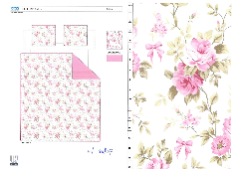 | 05CX2520P-A |  |  | QUILT | Anna | 100% Polyester Hanging Print Quilt Set | Hanging 3pc Quilt Set | Face：85gsm microfiber disperse print Back：85gsm microfiber solid Filling：180gsm slick Poly Fill. WIth scallope edge | 100% Polyester | Twin: 66x86"/20x26+1.5"(1) | MULTI |  | RS14-8567 | 022164677553 | Set | ¥49.30 | 8.10 | $6.09 | $6.09 |  | Normal | 44 | 41 | 23 | 5.00 | 2 | 0.041 | 3171 | 2250 | $0.71 | 9404.40.9022 | 42.80% | $2.61 | $9.41 | 0.00% | $0.00 | 0.00% | $0.00 | 0.00% | $0.00 | 0 | 0.00% | $0.00 | $0.00 | $9.41 | 17.02% | $11.34 | $11.34 | $24.99 | 54.62% | 54.62% | 200 | $1,882.00 | $2,268.00 | Note 2: | Case Pack 2, Nested pack by size, T Louisa +T Anna, FQ Louisa +FQ Anna, K Louisa +K Anna
 | 5 |  | 05CX2520P-A |  |  | QUILT | Anna | 100% Polyester Hanging Print Quilt Set | Hanging 3pc Quilt Set | Face：85gsm microfiber disperse print Back：85gsm microfiber solid Filling：180gsm slick Poly Fill. WIth scallope edge | 100% Polyester | Full/Queen: 86x86"/20x26+1.5“(2) | MULTI |  | RS14-8568 | 022164677560 | Set | ¥63.10 | 8.10 | $7.79 | $7.79 |  | Normal | 44 | 41 | 25 | 5.00 | 2 | 0.045 | 2889 | 2250 | $0.78 | 9404.40.9022 | 42.80% | $3.33 | $11.90 | 0.00% | $0.00 | 0.00% | $0.00 | 0.00% | $0.00 | 0 | 0.00% | $0.00 | $0.00 | $11.90 | 18.49% | $14.60 | $14.60 | $29.99 | 51.32% | 51.32% | 700 | $8,330.00 | $10,220.00
 | 6 |  | 05CX2520P-A |  |  | QUILT | Anna | 100% Polyester Hanging Print Quilt Set | Hanging 3pc Quilt Set | Face：85gsm microfiber disperse print Back：85gsm microfiber solid Filling：180gsm slick Poly Fill. WIth scallope edge | 100% Polyester | King: 102x86"/20x36+1.5"(2) | MULTI |  | RS14-8569 | 022164677577 | Set | ¥72.30 | 8.10 | $8.93 | $8.93 |  | Normal | 44 | 41 | 28 | 5.00 | 2 | 0.051 | 2549 | 2250 | $0.88 | 9404.40.9022 | 42.80% | $3.82 | $13.63 | 0.00% | $0.00 | 0.00% | $0.00 | 0.00% | $0.00 | 0 | 0.00% | $0.00 | $0.00 | $13.63 | 20.29% | $17.10 | $17.10 | $34.99 | 51.13% | 51.13% | 550 | $7,496.50 | $9,405.00

 | 8 | 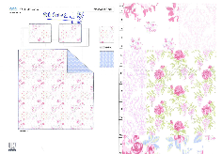 | 06GX0484P-A |  |  | QUILT | Patchwork floral | 100% Polyester Hanging Print Quilt Set | Hanging 3pc Quilt Set | Face& Back: 85gsm microfiber disperse print Filling：180gsm slick Poly Fill. | 100% Polyester | Full/Queen: 86x86"/20x26+1/2“(2) | MULTI |  | RS14-8570 | 022164677584 | Set | ¥60.70 | 8.10 | $7.49 | $7.49 |  | Normal | 44 | 41 | 25 | 5.00 | 2 | 0.045 | 2889 | 2250 | $0.78 | 9404.40.9022 | 42.80% | $3.21 | $11.48 | 0.00% | $0.00 | 0.00% | $0.00 | 0.00% | $0.00 | 0 | 0.00% | $0.00 | $0.00 | $11.48 | 20.44% | $14.43 | $14.43 | $29.99 | 51.88% | 51.88% | 835 | $9,585.80 | $12,049.05 | EEC PO#： | RS-251090 | Customer PO#: | 11511967
 | 9 |  | 06GX0484P-A |  |  | QUILT | Patchwork floral | 100% Polyester Hanging Print Quilt Set | Hanging 3pc Quilt Set | Face& Back: 85gsm microfiber disperse print Filling：180gsm slick Poly Fill. | 100% Polyester | King: 102x86"/20x36+1/2”(2) | MULTI |  | RS14-8571 | 022164677591 | Set | ¥69.70 | 8.10 | $8.60 | $8.60 |  | Normal | 44 | 41 | 28 | 5.00 | 2 | 0.051 | 2549 | 2250 | $0.88 | 9404.40.9022 | 42.80% | $3.68 | $13.16 | 0.00% | $0.00 | 0.00% | $0.00 | 0.00% | $0.00 | 0 | 0.00% | $0.00 | $0.00 | $13.16 | 21.48% | $16.76 | $16.76 | $34.99 | 52.10% | 52.10% | 600 | $7,896.00 | $10,056.00 | Ship date: | 2026-01-12
 | 10 | 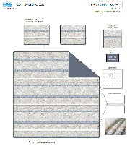 | 02HJ5003P-A2 |  |  | QUILT | Radhi | 100% Polyester Hanging Print Quilt Set | Hanging 3pc Quilt Set | Face：85gsm microfiber disperse print Back：85gsm microfiber solid Filling：180gsm slick Poly Fill. With eyelet ribbon | 100% Polyester | Full/Queen: 86x86"/20x26+1/2“(2) | BLUE BLUSH |  | RS14-8572 | 022164677607 | Set | ¥69.30 | 8.10 | $8.56 | $8.56 |  | Normal | 44 | 41 | 25 | 5.00 | 2 | 0.045 | 2889 | 2250 | $0.78 | 9404.40.9022 | 42.80% | $3.66 | $13.00 | 0.00% | $0.00 | 0.00% | $0.00 | 0.00% | $0.00 | 0 | 0.00% | $0.00 | $0.00 | $13.00 | 16.13% | $15.50 | $15.50 | $29.99 | 48.32% | 48.32% | 835 | $10,855.00 | $12,942.50 | Note 1: | Port Arrival Date 2026/1/25, shipping window 1/27-2/1/2026
 | 11 |  | 02HJ5003P-A2 |  |  | QUILT | Radhi | 100% Polyester Hanging Print Quilt Set | Hanging 3pc Quilt Set | Face：85gsm microfiber disperse print Back：85gsm microfiber solid Filling：180gsm slick Poly Fill. With eyelet ribbon | 100% Polyester | King: 102x86"/20x36+1/2”(2) | BLUE BLUSH |  | RS14-8573 | 022164677614 | Set | ¥78.50 | 8.10 | $9.69 | $9.69 |  | Normal | 44 | 41 | 28 | 5.00 | 2 | 0.051 | 2549 | 2250 | $0.88 | 9404.40.9022 | 42.80% | $4.15 | $14.72 | 0.00% | $0.00 | 0.00% | $0.00 | 0.00% | $0.00 | 0 | 0.00% | $0.00 | $0.00 | $14.72 | 18.22% | $18.00 | $18.00 | $34.99 | 48.56% | 48.56% | 600 | $8,832.00 | $10,800.00 | Note 2: | Case Pack 2, Nested pack by size, FQ Patchwork floral +FQ Radhi, K Patchwork floral +K Radhi

 | 13 | 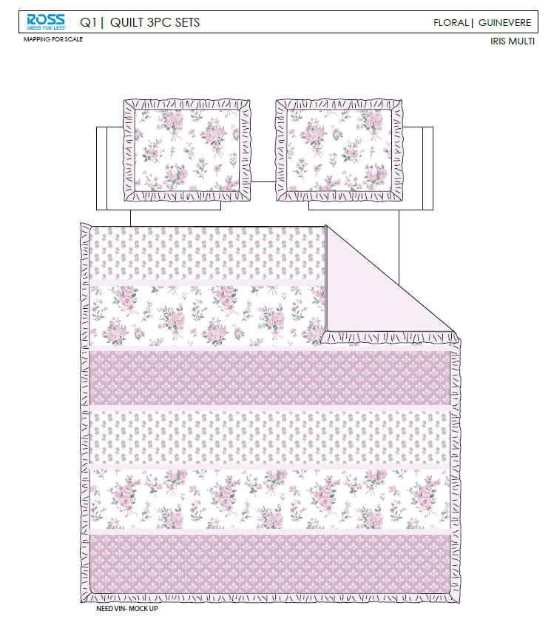 | 36AN5005P-B |  |  | QUILT | GUINEVERE IRIS | 100% Polyester Hanging Print Quilt Set | Hanging 3pc Quilt Set | Face: 85gsm microfiber disperse print Back: 85gsm microfiber solid, with ruffle edge Filling：180gsm slick Poly Fill. | 100% Polyester | Full/Queen: 86x86"+2.5"/20x26+2.5“(2) | IRIS MULTI |  | RS14-8574 | 022164677621 | Set | ¥66.00 | 8.10 | $8.15 | $8.15 |  | Normal | 44 | 41 | 25 | 5.00 | 2 | 0.045 | 2889 | 2250 | $0.78 | 9404.40.9022 | 42.80% | $3.49 | $12.42 | 0.00% | $0.00 | 0.00% | $0.00 | 0.00% | $0.00 | 0 | 0.00% | $0.00 | $0.00 | $12.42 | 17.26% | $15.01 | $15.01 | $29.99 | 49.95% | 49.95% | 835 | $10,370.70 | $12,533.35 | EEC PO#： | RS-251091 | Customer PO#: | 11512025
 | 14 |  | 36AN5005P-B |  |  | QUILT | GUINEVERE IRIS | 100% Polyester Hanging Print Quilt Set | Hanging 3pc Quilt Set | Face: 85gsm microfiber disperse print Back: 85gsm microfiber solid, with ruffle edge Filling：180gsm slick Poly Fill. | 100% Polyester | King: 102x86"+2.5"/20x36+2.5”(2) | IRIS MULTI |  | RS14-8575 | 022164677638 | Set | ¥76.10 | 8.10 | $9.40 | $9.40 |  | Normal | 44 | 41 | 28 | 5.00 | 2 | 0.051 | 2549 | 2250 | $0.88 | 9404.40.9022 | 42.80% | $4.02 | $14.30 | 0.00% | $0.00 | 0.00% | $0.00 | 0.00% | $0.00 | 0 | 0.00% | $0.00 | $0.00 | $14.30 | 17.96% | $17.43 | $17.43 | $34.99 | 50.19% | 50.19% | 600 | $8,580.00 | $10,458.00 | Ship date: | 2026-01-12
 | 16 |  | 99RL0091P1-D |  |  | QUILT | Esme | 100% Polyester Hanging Print Quilt Set | Hanging 3pc Quilt Set | Face：85gsm microfiber disperse print Back：85gsm microfiber solid Filling：180gsm slick Poly Fill. | 100% Polyester | Full/Queen: 86x86"/20x26+1.5"(2) | INDIGO |  | RS14-8576 | 022164677645 | Set | ¥65.70 | 8.10 | $8.11 | $8.11 |  | Normal | 44 | 41 | 25 | 5.00 | 2 | 0.045 | 2889 | 2250 | $0.78 | 9404.40.9022 | 42.80% | $3.47 | $12.36 | 0.00% | $0.00 | 0.00% | $0.00 | 0.00% | $0.00 | 0 | 0.00% | $0.00 | $0.00 | $12.36 | 16.82% | $14.86 | $14.86 | $29.99 | 50.45% | 50.45% | 835 | $10,320.60 | $12,408.10 | Note 1: | Port Arrival Date 2026/1/25, shipping window 1/27-2/1/2026
 | 17 | 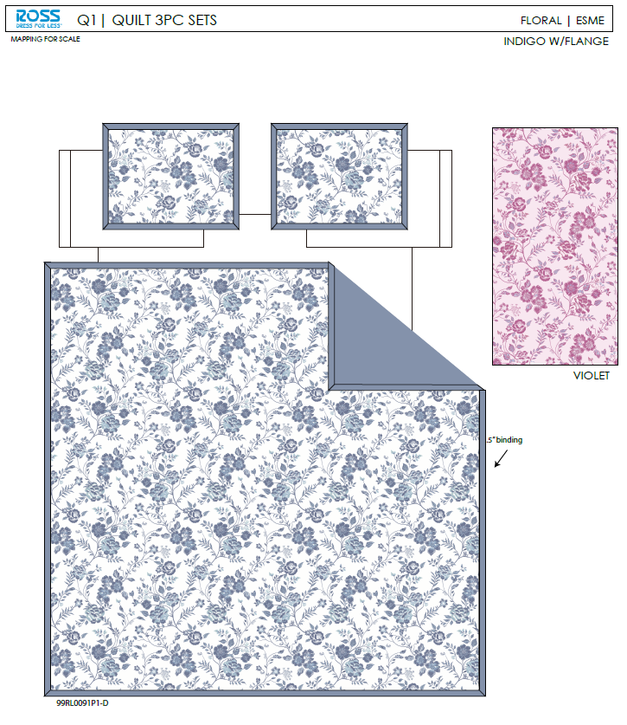 | 99RL0091P1-D |  |  | QUILT | Esme | 100% Polyester Hanging Print Quilt Set | Hanging 3pc Quilt Set | Face：85gsm microfiber disperse print Back：85gsm microfiber solid Filling：180gsm slick Poly Fill. | 100% Polyester | King: 102x86"/20x36+1.5"(2) | INDIGO |  | RS14-8577 | 022164677652 | Set | ¥75.10 | 8.10 | $9.27 | $9.27 |  | Normal | 44 | 41 | 28 | 5.00 | 2 | 0.051 | 2549 | 2250 | $0.88 | 9404.40.9022 | 42.80% | $3.97 | $14.12 | 0.00% | $0.00 | 0.00% | $0.00 | 0.00% | $0.00 | 0 | 0.00% | $0.00 | $0.00 | $14.12 | 18.19% | $17.26 | $17.26 | $34.99 | 50.67% | 50.67% | 600 | $8,472.00 | $10,356.00 | Note 2: | Case Pack 2, Nested pack by size, FQ GUINEVERE IRIS +FQ Esme, K GUINEVERE IRIS +K Esme

 | 19 |  | 02HJ5003P-A2 |  |  | QUILT | Radhi | 100% Polyester Hanging Print Quilt Set | Hanging 3pc Quilt Set | Face：85gsm microfiber disperse print Back：85gsm microfiber solid Filling：180gsm slick Poly Fill. With eyelet ribbon | 100% Polyester | Twin: 66x86"/20x26+1/2"(1) | BLUE BLUSH |  | RS14-8578 | 022164677669 | Set | ¥53.60 | 8.10 | $6.62 | $6.62 |  | Normal | 44 | 41 | 23 | 5.00 | 2 | 0.041 | 3171 | 2250 | $0.71 | 9404.40.9022 | 42.80% | $2.83 | $10.16 | 0.00% | $0.00 | 0.00% | $0.00 | 0.00% | $0.00 | 0 | 0.00% | $0.00 | $0.00 | $10.16 | 16.72% | $12.20 | $12.20 | $24.99 | 51.18% | 51.18% | 810 | $8,229.60 | $9,882.00 | EEC PO#： | RS-251092 | Customer PO#: | 11512091
 | 20 |  | 06GX0484P-A |  |  | QUILT | Patchwork floral | 100% Polyester Hanging Print Quilt Set | Hanging 3pc Quilt Set | Face& Back: 85gsm microfiber disperse print Filling：180gsm slick Poly Fill. | 100% Polyester | Twin: 66x86"/20x26+1/2"(1) | MULTI |  | RS14-8579 | 022164677676 | Set | ¥47.30 | 8.10 | $5.84 | $5.84 |  | Normal | 44 | 41 | 23 | 5.00 | 2 | 0.041 | 3171 | 2250 | $0.71 | 9404.40.9022 | 42.80% | $2.50 | $9.05 | 0.00% | $0.00 | 0.00% | $0.00 | 0.00% | $0.00 | 0 | 0.00% | $0.00 | $0.00 | $9.05 | 18.76% | $11.14 | $11.14 | $24.99 | 55.42% | 55.42% | 810 | $7,330.50 | $9,023.40 | Ship date: | 2026-01-12
 | 21 |  | 36AN5005P-B |  |  | QUILT | GUINEVERE IRIS | 100% Polyester Hanging Print Quilt Set | Hanging 3pc Quilt Set | Face: 85gsm microfiber disperse print Back: 85gsm microfiber solid, with ruffle edge Filling：180gsm slick Poly Fill. | 100% Polyester | Twin: 66x86"+2.5"/20x26+2.5"(1) | IRIS MULTI |  | RS14-8580 | 022164677683 | Set | ¥50.50 | 8.10 | $6.23 | $6.23 |  | Normal | 44 | 41 | 23 | 5.00 | 2 | 0.041 | 3171 | 2250 | $0.71 | 9404.40.9022 | 42.80% | $2.67 | $9.61 | 0.00% | $0.00 | 0.00% | $0.00 | 0.00% | $0.00 | 0 | 0.00% | $0.00 | $0.00 | $9.61 | 21.23% | $12.20 | $12.20 | $24.99 | 51.18% | 51.18% | 810 | $7,784.10 | $9,882.00 | Note 1: | Port Arrival Date 2026/1/25, shipping window 1/27-2/1/2026
 | 22 |  | 99RL0091P1-D |  |  | QUILT | Esme | 100% Polyester Hanging Print Quilt Set | Hanging 3pc Quilt Set | Face：85gsm microfiber disperse print Back：85gsm microfiber solid Filling：180gsm slick Poly Fill. | 100% Polyester | Twin: 66x86"/20x26+1.5"(1) | INDIGO |  | RS14-8581 | 022164677690 | Set | ¥50.30 | 8.10 | $6.21 | $6.21 |  | Normal | 44 | 41 | 23 | 5.00 | 2 | 0.041 | 3171 | 2250 | $0.71 | 9404.40.9022 | 42.80% | $2.66 | $9.58 | 0.00% | $0.00 | 0.00% | $0.00 | 0.00% | $0.00 | 0 | 0.00% | $0.00 | $0.00 | $9.58 | 16.48% | $11.47 | $11.47 | $24.99 | 54.10% | 54.10% | 810 | $7,759.80 | $9,290.70 | Note 2: | Case Pack 2, Nested pack by size, T Radhi +T Patchwork floral, T GUINEVERE IRIS +T Esme

 | 24 | 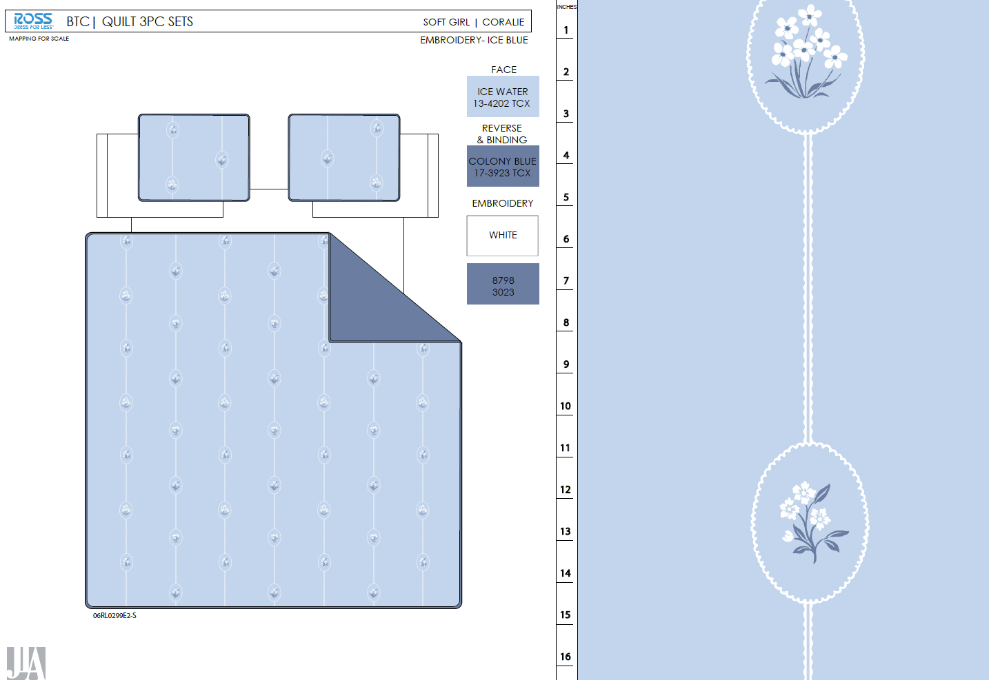 |  |  |  | QUILT | Coralie | 100% Polyester Hanging Embroidery Quilt Set | Hanging 3pc Quilt Set | Face& Back：85gsm washed microfiber solid. Embroidered. Filling：180gsm Poly Slick Fill. | 100% Polyester | Full/Queen: 86x86"/20x26+1/2“(2) | Ice Blue |  | RS14-8582 | 022164677706 | Set | ¥74.50 | 8.10 | $9.20 | $9.20 |  | Normal | 44 | 41 | 28 | 5.00 | 2 | 0.051 | 2549 | 2250 | $0.88 | 9404.40.9022 | 42.80% | $3.94 | $14.02 | 0.00% | $0.00 | 0.00% | $0.00 | 0.00% | $0.00 | 0 | 0.00% | $0.00 | $0.00 | $14.02 | 17.53% | $17.00 | $17.00 | $34.99 | 51.41% | 51.41% | 700 | $9,814.00 | $11,900.00 | EEC PO#： | RS-251093 | Customer PO#: | 11512115
 | 25 |  |  |  |  | QUILT | Coralie | 100% Polyester Hanging Embroidery Quilt Set | Hanging 3pc Quilt Set | Face& Back：85gsm washed microfiber solid. Embroidered. Filling：180gsm Poly Slick Fill. | 100% Polyester | King: 102x86"/20x36+1/2”(2) | Ice Blue |  | RS14-8583 | 022164677713 | Set | ¥84.60 | 8.10 | $10.44 | $10.44 |  | Normal | 44 | 41 | 30 | 5.00 | 2 | 0.054 | 2407 | 2250 | $0.93 | 9404.40.9022 | 42.80% | $4.47 | $15.84 | 0.00% | $0.00 | 0.00% | $0.00 | 0.00% | $0.00 | 0 | 0.00% | $0.00 | $0.00 | $15.84 | 20.80% | $20.00 | $20.00 | $39.99 | 49.99% | 49.99% | 600 | $9,504.00 | $12,000.00 | Ship date: | 2026-01-12
 | 26 |  |  |  |  | QUILT | Iris | 100% Polyester Hanging Embroidery Quilt Set | Hanging 3pc Quilt Set | Face：85gsm microfiber seersucker , embroidered. Back：85gsm microfiber solid Filling：180gsm Poly Slick Fill. | 100% Polyester | Full/Queen: 86x86"/20x26+1/2“(2) | Pink |  | RS14-8584 | 022164677720 | Set | ¥82.60 | 8.10 | $10.20 | $10.20 |  | Normal | 44 | 41 | 28 | 5.00 | 2 | 0.051 | 2549 | 2250 | $0.88 | 9404.40.9022 | 42.80% | $4.37 | $15.45 | 0.00% | $0.00 | 0.00% | $0.00 | 0.00% | $0.00 | 0 | 0.00% | $0.00 | $0.00 | $15.45 | 15.34% | $18.25 | $18.25 | $34.99 | 47.84% | 47.84% | 700 | $10,815.00 | $12,775.00 | Note 1: | Port Arrival Date 2026/1/25, shipping window 1/27-2/1/2026
 | 27 |  |  |  |  | QUILT | Iris | 100% Polyester Hanging Embroidery Quilt Set | Hanging 3pc Quilt Set | Face：85gsm microfiber seersucker , embroidered. Back：85gsm microfiber solid Filling：180gsm Poly Slick Fill. | 100% Polyester | King: 102x86"/20x36+1/2”(2) | Pink |  | RS14-8585 | 022164677737 | Set | ¥94.70 | 8.10 | $11.69 | $11.69 |  | Normal | 44 | 41 | 30 | 5.00 | 2 | 0.054 | 2407 | 2250 | $0.93 | 9404.40.9022 | 42.80% | $5.00 | $17.62 | 0.00% | $0.00 | 0.00% | $0.00 | 0.00% | $0.00 | 0 | 0.00% | $0.00 | $0.00 | $17.62 | 18.05% | $21.50 | $21.50 | $39.99 | 46.24% | 46.24% | 600 | $10,572.00 | $12,900.00 | Note 2: | Case Pack 2, Nested pack by size, FQ Coralie +FQ Iris, K Coralie +K Iris

 | 29 | 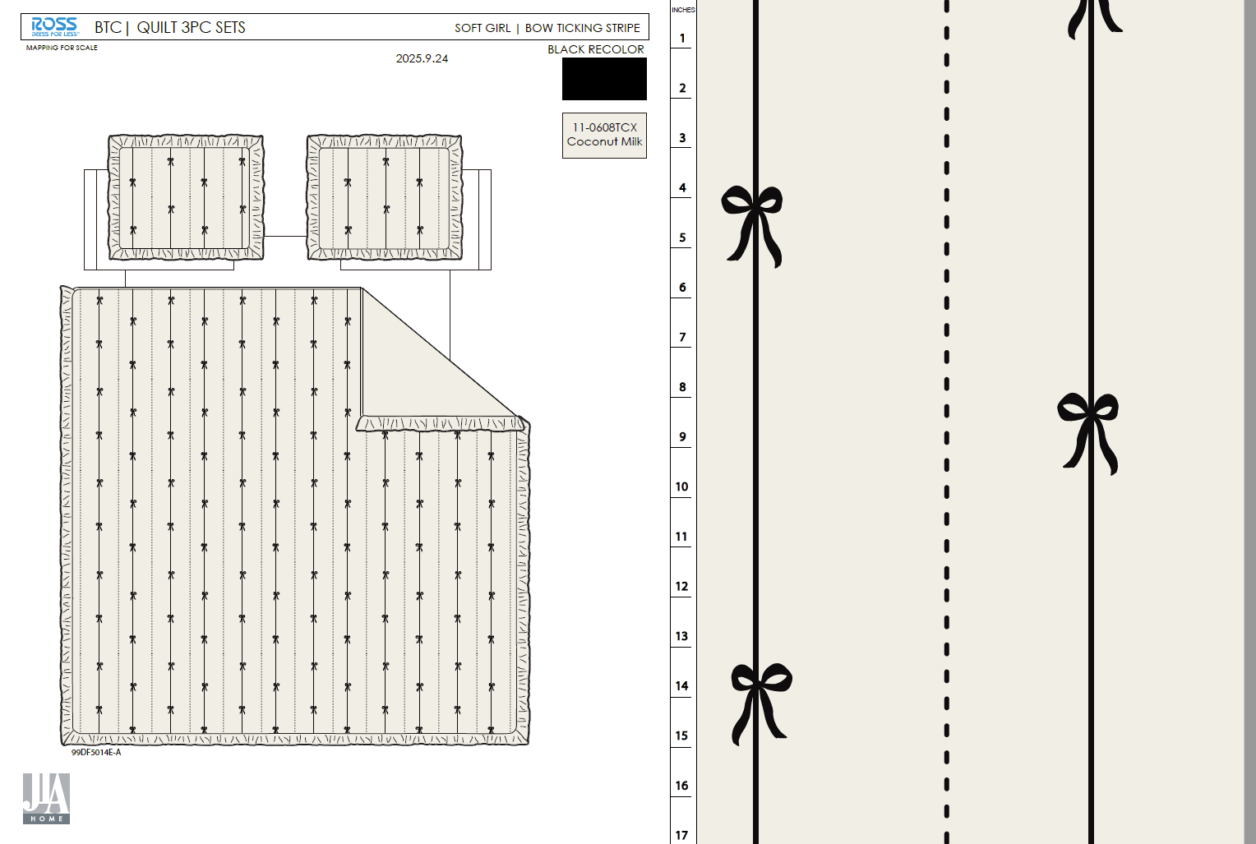 |  |  |  | QUILT | Bow Ticking Stripe | 100% Polyester Hanging Embroidery Quilt Set | Hanging 3pc Quilt Set | 85gsm microfiber Prewashed ultra soft finish. Embroidered with Ruffle edge. Stitch quilting. 180gsm Poly Fill. | 100% Polyester | Full/Queen: 86x86"+2.5“/20x26+2.5"(2) | Black |  | RS14-8586 | 022164677744 | Set | ¥80.80 | 8.10 | $9.98 | $9.98 |  | Normal | 44 | 41 | 28 | 5.00 | 2 | 0.051 | 2549 | 2250 | $0.88 | 9404.40.9022 | 42.80% | $4.27 | $15.13 | 0.00% | $0.00 | 0.00% | $0.00 | 0.00% | $0.00 | 0 | 0.00% | $0.00 | $0.00 | $15.13 | 11.00% | $17.00 | $17.00 | $34.99 | 51.41% | 51.41% | 700 | $10,591.00 | $11,900.00 | EEC PO#： | RS-251094 | Customer PO#: | 11526251
 | 30 |  |  |  |  | QUILT | Bow Ticking Stripe | 100% Polyester Hanging Embroidery Quilt Set | Hanging 3pc Quilt Set | 85gsm microfiber Prewashed ultra soft finish. Embroidered with Ruffle edge. Stitch quilting. 180gsm Poly Fill. | 100% Polyester | King: 102x86"+2.5“/20x36+2.5"(2) | Black |  | RS14-8587 | 022164677751 | Set | ¥94.56 | 8.10 | $11.67 | $11.67 |  | Normal | 44 | 41 | 30 | 5.00 | 2 | 0.054 | 2407 | 2250 | $0.93 | 9404.40.9022 | 42.80% | $4.99 | $17.59 | 0.00% | $0.00 | 0.00% | $0.00 | 0.00% | $0.00 | 0 | 0.00% | $0.00 | $0.00 | $17.59 | 12.05% | $20.00 | $20.00 | $39.99 | 49.99% | 49.99% | 600 | $10,554.00 | $12,000.00 | Ship date: | 2026-01-12
 | 31 |  |  |  |  | QUILT | Mirabelle | 100% Polyester Hanging Embroidery Quilt Set | Hanging 3pc Quilt Set | Face& Back：85gsm washed microfiber solid, embroidered. With 2.5" ruffle. Filling：180gsm Poly Slick Fill. | 100% Polyester | Full/Queen: 86x86"+2.5“/20x26+2.5"(2) | Pink |  | RS14-8588 | 022164677768 | Set | ¥83.00 | 8.10 | $10.25 | $10.25 |  | Normal | 44 | 41 | 28 | 5.00 | 2 | 0.051 | 2549 | 2250 | $0.88 | 9404.40.9022 | 42.80% | $4.39 | $15.52 | 0.00% | $0.00 | 0.00% | $0.00 | 0.00% | $0.00 | 0 | 0.00% | $0.00 | $0.00 | $15.52 | 14.96% | $18.25 | $18.25 | $34.99 | 47.84% | 47.84% | 700 | $10,864.00 | $12,775.00 | Note 1: | Port Arrival Date 2026/1/25, shipping window 1/27-2/1/2026
 | 32 |  |  |  |  | QUILT | Mirabelle | 100% Polyester Hanging Embroidery Quilt Set | Hanging 3pc Quilt Set | Face& Back：85gsm washed microfiber solid, embroidered. With 2.5" ruffle. Filling：180gsm Poly Slick Fill. | 100% Polyester | King: 102x86"+2.5“/20x36+2.5"(2) | Pink |  | RS14-8589 | 022164677775 | Set | ¥95.50 | 8.10 | $11.79 | $11.79 |  | Normal | 44 | 41 | 30 | 5.00 | 2 | 0.054 | 2407 | 2250 | $0.93 | 9404.40.9022 | 42.80% | $5.05 | $17.77 | 0.00% | $0.00 | 0.00% | $0.00 | 0.00% | $0.00 | 0 | 0.00% | $0.00 | $0.00 | $17.77 | 17.35% | $21.50 | $21.50 | $39.99 | 46.24% | 46.24% | 600 | $10,662.00 | $12,900.00 | Note 2: | Case Pack 2, Nested pack by size, FQ Bow Ticking Stripe +FQ Mirabelle, K Bow Ticking Stripe +K Mirabelle

 | 34 |  |  |  |  | QUILT | Coralie | 100% Polyester Hanging Embroidery Quilt Set | Hanging 3pc Quilt Set | Face& Back：85gsm washed microfiber solid. Embroidered. Filling：180gsm Poly Slick Fill. | 100% Polyester | Twin: 66x86"/20x26+1/2"(1) | Ice Blue |  | RS14-8590 | 022164677782 | Set | ¥56.40 | 8.10 | $6.96 | $6.96 |  | Normal | 44 | 41 | 25 | 5.00 | 2 | 0.045 | 2889 | 2250 | $0.78 | 9404.40.9022 | 42.80% | $2.98 | $10.72 | 0.00% | $0.00 | 0.00% | $0.00 | 0.00% | $0.00 | 0 | 0.00% | $0.00 | $0.00 | $10.72 | 17.54% | $13.00 | $13.00 | $24.99 | 47.98% | 47.98% | 740 | $7,932.80 | $9,620.00 | EEC PO#： | RS-251095 | Customer PO#: | 11512136
 | 35 |  |  |  |  | QUILT | Iris | 100% Polyester Hanging Embroidery Quilt Set | Hanging 3pc Quilt Set | Face：85gsm microfiber seersucker , embroidered. Back：85gsm microfiber solid Filling：180gsm Poly Slick Fill. | 100% Polyester | Twin: 66x86"/20x26+1/2"(1) | Pink |  | RS14-8591 | 022164677799 | Set | ¥63.90 | 8.10 | $7.89 | $7.89 |  | Normal | 44 | 41 | 25 | 5.00 | 2 | 0.045 | 2889 | 2250 | $0.78 | 9404.40.9022 | 42.80% | $3.38 | $12.05 | 0.00% | $0.00 | 0.00% | $0.00 | 0.00% | $0.00 | 0 | 0.00% | $0.00 | $0.00 | $12.05 | 12.36% | $13.75 | $13.75 | $24.99 | 44.98% | 44.98% | 740 | $8,917.00 | $10,175.00 | Ship date: | 2026-01-12
 | 36 |  |  |  |  | QUILT | Bow Ticking Stripe | 100% Polyester Hanging Embroidery Quilt Set | Hanging 3pc Quilt Set | 85gsm microfiber Prewashed ultra soft finish. Embroidered with Ruffle edge. Stitch quilting. 180gsm Poly Fill. | 100% Polyester | Twin: 66x86"/20x26+2.5"(1) | Black |  | RS14-8592 | 022164677805 | Set | ¥60.50 | 8.10 | $7.47 | $7.47 |  | Normal | 44 | 41 | 25 | 5.00 | 2 | 0.045 | 2889 | 2250 | $0.78 | 9404.40.9022 | 42.80% | $3.20 | $11.45 | 0.00% | $0.00 | 0.00% | $0.00 | 0.00% | $0.00 | 0 | 0.00% | $0.00 | $0.00 | $11.45 | 11.92% | $13.00 | $13.00 | $24.99 | 47.98% | 47.98% | 740 | $8,473.00 | $9,620.00 | Note 1: | Port Arrival Date 2026/1/25, shipping window 1/27-2/1/2026
 | 37 |  |  |  |  | QUILT | Mirabelle | 100% Polyester Hanging Embroidery Quilt Set | Hanging 3pc Quilt Set | Face& Back：85gsm washed microfiber solid, embroidered. With 2.5" ruffle. Filling：180gsm Poly Slick Fill. | 100% Polyester | Twin: 66x86"/20x26+2.5"(1) | Pink |  | RS14-8593 | 022164677812 | Set | ¥62.50 | 8.10 | $7.72 | $7.72 |  | Normal | 44 | 41 | 25 | 5.00 | 2 | 0.045 | 2889 | 2250 | $0.78 | 9404.40.9022 | 42.80% | $3.30 | $11.80 | 0.00% | $0.00 | 0.00% | $0.00 | 0.00% | $0.00 | 0 | 0.00% | $0.00 | $0.00 | $11.80 | 14.18% | $13.75 | $13.75 | $24.99 | 44.98% | 44.98% | 740 | $8,732.00 | $10,175.00 | Note 2: | Case Pack 2, Nested pack by size, T Coralie +T Iris, T Bow Ticking Stripe +T Mirabelle
 |  |  |  |  |  |  |  |  |  |  |  |  |  |  |  |  |  |  |  |  |  |  |  |  |  |  |  |  |  |  |  |  |  |  |  |  |  |  |  |  |  |  |  |  |  |  |  |  |  |  |  |  | 17.30% | 20040 | $257,922.40 | $311,861.10

printed quilt-9.26
 |  |  |  |  |  | 30% CHINA TARIFF
 | Pattern | Item Description | Fabrication | Size / Spec. | Color | JLA LDP quote - POE LA | Carton Size |  |  | Case Pack | QTY | Note
 |  |  |  |  |  |  | L | W | H
 |  |  |  |  |  |  | cm | cm | cm
Feb
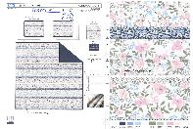 | Radhi | 3pc Hanging Print Quilt | Face：85gsm microfiber disperse print Back：85gsm microfiber solid Filling：180gsm slick Poly Fill. With eyelet ribbon | Twin: 66x86"/20x26+1/2"(1) |  | 53.6 | 44 | 41 | 23 | 2 | 145 | 10%
 |  |  |  | Full/Queen: 86x86"/20x26+1/2“(2) |  | 69.3 | 44 | 41 | 25 | 2 | 725 | 50%
 |  |  |  | King: 102x86"/20x36+1/2”(2) |  | 78.5 | 44 | 41 | 28 | 2 | 580 | 40%
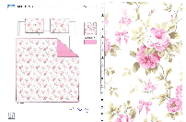 | Anna | 3pc Hanging Print Quilt | Face：85gsm microfiber disperse print Back：85gsm microfiber solid Filling：180gsm slick Poly Fill. WIth scallope edge | Twin: 66x86"/20x26+2.5"(1) |  | 49.3 | 44 | 41 | 23 | 2 | 145 | 10%
 |  |  |  | Full/Queen: 86x86"/20x26+2.5“(2) |  | 63.1 | 44 | 41 | 25 | 2 | 725 | 50%
 |  |  |  | King: 102x86"/20x36+2.5"(2) |  | 72.3 | 44 | 41 | 28 | 2 | 580 | 40%

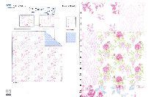 | patchwork floral | 3pc Hanging Print Quilt | Face：85gsm microfiber disperse print Back：85gsm microfiber disperse print Filling：180gsm slick Poly Fill. | Twin: 66x86"/20x26+1/2"(1) |  | 47.3 | 44 | 41 | 23 | 2 | 296
 |  |  |  | Full/Queen: 86x86"/20x26+1/2“(2) |  | 60.7 | 44 | 41 | 25 | 2 | 740
 |  |  |  | King: 102x86"/20x36+1/2”(2) |  | 69.7 | 44 | 41 | 28 | 2 | 444
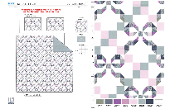 | Louisa | 3pc Hanging Print Quilt | Face：85gsm microfiber disperse print Back：85gsm microfiber solid Filling：180gsm slick Poly Fill. | Twin: 66x86"/20x26+1/2"(1) |  | 46.3 | 44 | 41 | 23 | 2 | 296
 |  |  |  | Full/Queen: 86x86"/20x26+1/2"(2) |  | 59.5 | 44 | 41 | 25 | 2 | 740
 |  |  |  | King: 102x86"/20x36+1/2"(2) |  | 68.2 | 44 | 41 | 28 | 2 | 444

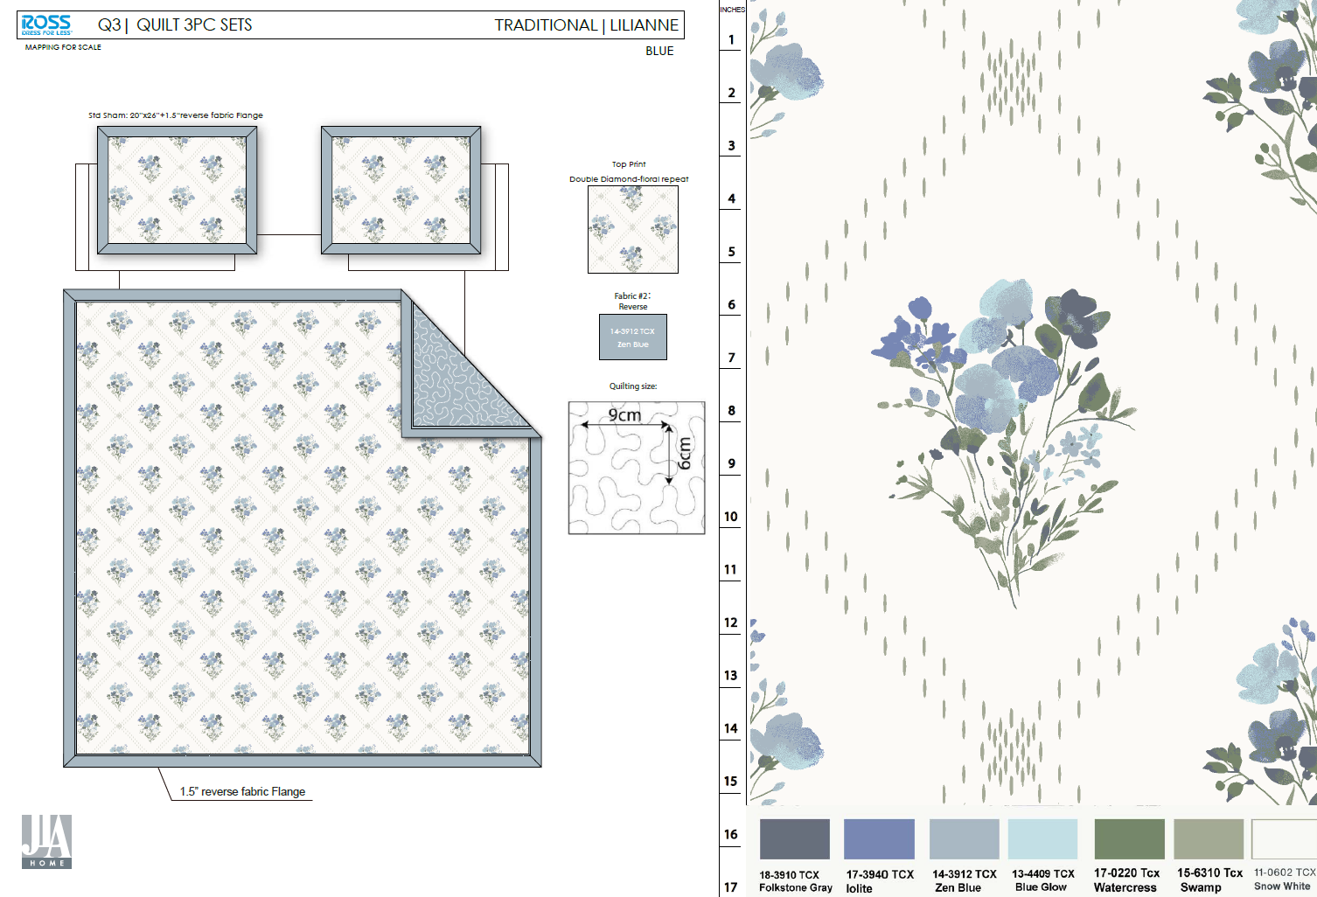

 |  | 3pc Hanging Print Quilt | Face：85gsm microfiber disperse print Back：85gsm microfiber solid Filling：180gsm slick Poly Fill. Quilt 1.5"包边, sham四周1.5"无芯嵌条 | Twin: 66x86"/20x26+1.5"(1) |  | 50.3 | 44 | 41 | 23 | 2
 |  |  |  | Full/Queen: 86x86"/20x26+1.5"(2) |  | 65.7 | 44 | 41 | 25 | 2
 |  |  |  | King: 102x86"/20x36+1.5"(2) |  | 75.1 | 44 | 41 | 28 | 2

Evie + Ruffle | 3pc Hanging Print Quilt | Face& Back：85gsm microfiber disperse print, with 2.5" ruffle Filling：180gsm slick Poly Fill. | Twin: 66x86"/20x26+2.5"(1) |  | 50.5 | 44 | 41 | 23 | 2
 |  |  | Full/Queen: 86x86+2.5"/20x26+2.5"(2) |  | 66 | 44 | 41 | 25 | 2
 |  |  | King: 102x86+2.5"/20x36+2.5"(2) |  | 76.1 | 44 | 41 | 28 | 2

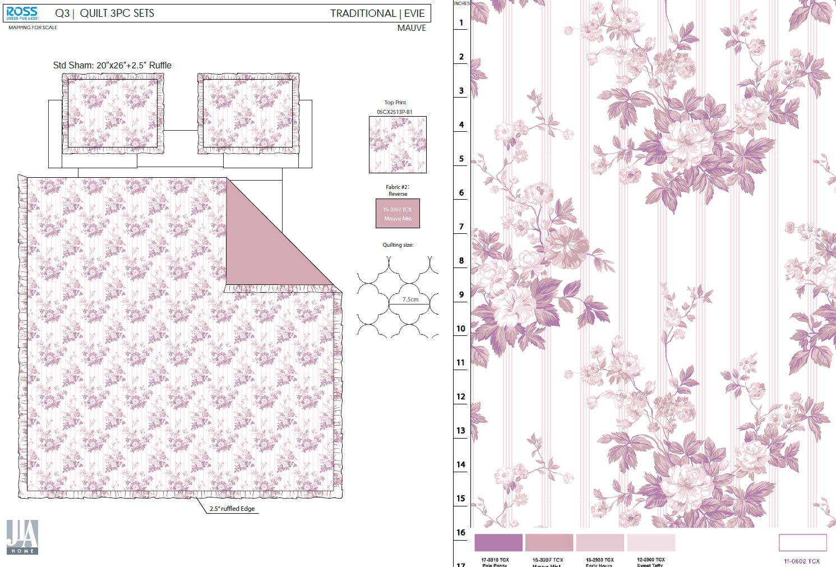

emb quilt-9.26
 |  |  |  |  |  | 30% CHINA TARIFF
 | Pattern | Item Description | Fabrication | Size / Spec. | Color | JLA LDP quote - POE LA | Carton Size |  |  | Case Pack | QTY | Note
 |  |  |  |  |  |  | L | W | H
 |  |  |  |  |  |  | cm | cm | cm
Feb
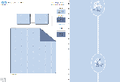 | Coralie | 3pc Hanging Print Quilt | Face/back：85gsm washed microfiber solid , embroidered. Filling：180gsm Poly Slick Fill. | Twin: 66x86"/20x26+1/2"(1) |  | 56.4 | 44 | 41 | 25 | 2 | 0
 |  |  |  | Full/Queen: 86x86"/20x26+1/2“(2) |  | 74.5 | 44 | 41 | 28 | 2 | 780
 |  |  |  | King: 102x86"/20x36+1/2”(2) |  | 84.6 | 44 | 41 | 30 | 2 | 520
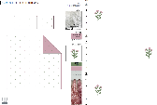 | Iris | 3pc Hanging Print Quilt | Face：poly seersucker , embroidered. Back：85gsm microfiber solid Filling：180gsm Poly Slick Fill. | Twin: 66x86"/20x26+1/2"(1) |  | 63.9 | 44 | 41 | 25 | 2 | 0
 |  |  |  | Full/Queen: 86x86"/20x26+1/2“(2) |  | 82.6 | 44 | 41 | 28 | 2 | 780
 |  |  |  | King: 102x86"/20x36+1/2”(2) |  | 94.7 | 44 | 41 | 30 | 2 | 520

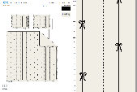 |  | 3pc Hanging Print Quilt | Face/back：85gsm washed microfiber solid , embroidered. Filling：180gsm Poly Slick Fill. 三周3”ruffle . 素色面料，1:1.5抽皱，密拷 | Twin: 66x86"/20x26+2.5"(1) |  | 60.5 | 44 | 41 | 25 | 2 | 0
 |  |  |  | Full/Queen: 86x86"/20x26+2.5“(2) |  | 80.8 | 44 | 41 | 28 | 2 | 645
 |  |  |  | King: 102x86"/20x36+2.5"(2) |  | 94.6 | 44 | 41 | 30 | 2 | 645
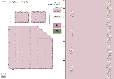 |  | 3pc Hanging Print Quilt | Face/back：85gsm washed microfiber solid , embroidered. Filling：180gsm Poly Slick Fill. 三周3”ruffle . 素色面料，1:1.5抽皱，毛边 绣花线色改2色 | Twin: 66x86"/20x26+2.5"(1) |  | 65.9 | 44 | 41 | 25 | 2 | 0
 |  |  |  | Full/Queen: 86x86"/20x26+2.5“(2) |  | 89.3 | 44 | 41 | 28 | 2 | 645
 |  |  |  | King: 102x86"/20x36+2.5"(2) |  | 101.4 | 44 | 41 | 30 | 2 | 645
 | Mirabelle | 3pc Hanging Print Quilt | Face/back：85gsm washed microfiber solid , embroidered. Filling：180gsm Poly Slick Fill. 三周3”ruffle . 素色面料，1:1.5抽皱，毛边 绣花线色改2色 | Twin: 66x86"/20x26+2.5"(1) |  | 62.5 | 44 | 41 | 25 | 2 | 0
 |  |  |  | Full/Queen: 86x86"/20x26+2.5“(2) |  | 83.0 | 44 | 41 | 28 | 2 | 645
 |  |  |  | King: 102x86"/20x36+2.5"(2) |  | 95.5 | 44 | 41 | 30 | 2 | 645

