Item
 |  |  | Select from ValueSelect |  |  |  | 30 characters |  |  |  |  |  |  |  |  |  |  |  | Copy the formula cost to here if no given value |  |  |  |  |  |  |  |  |  |  |  |  |  |  |  |  |  |  |  |  |  | free text |  |  |  |  |  |  | Copy the formula price to here if no given value
 |  |  |  | Required |  | Required | Required | Required | Required | Required | Required |  |  |  | Required | Cost |  |  |  |  | Freight |  |  |  |  |  |  |  |  |  | Duty |  |  |  | Load |  |  |  |  |  |  |  |  |  | Price
Vendor | Line No. | Photo | Brand | Product Category | Pattern | Item Description | Description-Short | Fabrication | Material-Short | Size/Spec. | Color | Customer Item# | Item No. | UPC | Unit of Measure | China RMB Cost | Exchange Rate | FOB Cost $ (Formula) | FOB Cost $ (Value) | UCCPM Price | Package Type | Carton Size L (cm) | Carton Size W (cm) | Carton Size H (cm) | Carton Gross Weight (kg) | Case Pack | Cubic Meter per Carton | Total Units per 40ft Container | 40ft Container Freight | Ocean Freight per Item $ | HTS Code | Duty Rate | Duty per Item $ | LDP Cost $ | DA % | DA $ | General Load % | General Load $ | Warehouse Charge % | Warehouse Charge $ | Load 1 | Load 1 % | Load 1 $ | Total Load $ | LDP Cost with Load $ | JLA LDP MU% | JLA POE Price Quote (Formula) | JLA POE Price Quote (Value) | Suggested Retail Price | Retailer Markup (Value) | Retailer Markup (Formula) | Total Quantity | Total Cost | Total Sales
 | 1 | 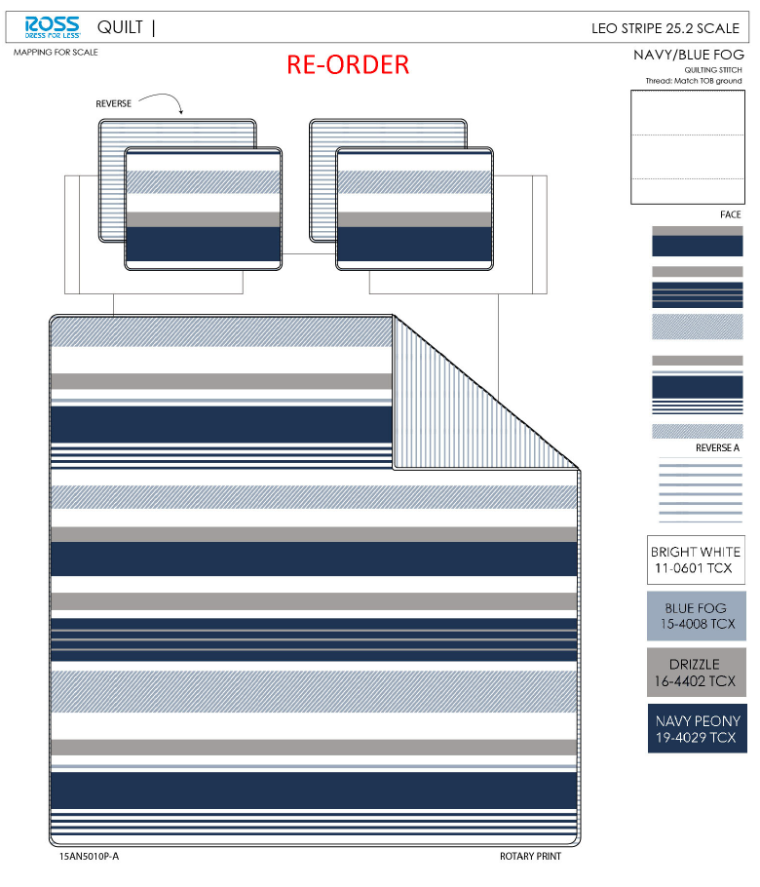 | Urban Domain | QUILT | Leo Stripe | Hanging 3pc Quilt Set | Hanging 3pc Quilt Set | 85gsm microfiber print front and reverse. Stitch quilted. 180gsm Slick Poly Fill. Hanger packaging. | 100% polyester | Twin: 66x86"/20x26+1/2"(1) | Navy |  | RS14-7977 | 022164580792 | Set | ¥47.30 | 8.10 | $5.84 | $5.84 |  | Normal | 44.0 | 41.0 | 23.0 | 5.00 | 2 | 0.041 | 3171 | 2250 | $0.71 | 9404.40.9022 | 42.80% | $2.50 | $9.05 | 0.00% | $0.00 | 0.00% | $0.00 | 0.00% | $0.00 | 0 | 0.00% | $0.00 | $0.00 | $9.05 | 18.76% | $11.14 | $11.14 | $29.99 | 62.85% | 62.85% | 948 | $8,579.40 | $10,560.72 | EEC PO#： | RS-250932 | Customer PO#: | 11504157
 | 2 |  | Urban Domain | QUILT | Leo Stripe | Hanging 3pc Quilt Set | Hanging 3pc Quilt Set | 85gsm microfiber print front and reverse. Stitch quilted. 180gsm Slick Poly Fill. Hanger packaging. | 100% polyester | Full/Queen: 86x86"/20x26+1/2"(2) | Navy |  | RS14-7978 | 022164580808 | Set | ¥60.70 | 8.10 | $7.49 | $7.49 |  | Normal | 44.0 | 41.0 | 25.0 | 5.30 | 2 | 0.045 | 2889 | 2250 | $0.78 | 9404.40.9022 | 42.80% | $3.21 | $11.48 | 0.00% | $0.00 | 0.00% | $0.00 | 0.00% | $0.00 | 0 | 0.00% | $0.00 | $0.00 | $11.48 | 20.44% | $14.43 | $14.43 | $34.99 | 58.76% | 58.76% | 632 | $7,255.36 | $9,119.76 | Ship date: | 2025-12-10
 | 3 | 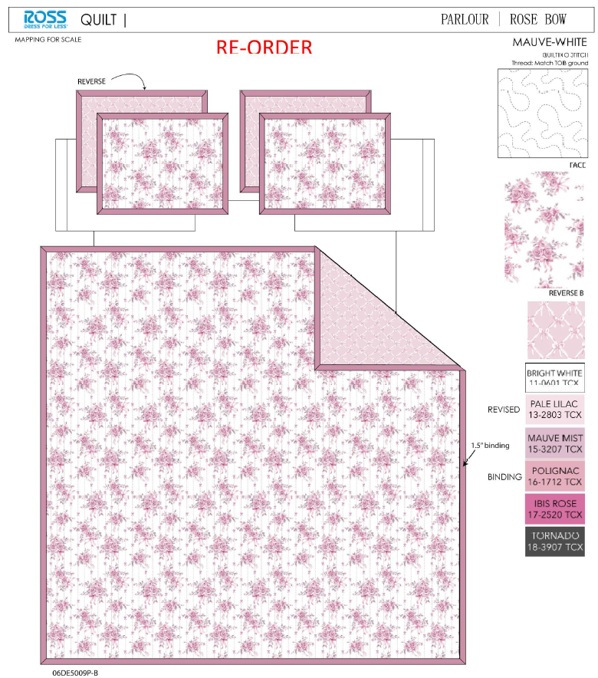 | Serafina Rose | QUILT | Rose Bow | Hanging 3pc Quilt Set | Hanging 3pc Quilt Set | Face& Back：85gsm microfiber disperse print Filling：180gsm slick Poly Fill. | 100% polyester | Twin: 66x86"/20x26+1.5"(1) | Pink |  | RS14-8110 | 022164600490 | Set | ¥51.30 | 8.10 | $6.33 | $6.33 |  | Normal | 44.0 | 41.0 | 23.0 | 5.00 | 2 | 0.041 | 3171 | 2250 | $0.71 | 9404.40.9022 | 42.80% | $2.71 | $9.75 | 0.00% | $0.00 | 0.00% | $0.00 | 0.00% | $0.00 | 0 | 0.00% | $0.00 | $0.00 | $9.75 | 15.00% | $11.47 | $11.47 | $29.99 | 61.75% | 61.75% | 948 | $9,243.00 | $10,873.56 | Note 1: | Port Arrival Date 2025/12/27, shipping window 12/29-1/4/2026
 | 4 |  | Serafina Rose | QUILT | Rose Bow | Hanging 3pc Quilt Set | Hanging 3pc Quilt Set | Face& Back：85gsm microfiber disperse print Filling：180gsm slick Poly Fill. | 100% polyester | Full/Queen: 86x86"/20x26+1.5"(2) | Pink |  | RS14-8111 | 022164600506 | Set | ¥66.90 | 8.10 | $8.26 | $8.26 |  | Normal | 44.0 | 41.0 | 25.0 | 5.30 | 2 | 0.045 | 2889 | 2250 | $0.78 | 9404.40.9022 | 42.80% | $3.54 | $12.58 | 0.00% | $0.00 | 0.00% | $0.00 | 0.00% | $0.00 | 0 | 0.00% | $0.00 | $0.00 | $12.58 | 15.34% | $14.86 | $14.86 | $34.99 | 57.53% | 57.53% | 632 | $7,950.56 | $9,391.52 | Note 2: | Case Pack 2, Nested pack by size, T Leo Stripe+T Rose Bow, FQ Leo Stripe+FQ Rose Bow

 | 5 | 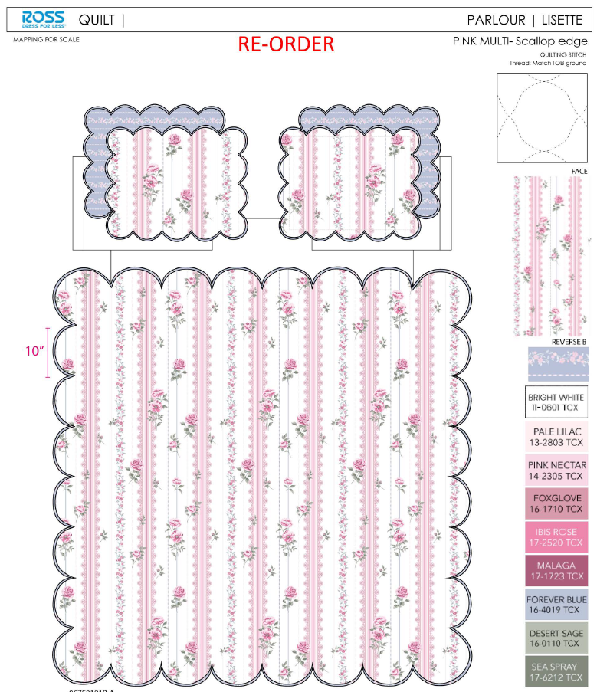 | Willow & Sage | QUILT | LISETTE SCALLOP | Hanging 3pc Quilt Set | Hanging 3pc Quilt Set | 85gsm microfiber print front and reverse. Stitch quilted. 180gsm Slick Poly Fill. Hanger packaging. | 100% polyester | Twin: 66x86"/20x26+1/2"(1) | Pink |  | RS14-7974 | 022164580761 | Set | ¥47.50 | 8.10 | $5.86 | $5.86 |  | Normal | 44.0 | 41.0 | 23.0 | 5.00 | 2 | 0.041 | 3171 | 2250 | $0.71 | 9404.40.9022 | 42.80% | $2.51 | $9.08 | 0.00% | $0.00 | 0.00% | $0.00 | 0.00% | $0.00 | 0 | 0.00% | $0.00 | $0.00 | $9.08 | 19.93% | $11.34 | $11.34 | $24.99 | 54.62% | 54.62% | 200 | $1,816.00 | $2,268.00 | EEC PO#： | RS-250933 | Customer PO#: | 11504158
 | 6 |  | Willow & Sage | QUILT | LISETTE SCALLOP | Hanging 3pc Quilt Set | Hanging 3pc Quilt Set | 85gsm microfiber print front and reverse. Stitch quilted. 180gsm Slick Poly Fill. Hanger packaging. | 100% polyester | Full/Queen: 86x86"/20x26+1/2"(2) | Pink |  | RS14-7975 | 022164580778 | Set | ¥61.20 | 8.10 | $7.56 | $7.56 |  | Normal | 44.0 | 41.0 | 25.0 | 5.30 | 2 | 0.045 | 2889 | 2250 | $0.78 | 9404.40.9022 | 42.80% | $3.24 | $11.58 | 0.00% | $0.00 | 0.00% | $0.00 | 0.00% | $0.00 | 0 | 0.00% | $0.00 | $0.00 | $11.58 | 20.68% | $14.60 | $14.60 | $29.99 | 51.32% | 51.32% | 710 | $8,221.80 | $10,366.00 | Ship date: | 2025-12-10
 | 7 |  | Willow & Sage | QUILT | LISETTE SCALLOP | Hanging 3pc Quilt Set | Hanging 3pc Quilt Set | 85gsm microfiber print front and reverse. Stitch quilted. 180gsm Slick Poly Fill. Hanger packaging. | 100% polyester | King: 102x86"/20x36+1/2"(2) | Pink |  | RS14-7976 | 022164580785 | Set | ¥70.50 | 8.10 | $8.70 | $8.70 |  | Normal | 44.0 | 41.0 | 28.0 | 6.20 | 2 | 0.051 | 2549 | 2250 | $0.88 | 9404.40.9022 | 42.80% | $3.72 | $13.30 | 0.00% | $0.00 | 0.00% | $0.00 | 0.00% | $0.00 | 0 | 0.00% | $0.00 | $0.00 | $13.30 | 22.31% | $17.12 | $17.12 | $34.99 | 51.07% | 51.07% | 540 | $7,182.00 | $9,244.80 | Note 1: | Port Arrival Date 2025/12/27, shipping window 12/29-1/4/2026
 | 8 | 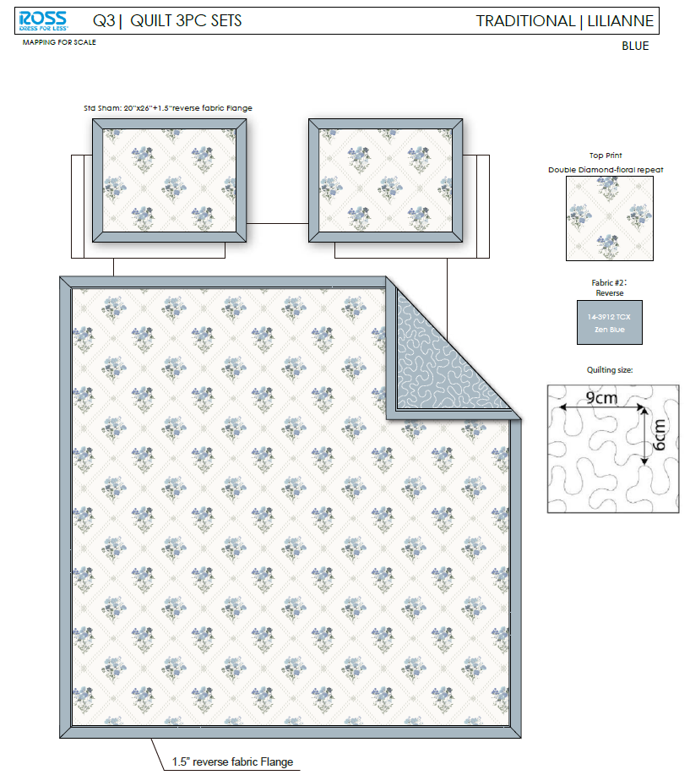 | Serafina Rose | QUILT | Lilianne | 100% Polyester Hanging Print Quilt Set | Hanging 3pc Quilt Set | Face：85gsm microfiber disperse print, with flange Back：85gsm microfiber solid Filling：180gsm slick Poly Fill. | 100% polyester | Twin: 66x86"/20x26+1.5"(1) | BLUE |  | RS14-8521 | 022164664287 | Set | ¥50.30 | 8.10 | $6.21 | $6.21 |  | Normal | 44.0 | 41.0 | 23.0 | 5.00 | 2 | 0.041 | 3171 | 2250 | $0.71 | 9404.40.9022 | 42.80% | $2.66 | $9.58 | 0.00% | $0.00 | 0.00% | $0.00 | 0.00% | $0.00 | 0 | 0.00% | $0.00 | $0.00 | $9.58 | 16.48% | $11.47 | $11.47 | $24.99 | 54.10% | 54.10% | 200 | $1,916.00 | $2,294.00 | Note 2: | Case Pack 2, Nested pack by size, T LISETTE SCALLOP+T Lilianne, FQ LISETTE SCALLOP+FQ Lilianne,K LISETTE SCALLOP+K Lilianne
 | 9 |  | Serafina Rose | QUILT | Lilianne | 100% Polyester Hanging Print Quilt Set | Hanging 3pc Quilt Set | Face：85gsm microfiber disperse print, with flange Back：85gsm microfiber solid Filling：180gsm slick Poly Fill. | 100% polyester | Full/Queen: 86x86"/20x26+1.5"(2) | BLUE |  | RS14-8522 | 022164664294 | Set | ¥65.70 | 8.10 | $8.11 | $8.11 |  | Normal | 44.0 | 41.0 | 25.0 | 5.30 | 2 | 0.045 | 2889 | 2250 | $0.78 | 9404.40.9022 | 42.80% | $3.47 | $12.36 | 0.00% | $0.00 | 0.00% | $0.00 | 0.00% | $0.00 | 0 | 0.00% | $0.00 | $0.00 | $12.36 | 16.82% | $14.86 | $14.86 | $29.99 | 50.45% | 50.45% | 710 | $8,775.60 | $10,550.60
 | 10 |  | Serafina Rose | QUILT | Lilianne | 100% Polyester Hanging Print Quilt Set | Hanging 3pc Quilt Set | Face：85gsm microfiber disperse print, with flange Back：85gsm microfiber solid Filling：180gsm slick Poly Fill. | 100% polyester | King: 102x86"/20x36+1.5"(2) | BLUE |  | RS14-8523 | 022164664300 | Set | ¥75.10 | 8.10 | $9.27 | $9.27 |  | Normal | 44.0 | 41.0 | 28.0 | 6.20 | 2 | 0.051 | 2549 | 2250 | $0.88 | 9404.40.9022 | 42.80% | $3.97 | $14.12 | 0.00% | $0.00 | 0.00% | $0.00 | 0.00% | $0.00 | 0 | 0.00% | $0.00 | $0.00 | $14.12 | 18.19% | $17.26 | $17.26 | $34.99 | 50.67% | 50.67% | 540 | $7,624.80 | $9,320.40

 | 11 | 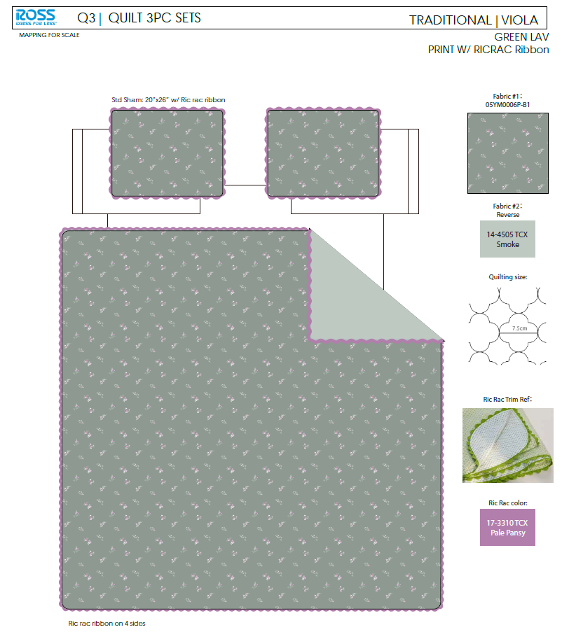 | Serafina Rose | QUILT | Viola | 100% Polyester Hanging Print Quilt Set | Hanging 3pc Quilt Set | Face：85gsm microfiber disperse print.With ricrac ribbon Back：85gsm microfiber solid Filling：180gsm slick Poly Fill. | 100% polyester | Twin: 66x86"/20x26+1/2"(1) | GREEN LAV |  | RS14-8524 | 022164664317 | Set | ¥58.50 | 8.10 | $7.22 | $7.22 |  | Normal | 44.0 | 41.0 | 23.0 | 5.00 | 2 | 0.041 | 3171 | 2250 | $0.71 | 9404.40.9022 | 42.80% | $3.09 | $11.02 | 0.00% | $0.00 | 0.00% | $0.00 | 0.00% | $0.00 | 0 | 0.00% | $0.00 | $0.00 | $11.02 | 13.50% | $12.74 | $12.74 | $24.99 | 49.02% | 49.02% | 296 | $3,261.92 | $3,771.04 | EEC PO#： | RS-250934 | Customer PO#: | 11504159
 | 12 |  | Serafina Rose | QUILT | Viola | 100% Polyester Hanging Print Quilt Set | Hanging 3pc Quilt Set | Face：85gsm microfiber disperse print.With ricrac ribbon Back：85gsm microfiber solid Filling：180gsm slick Poly Fill. | 100% polyester | Full/Queen: 86x86"/20x26+1/2"(2) | GREEN LAV |  | RS14-8525 | 022164664324 | Set | ¥75.90 | 8.10 | $9.37 | $9.37 |  | Normal | 44.0 | 41.0 | 25.0 | 5.30 | 2 | 0.045 | 2889 | 2250 | $0.78 | 9404.40.9022 | 42.80% | $4.01 | $14.16 | 0.00% | $0.00 | 0.00% | $0.00 | 0.00% | $0.00 | 0 | 0.00% | $0.00 | $0.00 | $14.16 | 15.01% | $16.66 | $16.66 | $34.99 | 52.39% | 52.39% | 740 | $10,478.40 | $12,328.40 | Ship date: | 2025-12-10
 | 13 |  | Serafina Rose | QUILT | Viola | 100% Polyester Hanging Print Quilt Set | Hanging 3pc Quilt Set | Face：85gsm microfiber disperse print.With ricrac ribbon Back：85gsm microfiber solid Filling：180gsm slick Poly Fill. | 100% polyester | King: 102x86"/20x36+1/2"(2) | GREEN LAV |  | RS14-8526 | 022164664331 | Set | ¥86.40 | 8.10 | $10.67 | $10.67 |  | Normal | 44.0 | 41.0 | 28.0 | 6.20 | 2 | 0.051 | 2549 | 2250 | $0.88 | 9404.40.9022 | 42.80% | $4.57 | $16.12 | 0.00% | $0.00 | 0.00% | $0.00 | 0.00% | $0.00 | 0 | 0.00% | $0.00 | $0.00 | $16.12 | 17.76% | $19.60 | $19.60 | $39.99 | 50.99% | 50.99% | 444 | $7,157.28 | $8,702.40 | Note 1: | Port Arrival Date 2025/12/27, shipping window 12/29-1/4/2026
 | 14 | 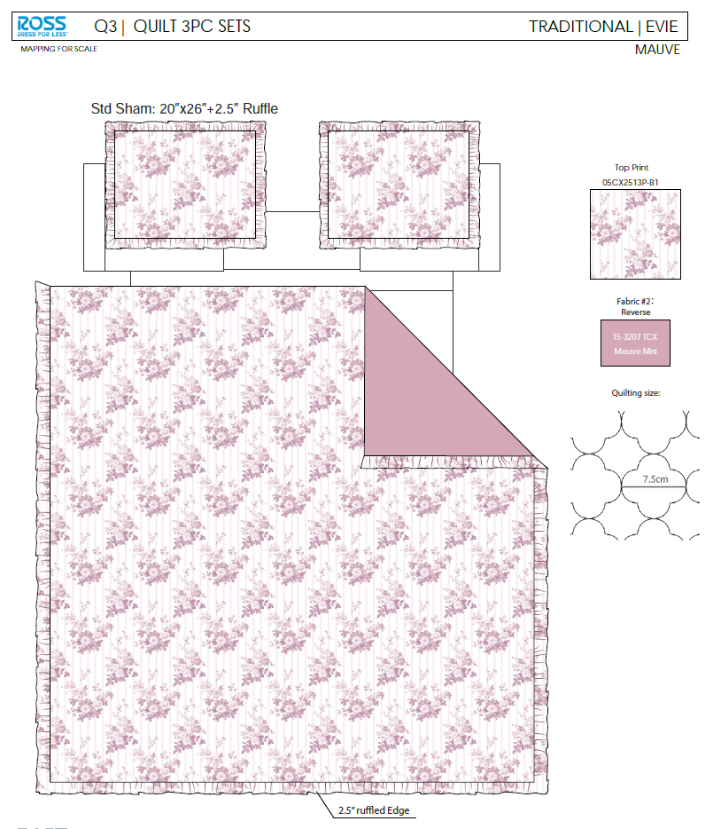 | Serafina Rose | QUILT | Evie | 100% Polyester Hanging Print Quilt Set | Hanging 3pc Quilt Set | Face& Back：85gsm microfiber disperse print, with 2.5" ruffle Filling：180gsm slick Poly Fill. | 100% polyester | Twin: 66x86"/20x26+2.5"(1) | MAUVE |  | RS14-8527 | 022164664348 | Set | ¥50.50 | 8.10 | $6.23 | $6.23 |  | Normal | 44.0 | 41.0 | 23.0 | 5.00 | 2 | 0.041 | 3171 | 2250 | $0.71 | 9404.40.9022 | 42.80% | $2.67 | $9.61 | 0.00% | $0.00 | 0.00% | $0.00 | 0.00% | $0.00 | 0 | 0.00% | $0.00 | $0.00 | $9.61 | 21.23% | $12.20 | $12.20 | $24.99 | 51.18% | 51.18% | 296 | $2,844.56 | $3,611.20 | Note 2: | Case Pack 2, Nested pack by size, T Viola+T Evie, FQ Viola+FQ Evie,K Viola+K Evie
 | 15 |  | Serafina Rose | QUILT | Evie | 100% Polyester Hanging Print Quilt Set | Hanging 3pc Quilt Set | Face& Back：85gsm microfiber disperse print, with 2.5" ruffle Filling：180gsm slick Poly Fill. | 100% polyester | Full/Queen: 86x86+2.5"/20x26+2.5"(2) | MAUVE |  | RS14-8528 | 022164664355 | Set | ¥66.00 | 8.10 | $8.15 | $8.15 |  | Normal | 44.0 | 41.0 | 25.0 | 5.30 | 2 | 0.045 | 2889 | 2250 | $0.78 | 9404.40.9022 | 42.80% | $3.49 | $12.42 | 0.00% | $0.00 | 0.00% | $0.00 | 0.00% | $0.00 | 0 | 0.00% | $0.00 | $0.00 | $12.42 | 17.26% | $15.01 | $15.01 | $34.99 | 57.10% | 57.10% | 740 | $9,190.80 | $11,107.40
 | 16 |  | Serafina Rose | QUILT | Evie | 100% Polyester Hanging Print Quilt Set | Hanging 3pc Quilt Set | Face& Back：85gsm microfiber disperse print, with 2.5" ruffle Filling：180gsm slick Poly Fill. | 100% polyester | King: 102x86+2.5"/20x36+2.5"(2) | MAUVE |  | RS14-8529 | 022164664362 | Set | ¥76.10 | 8.10 | $9.40 | $9.40 |  | Normal | 44.0 | 41.0 | 28.0 | 6.20 | 2 | 0.051 | 2549 | 2250 | $0.88 | 9404.40.9022 | 42.80% | $4.02 | $14.30 | 0.00% | $0.00 | 0.00% | $0.00 | 0.00% | $0.00 | 0 | 0.00% | $0.00 | $0.00 | $14.30 | 17.96% | $17.43 | $17.43 | $39.99 | 56.41% | 56.41% | 444 | $6,349.20 | $7,738.92

 | 17 | 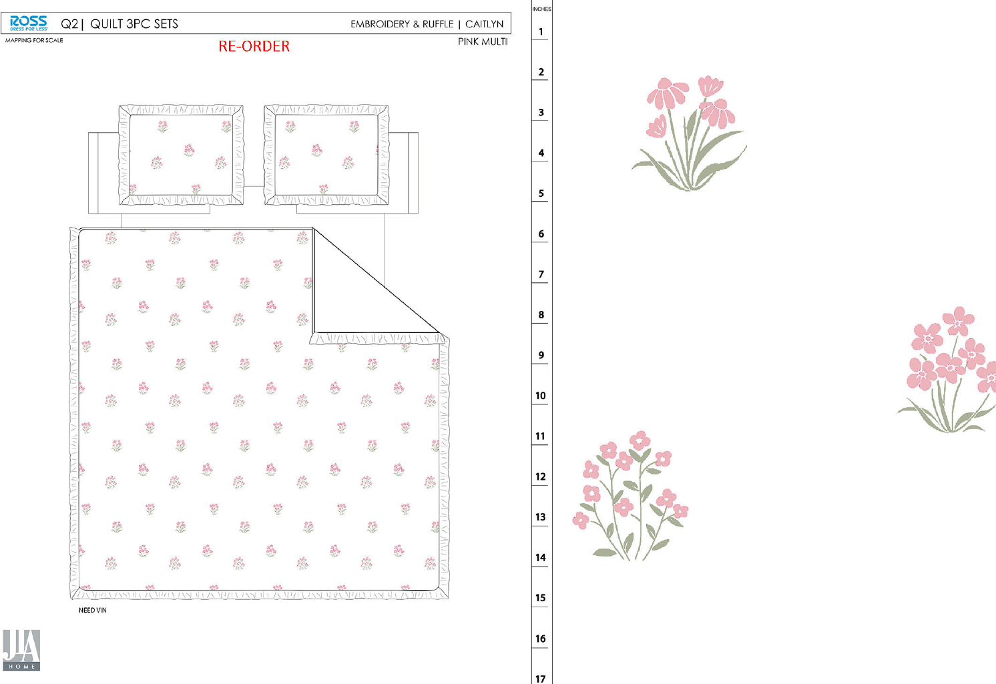 |  | QUILT | Caitlyn | 100% Polyester Hanging embroidery Quilt Set | Hanging 3pc Quilt Set | 85gsm microfiber Prewashed ultra soft finish. Embroidered w/ Ruffle edge. Stitch quilting. 180gsm Poly Fill. | 100% polyester | Full/Queen: 86x86"+2.5“/20x26+2.5"(2) | Pink |  | RS14-8429 | 022164654875 | Set | ¥80.80 | 8.10 | $9.98 | $9.98 |  | Normal | 44.0 | 41.0 | 27.0 | 5.00 | 2 | 0.049 | 2653 | 2250 | $0.85 | 9404.40.9022 | 42.80% | $4.27 | $15.10 | 0.00% | $0.00 | 0.00% | $0.00 | 0.00% | $0.00 | 0 | 0.00% | $0.00 | $0.00 | $15.10 | 11.18% | $17.00 | $17.00 | $34.99 | 51.41% | 51.41% | 700 | $10,570.00 | $11,900.00 | EEC PO#： | RS-251096 | Customer PO#: | TBD
 | 18 |  |  | QUILT | Caitlyn | 100% Polyester Hanging embroidery Quilt Set | Hanging 3pc Quilt Set | 85gsm microfiber Prewashed ultra soft finish. Embroidered w/ Ruffle edge. Stitch quilting. 180gsm Poly Fill. | 100% polyester | King:102x86+2.5"/20x36+2.5"(2) | Pink |  | RS14-8430 | 022164654882 | Set | ¥97.00 | 8.10 | $11.98 | $11.98 |  | Normal | 44.0 | 41.0 | 30.0 | 5.30 | 2 | 0.054 | 2407 | 2250 | $0.93 | 9404.40.9022 | 42.80% | $5.13 | $18.04 | 0.00% | $0.00 | 0.00% | $0.00 | 0.00% | $0.00 | 0 | 0.00% | $0.00 | $0.00 | $18.04 | 9.80% | $20.00 | $20.00 | $39.99 | 49.99% | 49.99% | 600 | $10,824.00 | $12,000.00 | Ship date: | 2025-12-23
 | 19 | 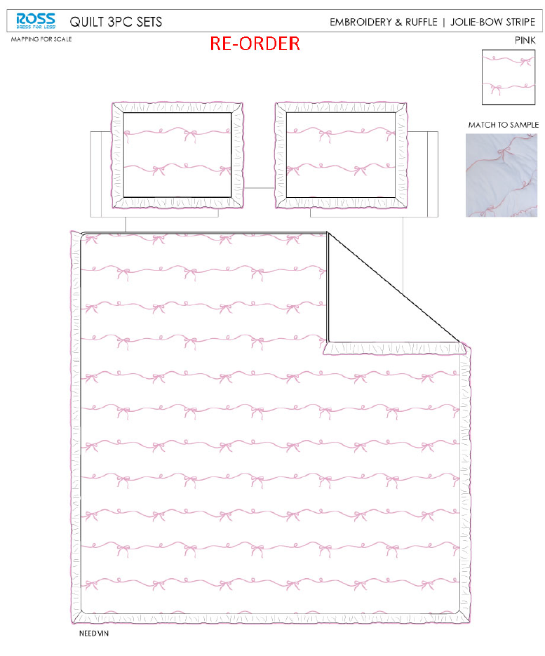 |  | QUILT | Jolie | 100% Polyester Hanging embroidery Quilt Set | Hanging 3pc Quilt Set | 85gsm microfiber Prewashed ultra soft finish. Embroidered w/ Ruffle edge. Stitch quilting. 180gsm Poly Fill. | 100% polyester | Full/Queen: 86x86"+2.5“/20x26+2.5"(2) | Pink |  | RS14-7909 | 022164537000 | Set | ¥76.44 | 8.10 | $9.44 | $9.44 |  | Normal | 44.0 | 41.0 | 27.0 | 5.00 | 2 | 0.049 | 2653 | 2250 | $0.85 | 9404.40.9022 | 42.80% | $4.04 | $14.33 | 0.00% | $0.00 | 0.00% | $0.00 | 0.00% | $0.00 | 0 | 0.00% | $0.00 | $0.00 | $14.33 | 15.71% | $17.00 | $17.00 | $34.99 | 51.41% | 51.41% | 700 | $10,031.00 | $11,900.00 | Note 1: | Port Arrival Date 2026/1/13, shipping window 1/15-1/19/2026
 | 20 |  |  | QUILT | Jolie | 100% Polyester Hanging embroidery Quilt Set | Hanging 3pc Quilt Set | 85gsm microfiber Prewashed ultra soft finish. Embroidered w/ Ruffle edge. Stitch quilting. 180gsm Poly Fill. | 100% polyester | King:102x86+2.5"/20x36+2.5"(2) | Pink |  | RS14-8194 | 022164633627 | Set | ¥94.00 | 8.10 | $11.60 | $11.60 |  | Normal | 44.0 | 41.0 | 30.0 | 5.30 | 2 | 0.054 | 2407 | 2250 | $0.93 | 9404.40.9022 | 42.80% | $4.96 | $17.49 | 0.00% | $0.00 | 0.00% | $0.00 | 0.00% | $0.00 | 0 | 0.00% | $0.00 | $0.00 | $17.49 | 12.55% | $20.00 | $20.00 | $39.99 | 49.99% | 49.99% | 600 | $10,494.00 | $12,000.00 | Note 2: | Case Pack 2, Nested pack by size, FQ Caitlyn +FQ Jolie, K Caitlyn+ K Jolie

 | 21 | 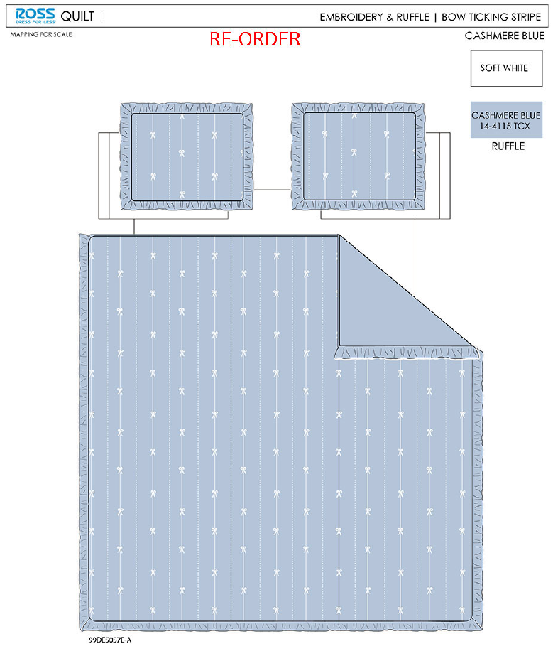 |  | QUILT | Bow Ticking Stripe | 100% Polyester Hanging embroidery Quilt Set | Hanging 3pc Quilt Set | 85gsm microfiber Prewashed ultra soft finish. Embroidered w/ Ruffle edge. Stitch quilting. 180gsm Poly Fill. | 100% polyester | Full/Queen: 86x86"+2.5“/20x26+2.5"(2) | BLUE |  | RS14-7981 | 022164580839 | Set | ¥80.80 | 8.10 | $9.98 | $9.98 |  | Normal | 44.0 | 41.0 | 27.0 | 5.00 | 2 | 0.049 | 2653 | 2250 | $0.85 | 9404.40.9022 | 42.80% | $4.27 | $15.10 | 0.00% | $0.00 | 0.00% | $0.00 | 0.00% | $0.00 | 0 | 0.00% | $0.00 | $0.00 | $15.10 | 11.18% | $17.00 | $17.00 | $34.99 | 51.41% | 51.41% | 700 | $10,570.00 | $11,900.00 | EEC PO#： | RS-251097 | Customer PO#: | TBD
 | 22 |  |  | QUILT | Bow Ticking Stripe | 100% Polyester Hanging embroidery Quilt Set | Hanging 3pc Quilt Set | 85gsm microfiber Prewashed ultra soft finish. Embroidered w/ Ruffle edge. Stitch quilting. 180gsm Poly Fill. | 100% polyester | King:102x86+2.5"/20x36+2.5"(2) | BLUE |  | RS14-7982 | 022164580846 | Set | ¥94.56 | 8.10 | $11.67 | $11.67 |  | Normal | 44.0 | 41.0 | 30.0 | 5.30 | 2 | 0.054 | 2407 | 2250 | $0.93 | 9404.40.9022 | 42.80% | $4.99 | $17.59 | 0.00% | $0.00 | 0.00% | $0.00 | 0.00% | $0.00 | 0 | 0.00% | $0.00 | $0.00 | $17.59 | 12.05% | $20.00 | $20.00 | $39.99 | 49.99% | 49.99% | 600 | $10,554.00 | $12,000.00 | Ship date: | 2025-12-23
 | 23 | 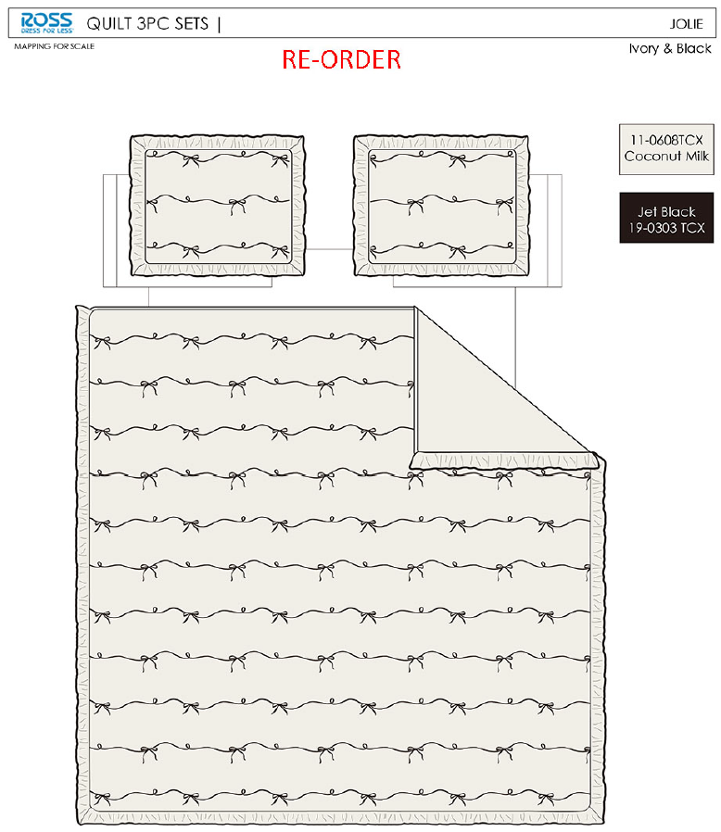 |  | QUILT | Jolie | 100% Polyester Hanging embroidery Quilt Set | Hanging 3pc Quilt Set | 85gsm microfiber Prewashed ultra soft finish. Embroidered w/ Ruffle edge. Stitch quilting. 180gsm Poly Fill. | 100% polyester | Full/Queen: 86x86"+2.5“/20x26+2.5"(2) | Ivory& Black |  | RS14-8381 | 022164649994 | Set | ¥76.44 | 8.10 | $9.44 | $9.44 |  | Normal | 44.0 | 41.0 | 27.0 | 5.00 | 2 | 0.049 | 2653 | 2250 | $0.85 | 9404.40.9022 | 42.80% | $4.04 | $14.33 | 0.00% | $0.00 | 0.00% | $0.00 | 0.00% | $0.00 | 0 | 0.00% | $0.00 | $0.00 | $14.33 | 15.71% | $17.00 | $17.00 | $34.99 | 51.41% | 51.41% | 700 | $10,031.00 | $11,900.00 | Note 1: | Port Arrival Date 2026/1/13, shipping window 1/15-1/19/2026
 | 24 |  |  | QUILT | Jolie | 100% Polyester Hanging embroidery Quilt Set | Hanging 3pc Quilt Set | 85gsm microfiber Prewashed ultra soft finish. Embroidered w/ Ruffle edge. Stitch quilting. 180gsm Poly Fill. | 100% polyester | King:102x86+2.5"/20x36+2.5"(2) | Ivory& Black |  | RS14-8382 | 022164650006 | Set | ¥94.00 | 8.10 | $11.60 | $11.60 |  | Normal | 44.0 | 41.0 | 30.0 | 5.30 | 2 | 0.054 | 2407 | 2250 | $0.93 | 9404.40.9022 | 42.80% | $4.96 | $17.49 | 0.00% | $0.00 | 0.00% | $0.00 | 0.00% | $0.00 | 0 | 0.00% | $0.00 | $0.00 | $17.49 | 12.55% | $20.00 | $20.00 | $39.99 | 49.99% | 49.99% | 600 | $10,494.00 | $12,000.00 | Note 2: | Case Pack 2, Nested pack by size, FQ Bow Ticking Stripe +FQ Jolie, K Bow Ticking Stripe+ K Jolie

 | 25 |  |  | QUILT | Caitlyn | 100% Polyester Hanging embroidery Quilt Set | Hanging 3pc Quilt Set | 85gsm microfiber Prewashed ultra soft finish. Embroidered w/ Ruffle edge. Stitch quilting. 180gsm Poly Fill. | 100% polyester | Twin: 63x86"+2.5“/20x26+2.5"(1) | Pink |  | RS14-8440 | 022164654981 | Set | ¥60.50 | 8.10 | $7.47 | $7.47 |  | Normal | 44.0 | 41.0 | 25.0 | 5.00 | 2 | 0.045 | 2889 | 2250 | $0.78 | 9404.40.9022 | 42.80% | $3.20 | $11.45 | 0.00% | $0.00 | 0.00% | $0.00 | 0.00% | $0.00 | 0 | 0.00% | $0.00 | $0.00 | $11.45 | 11.92% | $13.00 | $13.00 | $24.99 | 47.98% | 47.98% | 750 | $8,587.50 | $9,750.00 | EEC PO#： | RS-251098 | Customer PO#: | TBD
 | 26 |  |  | QUILT | Jolie | 100% Polyester Hanging embroidery Quilt Set | Hanging 3pc Quilt Set | 85gsm microfiber Prewashed ultra soft finish. Embroidered w/ Ruffle edge. Stitch quilting. 180gsm Poly Fill. | 100% polyester | Twin: 63x86"+2.5“/20x26+2.5"(1) | Pink |  | RS14-7908 | 022164536997 | Set | ¥56.84 | 8.10 | $7.02 | $7.02 |  | Normal | 44.0 | 41.0 | 25.0 | 5.30 | 2 | 0.045 | 2889 | 2250 | $0.78 | 9404.40.9022 | 42.80% | $3.00 | $10.80 | 0.00% | $0.00 | 0.00% | $0.00 | 0.00% | $0.00 | 0 | 0.00% | $0.00 | $0.00 | $10.80 | 16.92% | $13.00 | $13.00 | $24.99 | 47.98% | 47.98% | 750 | $8,100.00 | $9,750.00 | Ship date: | 2025-12-23
 | 27 |  |  | QUILT | Bow Ticking Stripe | 100% Polyester Hanging embroidery Quilt Set | Hanging 3pc Quilt Set | 85gsm microfiber Prewashed ultra soft finish. Embroidered w/ Ruffle edge. Stitch quilting. 180gsm Poly Fill. | 100% polyester | Twin: 63x86"+2.5“/20x26+2.5"(1) | BLUE |  | RS14-7980 | 022164580822 | Set | ¥60.50 | 8.10 | $7.47 | $7.47 |  | Normal | 44.0 | 41.0 | 25.0 | 5.00 | 2 | 0.045 | 2889 | 2250 | $0.78 | 9404.40.9022 | 42.80% | $3.20 | $11.45 | 0.00% | $0.00 | 0.00% | $0.00 | 0.00% | $0.00 | 0 | 0.00% | $0.00 | $0.00 | $11.45 | 11.92% | $13.00 | $13.00 | $24.99 | 47.98% | 47.98% | 750 | $8,587.50 | $9,750.00 | Note 1: | Port Arrival Date 2026/1/13, shipping window 1/15-1/19/2026
 | 28 |  |  | QUILT | Jolie | 100% Polyester Hanging embroidery Quilt Set | Hanging 3pc Quilt Set | 85gsm microfiber Prewashed ultra soft finish. Embroidered w/ Ruffle edge. Stitch quilting. 180gsm Poly Fill. | 100% polyester | Twin: 63x86"+2.5“/20x26+2.5"(1) | Ivory& Black |  | RS14-8594 | 022164678413 | Set | ¥56.84 | 8.10 | $7.02 | $7.02 |  | Normal | 44.0 | 41.0 | 25.0 | 5.30 | 2 | 0.045 | 2889 | 2250 | $0.78 | 9404.40.9022 | 42.80% | $3.00 | $10.80 | 0.00% | $0.00 | 0.00% | $0.00 | 0.00% | $0.00 | 0 | 0.00% | $0.00 | $0.00 | $10.80 | 16.92% | $13.00 | $13.00 | $24.99 | 47.98% | 47.98% | 750 | $8,100.00 | $9,750.00 | Note 2: | Case Pack 2, Nested pack by size, T Caitlyn +T Jolie, T Bow Ticking Stripe+ T Jolie
 |  |  |  |  |  |  |  |  |  |  |  |  |  |  |  |  |  |  |  |  |  |  |  |  |  |  |  |  |  |  |  |  |  |  |  |  |  |  |  |  |  |  |  |  |  |  |  |  |  |  | 15.44% | 17220 | $224,789.68 | $265,848.72

9.12.2025 Miya quote
 |  |  |  |  |  | 30% CHINA TARIFF
Image | Pattern | Item Description | Fabrication | Size / Spec. | Color | JLA LDP quote - POE LA | Carton Size |  |  | Case Pack | QTY
 |  |  |  |  |  |  | L | W | H
 |  |  |  |  |  |  | cm | cm | cm
Jan
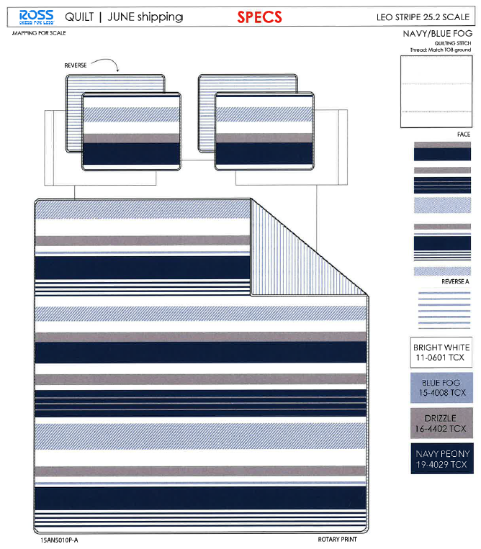 | Leo Stripe (reorder) | 3pc Hanging Print Quilt | Face& Back：85gsm microfiber disperse print Filling：180gsm slick Poly Fill. | Twin: 66x86"/20x26+1/2"(1) |  | 47.3 | 44 | 41 | 23 | 2 | 948
 |  |  |  | Full/Queen: 86x86"/20x26+1/2"(2) |  | 60.7 | 44 | 41 | 25 | 2 | 632
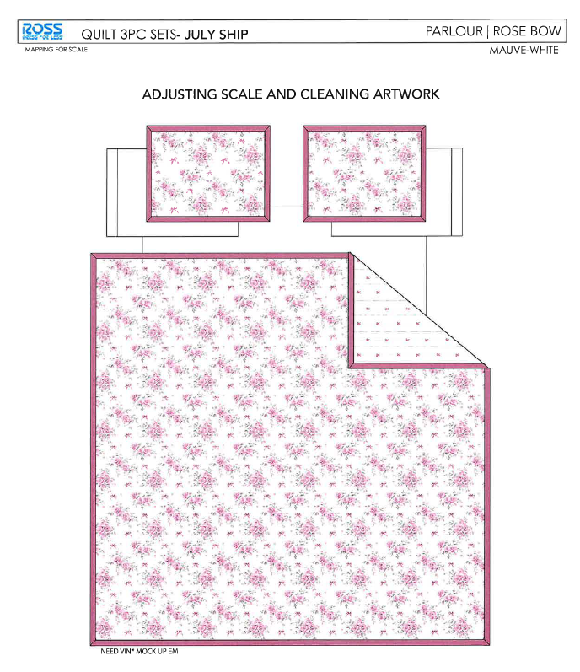 | Rose Bow mauve (reorder) | 3pc Hanging Print Quilt | Face& Back：85gsm microfiber disperse print Filling：180gsm slick Poly Fill. Quilt 1.5"包边, sham四周1.5"无芯嵌条 | Twin: 66x86"/20x26+1.5"(1) |  | 51.3 | 44 | 41 | 23 | 2 | 948
 |  |  |  | Full/Queen: 86x86"/20x26+1.5"(2) |  | 66.9 | 44 | 41 | 25 | 2 | 632
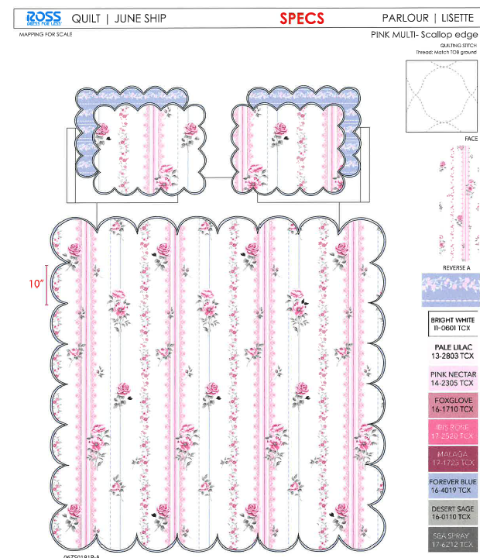 | Lisette (reorder) | 3pc Hanging Print Quilt | Face& Back：85gsm microfiber disperse print, with flange Filling：180gsm slick Poly Fill. Scallop edge | Twin: 66x86"/20x26+1.5"(1) |  | 47.5 | 44 | 41 | 23 | 2
 |  |  |  | Full/Queen: 86x86"/20x26+1.5"(2) |  | 61.2 | 44 | 41 | 25 | 2 | 710
 |  |  |  | King: 102x86"/20x36+1.5"(2) |  | 70.5 | 44 | 41 | 28 | 2 | 710
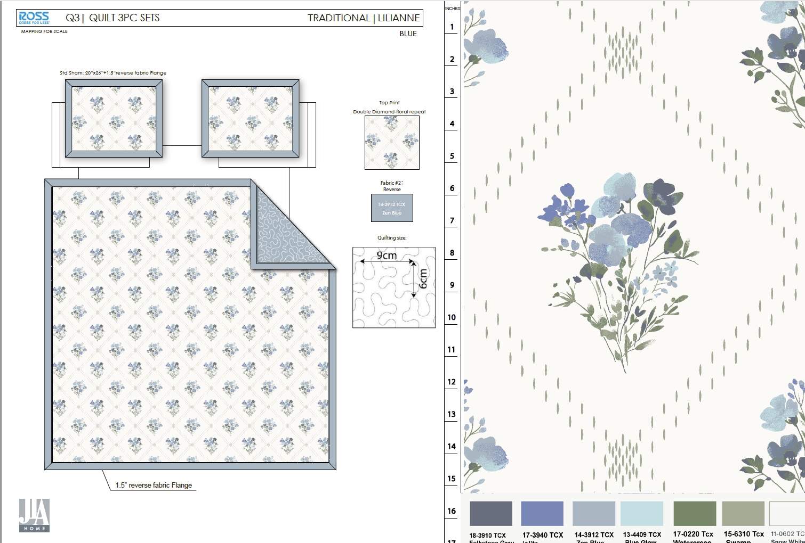 | Lilianne + flange | 3pc Hanging Print Quilt | Face：85gsm microfiber disperse print Back：85gsm microfiber solid Filling：180gsm slick Poly Fill. Quilt 1.5"包边, sham四周1.5"无芯嵌条 | Twin: 66x86"/20x26+1.5"(1) |  | 50.3 | 44 | 41 | 23 | 2
 |  |  |  | Full/Queen: 86x86"/20x26+1.5"(2) |  | 65.7 | 44 | 41 | 25 | 2 | 710
 |  |  |  | King: 102x86"/20x36+1.5"(2) |  | 75.1 | 44 | 41 | 28 | 2 | 710
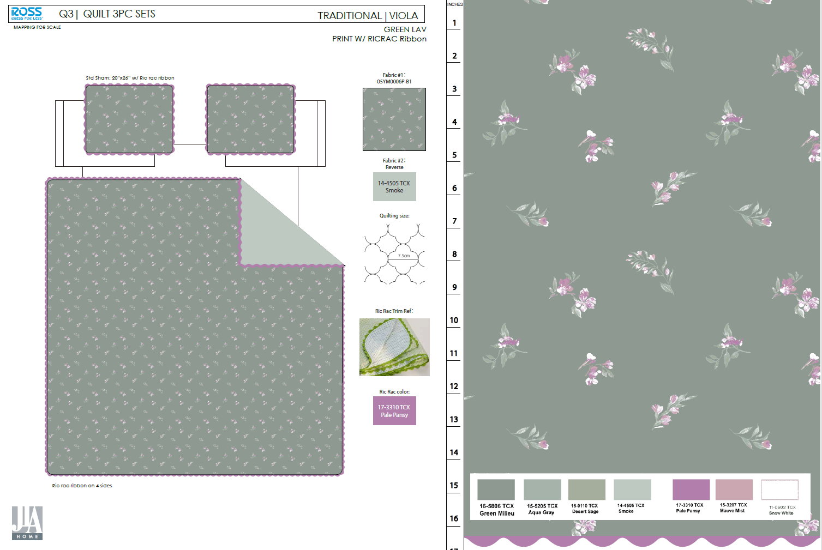 | Viola | 3pc Hanging Print Quilt | Face：85gsm microfiber disperse print Back：85gsm microfiber solid Filling：180gsm slick Poly Fill. With ricrac ribbon | Twin: 66x86"/20x26+1/2"(1) |  | 61.8 | 44 | 41 | 23 | 2 | 296
 |  |  |  | Full/Queen: 86x86"/20x26+1/2"(2) |  | 80.5 | 44 | 41 | 25 | 2 | 740
 |  |  |  | King: 102x86"/20x36+1/2"(2) |  | 90.7 | 44 | 41 | 28 | 2 | 444
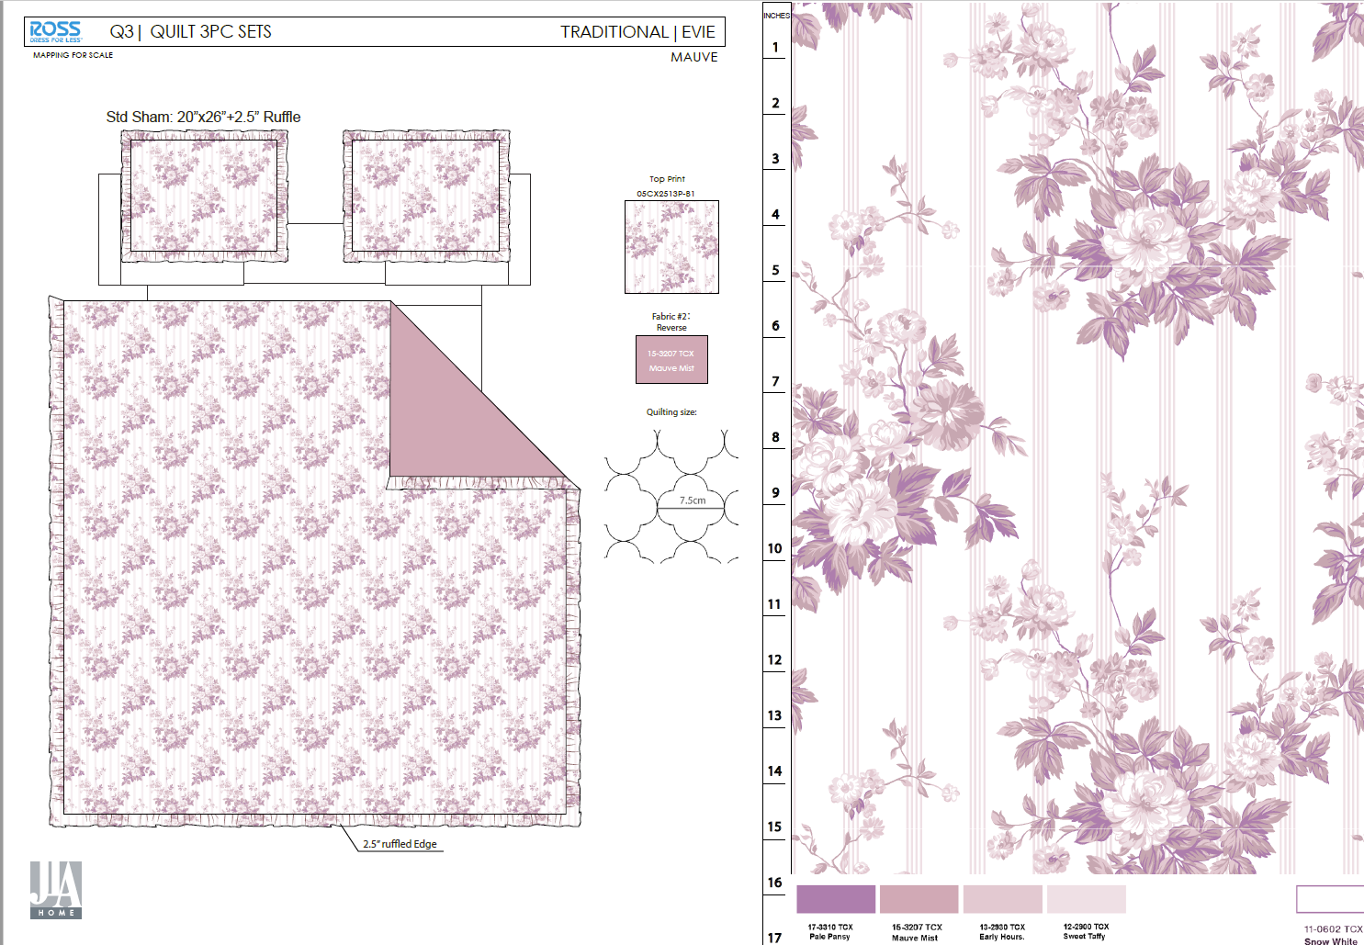 | Evie + Ruffle | 3pc Hanging Print Quilt | Face& Back：85gsm microfiber disperse print, with 2.5" ruffle Filling：180gsm slick Poly Fill. | Twin: 66x86"/20x26+2.5"(1) |  | 50.5 | 44 | 41 | 23 | 2 | 296
 |  |  |  | Full/Queen: 86x86+2.5"/20x26+2.5"(2) |  | 66 | 44 | 41 | 25 | 2 | 740
 |  |  |  | King: 102x86+2.5"/20x36+2.5"(2) |  | 76.1 | 44 | 41 | 28 | 2 | 444

250912 update
 | Viola | 3pc Hanging Print Quilt | Face：85gsm microfiber disperse print Back：85gsm microfiber solid Filling：180gsm slick Poly Fill. With ricrac ribbon sham去掉花边，quilt保留四周花边 | Twin: 66x86"/20x26+1/2"(1) |  | 58.5 | 44 | 41 | 23 | 2 | 296
 |  |  |  | Full/Queen: 86x86"/20x26+1/2"(2) |  | 75.9 | 44 | 41 | 25 | 2 | 740
 |  |  |  | King: 102x86"/20x36+1/2"(2) |  | 86.4 | 44 | 41 | 28 | 2 | 444
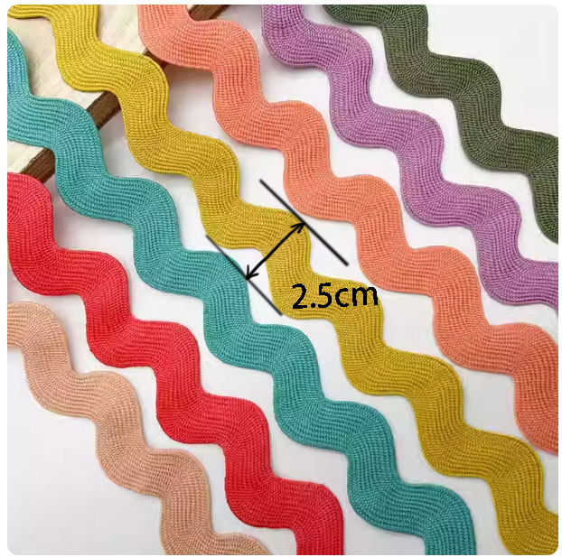 | Viola | 3pc Hanging Print Quilt | Face：85gsm microfiber disperse print Back：85gsm microfiber solid Filling：180gsm slick Poly Fill. With ricrac ribbon sham去掉花边，quilt三周花边 | Twin: 66x86"/20x26+1/2"(1) |  | 55.8 | 44 | 41 | 23 | 2 | 296
 |  |  |  | Full/Queen: 86x86"/20x26+1/2"(2) |  | 72.5 | 44 | 41 | 25 | 2 | 740
 |  |  |  | King: 102x86"/20x36+1/2"(2) |  | 82.5 | 44 | 41 | 28 | 2 | 444

Photo | Pattern | Item Description | Fabrication | Size / Spec. | 30% CHINA TARIFF | Carton Size
 |  |  |  |  | JLA LDP quote - POE LA | L | W | H
 |  |  |  |  |  | cm | cm | cm
Dec EMBROIDERY container 1
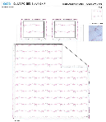 | Jolie | 3pc Hanging Print Quilt | 85gsm microfiber Prewashed ultra soft finish. Embroidered w/ Ruffle edge. Stitch quilting. 180gsm Poly Fill. | Twin: 63x86"+2.5“/20x26+2.5"(1) | 56.84 | 44 | 41 | 25
 |  |  |  | Full/Queen: 86x86"+2.5“/20x26+2.5"(2) | 76.44 | 44 | 41 | 27
 |  |  |  | King:102x86+2.5"/20x36+2.5"(2) | 94 | 44 | 41 | 30
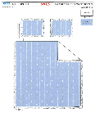 | Bow Ticking Stripe | 3pc Hanging Print Quilt | 85gsm microfiber Prewashed ultra soft finish. Embroidered with Ruffle edge. Stitch quilting. 180gsm Poly Fill. | Twin: 63x86"+2.5“/20x26+2.5"(1) | 60.5 | 44 | 41 | 25
 |  |  |  | Full/Queen: 86x86"+2.5“/20x26+2.5"(2) | 80.8 | 44 | 41 | 27
 |  |  |  | King: 102x86"+2.5“/20x36+2.5"(2) | 94.56 | 44 | 41 | 30
 | Caitlyn | 3pc Hanging Print Quilt | 85gsm microfiber Prewashed ultra soft finish. Embroidered w/ Ruffle edge. Stitch quilting. 180gsm Poly Fill. | Twin: 63x86"+2.5“/20x26+2.5"(1) | 60.5 | 44 | 41 | 25
 |  |  |  | Full/Queen: 86x86+2.5"/20x26+2.5"(2) | 80.8 | 44 | 41 | 27
 |  |  |  | King: 102x86+2.5"/20x36+2.5"(2) | 97 | 44 | 41 | 30

