Summary
Name（产品名称） | Description | Color | Size | item# | image | AD广告样数量 quantity(pcs) | 箱数CTN | CTN#
Cuddler Bed-Flannel，平口方窝 | VL Pink Flannel Waffle textured bed S | PINK | 17*21+6" | WM63BB6489SM |  | 3 | 1 | 1 | 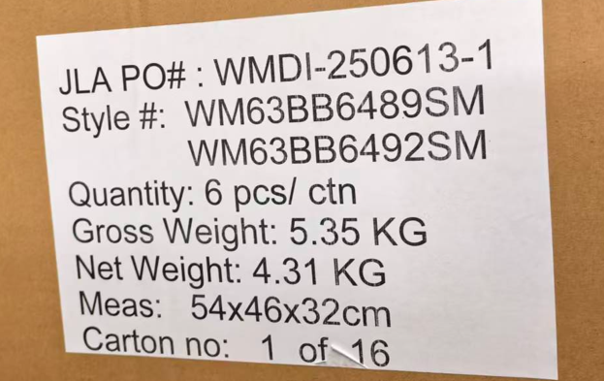
Cuddler Bed-Flannel，平口方窝 | VL Pink Flannel Waffle textured bed S | NAVY | 17*21+6" | WM63BB6492SM |  | 3
Cuddler Bed-Flannel，平口方窝 | VL Pink Flannel Waffle textured bed M | PINK | 21*25+6.5” | WM63BB6490MD |  | 3 | 1 | 2 | 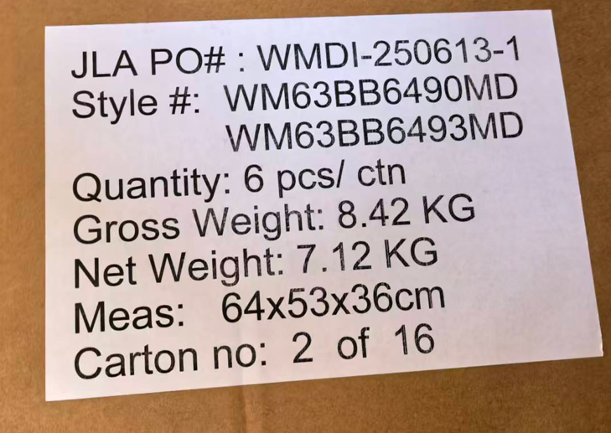
Cuddler Bed-Flannel，平口方窝 | VL Pink Flannel Waffle textured bed M | NAVY | 21*25+6.5” | WM63BB6493MD |  | 3
Cuddler Bed-Flannel，平口方窝 | VL Pink Flannel Waffle textured bed L | PINK | 27*36+7.5" | WM63BB6491LG |  | 3 | 1 | 3 | 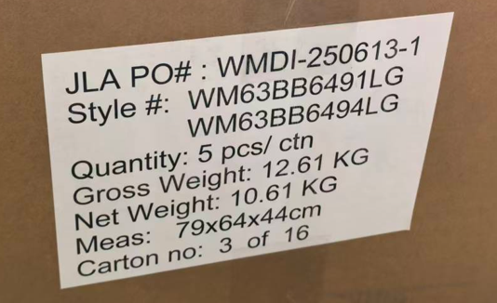
Cuddler Bed-Flannel，平口方窝 | VL Pink Flannel Waffle textured bed L | NAVY | 27*36+7.5" | WM63BB6494LG |  | 2
Cuddler Bed-Flannel，平口方窝 | VL Green Flannel Waffle textured bed S | Olive green | 17*21+6" | WM63BB6495SM |  | 3 | 1 | 4 | 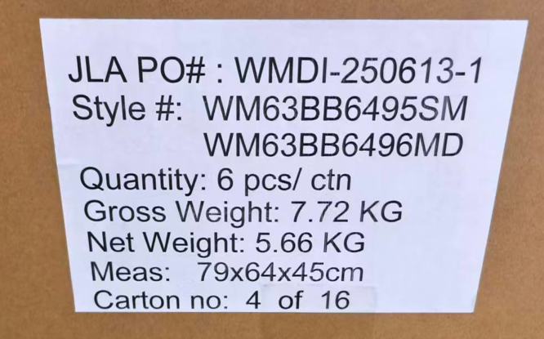
Cuddler Bed-Flannel，平口方窝 | VL Green Flannel Waffle textured bed M | Olive green | 21*25+6.5” | WM63BB6496MD |  | 3
Cuddler Bed-Flannel，平口方窝 | VL Green Flannel Waffle textured bed L | Olive green | 27*36+7.5" | WM63BB6497LG |  | 2 | 1 | 5 | 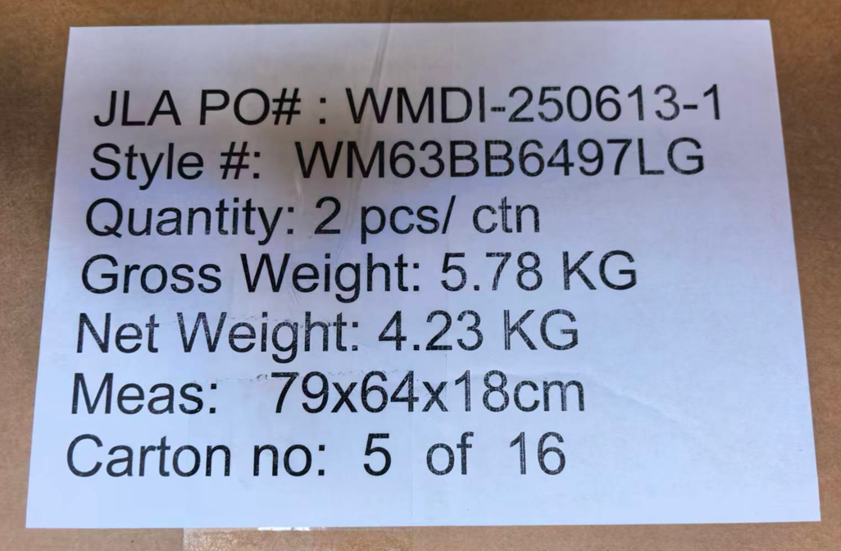
Low Entry Cuddler，平口浅窝 | VL Blue Cuddler printed M | NAVY | 21*25+8" | WM63RC6498MD |  | 7 | 1 | 6 | 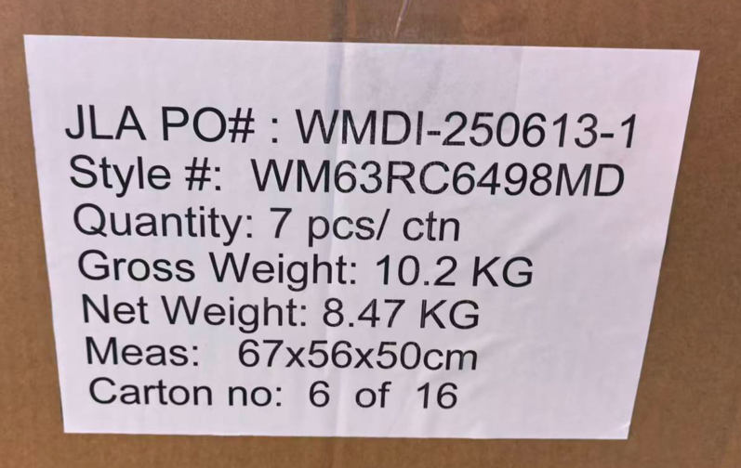
Low Entry Cuddler，平口浅窝 | VL Blue Cuddler printed L | NAVY | 27*36+9" | WM63RC6499LG |  | 6 | 1 | 7 | 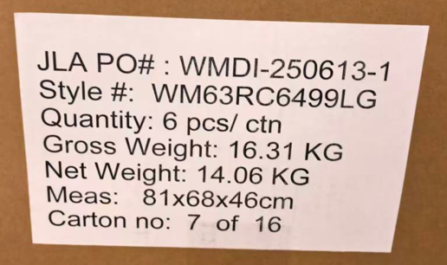
Low Entry Cuddler，平口浅窝 | VL Blue Cuddler printed M | PINK | 21*25+8" | WM63RC6500MD |  | 6 | 1 | 8 | 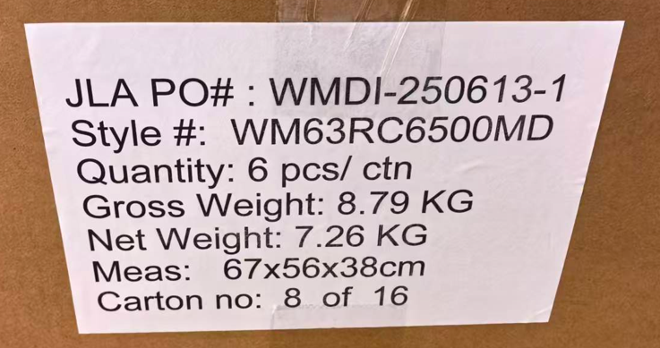
Low Entry Cuddler，平口浅窝 | VL Blue Cuddler printed L | PINK | 27*36+9" | WM63RC6501LG |  | 6 | 1 | 9 | 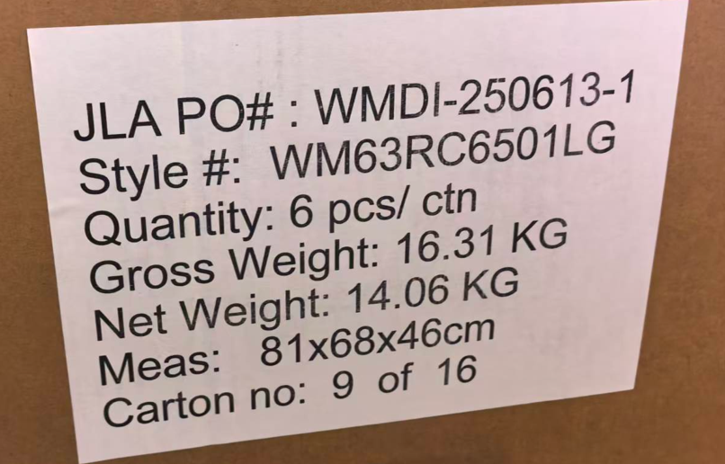
Oval Cuddler 椭圆窝 | VL Oval Cuddler Dark M | Dark Gray | 23*30+6" | WM63OC6502MD |  | 4 | 1 | 10 | 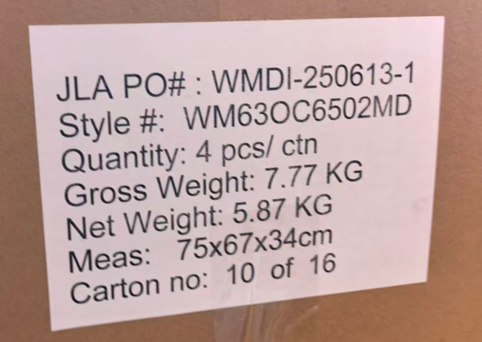
Oval Cuddler 椭圆窝 | VL Oval Cuddler Dark M | Dark Gray | 23*30+6" | WM63OC6502MD |  | 3 | 1 | 11 | 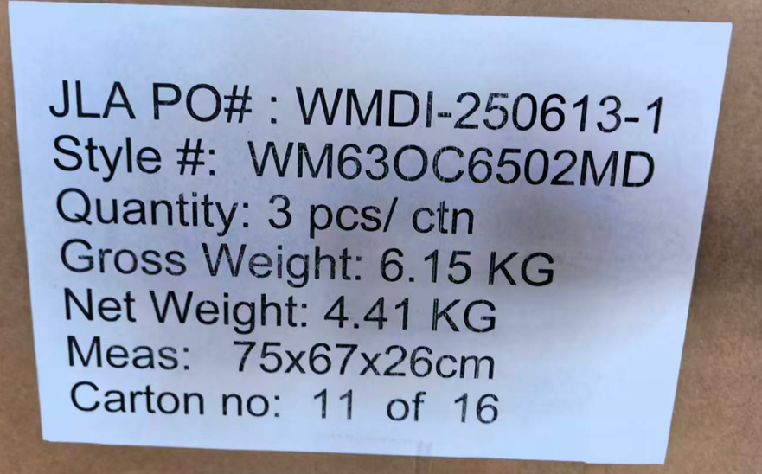
Oval Cuddler 椭圆窝 | VL Oval Cuddler Dark L | Dark Gray | 32*42+7" | WM63OC6503LG |  | 3 | 1 | 12 | 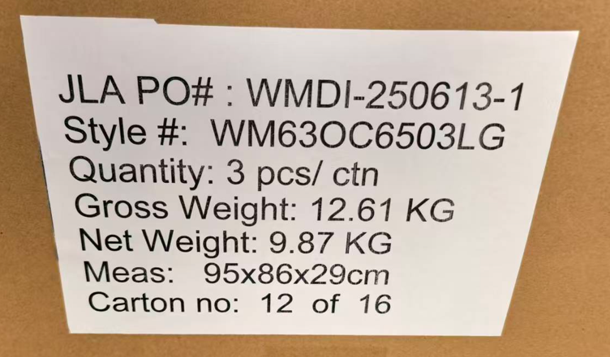
Oval Cuddler 椭圆窝 | VL Oval Cuddler Dark L | Dark Gray | 32*42+7" | WM63OC6503LG |  | 3 | 1 | 13 | 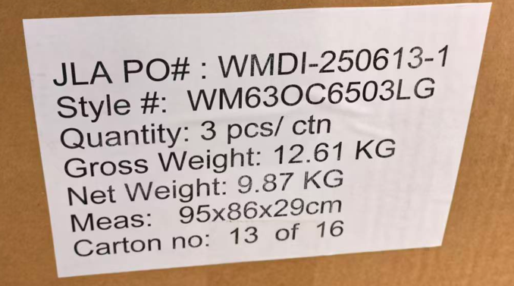
Oval Cuddler 椭圆窝 | VL Oval Cuddler Dark M | Brown | 23*30+6" | WM63OC6504MD |  | 6 | 1 | 14 | 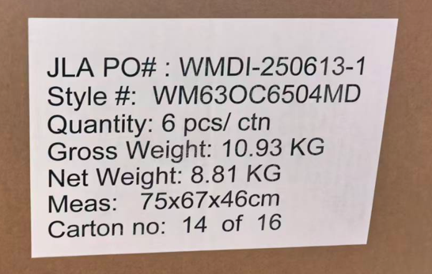
Oval Cuddler 椭圆窝 | VL Oval Cuddler Dark L | Brown | 32*42+7" | WM63OC6505LG |  | 3 | 1 | 15 | 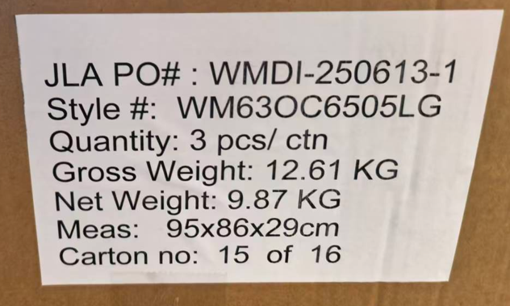
Oval Cuddler 椭圆窝 | VL Oval Cuddler Dark L | Brown | 32*42+7" | WM63OC6505LG |  | 3 | 1 | 16 | 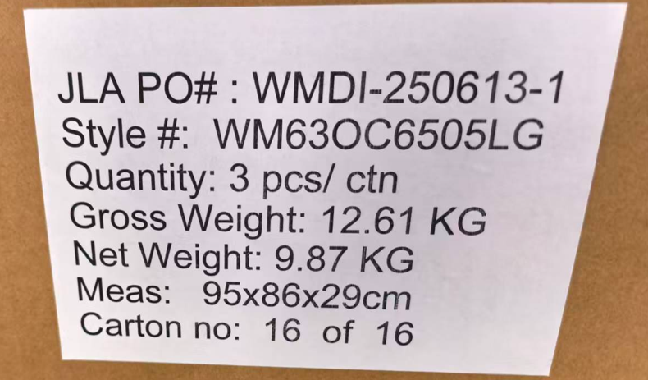
Total |  |  |  |  |  | 75 | 16

Instruction
Step 1
Open each carton
Step 2
Take out the rolling Pack
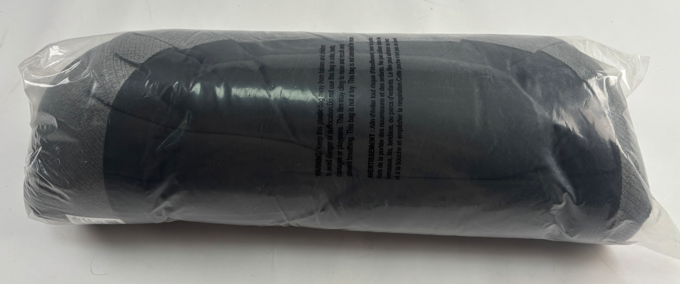
 | Ref ONLY

Step 3
Please refer to Summary tab to pick up the matching item sticke ( white background sticker listed below) Please make sure the item above the UPC code match each item.
Please refer to column E & F in Summary tab to match the item#.
Please pick up one generic upacking sticker (black background one). This sticker is generic, same for all.
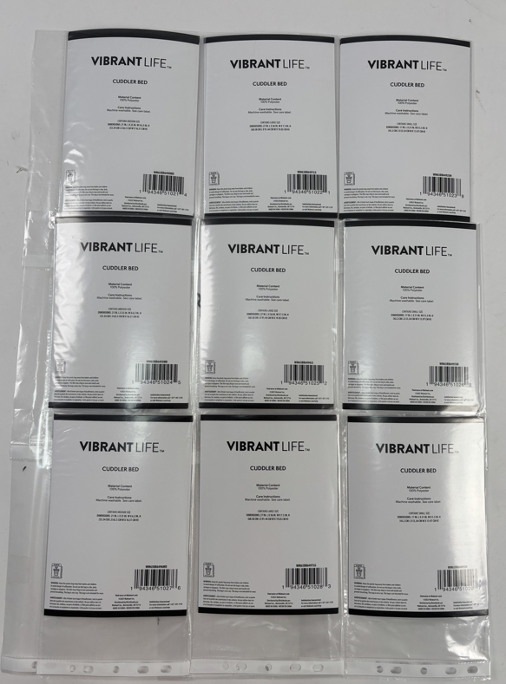
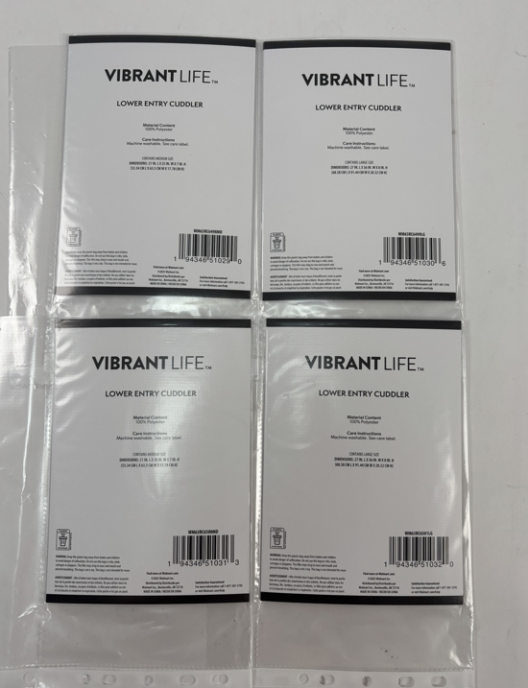
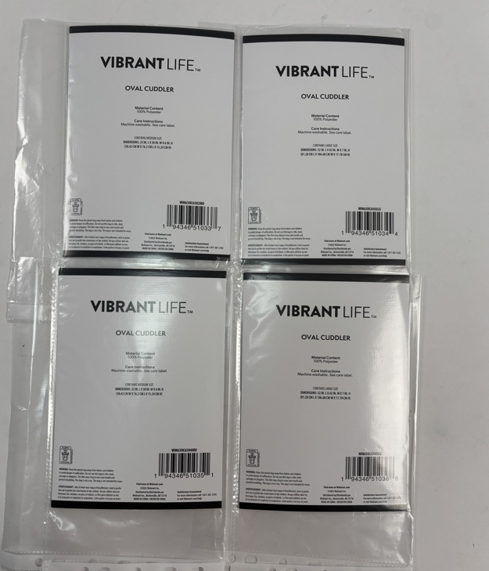

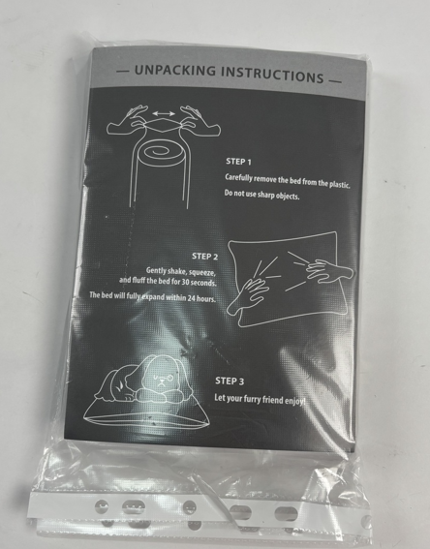

Step 4
Please apply item sticker and unpacking sticker side by side on each roll
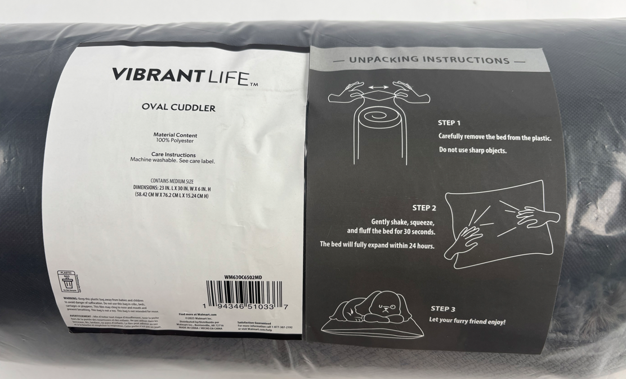

 |  | Ref ONLY

