commitment 9 17
JLA HOME |  |  |  |  |  |  |  |  |  |  |  |  |  |  |  |  |  |  |  |  |  |  |  | ；
Customer | Ross | Division | WIN | Order Type |  | Non-Replenishment |  |  |  |  | PDPM |  | Sandy Mei |  |  |  |  |  |  |  |  |  |  |  | ADUL | APL | ART | BASI | BATH | BLK | FUR | LGT | PET | PETB | RUG | SHET | WIN | YOUT | Anguilla | Argentina | Australia | Austria | Bahamas | Bangladesh | Belgium | Bermuda | Brazil | Cambodia | Canada | China | Colombia | Denmark | Egypt | France | Germany | Great Britain | Guatemala | India | Indonesia | Italy | Japan | Korea | Malaysia | Marshall Islands | Mexico | Netherlands | New Zealand | North-Korea | Pakistan | Panama | Peru | Philippine | Poland | Portugal | Puerto Rico | Russian Federation | Saint Kitts and Nevis | Saudi Arabia | Singapore | South Africa | Spain | Switzerland | Taiwan | Thailand | Turkey | United Arab Emirates | United Kingdom | USA | Venezuela | Vietnam | Virgin Islands (British)
Brand | Serta | Program Name | Ross Jefferson and Kennedy | Order Process |  | POE |  |  |  |  | UCCPM |  | Sarah Chen
Pattern | Jefferson and Kennedy | Est. Program Size | Small | Ship To Location |  | ZPP |  |  |  |  | Responsible Party |  | PM |  |  |  |  |  |  |  |  |  |  |  | Big: $300K - $1M | Big: $100K - $200K | Big: $200K - $500K | Big: $200K - $500K | Big: $100K - $200K | Big: $200K - $500K | Big: $300K - $1M | Big: $100K - $200K | Big: $100K - $200K | Big: $200K - $500K | Big: $100K - $200K | Big: $200K - $500K | Big: $100K - $200K | Big: $200K - $500K | Non-Replenishment | Rollout/Replenishment |  | FOB CA Price Quote | FOB GA Price Quote | FOB CA/GA Price Quote | FOB POE Price Quote | FOB China Price Quote
VIN/Art No. |  | Est. Total Sales |  | Country of Origin |  | China |  |  |  |  | Factory Control |  | No |  |  |  |  |  |  |  |  |  |  |  | Medium: $150K - $300K | Medium: $50K - $100K | Medium: $100K - $200K | Medium: $100K - $200K | Medium: $50K - $100K | Medium: $100K - $200K | Medium: $150K - $300K | Medium: $50K - $100K | Medium: $50K - $100K | Medium: $100K - $200K | Medium: $50K - $100K | Medium: $100K - $200K | Medium: $50K - $100K | Medium: $100K - $200K | Direct Import | Domestic: Port | Domestic: Warehouse | Domestic: Drop-Ship |  | Yes | No | PM | Planner
Customer Exclusive |  | Program Commit Date | 2025-09-17 | Overseas Production Team |  | Bang-2 |  |  |  |  | Vendor Name |  | 杭州圣仪 |  |  |  |  |  |  |  |  |  |  |  | Small: < $150K | Small: < $50K | Small: < $100K | Small: < $100K | Small: < $50K | Small: < $100K | Small: < $150K | Small: < $50K | Small: < $50K | Small: < $100K | Small: < $50K | Small: < $100K | Small: < $50K | Small: < $100K | Consolidator | Customer DC | Pick Up At Port | SV2 | SV3 | WOD | WD2 | WD2/SV3 | E&E Mississauga Warehouse
Brand | Item Name | Light Filtering Level | Item Description | Fabrication | Size | UCCPM | FOB | Feight |  |  |  |  |  |  |  | Duty |  | JLA POE Price | package | Units | Suggest Units | Total sales | Total cost | Image
 |  |  |  |  |  |  |  | Carton size |  |  | Total units per carton | CBM per Carton | Total units per 40' Cnt | Freight cost per 40' | Freight cost per item $ | HS number | Duty rate
 |  |  |  |  |  |  |  | L (cm) | W (cm) | H (cm)
Serta | Jefferson | room darkeing | 230gsm suede blackout with embossed | 100% poly | 2x37x84''，grommets | $3.90 | $4.10 | 67 | 41 | 24 | 12 | 0.066 | 11,831 | $2,500 | $0.21 | 6303.92.2010 | 48.8% | $7.50 | wooden hanger with headcard | 2400 | 2700 | $20,250.00 | $18,156.44 | 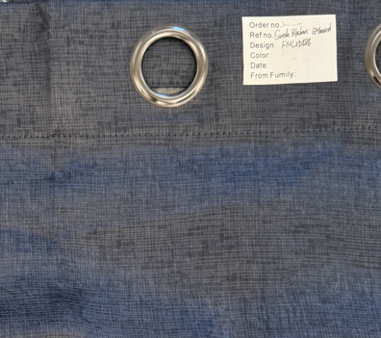
Serta | Jefferson | room darkeing | 230gsm suede blackout with embossed | 100% poly | 2x37x84''，grommets | $3.90 | $4.10 | 67 | 41 | 24 | 12 | 0.066 | 11,831 | $2,500 | $0.21 | 6303.92.2010 | 48.8% | $7.50 | wooden hanger with headcard | 2400 | 2700 | $20,250.00 | $18,156.44
Serta | Kennedy | room darkening | 260gsm thermal weave, piece dyed Jacquard | 100% poly | 2x37x84''，grommets | $4.90 | $5.15 | 67 | 41 | 25 | 12 | 0.069 | 11,358 | $2,500 | $0.22 | 6303.92.2010 | 48.8% | $9.00 | wooden hanger with headcard | 2400 | 2700 | $24,300.00 | $22,621.44
Serta | Kennedy | room darkening | 260gsm thermal weave, piece dyed Jacquard | 100% poly | 2x37x84''，grommets | $4.90 | $5.15 | 67 | 41 | 25 | 12 | 0.069 | 11,358 | $2,500 | $0.22 | 6303.92.2010 | 48.8% | $9.00 | wooden hanger with headcard | 2400 | 2700 | $24,300.00 | $22,621.44 | 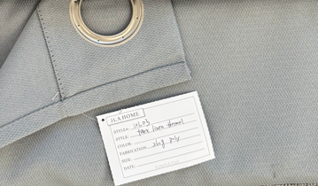
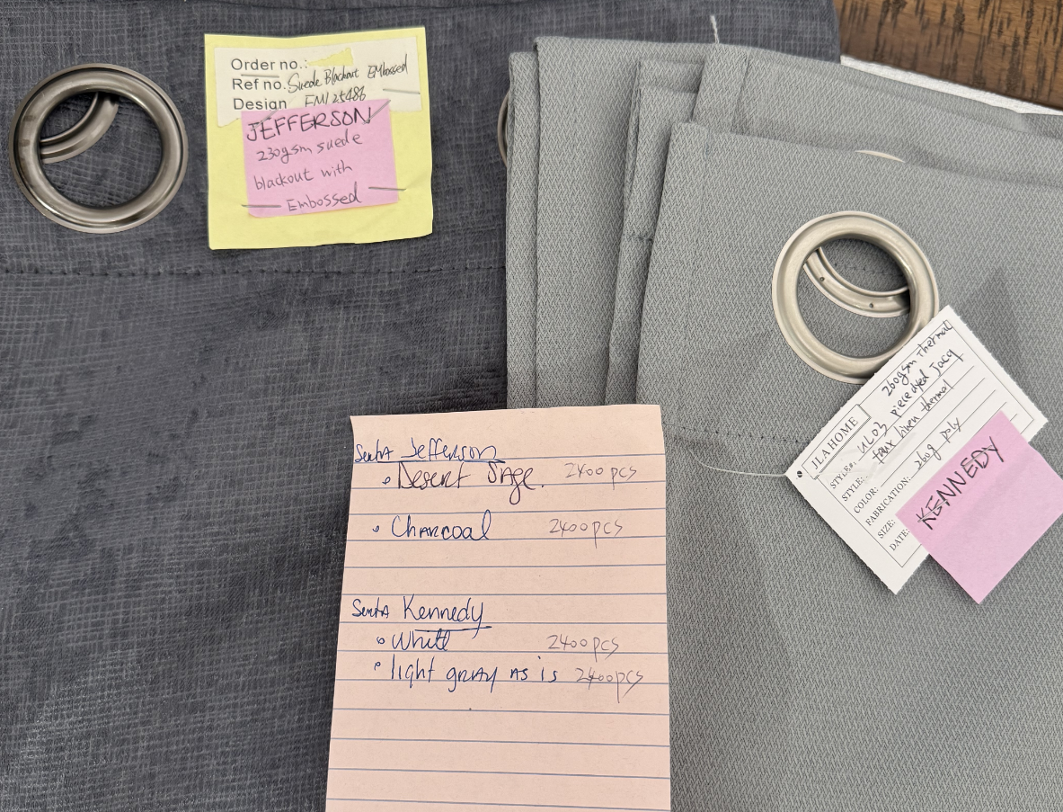
 |  |  |  |  |  |  |  |  |  |  |  |  | RS-250935 | RS PO# 11481472 |  |  |  |  |  | 53.84 | 60.57 | $89,100.00 | $81,555.77
 |  |  |  |  |  |  |  |  |  |  | Pattern | Color | Item No. | UPC |  |  |  |  |  |  | RS-250935 |  | $7,544.23
 |  |  |  |  |  |  |  |  |  |  | Jefferson | Desert sage | SH40-0414 | 022164663808 |  |  |  |  |  |  | RS PO# 11481472
 |  |  |  |  |  |  |  |  |  |  | Jefferson | Charcoal | SH40-0415 | 022164663815 |  |  |  |  |  |  | SW: 1/27-2/1/26
 |  |  |  |  |  |  |  |  |  |  | Kennedy | White | SH40-0416 | 022164663822
 |  |  |  |  |  |  |  |  |  |  | Kennedy | Light grey | SH40-0417 | 022164663839

fty 8 27
JLA HOME |  |  |  |  |  |  |  |  |  |  |  |  |  |  |  |  |  |  |  | ；
Brand | Item Name | Light Filtering Level | Item Description | Fabrication | Size | UCCPM | fty 7 24 FOB | Sandy commets 0814 |  | updated 0821 |  | FTY | Feight |  |  |  |  |  | package | Image
 |  |  |  |  |  |  |  | down spec | Target F.O.B Cost $ | UPDATED PRICE | NOTES |  | Carton size |  |  | Total units per carton | CBM per Carton | Total units per 40' Cnt
 |  |  |  |  |  |  |  |  |  |  |  |  | L (cm) | W (cm) | H (cm)
Beautyrest | Montecello | room darkening | 240GSM thermal | 100% polyester | 4x37x84''，grommets |  | $10.70 | 220gsm | $8.80 | $10.10 | 价格太贵，不建议推 | SY | 67 | 41 | 52 | 12 | 0.143 | 5,461 | wooden hanger with headcard
Beautyrest | Alexander | room darkening | 230G thermal weave | 100%polyester | 2x37x84''，grommets |  | $5.80 | 220gsm | $5.00 | $5.80 | 价格太贵，不建议推 | SY | 67 | 41 | 35 | 12 | 0.096 | 8,113 | wooden hanger with headcard | 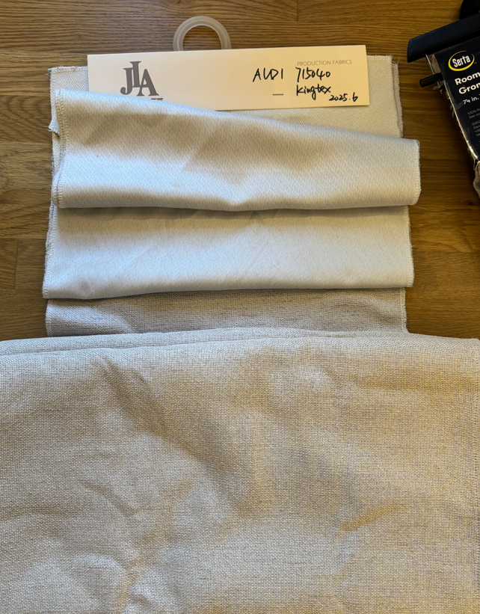
Beautyrest | Grace | room darkening | 110gsm yarn dye with 60gsm foamback | 100%polyester | 2x37x84''，grommets |  | $4.90 | 100gsm yarn dye with 50gsm foamback | $4.40 | $4.80 | 原面料的规格已经是能做的最低版本了 | SY | 67 | 41 | 32 | 12 | 0.088 | 8,873 | wooden hanger with headcard | 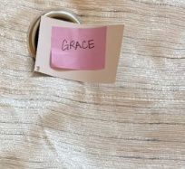
Beautyrest | Ellington | room darkening | 230G thermal | 100% poly | 2x37x84''，grommets |  | $5.80 | 220gsm | $5.00 | $5.80 | 价格太贵，不建议推 | SY | 67 | 41 | 35 | 12 | 0.096 | 8,113 | wooden hanger with headcard | 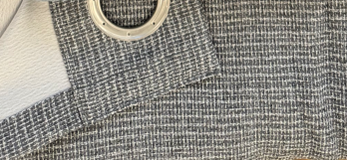
Beautyrest | Jefferson | room darkeing | 230gsm suede blackout with embossed | 100% poly | 2x37x84''，grommets |  | $4.10 | 220gsm | $3.90 | $4.10 |  | FML | 67 | 41 | 24 | 12 | 0.066 | 11,831 | wooden hanger with headcard
Beautyrest | Thomas | room darkening | 210gsm matt/matt blackout with embossed | 100%polyester | 2x37x84''，grommets |  | $4.20 |  | $3.80 | $3.80 | 210g单面光压花可以做到目标价 | FML | 67 | 41 | 24 | 12 | 0.066 | 11,831 | wooden hanger with headcard
Beautyrest | Kennedy | room darkening | 260gsm thermal weave, piece dyed Jacquard | 100% poly | 2x37x84''，grommets |  | $5.74 | 220gsm | $5.00 | $5.15 | 原样克重290，减重到260g | SY | 67 | 41 | 32 | 12 | 0.088 | 8,873 | wooden hanger with headcard
Beautyrest | Delilah | room darkening | 260gsm thermal weave, piece dyed Jacquard | 100% polyester | 2x37x84''，grommets |  | $5.74 | 220gsm | $5.00 | $5.15 | 原样克重290，减重到260g | SY | 67 | 41 | 32 | 12 | 0.088 | 8,873 | wooden hanger with headcard
Beautyrest | Tori | room darkening | 280G chenille thermal | 100% polyester | 2x37x84''，grommets |  | $5.95 | 250gsm | $5.20 | $5.20 | 改成220g去掉黑丝没有遮光性 | BEIAI | 67 | 41 | 60 | 12 | 0.165 | 4,732 | wooden hanger with headcard | 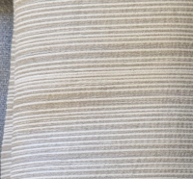
Beautyrest | Benjamin | room darkening | 310gsm yarn dyed thermal | 100% polyester | 2x37x84''，grommets |  | $6.75 | 250gsm | $5.20 | $5.20 | 改成230g去掉黑丝没有遮光性 | BEIAI | 67 | 41 | 60 | 12 | 0.165 | 4,732 | wooden hanger with headcard
Beautyrest | Kensington | room darkening | 310gsm yarn dyed thermal | 100% polyester | 2x37x84''，grommets |  | $6.75 | 250gsm | $5.20 | $5.20 | 改成230g去掉黑丝没有遮光性 | BEIAI | 67 | 41 | 60 | 12 | 0.165 | 4,732 | wooden hanger with headcard | 