Item
 |  |  | Select from ValueSelect |  |  |  |  | 30 characters |  |  |  |  |  |  |  |  |  |  |  | Copy the formula cost to here if no given value |  |  |  |  |  |  |  |  |  |  |  |  |  |  |  |  |  |  |  |  |  | free text |  |  |  |  |  |  | Copy the formula price to here if no given value
 |  |  |  |  | Required |  | Required | Required | Required | Required | Required | Required |  | DD10- |  | Required | Cost |  |  |  |  | Freight |  |  |  |  |  |  |  |  |  | Duty |  |  |  | Load |  |  |  |  |  |  |  |  |  | Price
Line No. | Photo | VIN/Art No. | Brand | Licensor | Product Category | Pattern | Item Description | Description-Short | Fabrication | Material-Short | Size/Spec. | Color | Customer Item# | Item No. | UPC | Unit of Measure | China RMB Cost | Exchange Rate | FOB Cost $ (Formula) | FOB Cost $ (Value) | UCCPM Price | Package Type | Carton Size L (cm) | Carton Size W (cm) | Carton Size H (cm) | Carton Gross Weight (kg) | Case Pack | Cubic Meter per Carton | Total Units per 40ft Container | 40ft Container Freight | Ocean Freight per Item $ | HTS Code | Duty Rate | Duty per Item $ | LDP Cost $ | DA % | DA $ | General Load % | General Load $ | Warehouse Charge % | Warehouse Charge $ | Load 1 | Load 1 % | Load 1 $ | Total Load $ | LDP Cost with Load $ | JLA LDP MU% | JLA POE Price Quote (Formula) | JLA POE Price Quote (Value) | Suggested Retail Price | Retailer Markup (Value) | Retailer Markup (Formula) | Total Quantity | Total Cost | Total Sales | S/W | ship date
1 | 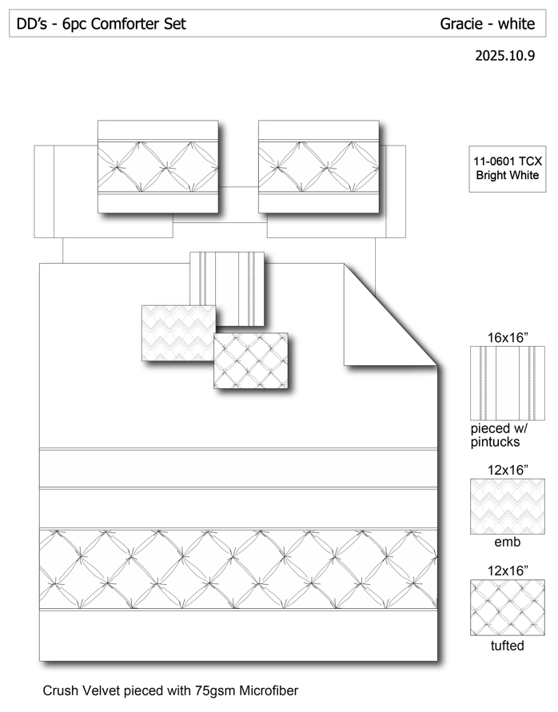 |  |  |  | COMFORTER (SET) | Gracie | 100% Polyester 6pcs Comforter Set | 6pcs Comforter Set | Comforter/shams: FRONT poly crushed velvet ruched, pieced with 75gsm Microfiber. BACK 75gsm microfiber solid. 200gsm poly fill. Dec pillow: microfiber cover, poly fill | 100% Polyester | Queen: 86x86"/20x26"(2pcs)/16x16"/12x16"/12x16" | White |  | DD10-152 | 022164673098 | Set | ¥92.00 | 8.10 | $11.36 | $11.36 | 90.00 | Normal | 56.0 | 50.0 | 48.0 | 4.07 | 2 | 0.134 | 970 | 2250 | $2.32 | 9404.40.9022 | 42.80% | $4.86 | $18.54 |  | $0.00 |  | $0.00 |  | $0.00 |  |  | $0.00 | $0.00 | $18.54 | 13.89% | $21.53 | $21.53 | $36.99 | 41.80% | 41.80% | 460 | $8,528.40 | $9,903.80 | 2/24-3/5/2026 | 2/2/2026
2 |  |  |  |  | COMFORTER (SET) | Gracie | 100% Polyester 6pcs Comforter Set | 6pcs Comforter Set | Comforter/shams: FRONT poly crushed velvet ruched, pieced with 75gsm Microfiber. BACK 75gsm microfiber solid. 200gsm poly fill. Dec pillow: microfiber cover, poly fill | 100% Polyester | King: 102x86"/20x36"(2pcs)/16x16"/12x16'/12x16" | White |  | DD10-153 | 022164673104 | Set | ¥101.00 | 8.10 | $12.47 | $12.47 | 99.00 | Normal | 56.0 | 50.0 | 52.0 | 4.27 | 2 | 0.146 | 890 | 2250 | $2.53 | 9404.40.9022 | 42.80% | $5.34 | $20.34 |  | $0.00 |  | $0.00 |  | $0.00 |  |  | $0.00 | $0.00 | $20.34 | 13.92% | $23.63 | $23.63 | $41.99 | 43.72% | 43.72% | 540 | $10,983.60 | $12,760.20
3 | 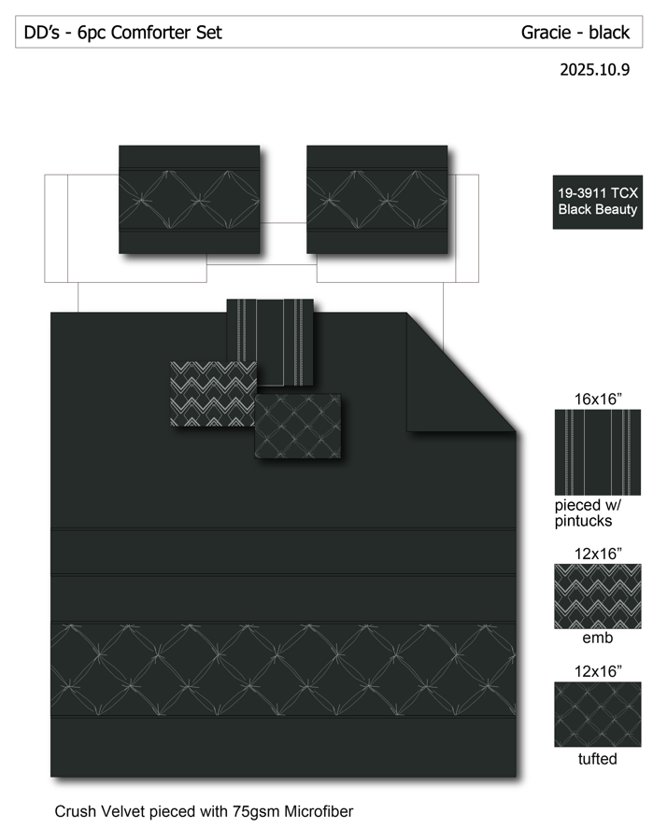 |  |  |  | COMFORTER (SET) | Gracie | 100% Polyester 6pcs Comforter Set | 6pcs Comforter Set | Comforter/shams: FRONT poly crushed velvet ruched, pieced with 75gsm Microfiber. BACK 75gsm microfiber solid. 200gsm poly fill. Dec pillow: microfiber cover, poly fill | 100% Polyester | Queen: 86x86"/20x26"(2pcs)/16x16"/12x16"/12x16" | Black |  | DD10-154 | 022164673111 | Set | ¥92.00 | 8.10 | $11.36 | $11.36 | 90.00 | Normal | 56.0 | 50.0 | 48.0 | 4.07 | 2 | 0.134 | 970 | 2250 | $2.32 | 9404.40.9022 | 42.80% | $4.86 | $18.54 |  | $0.00 |  | $0.00 |  | $0.00 |  |  | $0.00 | $0.00 | $18.54 | 13.89% | $21.53 | $21.53 | $36.99 | 41.80% | 41.80% | 460 | $8,528.40 | $9,903.80
4 |  |  |  |  | COMFORTER (SET) | Gracie | 100% Polyester 6pcs Comforter Set | 6pcs Comforter Set | Comforter/shams: FRONT poly crushed velvet ruched, pieced with 75gsm Microfiber. BACK 75gsm microfiber solid. 200gsm poly fill. Dec pillow: microfiber cover, poly fill | 100% Polyester | King: 102x86"/20x36"(2pcs)/16x16"/12x16'/12x16" | Black |  | DD10-155 | 022164673128 | Set | ¥101.00 | 8.10 | $12.47 | $12.47 | 99.00 | Normal | 56.0 | 50.0 | 52.0 | 4.27 | 2 | 0.146 | 890 | 2250 | $2.53 | 9404.40.9022 | 42.80% | $5.34 | $20.34 |  | $0.00 |  | $0.00 |  | $0.00 |  |  | $0.00 | $0.00 | $20.34 | 13.92% | $23.63 | $23.63 | $41.99 | 43.72% | 43.72% | 540 | $10,983.60 | $12,760.20
 |  |  |  |  |  |  |  |  |  |  |  |  |  |  |  |  |  |  |  |  |  |  |  |  |  |  |  |  |  |  |  |  |  |  |  |  |  |  |  |  |  |  |  |  |  |  |  |  |  |  |  | 13.9% | 2000 | $39,024.00 | $45,328.00 |  | DD-251016 | customer PO | 80672961

10.16 Miya cost
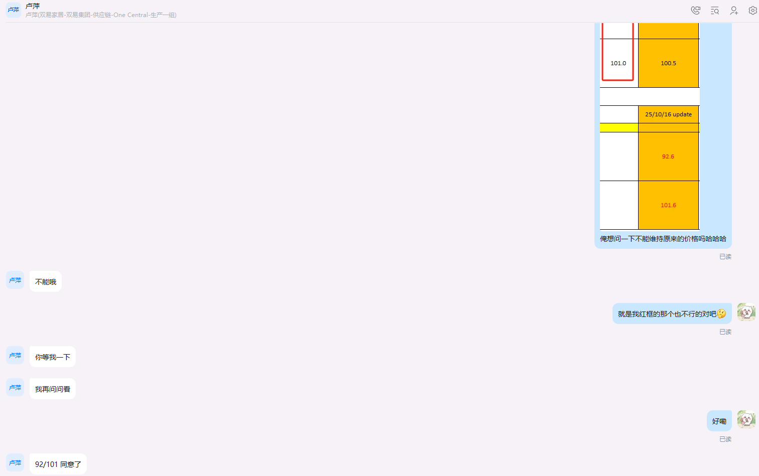
Photo | Pattern | Item Description | Fabrication | Size | China RMB Cost | 25/10/10 update | Case Pack | Carton Size（ cm） | 40HQ | 45HQ

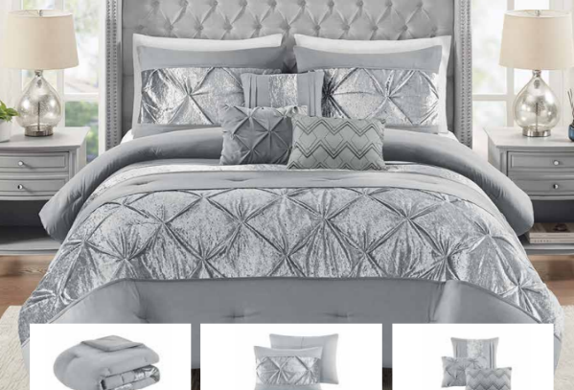 | Gracie (White&Black） | velvet comforter 6pcs set | TOB：200gsm 100% polyester velvet pieced with pleats Reverse：75gsm MF solid Filling：200gsm poly fill pillow：cover 100%polyester, poly fill | Queen: 86x86"/20x26"(2)/16*16“/12*16”/12*16“ | 92.0 | 91.5 | 3 | 56*50*72 | 900sets | 1002sets
 |  |  |  | King: 102x86"/20x36"(2)/16*16“/12*16”/12*16“ | 101.0 | 100.5 | 3 | 56*50*78

251018 UPDATE
Photo | Pattern | Item Description | Fabrication | Size |  | 25/10/16 update | Case Pack | Carton Size（ cm） | 40HQ | 45HQ

 | Gracie (White&Black） | velvet comforter 6pcs set | TOB：200gsm 100% polyester velvet pieced with pleats Reverse：75gsm MF solid Filling：200gsm poly fill pillow：cover 100%polyester, poly fill | Queen: 86x86"/20x26"(2)/16*16“/12*16”/12*16“ |  | 92.6 | 2 | 56*50*48 | 900sets | 1002sets | 92
 |  |  |  | King: 102x86"/20x36"(2)/16*16“/12*16”/12*16“ |  | 101.6 | 2 | 56*50*52 |  |  | 101

