Instructions
These boxes are with wrong carton mark and label, please replace the boxes with correct ones

Shipment ID: EE25071098
Container#: TGBU6952246
Item#: MS9544409622-08
QTY: 65 boxes

Step 1. Open the boxes with wrong carton mark and label
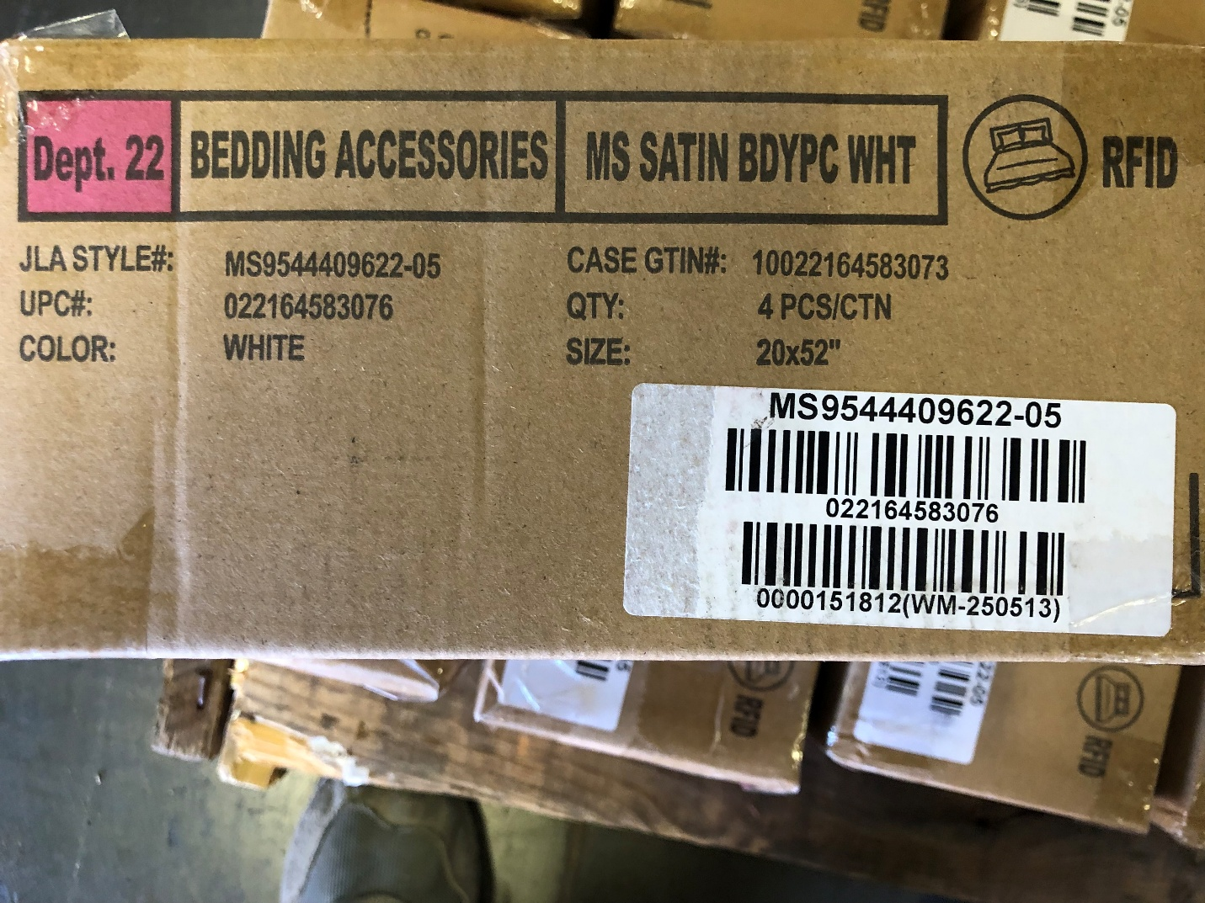

Incorrect carton mark

Step 2: Take out the products, and put them in the correct box pre-pasted with GTIN label and UPC label, and then seal the carton.
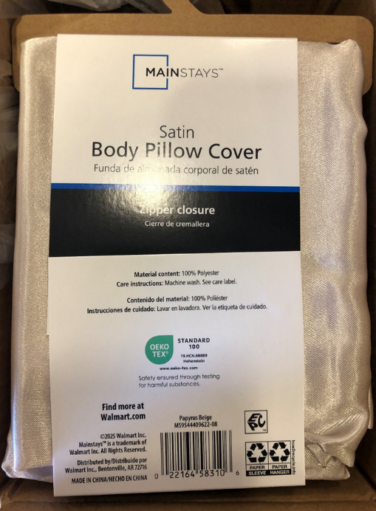
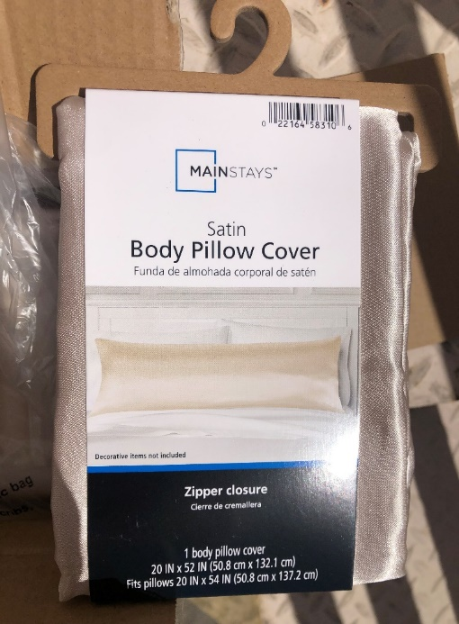
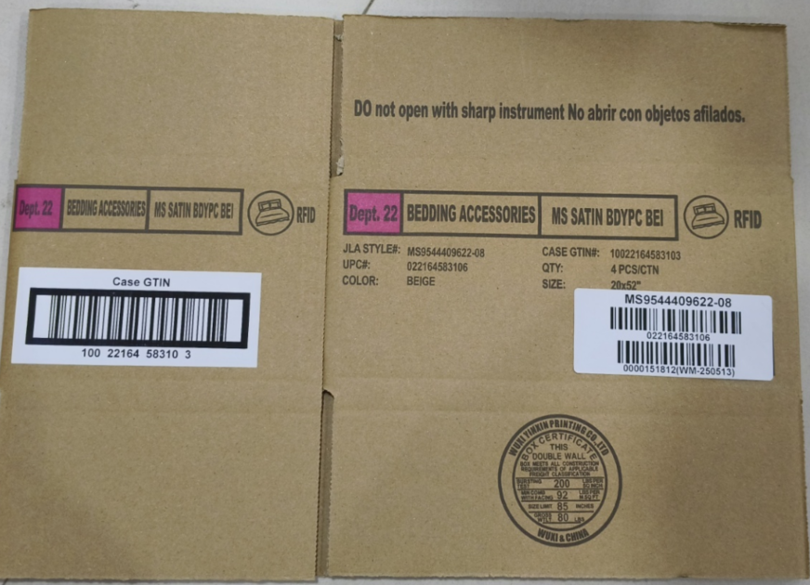
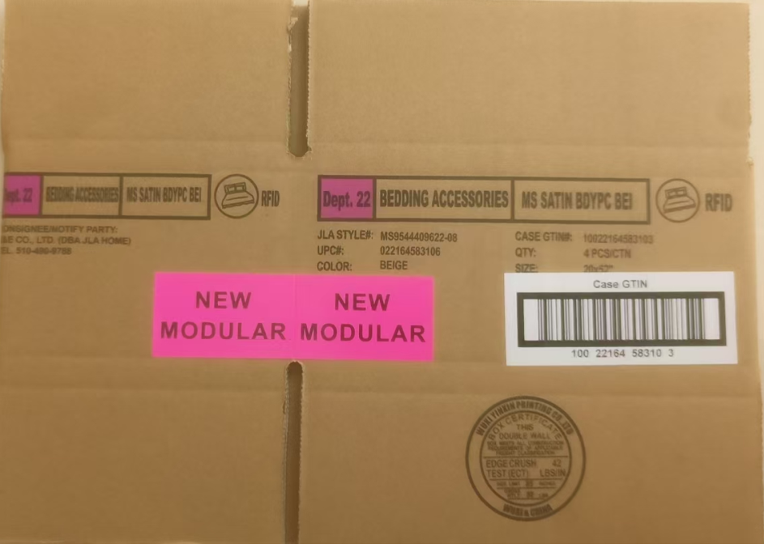

 | Correct CASE GTIN Label

