Instructions
Please print correct dual bar code stickers to cover the incorrect stickers on the outer cartons and process receiving's.

Shipment ID: EE25060996
Container#: TRHU5452580
Item#: BH8444409622-02
QTY: 15 boxes
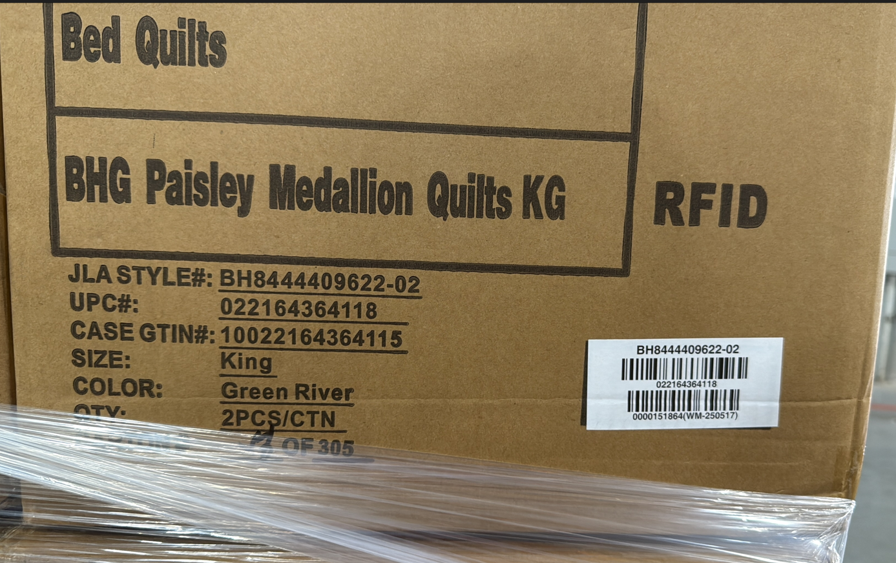

Incorrect PO#

 |  | UPC sticker with correct PO#
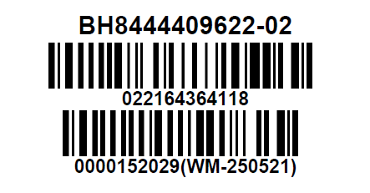

 | Correct CASE GTIN Label

