Instructions
1. Print GTIN label and place it on the outer carton

 | 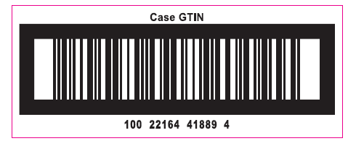 MS9444409622-05

 |  | Correct CASE GTIN Label

