Instructions
Please print correct dual bar code stickers to cover the incorrect stickers on the outer cartons and process receiving's.

Shipment ID: EE25060994
Container#: EMCU1817857
Item#: MS9444409622-02
QTY: 51 boxes

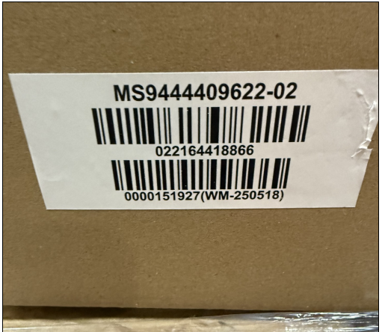

Incorrect PO#

 |  | UPC sticker with correct PO#
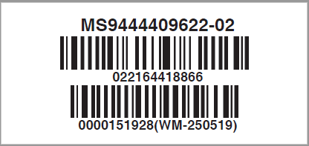

 | Correct CASE GTIN Label

