Instructions
Due to customer feedback, we need to add 1pc insert and 2 clips and replace with new item & UPC to resell.

1. change the item#&label on gift box and carton, Original item# and New FBA item# list as below for your reference.

Original item# | Original item location | UPC | New FBA Item# | UPC | FBA ITEM location | QTY | Color | size | case pack
DC54-0056A | WDC | 086569254962 | DOC54-0916 | 022164508581 | WDC | 180 | Grey | King | 3
DOC55-0788 | WDC | 022164429930 | DOC55-1003 | 022164594461 | WDC | 36 | White | Full | 4
DOC55-0789 | WDC | 022164429947 | DOC55-1004 | 022164594478 | WDC | 156 | White | Queen | 3
DOC55-0790 | WDC | 022164429954 | DOC55-1005 | 022164594485 | WDC | 204 | White | King | 3
DOC55-0791 | WDC | 022164429961 | DOC55-1006 | 022164594492 | WDC | 42 | White | Cal King | 3

2. Follow rework instruction as below step.

Step 1 Open the box and take out two samll boxs with controllers |  |  |  |  | Step 2 Take out controllers
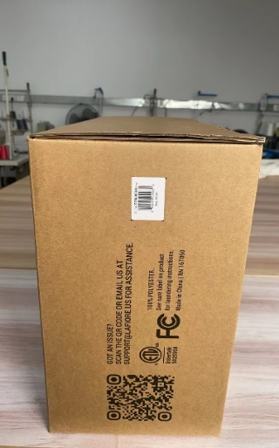
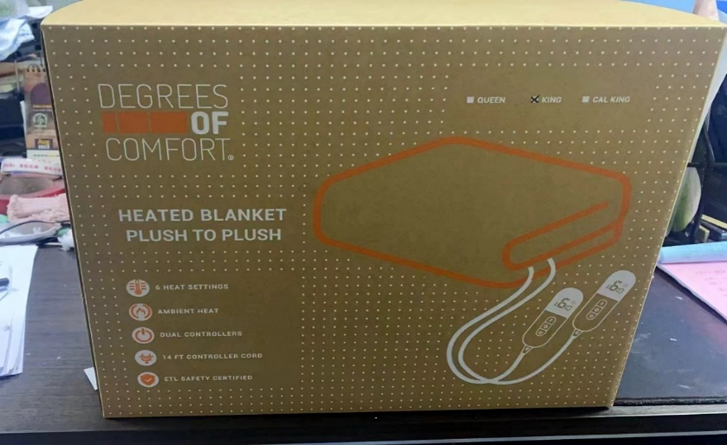
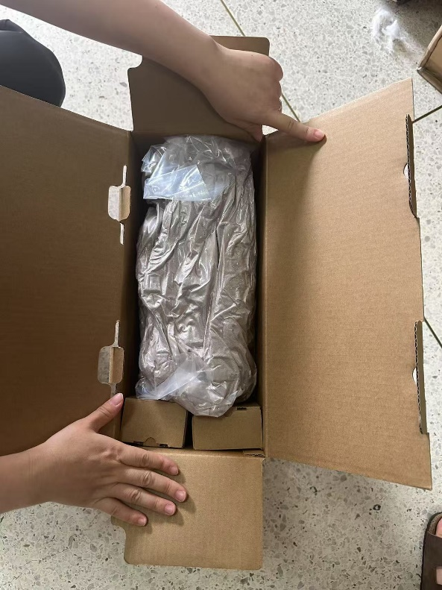
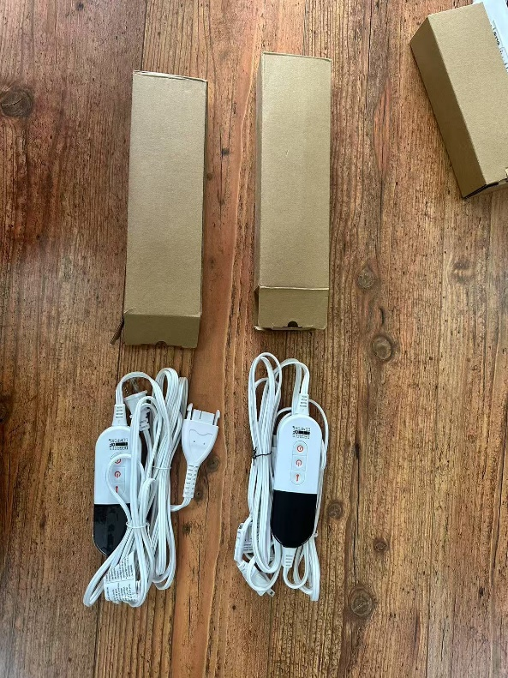

Step 4 put two clips as below position |  |  |  |  | Step 3 Take out controllers
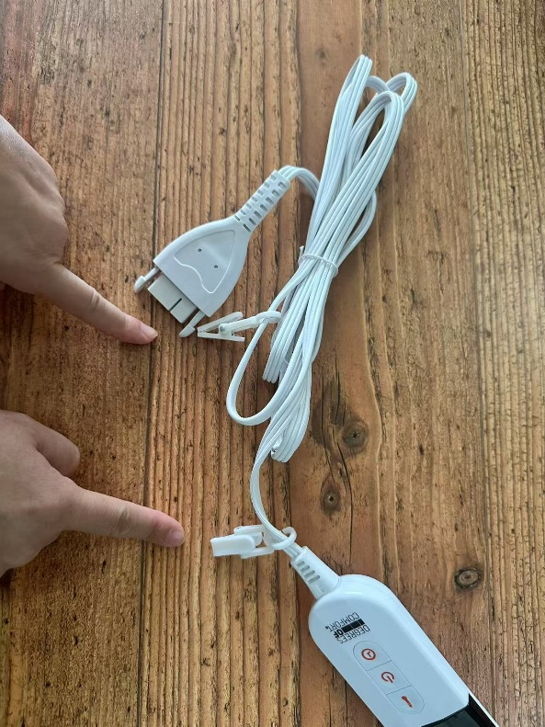
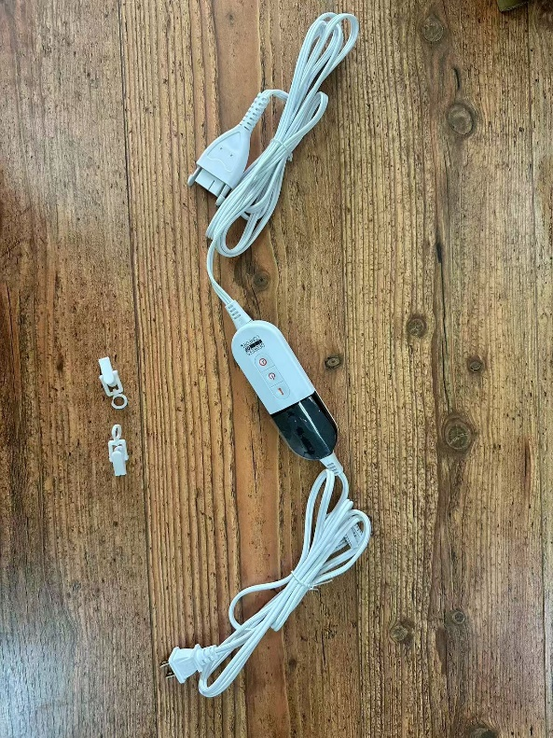

Step 5 pack back and put insert on the top of openning |  |  |  |  | Accessories from PO#PKAC-250313
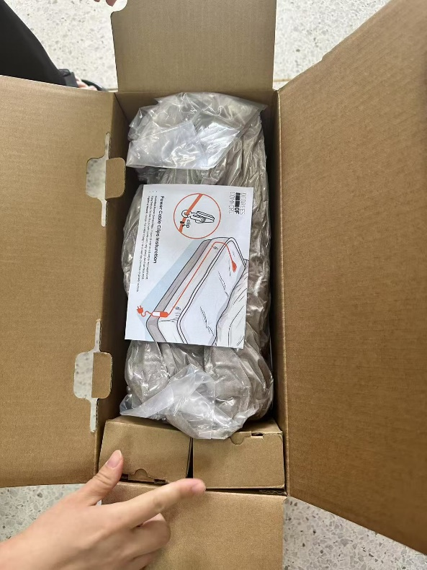
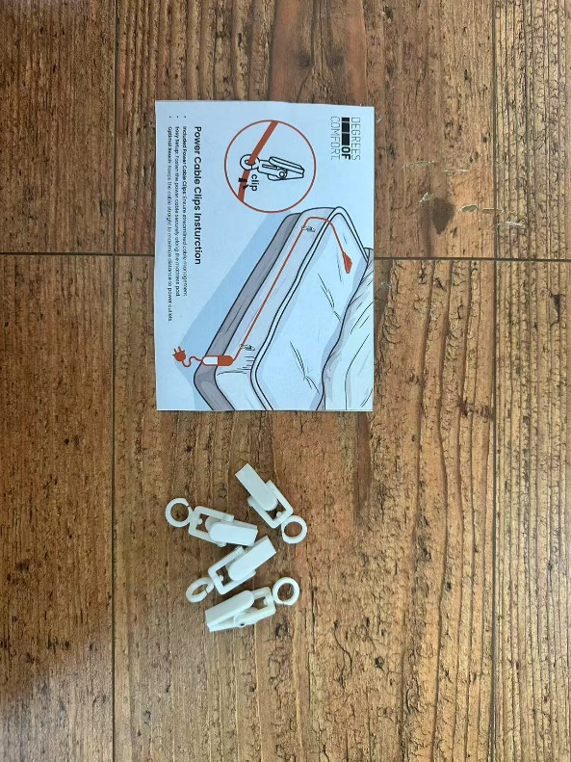

3. Keep the stock in WDC warehouse

