Instructions
1. Print GTIN label and place it on the outer carton

 | MS9444409622-11 | 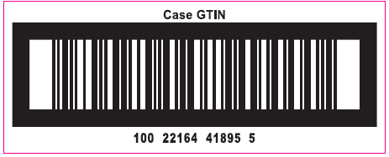

 | MS9444409622-08 | 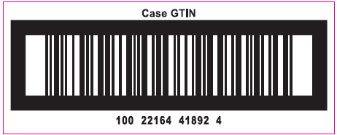

 | MS9444409622-09 | 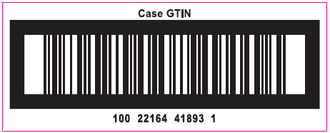

 | MS9444409622-06 | 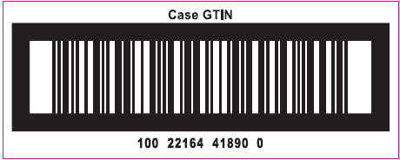

 | MS9444409622-03 | 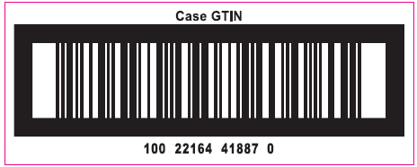

 | MS9444409622-02 | 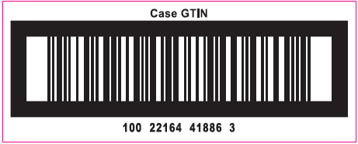

 |  |  | Correct CASE GTIN Label

