Instructions
1. Pull the ourter boxes of AM10-0006&AM10-0009 from PO#AM-240532-SL

EEC Item No. | PO# | Color | Total units | Units per master case | Total box QTY
AM10-0009 | AM-240532-SL | White | 300 | 3 | 100
AM10-0006 | AM-240532-SL | Neutral | 358 | 3 | 119

2. Open the outer box and verify whether the item numbers on the inner packs match the item number on the outer box's UPC label.

3. Open the inner box and check if the insert color matches the color of the product inside.
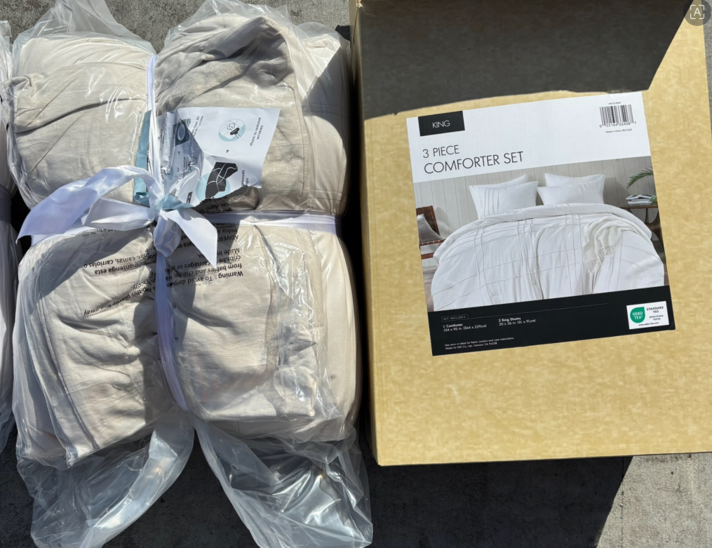
EEC Item No. | Color
AM10-0009 | White
AM10-0006 | Neutral

4. Put the incorrect items at a certain area

