Instructions
Please print correct dual bar code stickers to cover the incorrect stickers on the outer cartons and process receiving's.

Shipment ID: EE24102686
Container#: CBHU7007478
Item#: MS9444409622-11
QTY: 30 boxes

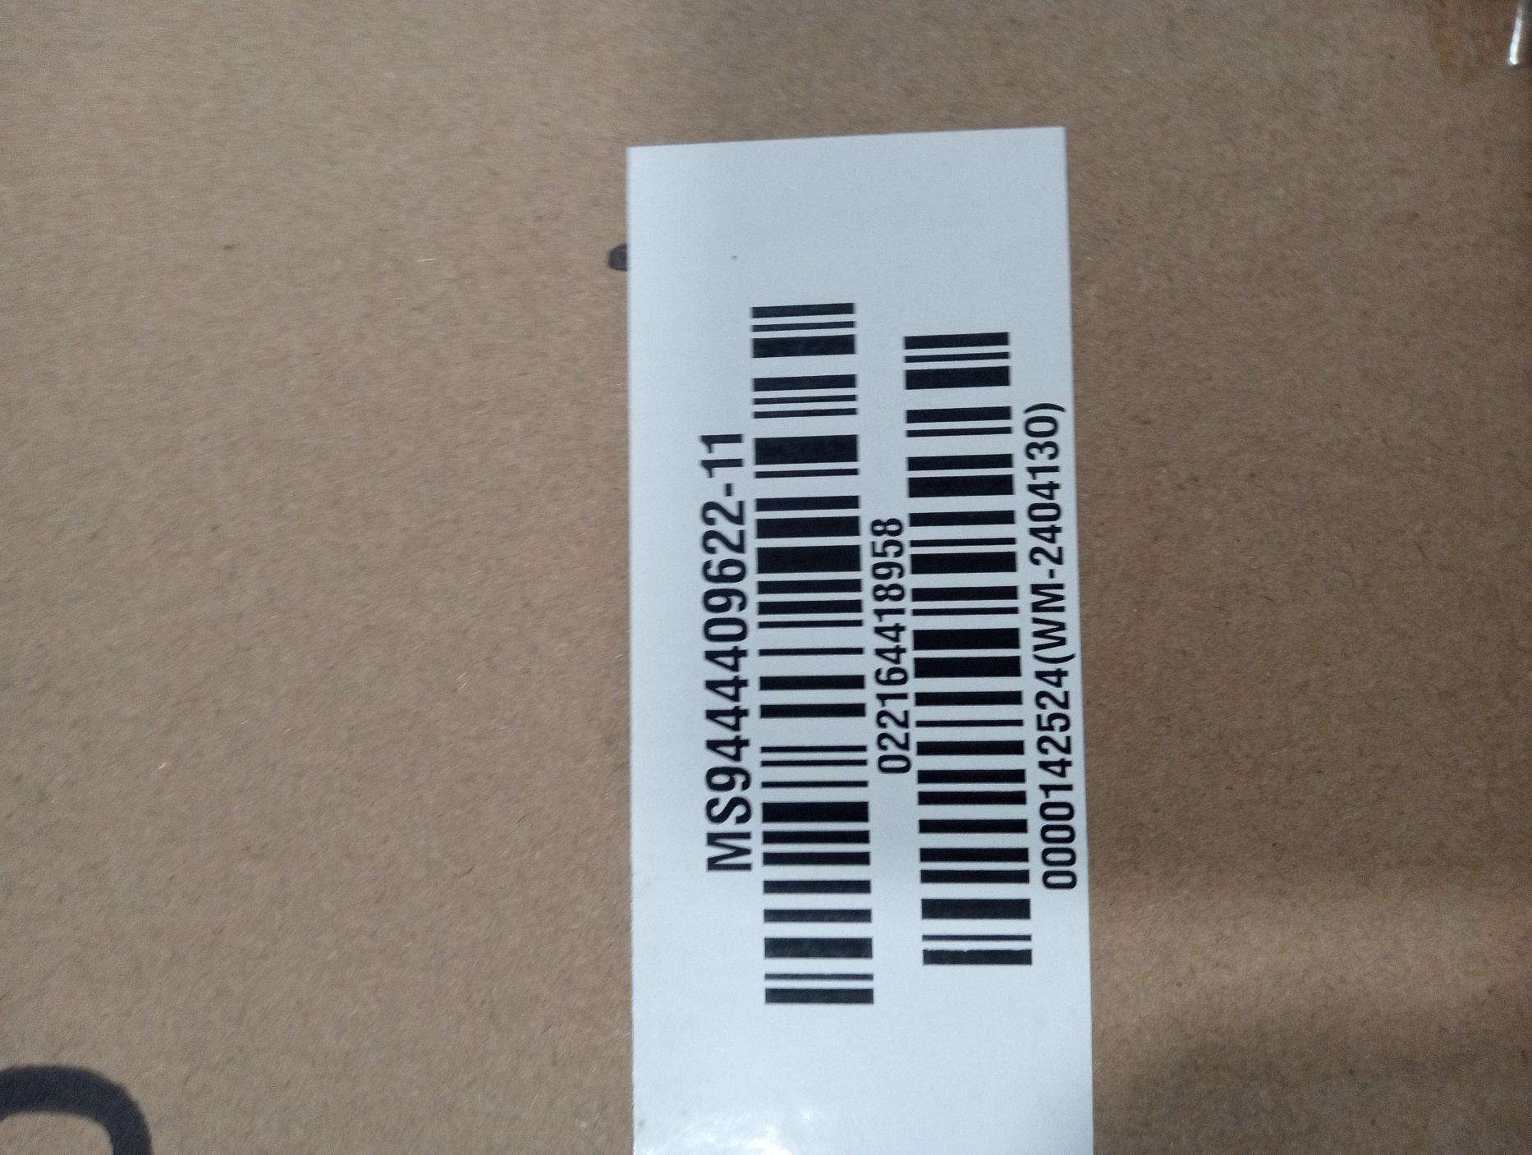

Incorrect PO#

 |  | UPC sticker with correct PO#
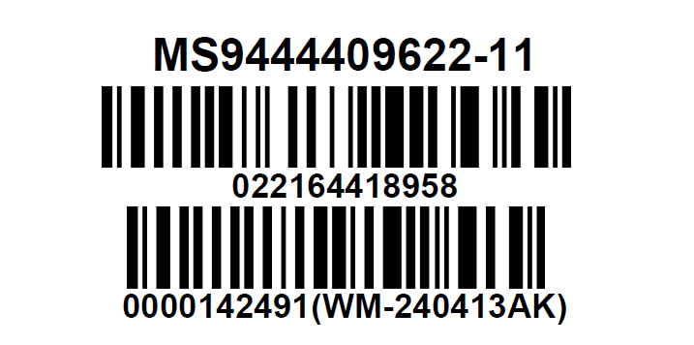

 | Correct CASE GTIN Label

