Instructions
Please print correct dual bar code stickers to cover the incorrect stickers on the outer cartons and process receiving's.

Shipment ID: EE24112874
Container#: MSMU7662978
ST30-3858，42 cartons
ST30-3859，21 cartons

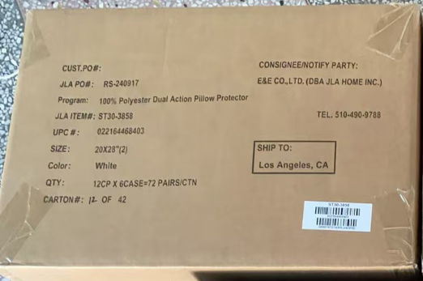

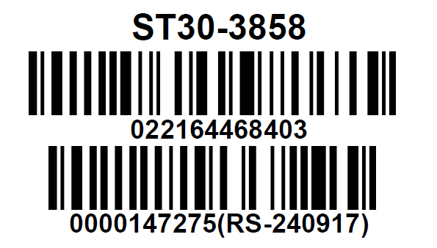

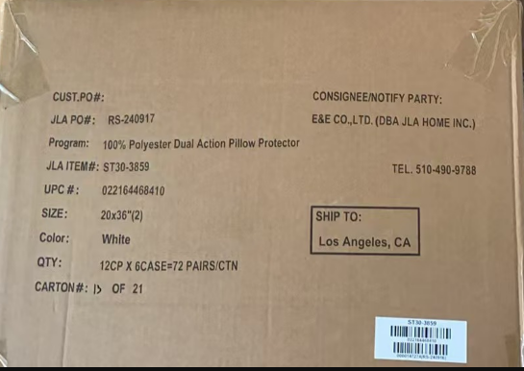

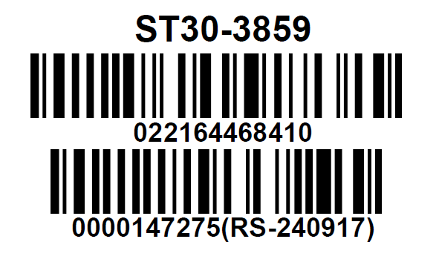

 | Correct CASE GTIN Label

