Instructions
Please print correct dual bar code stickers to cover the incorrect stickers on the outer cartons and process receiving's.

Shipment ID: EE24102669
Container#: SEGU4479328
ST30-3858，42 cartons
ST30-3859，21 cartons
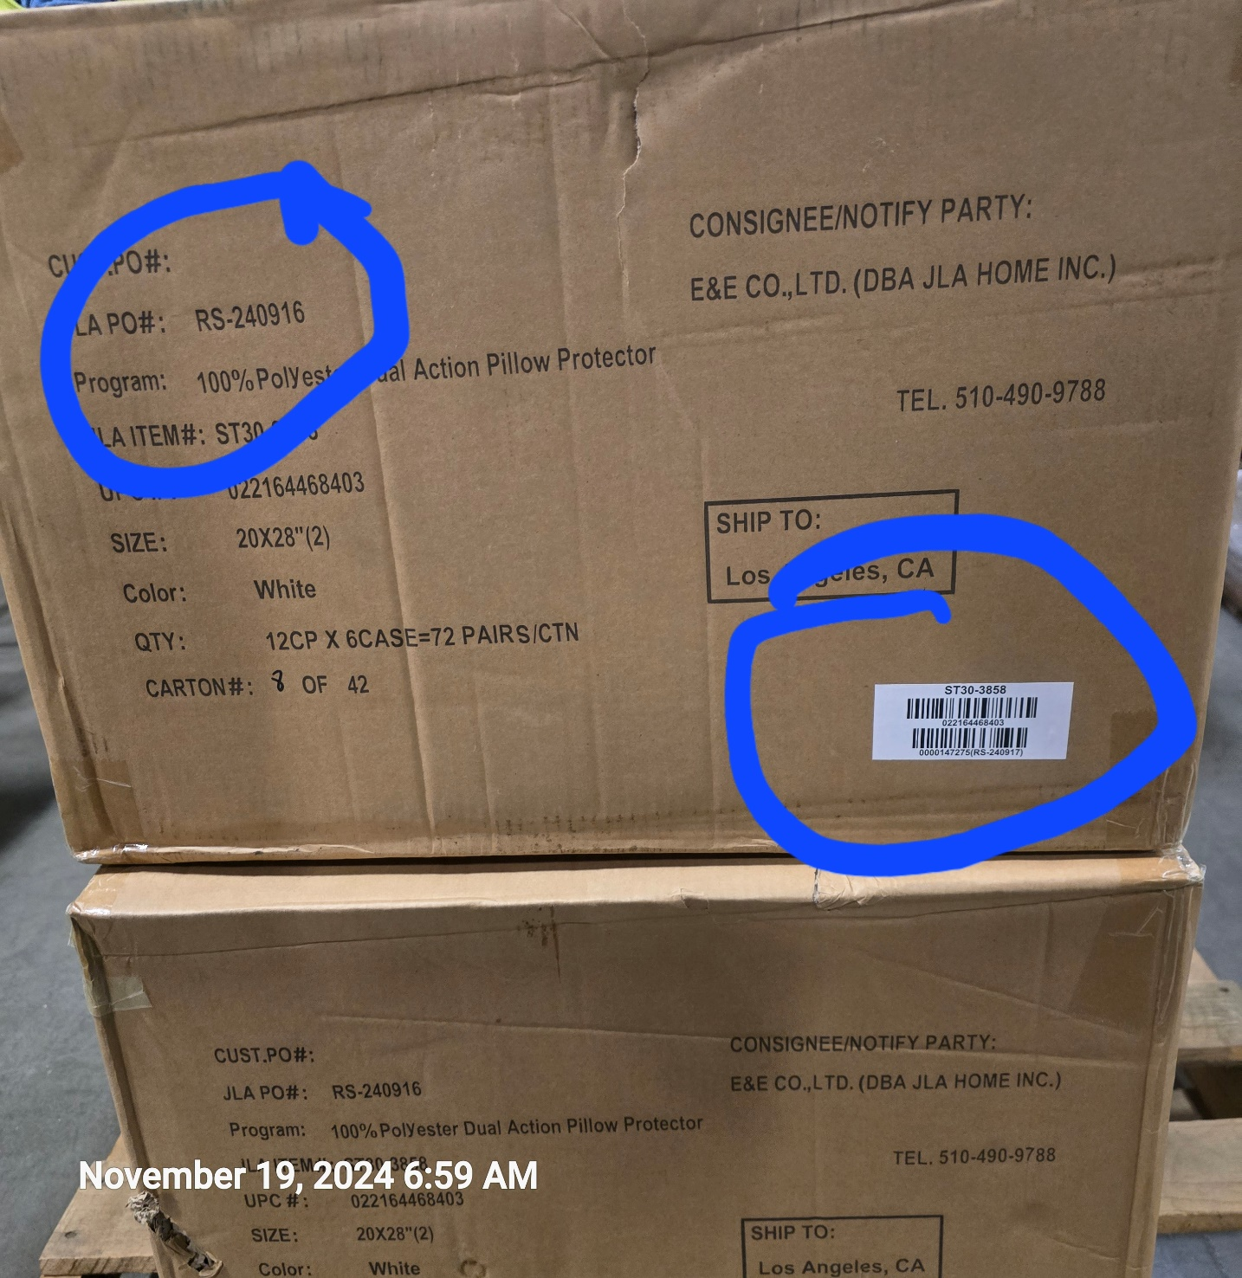

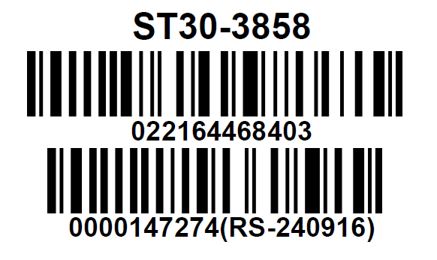

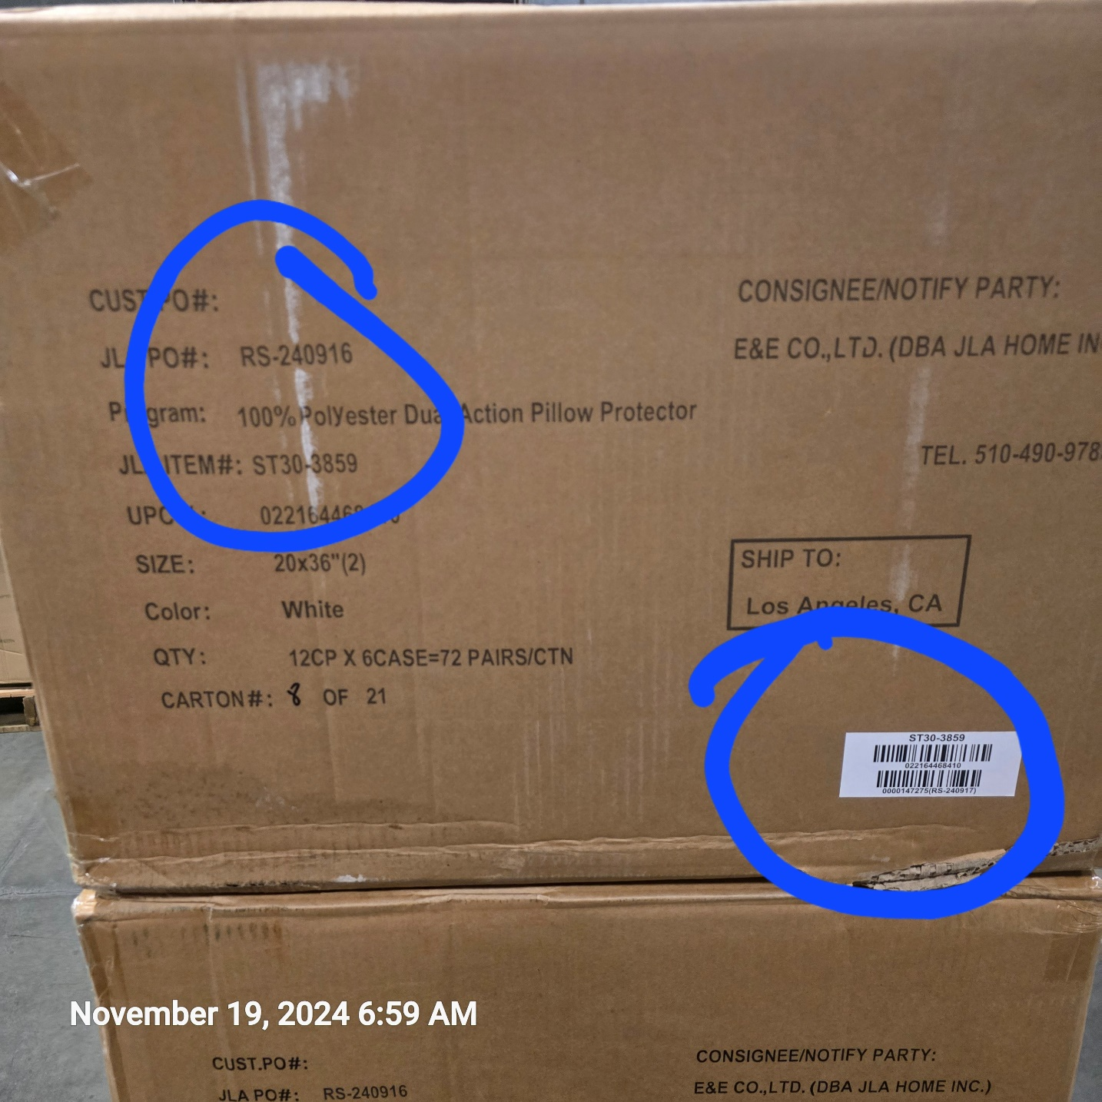

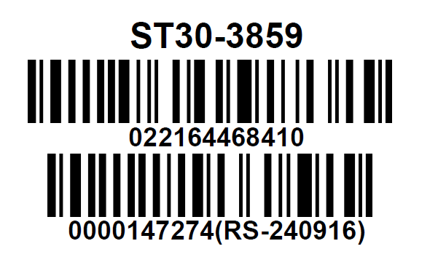

 | Correct CASE GTIN Label

