Instructions
Please print correct dual bar code stickers to cover the incorrect stickers on the outer cartons and process receiving's.

Shipment ID: EE24092174
Container#: EITU9031897
Item#: MS9344409622-17
QTY: 140 boxes

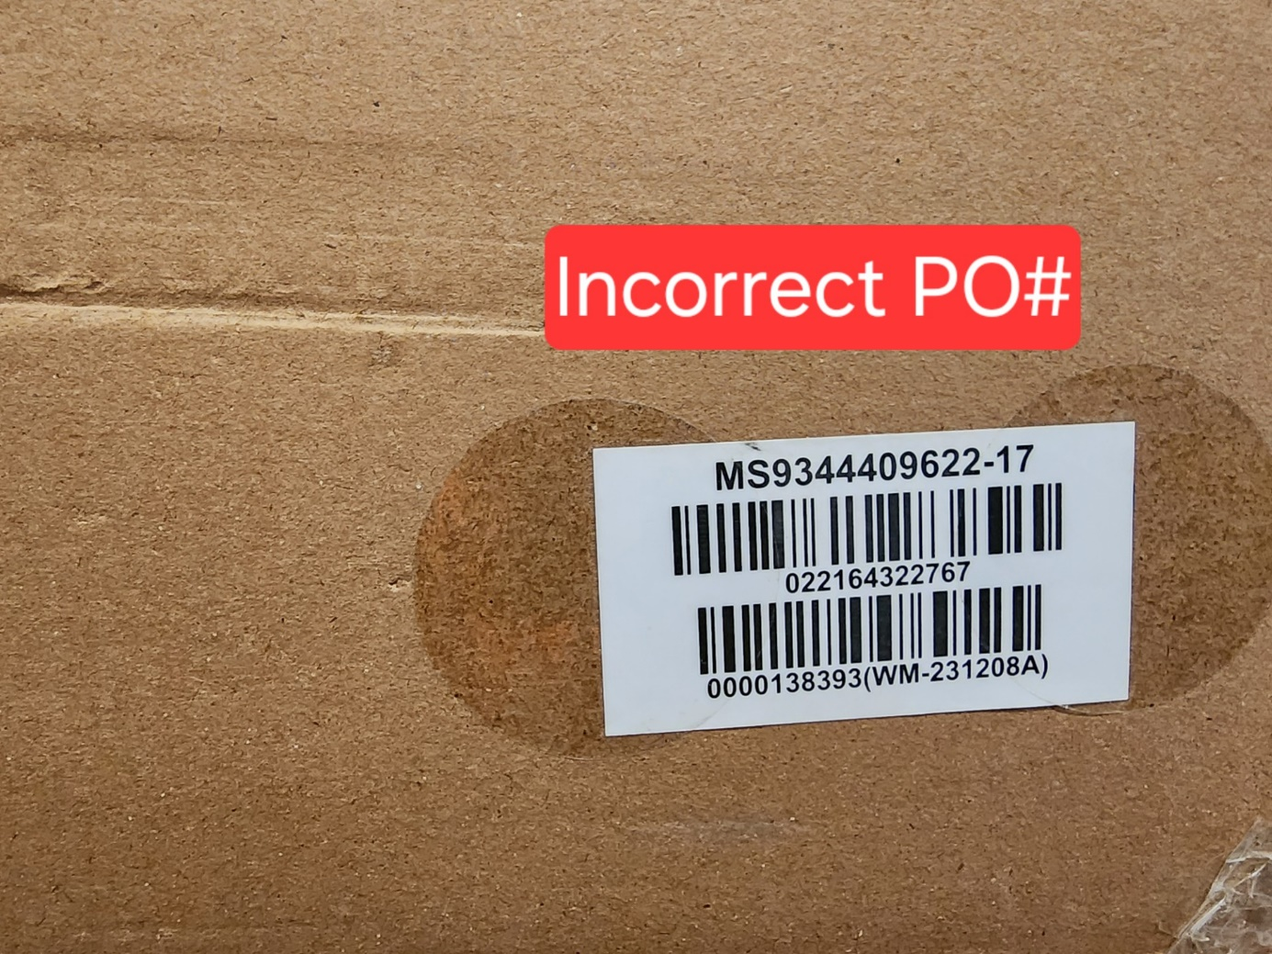
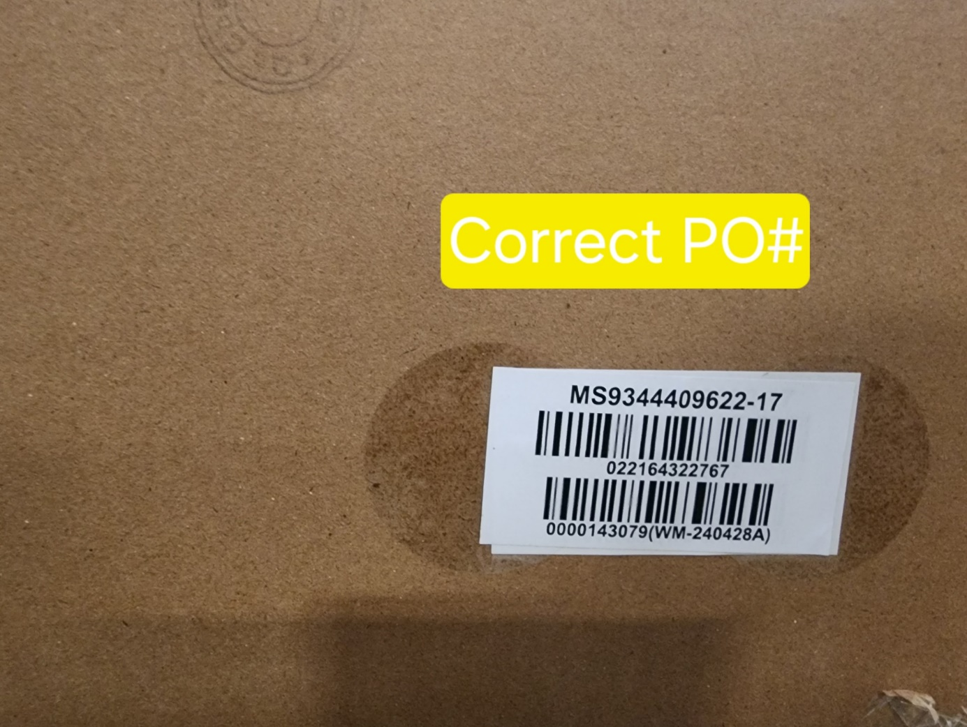

 | Correct CASE GTIN Label

