B
MASTER PI QUOTE FORMAT

 | INVOICED TO |  |  |  |  |  | INVOICED BY
 | Company Name | DISTRIBUIDORA LIVERPOOL, S.A. DE C.V. |  |  |  |  | Company Name |  | E&E Co., Ltd |  |  |  |  |  |  |  |  | REMARKS:
 | Address | Prolongación Vasco de Quiroga 4800, Torre 2, Piso 3, Col. Santa Fe Cuajimalpa, Delegación Cuajimalpa de Morelos, C.P. 05348, Ciudad de México. |  |  |  |  | Address |  | 45875 Northport Loop East, Fremont, Ca. 94538 |  |  |  |  |  |  |  |  | Name of Beneficiary's Bank: |  |  | Wells Fargo Bank
 | TAX ID | R.F.C. DLI931201MI9 |  |  |  |  | Telephone |  | 1-404-808-4627 |  |  |  |  |  |  |  |  | Address of Beneficiary's Bank: |  |  | One Front Street, 21st Floor, San Francisco Ca 94111
 | Contact Person |  |  |  |  |  | Contact Person |  | Christine Sun |  |  |  |  |  |  |  |  | Beneficiary's Bank SWIFT Code: |  |  | WFBIUS6S
 | Email |  |  |  |  |  | Email |  | christine.sun@jlapets.com |  |  |  |  |  |  |  |  | Beneficiary's Bank Account No.: |  |  | 4124115189
 |  |  |  |  |  |  | Date |  |  |  |  |  |  |  |  |  |  | Beneficiary's ABA Routing # |  |  | 121000248
 | FOB PORT: | Shanghai |  | VENDOR CODE: | 3065408 |  | TAX ID
 | AIR/SEA: | Sea |  | PO NUMBER: | 61882966 |  | INVOICE #
 | SAMPLE LEAD TIME: | Samples already approved |  | SECTION: | 345
 | PAYMENT TERM: | Net 60 |  | SEASON:

 |  |  |  | FILLED BY VENDOR | FILLED BY LASO
 |  |  |  | DAYS FROM PO IN MC UNTIL FRI | DAYS FROM PO IN MC UNTIL 1ST DAY OF SHIPPING WINDOW | DAYS FROM PO IN MC UNTIL LAST DAY OF SHIPPING WINDOW | REAL DATE OF PO IN MC (MONTH/DAY/YEAR) | DATE OF FRI (TO BE FILLED AFTER PO IS IN MC) | 1ST DATE OF SHIPPING WINDOW (TO BE FILLED AFTER PO IS IN MC) | LAST DATE OF SHIPPING WINDOW (TO BE FILLED AFTER PO IS IN MC) | OTB | TIENDA
 |  |  |  |  |  |  |  |  | 2024-10-15 | 2024-10-23 | 2024-12-10 | 2024-12-26

 |  |  |  |  |  |  |  |  |  |  |  |  |  |  |  |  | Filled by buyer |  |  |  | TO BE FILLED BY MEXICO |  | MASTER CARTON |  |  |  |  |  | PRODUCT |  |  |  |  |  | YES / NO
 | PHOTO | ITEM # | DESCRIPTION | VENDOR # | MATERIAL | COLOR | BRAND | PACKING TYPE (COLOR BOX, HANGTAG, INSERT CARD, BROWN BOX, BLISTER, ETC) | CBM PER MASTER BOX | PIECES IN EACH MASTER BOX | FOB (USD) | QUANTITY/MOQ | AMOUNT | TOTAL CBM | TOTAL CARTON | REMARKS | Costo | PV | Margen | Descripción | SKU | EAN/UPC | HEIGHT | LENGTH | WIDTH | UNIT OF MEASURE (CM OR M) | WEIGHT | UNIT OF MEASURE (G OR KG) | HEIGHT | LENGTH | WIDTH | UNIT OF MEASURE (CM OR M) | WEIGHT | UNIT OF MEASURE (G OR KG) | Stowage | Fragile | Refrigeration | Assambling BT
1 | 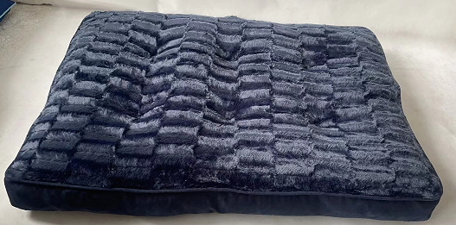 | SVTD63-0663 | Chipped Memory Foam Napper |  | Faux suede gusset with brushed PV fur sleeping surface, filled with chipped memory foam | Navy | ZooPet | HANGTAG | 0.256275 | 4 | $12.00 | 320 | $3,840.00 | 20.502 | 80 |  | 360 | 999 | 58% |  | 1161709693 |  | 45 | 85 | 67 | cm | 14.4 | kg | 8.89 | 91.44 | 68.58 | cm | 3.05 | kg | YES | NO | NO | NO
2 | 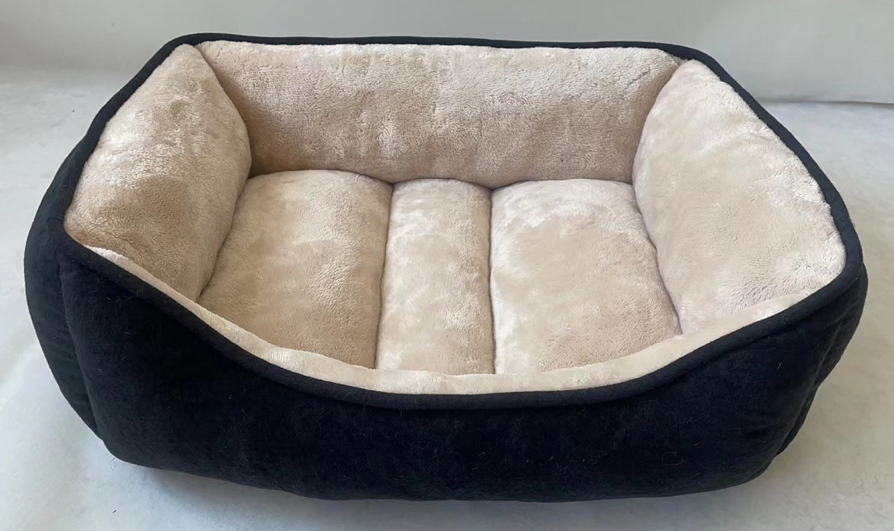 | SVTD63-0667 | Rectangular Cuddler |  | Woven outside with microtec sleeping surface and non skid bottiom | Black/Tan | ZooPet | HANGTAG | 0.121104 | 4 | $5.90 | 320 | $1,888.00 | 9.68832 | 80 |  | 177 | 499 | 59% |  | 1161694114 |  | 43.5 | 58 | 48 | cm | 5.8 | kg | 20.32 | 63.5 | 53.34 | cm | 1.1 | kg | YES | NO | NO | NO
3 |  | SVTD63-0668 | Rectangular Cuddler |  | Woven outside with microtec sleeping surface and non skid bottiom | Black/Tan | ZooPet | HANGTAG | 0.126936 | 2 | $9.55 | 220 | $2,101.00 | 13.96296 | 110 |  | 286.5 | 799 | 58% |  | 1161702605 |  | 43 | 72 | 41 | cm | 5.7 | kg | 25.4 | 88.9 | 66.04 | cm | 2.1 | kg | YES | NO | NO | NO
4 | 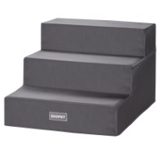 | SVTD63-0456 | Bed stairs |  | foam step,cover in oxford fabric | Deep Grey | ZooPet | HANGTAG | 0.234416 | 4 | $11.50 | 280 | $3,220.00 | 16.40912 | 70 |  | 345 | 999 | 60% |  | 1161707381 |  | 46 | 91 | 56 | cm | 8.07 | kg | 34.29 | 53.34 | 44.45 | cm | 1.5 | kg | YES | NO | NO | NO
 |  |  |  |  |  |  |  |  |  |  | TOTAL | 1,140 | $11,049.00 | 60.56 | 340

 |  |  |  |  |  |  |  |  |  |  |  |  | $11,049.00

 |  |  |  |  |  |  |  |  |  |  |  |  | CONTAINER TYPE | 40HQ
 | REMARKS: |  |  |  |  |  |  |  |  |  |  |  | CONTAINER QUANTITY | 1
 | No FRI will be done without golden sample. It is vendor responsibility to have ready the signed golden sample at factory before the FRI take place.
 | Fill rate +/- 5% will represent 10% discount in the total amount order
 | Vendor is responsible for the CBM's; different CBM's will represent 10% discount in the total amount order.

 | 1 week delay for the FRI will represent 5% discount in the total amount order.
 | 2 weeks delay for the FRI will represent 10% discount in the total amount order.
 | 3 weeks delay for the FRI will be negotiated and will be from 20% or above, or even the cancel of the order.
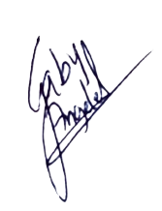

 | INVOICE ISSUED BY: |  |  |  |  |  | Signature:

 |  | E&E Co., Ltd |  |  |  |  |  | Gabriela Berenice Angeles Barrientos

 |  |  | VENDOR |  |  |  |  |  | BUYER FROM LIVERPOOL

