Instructions
Please print correct dual bar code stickers to cover the incorrect stickers on the outer cartons and process receiving's.

Container#: FFAU5538115
Item#: MS9344409622-09
QTY: 50 boxes
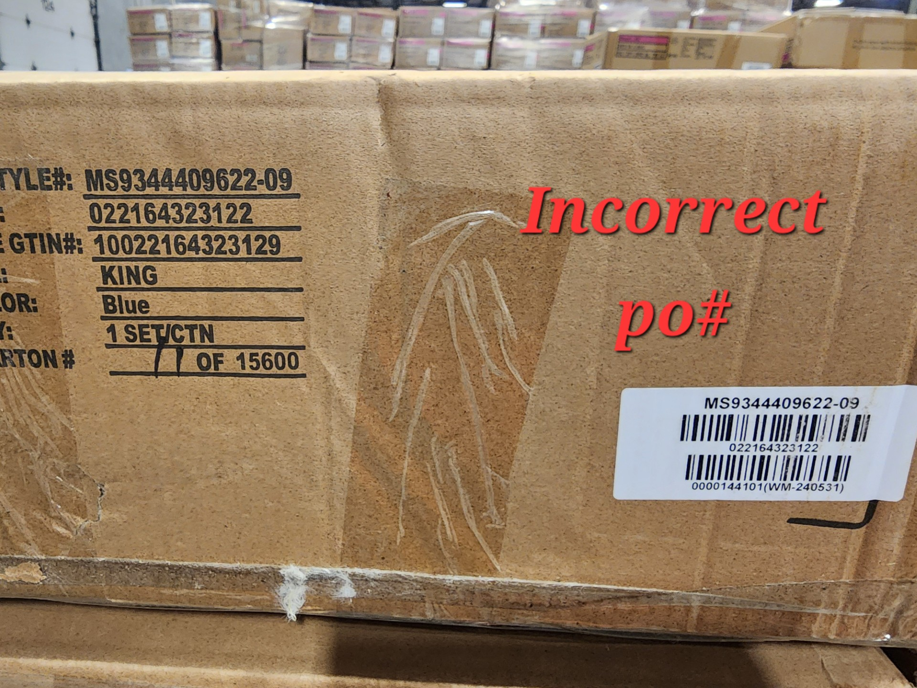
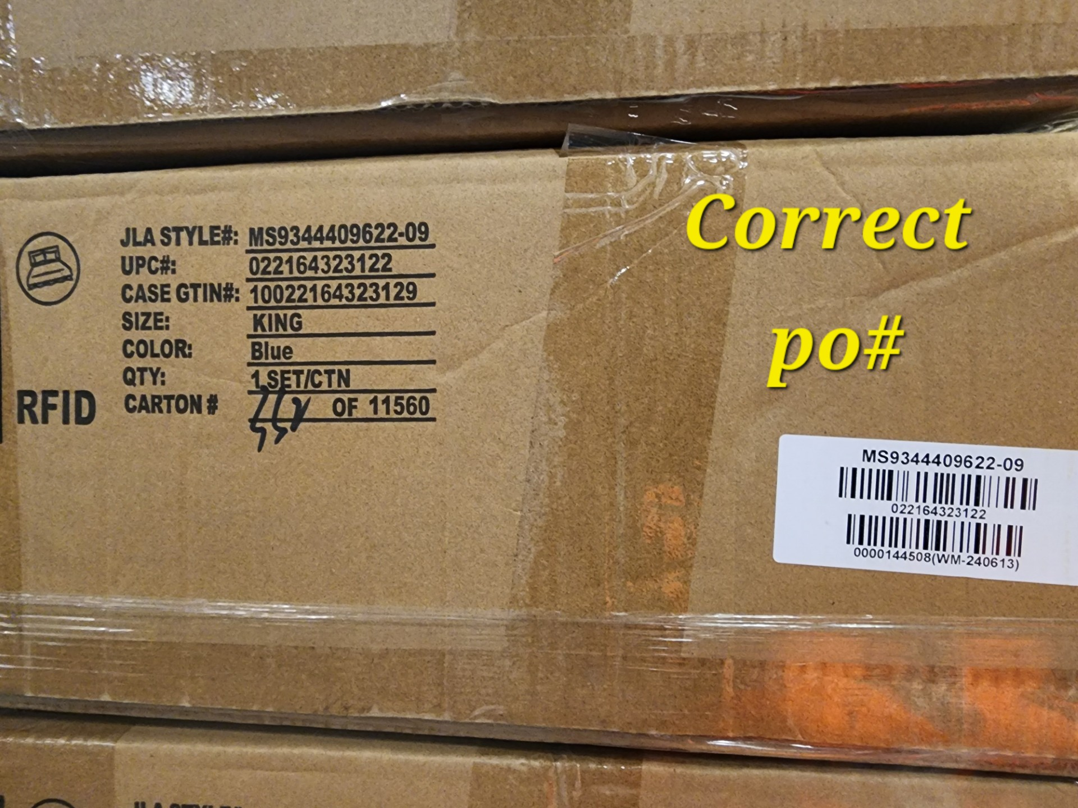

 |  | Correct UPC sticker

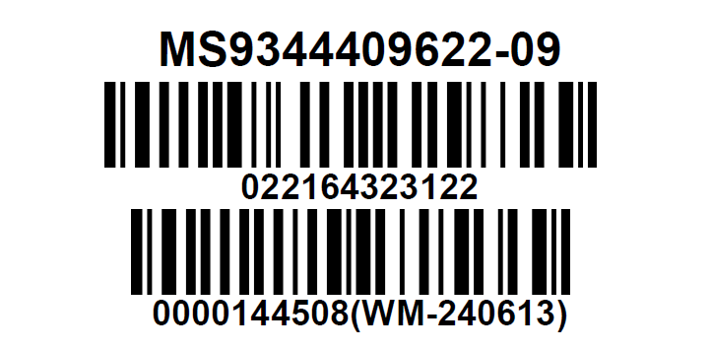

 | Correct CASE GTIN Label

