Instructions
Please print correct dual bar code stickers to cover the incorrect stickers on the outer cartons and process receiving's.

Container#: MSMU6038294
Item#: BH8044409622-28
QTY: 15 boxes

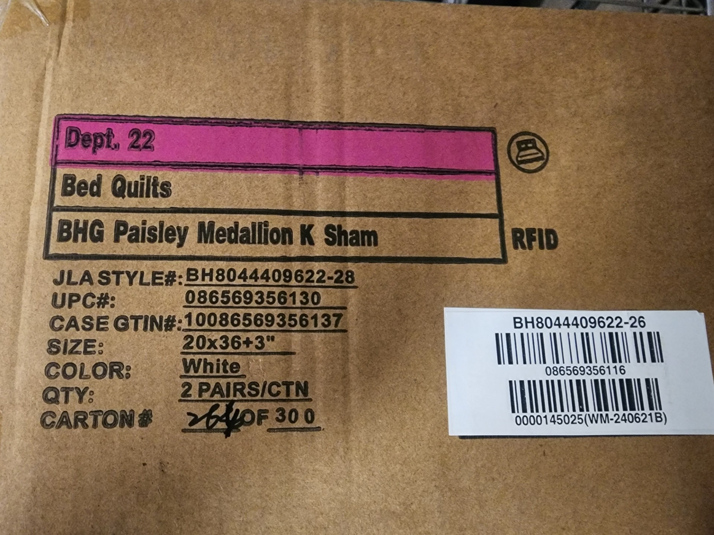

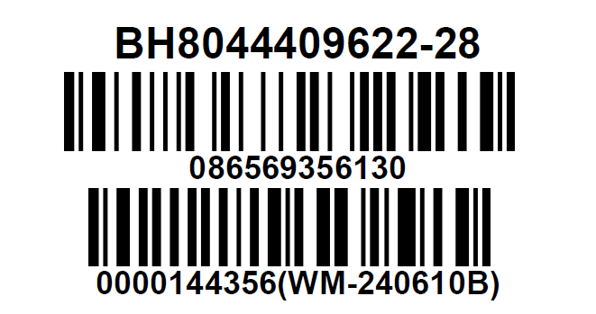

 |  | Please replace with correct UPC sticker

 | Correct CASE GTIN Label

