Instructions
Please print correct dual bar code stickers to cover the incorrect stickers on the outer cartons and process receiving's.

Container#: MSMU4784798
Item#: MS9344409622-06
QTY: 38 boxes
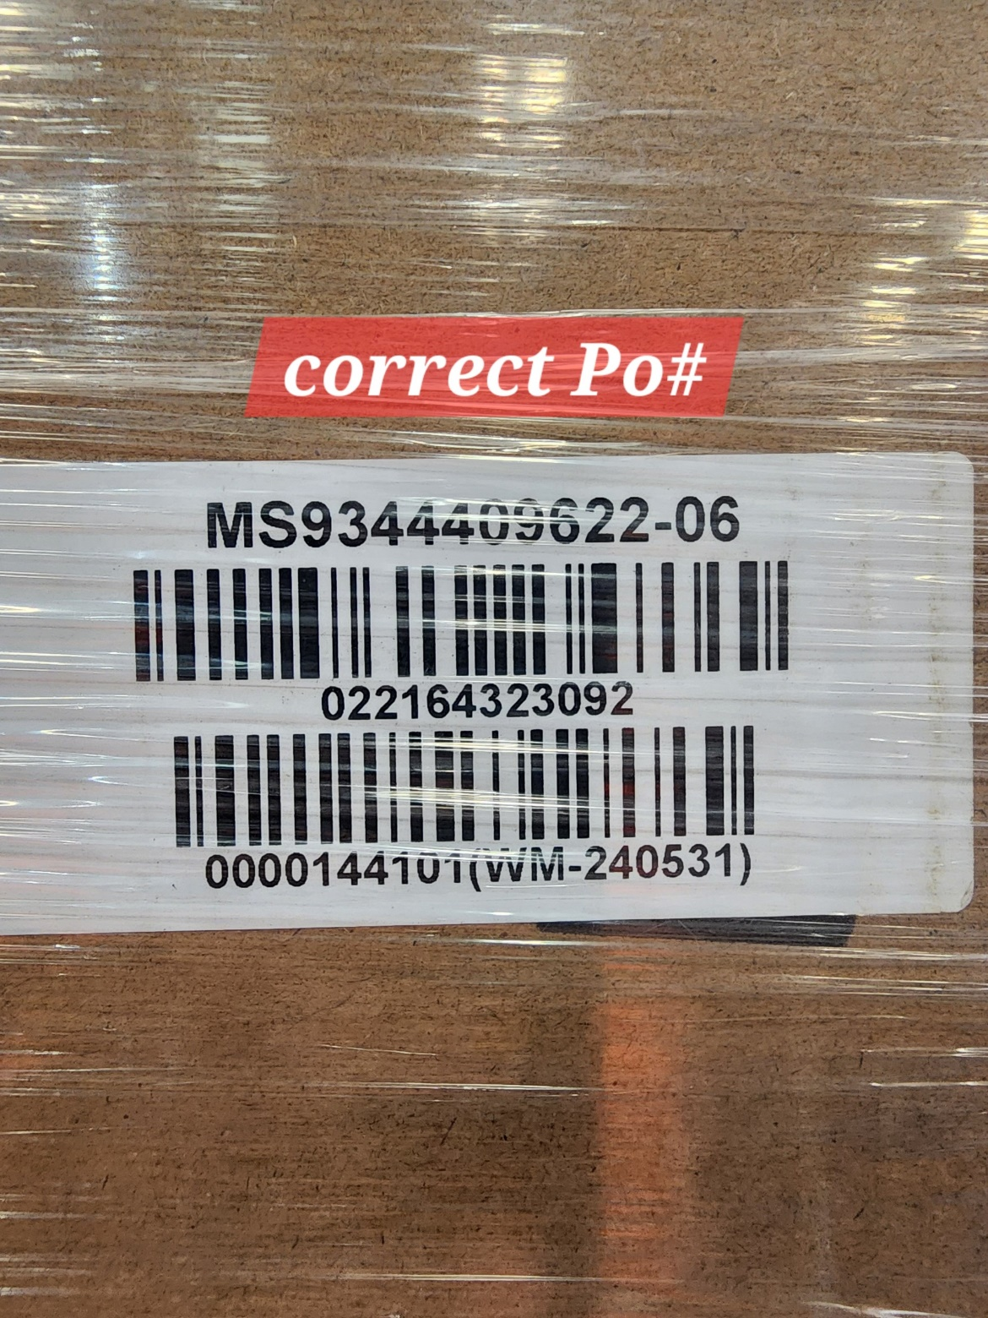
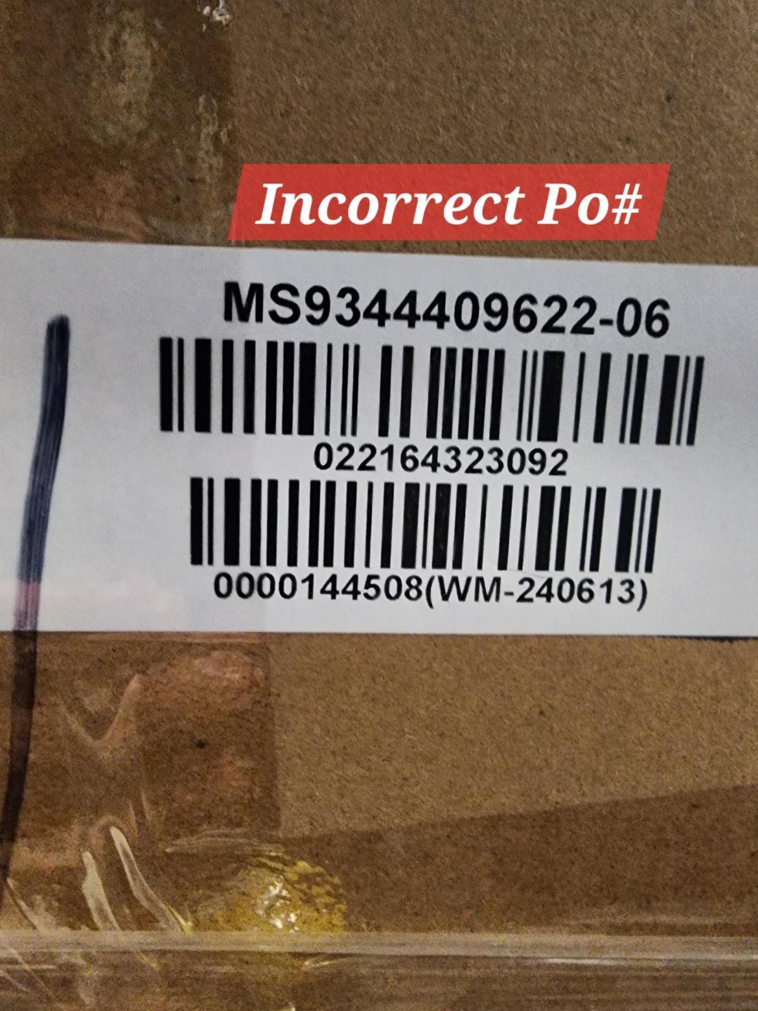

 | Correct CASE GTIN Label

