Instructions
Please replace the damaged cartons with good one for below 22 boxes when receive cartons for replacement

ITEM# MS9344409622-23
UPC# 022164322828
PO# WM-240414
QTY 37
GOOD QTY 22
BAD QTY 15

The cartons for replacement are shipped in below container
Shipment ID: EE24092181
Container#: JXLU6406661
ETD: 9/3
ETA: 10/2

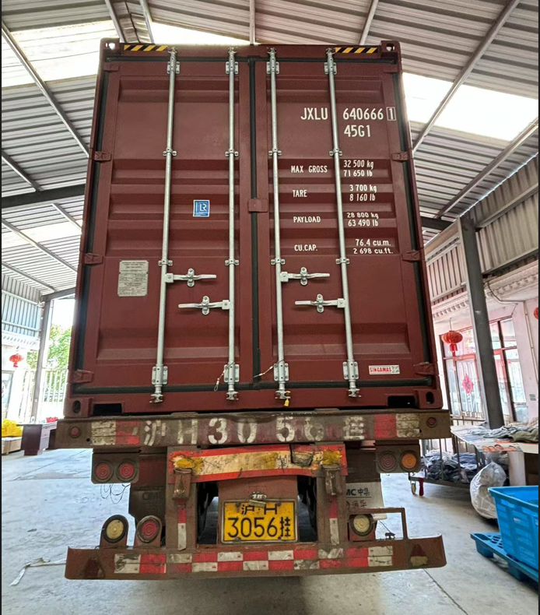
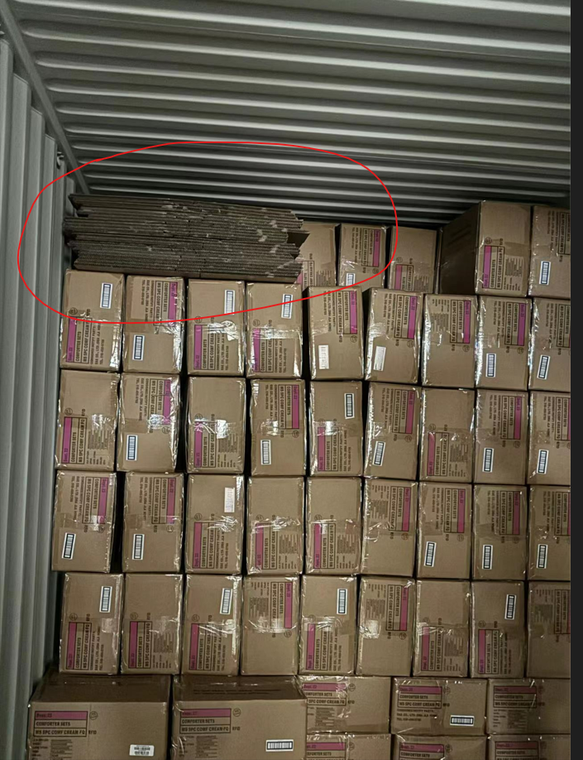

 | Correct CASE GTIN Label

