Instructions
1, Please open the carton, then replace the upc sticker which in the box with TT Product Barcode for below Superlisting item

EEC Item No. | TT Marketplace Item No. | Marketplace UPC | TT Product Barcode | Total units | Units per master case | Total box QTY
AM10-0002 | NRTPTTIKTOK00826642 | 046515638420 | 153635264518 | 159 | 3 | 53
AM10-0003 | NRTPTTIKTOK00826643 | 046515526130 | 153635526662 | 291 | 3 | 97
AM10-0005 | NRTPTTIKTOK00826645 | 046515532971 | 152833366022 | 426 | 3 | 142
AM10-0006 | NRTPTTIKTOK00826646 | 046515525591 | 152833628166 | 780 | 3 | 260
AM10-0008 | NRTPTTIKTOK00826648 | 046515635542 | 153636050950 | 150 | 3 | 50
AM10-0009 | NRTPTTIKTOK00826649 | 046515635573 | 153636313094 | 276 | 3 | 92
AM10-0135 | NRTPTTIKTOK00834156 | 046515527823 | 1183882418182 | 66 | 3 | 22
AM10-0136 | NRTPTTIKTOK00834157 | 046515527946 | 1183882680326 | 126 | 3 | 42
AM10-0138 | NRTPTTIKTOK00834159 | 046515528189 | 1183882942470 | 72 | 3 | 24
AM10-0139 | NRTPTTIKTOK00834160 | 046515528301 | 1183883204614 | 132 | 3 | 44
AM10-0144 | NRTPTTIKTOK00834165 | 046515528875 | 1183883466758 | 66 | 3 | 22
AM10-0145 | NRTPTTIKTOK00834166 | 046515527496 | 1183883728902 | 117 | 3 | 39
AM10-0141 | NRTPTTIKTOK00834162 | 046515528547 | 1183881893894 | 120 | 3 | 40
AM10-0142 | NRTPTTIKTOK00834163 | 046515528660 | 1183882156038 | 219 | 3 | 73

Instructions for Pick label Application:

1. Each item of goods must have a unique barcode.
2. The barcode should be affixed to the outer package of the product, ensuring it is clearly visible and without any obstructions or defacement. Zigzag or fuzzy barcodes are not supported, and they should be scannable directly without the need for unpacking.
3. The outer package of the commodity should not bear any barcode other than the designated one.
4. The barcode sizes currently supported are 1.97 *1.18 in(5*3cm), 2.36 *1.57(6*4cm), 2.76 *1.18(7*3cm), 2.76 *1.97(7*5cm), 3.94 *2.36(10*6cm).

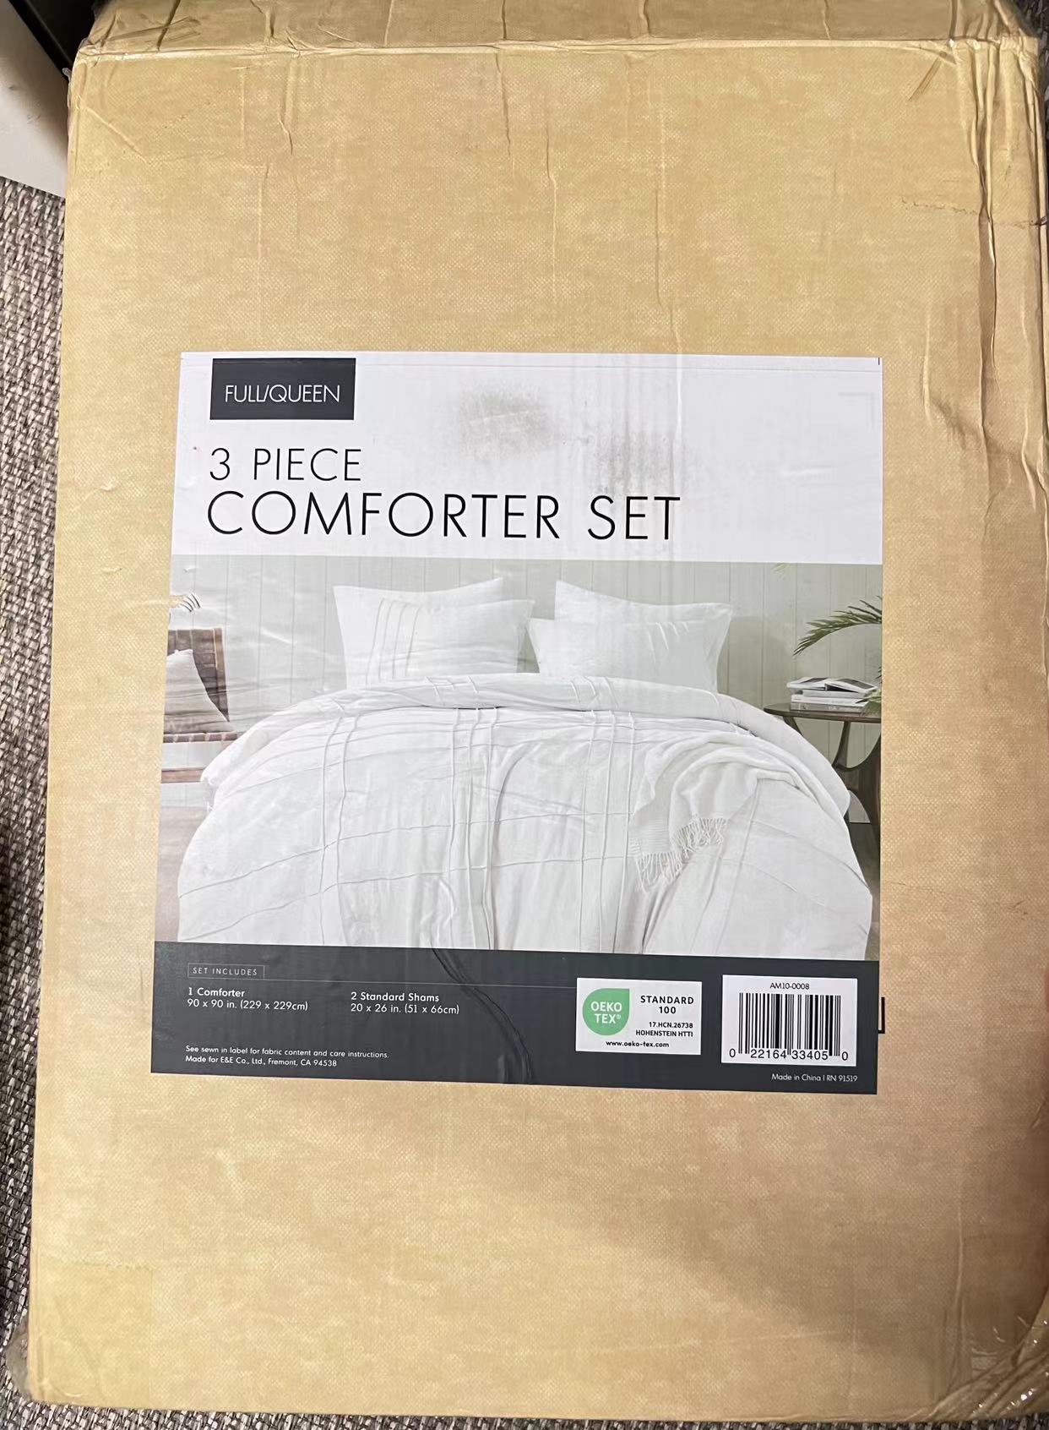

 |  |  | TT Product Barcode
