Instructions
The product is a comforter set, in which the comforter is compressed, but sham is packaged separately in PE bag. We found that the factory did not put shams when packaging, so we need WOD to help turn over the whole batch of goods, and put shams into the gift box after checking.

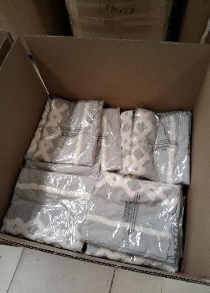
 |  | Shams shipped from China by UPS trcking#1Z C22 5A8 04 2629 7558

 | Returned from FBA to WOD PO and wait for rework
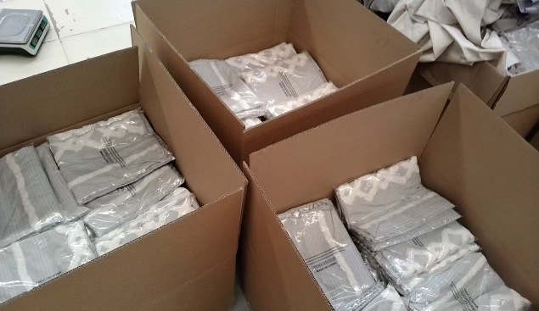
 |  |  | Carton 1-2: (10pcs printed box + 70 pairs shams)/each carton

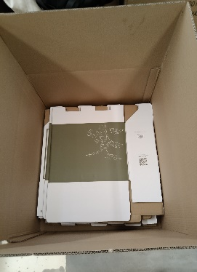
 | PO# SYNCDI-240415
 | totally 207pcs in 69ctns

 |  |  | Carton 3: 10pcs printed box + 67 pairs shams

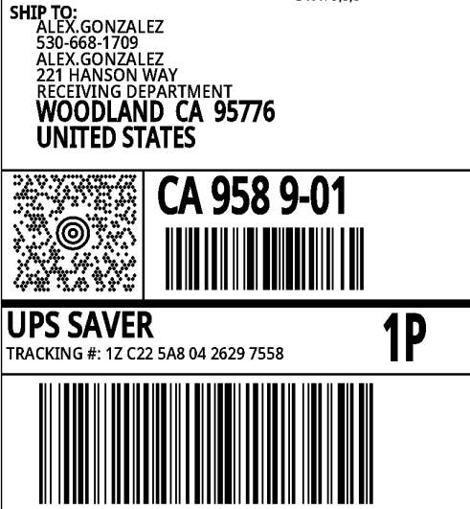

 |  |  |  | Here are totally 30pcs empty boxes, just incase there will be some damages during rework

 |  |  |  |  | how to fold the box instructions
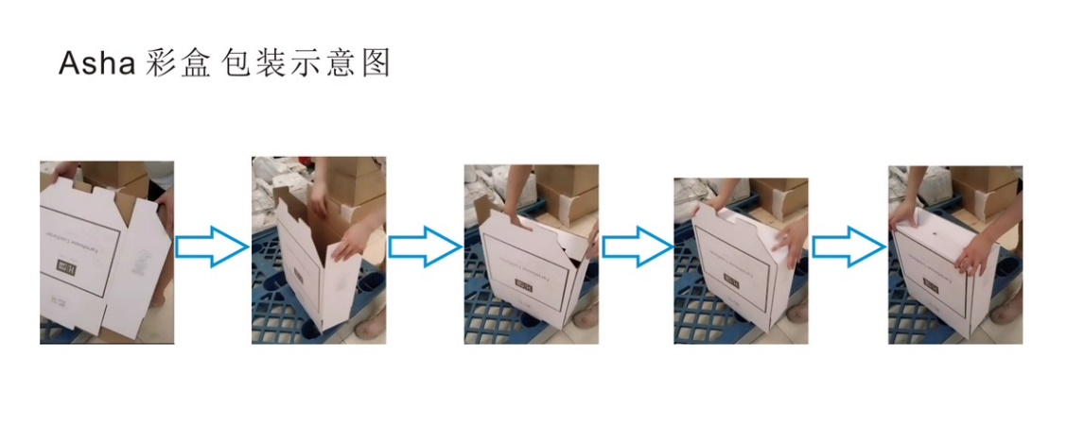

1. Open the carton of PO#SYNCDI-240415, be carefully open the printed gift box, we only need to replace shams in PE bag and don’t need to open compressed parts.
No matter whether the sham of the original bulk goods is complete or not, we will replace it with the new products sent to us. The sham sent out is 2 packs, placed in PE bag, can be directly replaced

How to replaced the shams as below:
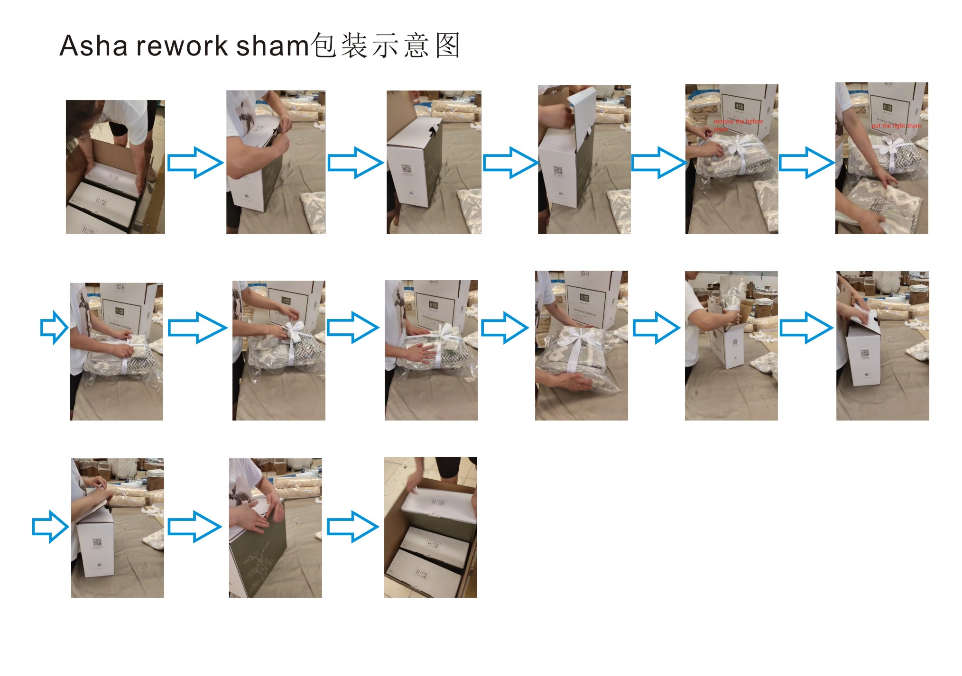

2. Keep the stock in WDC warehouse.

2. please donate the shams we replaced. Keep the reworked items in WOD.

