Instructions
1. Please print correct dual bar code stickers to cover the incorrect stickers on the outer cartons, and process receiving's.

Container#: YMMU6172067
Item#: BH8044409622-25
QTY: 100 cases

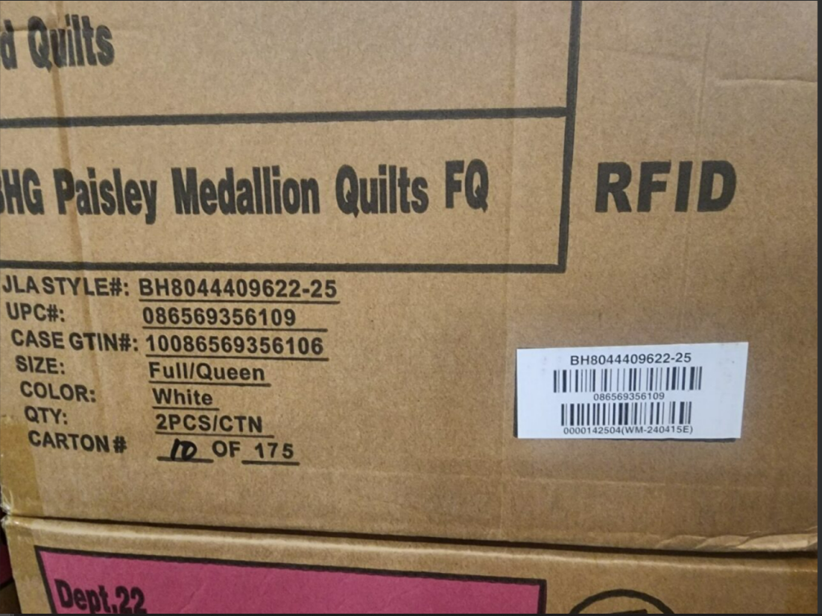

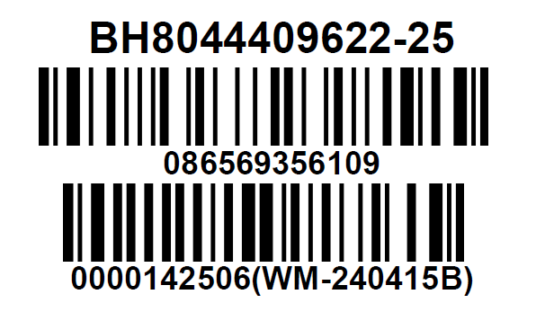

 |  | The correct UPC sticker

 | Correct CASE GTIN Label

