N Natori
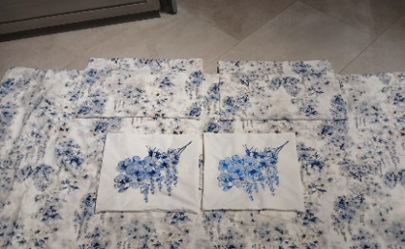
2024-06-06
Photo | Inventory 6/6/2024 |  | Item No. | UPC | Wholesale Price | Natori company price | Suggest retail price | Division | Brand | Product Category | Sub Category | T1 Pattern Name | Brief Description | Retail Size | Size Description | Primary Color | Pattern Type | Material/Fabrication
 |  | NATORI.COM UNITS
 | new DL exclusive item, prepare 50 units available in JLA warehouse November 24 | 25 units | NN10-0152A | 022164466423 | $77.00 | $57.75 | $159.99 | Adult/Fashion Bedding | N Natori | COMFORTER (SET) | Comforter 4pc set | Silk Roads | Comforter mini set+deco | Full/Queen: 92"W x 96"L / 20"W x 26"L (2) /18x18'' | Full/Queen: 92"W x 96"L / 20"W x 26"L (2) /18x18' | blue | Print | Comforter and sham Face:80% cotton 20% polyester dobby print Comforter and sham Reverse: 140TC 60% cotton 40% polyester solid 250gsm poly fill Dec pillow: 140TC CVC with embroidery on face, hidden zipper | 2024-06-05
Silk Roads will be available in JLA Savannah warehouse November 15th 2024 | new DL exclusive, prepare 50 units | 25 units | NN10-0153A | 022164466430 | $86.00 | $64.50 | $189.99 | Adult/Fashion Bedding | N Natori | COMFORTER (SET) | Comforter 4pc set | Silk Roads | Comforter mini set+deco | King: 110"W x 96"L / 20"W x 36"L (2) /18x18'' | King: 110"W x 96"L / 20"W x 36"L (2) /18x18'' | blue | Print | Comforter and sham Face:80% cotton 20% polyester dobby print Comforter and sham Reverse: 140TC 60% cotton 40% polyester solid 250gsm poly fill Dec pillow: 140TC CVC with embroidery on face, hidden zipper | 2024-06-05
 | new DL exclusive item, prepare 25units | 25 units | NN10-0154A | 022164466447 | $60.75 | $45.56 | $149.99 | Adult/Fashion Bedding | N Natori | COMFORTER (SET) | Comforter 4pc set | Aurora | Comforter mini set+deco | Full/Queen: 92"W x 96"L / 20"W x 26"L (2) /12x20'' | Full/Queen: 92"W x 96"L / 20"W x 26"L (2) /12x20'' | Gray | Print | Comforter & Sham Front -100% poly charmeuse Digital Print, Back: 100% poly charmeuse solid . Comforter Filling: 250gsm polyester. Dec pillow: 100% poly charmeuse with embroidery on face, polyfill, hizzden zipper | 2024-06-05
Aurora will be available in JLA savannah warehouse mid October 2024 | new DL exclusive, prepare 25units | 25 units | NN10-0155A | 022164466454 | $68.85 | $51.64 | $169.99 | Adult/Fashion Bedding | N Natori | COMFORTER (SET) | Comforter 4pc set | Aurora | Comforter mini set+deco | King: 110"W x 96"L / 20"W x 36"L (2) /12x20'' | King: 110"W x 96"L / 20"W x 36"L (2) /12x20'' | Gray | Print | Comforter & Sham Front -100% poly charmeuse Digital Print, Back: 100% poly charmeuse solid . Comforter Filling: 250gsm polyester. Dec pillow: 100% poly charmeuse with embroidery on face, polyfill, hizzden zipper | 2024-06-05
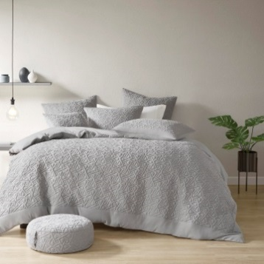
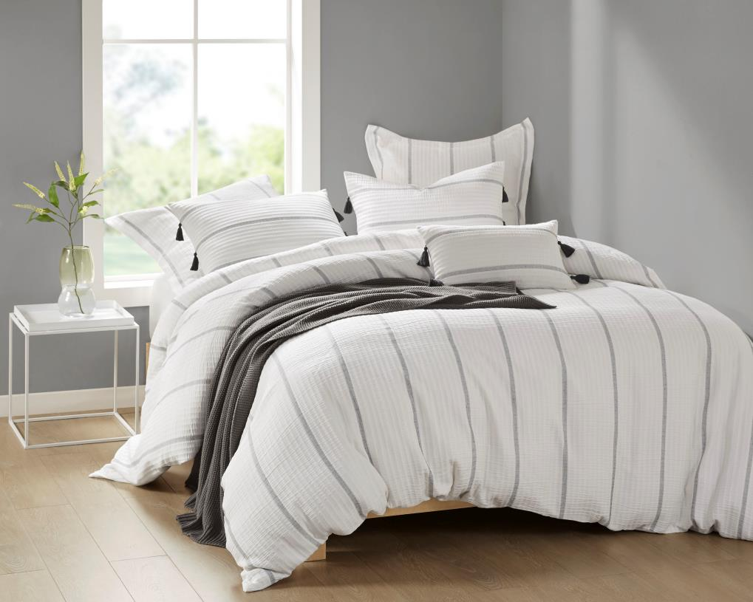
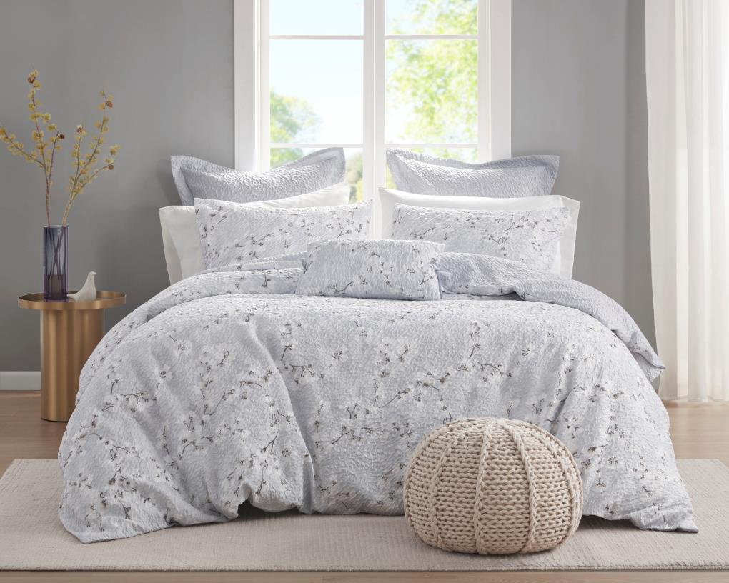
 | 27 units |  | NS10-3725 | 022164155426 | $72.00 | $54.00 | $159.99 | Adult/Fashion Bedding | N Natori | COMFORTER (SET) | Comforter Mini Set | Origami | 3 Piece Comforter Mini Set | Full/Queen: 92"W x 96"L / 20"W x 26"L (2) | Full/Queen: 92"W x 96"L / 20"W x 26"L (2) | Grey | Solid | Face: 100% polyester knit fabric with emb quilting Reverse: 100% polyester 85gsm washed microfiber solid Comforter Filling: 135gsm silky poly fill on face + 170gsm poly fill Quilt: Invisiable quilt
 | no inventory |  | NS10-3726 | 022164155433 | $85.50 | $64.12 | $189.99 | Adult/Fashion Bedding | N Natori | COMFORTER (SET) | Comforter Mini Set | Origami | 3 Piece Comforter Mini Set | King: 110"W x 96"L / 20"W x 36"L (2) | King: 110"W x 96"L / 20"W x 36"L (2) | Grey | Solid | Face: 100% polyester knit fabric with emb quilting Reverse: 100% polyester 85gsm washed microfiber solid Comforter Filling: 135gsm silky poly fill on face + 170gsm poly fill Quilt: Invisiable quilt
 | 1 units |  | NS12-3727 | 022164155440 | $67.50 | $50.62 | $149.99 | Adult/Fashion Bedding | N Natori | DUVET&DUVET SET | Duvet&Duvet Set | Origami | 3 Piece Quilt Top Duvet Cover Mini Set | Full/Queen: 92"W x 96"L / 20"W x 26"L '' (2) | Full/Queen: 92"W x 96"L / 20"W x 26"L '' (2) | Grey | Solid | Face: 100% polyester knit fabric with emb quilting, 135gsm silky poly fill Reverse: 100% polyester 85gsm washed microfiber solid
 | 2 units |  | NS12-3728 | 022164155457 | $76.50 | $57.37 | $169.99 | Adult/Fashion Bedding | N Natori | DUVET&DUVET SET | Duvet&Duvet Set | Origami | 3 Piece Quilt Top Duvet Cover Mini Set | King: 110"W x 96"L / 20"W x 36"L (2) | King: 110"W x 96"L / 20"W x 36"L (2) | Grey | Solid | Face: 100% polyester knit fabric with emb quilting, 135gsm silky poly fill Reverse: 100% polyester 85gsm washed microfiber solid
 | 41 units |  | NS30-3729 | 022164155464 | $18.00 | $13.50 | $39.99 | Adult/Fashion Bedding | N Natori | NORMAL PILLOW | Pillow | Origami | Quilt Top Euro Sham | 26x26'' | 26x26'' | Grey | Solid | 100% polyester knit fabric with emb quilting on face, solid reverse, poly fill with hidden zipper
 | 231 units |  | NS10-3705 | 022164146622 | $67.50 | $50.62 | $149.99 | Adult/Fashion Bedding | N Natori | COMFORTER (SET) | Comforter 4pc set | Brush Stroke | Comforter mini set+deco | Full/Queen: 92"W x 96"L / 20"W x 26"L (2) /18x18'' | Full/Queen: 92"W x 96"L / 20"W x 26"L (2) /18x18'' | Multi | Geo | Face: 100% polyester 85g MF seersucker heatsetting fabric printed Reverse: 100% polyester 85g MF seersucker heatsetting fabric printed Comforter Filling: 250gsm poly fill Quilt: Jump tack 18x18" Pillow: 100% polyester 85gsm MF fabric with emb on face, piping around, hidden zipper, poly fill
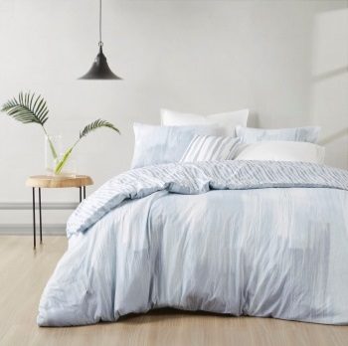 | 297 units |  | NS10-3706 | 022164146639 | $76.50 | $57.37 | $169.99 | Adult/Fashion Bedding | N Natori | COMFORTER (SET) | Comforter 4pc set | Brush Stroke | Comforter mini set+deco | King: 110"W x 96"L / 20"W x 36"L (2) /18x18'' | King: 110"W x 96"L / 20"W x 36"L (2) /18x18'' | Multi | Geo | Face: 100% polyester 85g MF seersucker heatsetting fabric printed Reverse: 100% polyester 85g MF seersucker heatsetting fabric printed Comforter Filling: 250gsm poly fill Quilt: Jump tack 18x18" Pillow: 100% polyester 85gsm MF fabric with emb on face, piping around, hidden zipper, poly fill
 | 192 units |  | NS12-3707 | 022164146646 | $36.00 | $27.00 | $79.99 | Adult/Fashion Bedding | N Natori | DUVET&DUVET SET | Duvet&Duvet Set | Brush Stroke | Duvet mini set | Full/Queen: 92"W x 96"L / 20"W x 26"L (2) | Full/Queen: 92"W x 96"L / 20"W x 26"L (2) | Multi | Geo | Face: 100% polyester 85g MF seersucker heatsetting fabric printed Reverse: 100% polyester 85g MF seersucker heatsetting fabric printed Buttom closure
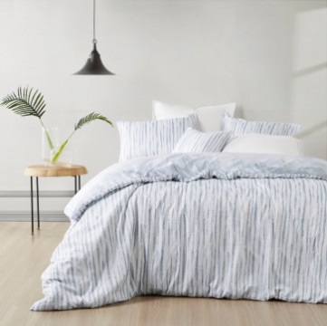 | 163 units |  | NS12-3708 | 022164146653 | $45.00 | $33.75 | $99.99 | Adult/Fashion Bedding | N Natori | DUVET&DUVET SET | Duvet&Duvet Set | Brush Stroke | Duvet mini set | King: 110"W x 96"L / 20"W x 36"L (2) | King: 110"W x 96"L / 20"W x 36"L (2) | Multi | Geo | Face: 100% polyester 85g MF seersucker heatsetting fabric printed Reverse: 100% polyester 85g MF seersucker heatsetting fabric printed Buttom closure
 | no inventory |  | NS12-3651 | 086569790613 | $36.00 | $27.00 | $79.99 | Adult/Fashion Bedding | N Natori | DUVET&DUVET SET | Duvet&Duvet Set | SOHO GEO | Duvet mini set | Full/Queen: 92"W x 96"L / 20"W x 26"L (2) | Full/Queen: 92"W x 96"L / 20"W x 26"L (2) | Multi | Geo | Face: 100% polyester 85g MF seersucker heatsetting fabric printed Reverse: 100% polyester 85g MF seersucker heatsetting fabric printed Buttom closure
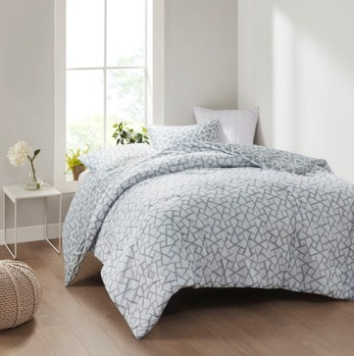 | no inventory |  | NS12-3652 | 086569790637 | $45.00 | $33.75 | $99.99 | Adult/Fashion Bedding | N Natori | DUVET&DUVET SET | Duvet&Duvet Set | SOHO GEO | Duvet mini set | King: 110"W x 96"L / 20"W x 36"L (2) | King: 110"W x 96"L / 20"W x 36"L (2) | Multi | Geo | Face: 100% polyester 85g MF seersucker heatsetting fabric printed Reverse: 100% polyester 85g MF seersucker heatsetting fabric printed Buttom closure
 | 142 units |  | NS10-3653 | 086569790699 | $72.00 | $54.00 | $159.99 | Adult/Fashion Bedding | N Natori | COMFORTER (SET) | Comforter Mini Set | Cocoon | 3 Piece Quilt Top Comforter Mini Set | Full/Queen: 92"W x 96"L / 20"W x 26"L (2) | Full/Queen: 92"W x 96"L / 20"W x 26"L (2) | White | Solid | Face: 100% polyester 85gsm microfiber Heat Seat fabric with emb quilting Reverse: 100% polyester 85gsm washed microfiber solid Comforter Filling: 200gsm silky poly fill on face + 100gsm poly fill Quilt: Invisible quilt
 | 417 units |  | NS10-3654 | 086569790743 | $85.50 | $64.13 | $189.99 | Adult/Fashion Bedding | N Natori | COMFORTER (SET) | Comforter Mini Set | Cocoon | 3 Piece Quilt Top Comforter Mini Set | King: 110"W x 96"L / 20"W x 36"L (2) | King: 110"W x 96"L / 20"W x 36"L (2) | White | Solid | Face: 100% polyester 85gsm microfiber Heat Seat fabric with emb quilting Reverse: 100% polyester 85gsm washed microfiber solid Comforter Filling: 200gsm silky poly fill on face + 100gsm poly fill Quilt: Invisible quilt
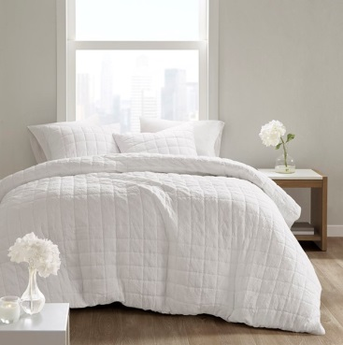 | 92 units |  | NS12-3655 | 086569790750 | $67.50 | $50.63 | $149.99 | Adult/Fashion Bedding | N Natori | DUVET&DUVET SET | Duvet&Duvet Set | Cocoon | 3 Piece Quilt Top Duvet Cover Mini Set | Full/Queen: 92"W x 96"L / 20"W x 26"L '' (2) | Full/Queen: 92"W x 96"L / 20"W x 26"L '' (2) | White | Solid | Face: 100% polyester 85gsm microfiber Heat Seat fabric with emb quilting, 200gsm silky poly fill Reverse: 100% polyester 85gsm washed microfiber solid
 | 155 units |  | NS12-3656 | 086569790835 | $76.50 | $57.38 | $169.99 | Adult/Fashion Bedding | N Natori | DUVET&DUVET SET | Duvet&Duvet Set | Cocoon | 3 Piece Quilt Top Duvet Cover Mini Set | King: 110"W x 96"L / 20"W x 36"L (2) | King: 110"W x 96"L / 20"W x 36"L (2) | White | Solid | Face: 100% polyester 85gsm microfiber Heat Seat fabric with emb quilting, 200gsm silky poly fill Reverse: 100% polyester 85gsm washed microfiber solid
 | 270 units |  | NS11-3657 | 086569790842 | $18.00 | $13.50 | $39.99 | Adult/Fashion Bedding | N Natori | BED SKIRT&SHAM | Sham | Cocoon | Quilt Top Euro Sham | 26x26'' | 26x26'' | White | Solid | 100% polyester 85gsm MF Heat Seat fabric with quilting emb with 200gsm silky poly fill on face, 85gsm washed MF solid back, hidden zipper
 | no inventory |  | NS10-3658 | 086569793126 | $72.00 | $54.00 | $159.99 | Adult/Fashion Bedding | N Natori | COMFORTER (SET) | Comforter Mini Set | Cocoon | 3 Piece Quilt Top Comforter Mini Set | Full/Queen: 92"W x 96"L / 20"W x 26"L (2) | Full/Queen: 92"W x 96"L / 20"W x 26"L (2) | Grey | Solid | Face: 100% polyester 85gsm microfiber Heat Seat fabric with emb quilting Reverse: 100% polyester 85gsm washed microfiber solid Comforter Filling: 200gsm silky poly fill on face + 100gsm poly fill Quilt: Invisible quilt
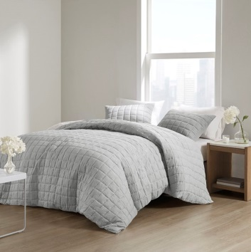 | no inventory |  | NS10-3659 | 086569793133 | $85.50 | $64.13 | $189.99 | Adult/Fashion Bedding | N Natori | COMFORTER (SET) | Comforter Mini Set | Cocoon | 3 Piece Quilt Top Comforter Mini Set | King: 110"W x 96"L / 20"W x 36"L (2) | King: 110"W x 96"L / 20"W x 36"L (2) | Grey | Solid | Face: 100% polyester 85gsm microfiber Heat Seat fabric with emb quilting Reverse: 100% polyester 85gsm washed microfiber solid Comforter Filling: 200gsm silky poly fill on face + 100gsm poly fill Quilt: Invisible quilt
 | 17 units |  | NS12-3660 | 086569793140 | $67.50 | $50.63 | $149.99 | Adult/Fashion Bedding | N Natori | DUVET&DUVET SET | Duvet&Duvet Set | Cocoon | 3 Piece Quilt Top Duvet Cover Mini Set | Full/Queen: 92"W x 96"L / 20"W x 26"L '' (2) | Full/Queen: 92"W x 96"L / 20"W x 26"L '' (2) | Grey | Solid | Face: 100% polyester 85gsm microfiber Heat Seat fabric with emb quilting, 200gsm silky poly fill Reverse: 100% polyester 85gsm washed microfiber solid
 | no inventory |  | NS12-3661 | 086569793157 | $76.50 | $57.38 | $169.99 | Adult/Fashion Bedding | N Natori | DUVET&DUVET SET | Duvet&Duvet Set | Cocoon | 3 Piece Quilt Top Duvet Cover Mini Set | King: 110"W x 96"L / 20"W x 36"L (2) | King: 110"W x 96"L / 20"W x 36"L (2) | Grey | Solid | Face: 100% polyester 85gsm microfiber Heat Seat fabric with emb quilting, 200gsm silky poly fill Reverse: 100% polyester 85gsm washed microfiber solid
 | 289 units |  | NS11-3662 | 086569793164 | $18.00 | $13.50 | $39.99 | Adult/Fashion Bedding | N Natori | BED SKIRT&SHAM | Sham | Cocoon | Quilt Top Euro Sham | 26x26'' | 26x26'' | Grey | Solid | 100% polyester 85gsm MF Heat Seat fabric with quilting emb with 200gsm silky poly fill on face, 85gsm washed MF solid back, hidden zipper
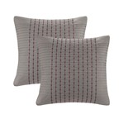 | 225 units |  | NS11-1824A | 675716444068 | $27.00 | $20.25 | $59.99 | Adult/Fashion Bedding | N Natori | BED SKIRT&SHAM | Sham | Cherry Blossom | Euro Sham | Euro Sham | 1 Euro Sham:26x26" | Grey | Print | Face: 200TC 100% cotton sateen solid with pleat and embroidery; Back: T200 100% cotton sateen solid
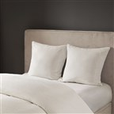 | 331 units |  | NS11-3247 | 086569115256 | $17.20 | $12.90 | $42.99 | Adult/Fashion Bedding | N Natori | BED SKIRT&SHAM | Sham | Hanae | Cotton Blend Yarn Dyed Euro Sham | 26x26" | 1 Euro Sham:26"W x 26"L | White | Texture | "Cover: Poly/Cotton yarn dyed fabric pieced with cotton percale binding; Reverse: percale solid. Hidden zipper closure. "
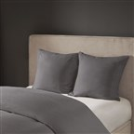 | 339 units |  | NS11-3253 | 086569115225 | $17.20 | $12.90 | $42.99 | Adult/Fashion Bedding | N Natori | BED SKIRT&SHAM | Sham | Hanae | Cotton Blend Yarn Dyed Euro Sham | 26x26" | 1 Euro Sham:26"W x 26"L | Grey | Texture | Cover: Poly/Cotton yarn dyed fabric pieced with cotton percale binding; Reverse: percale solid. Hidden zipper closure.
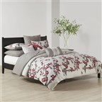 | 96 units |  | NS10-1848 | 675716444273 | $89.30 | $66.98 | $189.99 | Adult/Fashion Bedding | N Natori | COMFORTER (SET) | Comforter (Set) | Cherry Blossom | Comforter Mini Set | Queen | 1 Comforter:92"W x 96"L 2 Standard Shams:20"W x 26"L (2) | Multi | Print | Face: 100% cotton sateen with print; Back: 100% cotton percale print; filling: 100% polyester
 | 91 units |  | NS10-1849 | 675716444280 | $98.70 | $74.03 | $209.99 | Adult/Fashion Bedding | N Natori | COMFORTER (SET) | Comforter (Set) | Cherry Blossom | Comforter Mini Set | King | 1 Comforter:110"W x 96"L 2 King Shams:20"W x 36"L (2) | Multi | Print | Face: 100% cotton sateen with print; Back: 100% cotton percale print; filling: 100% polyester
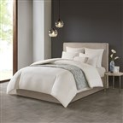 | 212 units |  | NS10-3243 | 086569115133 | $89.30 | $66.98 | $189.99 | Adult/Fashion Bedding | N Natori | COMFORTER (SET) | Comforter (Set) | Hanae | Cotton Blend Yarn Dyed 3 Piece Comforter Set | Full/Queen | 1 Comforter:92"W x 96"L 2 Standard Shams:20"W x 26"L (2) | White | Texture | Comforter and sham Face: Poly/Cotton yarn dyed fabric pieced with cotton percale binding; Reverse: percale solid. Comforter filling: 100% polyester 300gsm. Hidden bartacking.
 | 327 units |  | NS10-3244 | 086569115157 | $98.70 | $74.03 | $209.99 | Adult/Fashion Bedding | N Natori | COMFORTER (SET) | Comforter (Set) | Hanae | Cotton Blend Yarn Dyed 3 Piece Comforter Set | King | 1 Comforter:110"W x 96"L 2 King Shams:20"W x 36"L (2) | White | Texture | Comforter and sham Face: Poly/Cotton yarn dyed fabric pieced with cotton percale binding; Reverse: percale solid. Comforter filling: 100% polyester 300gsm. Hidden bartacking.
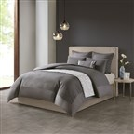 | 298 units |  | NS10-3249 | 086569115317 | $89.30 | $66.98 | $189.99 | Adult/Fashion Bedding | N Natori | COMFORTER (SET) | Comforter (Set) | Hanae | Cotton Blend Yarn Dyed 3 Piece Comforter Set | Full/Queen | 1 Comforter:92"W x 96"L 2 Standard Shams:20"W x 26"L (2) | Grey | Texture | Comforter and sham Face: Poly/Cotton yarn dyed fabric pieced with cotton percale binding; Reverse: percale solid. Comforter filling: 100% polyester 300gsm. Hidden bartacking.
 | 364 units |  | NS10-3250 | 086569115119 | $98.70 | $74.03 | $209.99 | Adult/Fashion Bedding | N Natori | COMFORTER (SET) | Comforter (Set) | Hanae | Cotton Blend Yarn Dyed 3 Piece Comforter Set | King | 1 Comforter:110"W x 96"L 2 King Shams:20"W x 36"L (2) | Grey | Texture | Comforter and sham Face: Poly/Cotton yarn dyed fabric pieced with cotton percale binding; Reverse: percale solid. Comforter filling: 100% polyester 300gsm. Hidden bartacking.
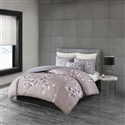 | 247 units |  | NS10-3255 | 086569115102 | $89.30 | $66.98 | $189.99 | Adult/Fashion Bedding | N Natori | COMFORTER (SET) | Comforter (Set) | Sakura Blossom | 3 Piece Cotton Sateen Printed Comforter Set | Full/Queen | 1 Comforter:92"W x 96"L 2 Standard Shams:20"W x 26"L (2) | Lilac | Floral | Comforter Face: T300 DPI cotton sateen printed. Sham Face: cotton percale with embroidery. Back: cotton percale solid. 300gsm poly fill. Hidden bartacking.
 | 245 units |  | NS10-3256 | 086569115140 | $98.70 | $74.03 | $209.99 | Adult/Fashion Bedding | N Natori | COMFORTER (SET) | Comforter (Set) | Sakura Blossom | 3 Piece Cotton Sateen Printed Comforter Set | King | 1 Comforter:110"W x 96"L 2 King Shams:20"W x 36"L (2) | Lilac | Floral | Comforter Face: T300 DPI cotton sateen printed. Sham Face: cotton percale with embroidery. Back: cotton percale solid. 300gsm poly fill. Hidden bartacking.
 | 196 units |  | NS12-2005 | 675716484880 | $75.20 | $56.40 | $159.99 | Adult/Fashion Bedding | N Natori | DUVET&DUVET SET | Duvet&Duvet Set | Cherry Blossom | Duvet Cover Mini Set | Queen | 1 Duvet Cover:92x96" 2 Standard Shams:20x26" (2) | Multi | Print | Duvet Cover and Sham Face: 100% cotton sateen with print; Back: 100% cotton percale print.
 | 201 units |  | NS12-2006 | 675716484897 | $84.60 | $63.45 | $179.99 | Adult/Fashion Bedding | N Natori | DUVET&DUVET SET | Duvet&Duvet Set | Cherry Blossom | Duvet Cover Mini Set | King | 1 Duvet Cover:110x96" 2 King Shams:20x36" (2) | Multi | Print | Duvet Cover and Sham Face: 100% cotton sateen with print; Back: 100% cotton percale print.
 | 76 units |  | NS12-3245 | 086569115218 | $75.20 | $56.40 | $159.99 | Adult/Fashion Bedding | N Natori | DUVET&DUVET SET | Duvet&Duvet Set | Hanae | Cotton Blend Yarn Dyed 3 Piece Duvet Cover Set | Full/Queen | 1 Duvet Cover:92"W x 96"L 2 Standard Shams:20"W x 26"L (2) | White | Texture | Duvet and sham Face: Poly/Cotton yarn dyed fabric pieced with cotton percale binding; Reverse: cotton percale solid. Button closure.
 | 269 units |  | NS12-3246 | 086569115232 | $84.60 | $63.45 | $179.99 | Adult/Fashion Bedding | N Natori | DUVET&DUVET SET | Duvet&Duvet Set | Hanae | Cotton Blend Yarn Dyed 3 Piece Duvet Cover Set | King | 1 Duvet Cover:110"W x 96"L 2 King Shams:20"W x 36"L (2) | White | Texture | Duvet and sham Face: Poly/Cotton yarn dyed fabric pieced with cotton percale binding; Reverse: cotton percale solid. Button closure.
 | 93 units |  | NS12-3251 | 086569115164 | $75.20 | $56.40 | $159.99 | Adult/Fashion Bedding | N Natori | DUVET&DUVET SET | Duvet&Duvet Set | Hanae | Cotton Blend Yarn Dyed 3 Piece Duvet Cover Set | Full/Queen | 1 Duvet Cover:92"W x 96"L 2 Standard Shams:20"W x 26"L (2) | Grey | Texture | Duvet and sham Face: Poly/Cotton yarn dyed fabric pieced with cotton percale binding; Reverse: cotton percale solid. Button closure.
 | 219 units |  | NS12-3252 | 086569115195 | $84.60 | $63.45 | $179.99 | Adult/Fashion Bedding | N Natori | DUVET&DUVET SET | Duvet&Duvet Set | Hanae | Cotton Blend Yarn Dyed 3 Piece Duvet Cover Set | King | 1 Duvet Cover:110"W x 96"L 2 King Shams:20"W x 36"L (2) | Grey | Texture | Duvet and sham Face: Poly/Cotton yarn dyed fabric pieced with cotton percale binding; Reverse: cotton percale solid. Button closure.
 | 211 units |  | NS12-3257 | 086569115188 | $75.20 | $56.40 | $159.99 | Adult/Fashion Bedding | N Natori | DUVET&DUVET SET | Duvet&Duvet Set | Sakura Blossom | 3 Piece Cotton Sateen Printed Duvet Cover Set | Full/Queen | 1 Duvet Cover:92"W x 96"L 2 Standard Shams:20"W x 26"L (2) | Lilac | Floral | Duvet Face: T300 DPI cotton sateen printed. Sham Face: cotton percale with embroidery. Back: cotton percale solid. Button closure.
 | 204 units |  | NS12-3258 | 086569115171 | $84.60 | $63.45 | $179.99 | Adult/Fashion Bedding | N Natori | DUVET&DUVET SET | Duvet&Duvet Set | Sakura Blossom | 3 Piece Cotton Sateen Printed Duvet Cover Set | King | 1 Duvet Cover:110"W x 96"L 2 King Shams:20"W x 36"L (2) | Lilac | Floral | Duvet Face: T300 DPI cotton sateen printed. Sham Face: cotton percale with embroidery. Back: cotton percale solid. Button closure.
 | 224 units |  | NS30-3259 | 086569115249 | $18.00 | $13.50 | $44.99 | Adult/Fashion Bedding | N Natori | NORMAL PILLOW | Other Pillows | Sakura Blossom |  |  | 12x20" | Lilac | Floral
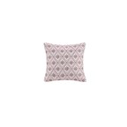 | 8 units |  | NS30-1825A | 675716444075 | $22.50 | $16.88 | $44.99 | Adult/Fashion Bedding | N Natori | NORMAL PILLOW | Other Pillows | Cherry Blossom | Square Pillow | 16x16" | 1 Pillow:16x16" | Multi | Embroidered | Cover: 100% poly microsuede with embroridery on face; Filling: 100% polyester
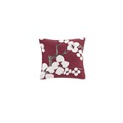 | 93 units |  | NS30-1826A | 675716444082 | $27.50 | $20.63 | $54.99 | Adult/Fashion Bedding | N Natori | NORMAL PILLOW | Other Pillows | Cherry Blossom | Square Pillow | 18x18" | 1 Pillow:18x18" | Red | Applique | Cover: 100% poly microsuede w/ applique on face; Filling: 100% polyester
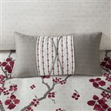 | 44 units |  | NS30-1827A | 675716444099 | $19.80 | $14.85 | $44.99 | Adult/Fashion Bedding | N Natori | NORMAL PILLOW | Other Pillows | Cherry Blossom | Oblong Pillow | 12x22" | 1 Pillow:12x22" | Grey | Embroidered | Cover: 100% cotton percale print with embroidery OBI technique; Filling: 100% polyester
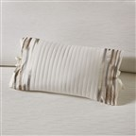 | 177 units |  | NS30-3248 | 086569115294 | $18.00 | $13.50 | $44.99 | Adult/Fashion Bedding | N Natori | NORMAL PILLOW | Other Pillows | Hanae | Embroidered Cotton Oblong Decorative Pillow | 12x20" | 1 Decorative Pillow:12"W x 20"L | White | Texture | Cover:100% cotton percale farbic with embroidery and quilted, tie bow on side Filling: 100% polyester
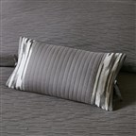 | 217 units |  | NS30-3254 | 086569115263 | $18.00 | $13.50 | $44.99 | Adult/Fashion Bedding | N Natori | NORMAL PILLOW | Other Pillows | Hanae | Embroidered Cotton Oblong Decorative Pillow | 12x20" | 1 Decorative Pillow:12"W x 20"L | Grey | Texture | Cover:100% cotton percale farbic with embroidery and quilted, tie bow on side Filling: 100% polyester

