Instructions
1, Please open the carton, then replace the upc sticker which in the box with TT Product Barcode for below Superlisting item

EEC Item No. | TT Marketplace Item No. | Marketplace UPC | TT Product Barcode | Total units | Units per master case | Total box QTY
AM10-0002 | NRTPTTIKTOK00826642 | 046515638420 | 153635264518 | 120 | 3 | 40
AM10-0003 | NRTPTTIKTOK00826643 | 046515526130 | 153635526662 | 174 | 3 | 58
AM10-0005 | NRTPTTIKTOK00826645 | 046515532971 | 152833366022 | 225 | 3 | 75
AM10-0006 | NRTPTTIKTOK00826646 | 046515525591 | 152833628166 | 330 | 3 | 110
AM10-0008 | NRTPTTIKTOK00826648 | 046515635542 | 153636050950 | 105 | 3 | 35
AM10-0009 | NRTPTTIKTOK00826649 | 046515635573 | 153636313094 | 150 | 3 | 50
AM10-0135 | NRTPTTIKTOK00834156 | 046515527823 | 1183882418182 | 57 | 3 | 19
AM10-0136 | NRTPTTIKTOK00834157 | 046515527946 | 1183882680326 | 81 | 3 | 27
AM10-0138 | NRTPTTIKTOK00834159 | 046515528189 | 1183882942470 | 54 | 3 | 18
AM10-0139 | NRTPTTIKTOK00834160 | 046515528301 | 1183883204614 | 78 | 3 | 26
AM10-0144 | NRTPTTIKTOK00834165 | 046515528875 | 1183883466758 | 51 | 3 | 17
AM10-0145 | NRTPTTIKTOK00834166 | 046515527496 | 1183883728902 | 75 | 3 | 25

Instructions for Pick label Application:

1. Each item of goods must have a unique barcode.
2. The barcode should be affixed to the outer package of the product, ensuring it is clearly visible and without any obstructions or defacement. Zigzag or fuzzy barcodes are not supported, and they should be scannable directly without the need for unpacking.
3. The outer package of the commodity should not bear any barcode other than the designated one.
4. The barcode sizes currently supported are 1.97 *1.18 in(5*3cm), 2.36 *1.57(6*4cm), 2.76 *1.18(7*3cm), 2.76 *1.97(7*5cm), 3.94 *2.36(10*6cm).

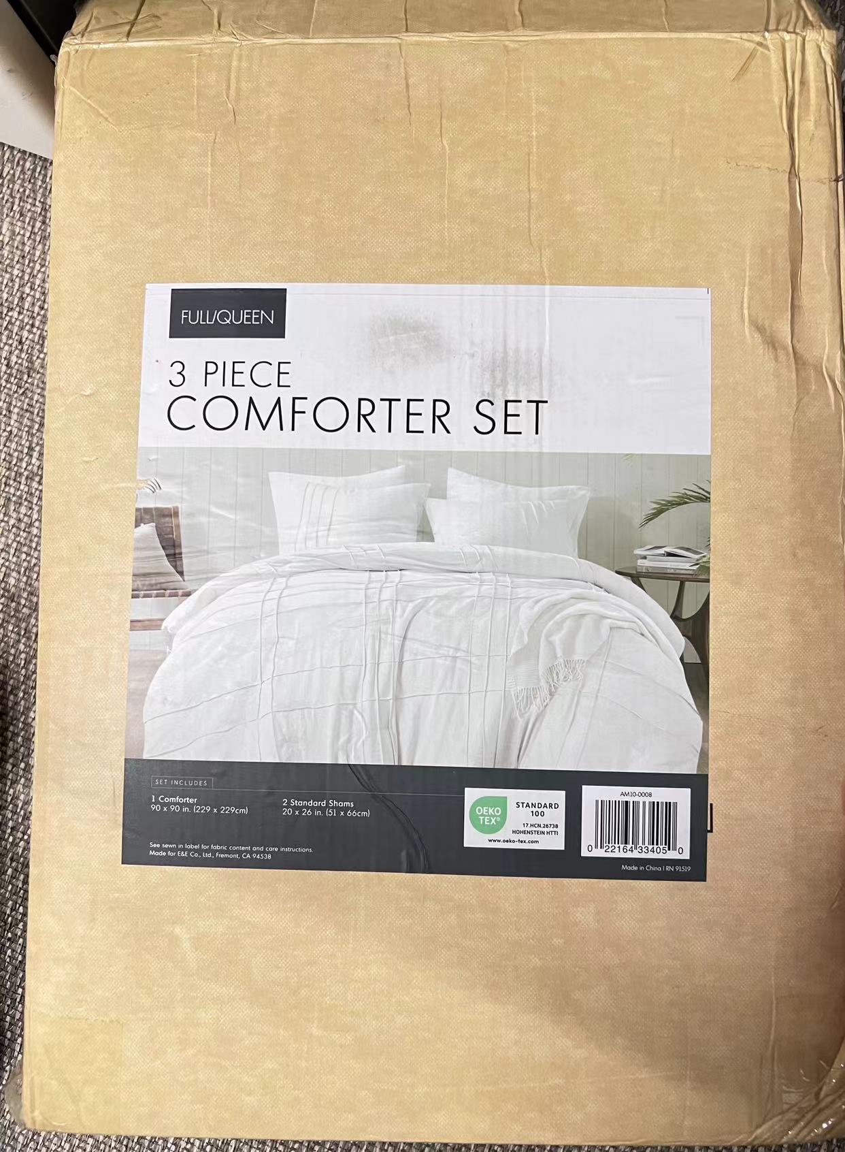

 |  |  | TT Product Barcode
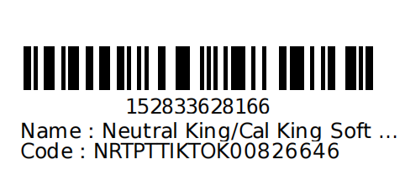

2, Please cover the carton upc label with TT Carton Label

Instructions for Carton Label Application:

1. Download the FBT shipping mark from the FBT system. Other third-party shipping marks are not permitted.
2. Apply two labels to each carton, affixing them firmly to both adjacent sides to prevent them from falling off, overlapping, or becoming soiled. It's important to note that the warehouse shipping label should not be placed on the same side as the FBT shipping label.

3. Adhere the carton to the corresponding box according to the carton number. Ensure it is affixed accurately and avoid incorrect placement.
4. The minimum printing size of the carton label is 3.94in*3.94in/10cm*10cm

