Instructions
The inventory of FBA is out of stock, so FBA decided to move pool stock inventory under normally FBA items to resell.

1. change the item#&label on gift box and carton, Original item# and New FBA item# list as below for your reference. Add QR code sticker on the top right corner of insert

Original Customer service item# | Customer service location | UPC | New FBA Item# | UPC | FBA ITEM location | QTY | Color | size | case pack
AM10-0005 | WDC | 022164334029 | HYD10-0072 | 022164334913 | WDC | 72 | Beige | Full/Queen: 90x90"/20x26"(2) | 3
AM10-0006 | WDC | 022164334036 | HYD10-0073 | 022164334920 | WDC | 150 | Beige | King: 104x90"/20x36"(2) | 3

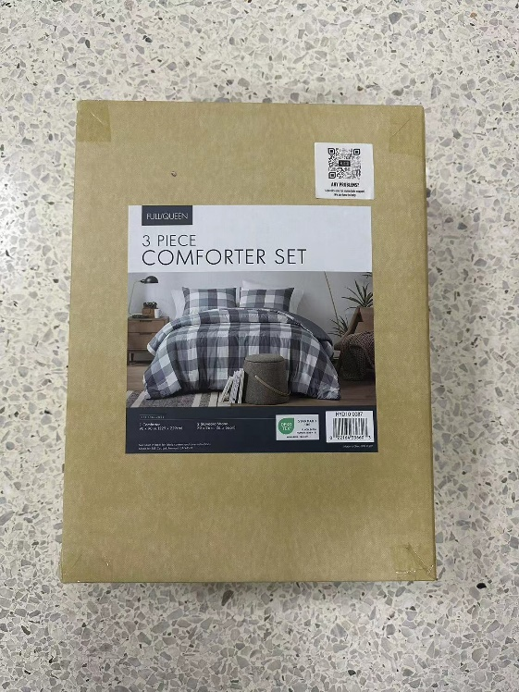

2. Keep the stock in WDC warehouse.

