Instructions-comforter
1. Replace the upc sticker and barcode which on the inner box with master item#

EEC Item No. | FBA item number | Total units | Units per master case | Total box QTY | Box needed
AM10-0008 | HYD10-0075 | 37 | 3 | 12.333333333 | 12
AM10-0002 | HYD10-0069 | 97 | 3 | 32.333333333 | 32
AM10-0003 | HYD10-0070 | 51 | 3 | 17 | 17

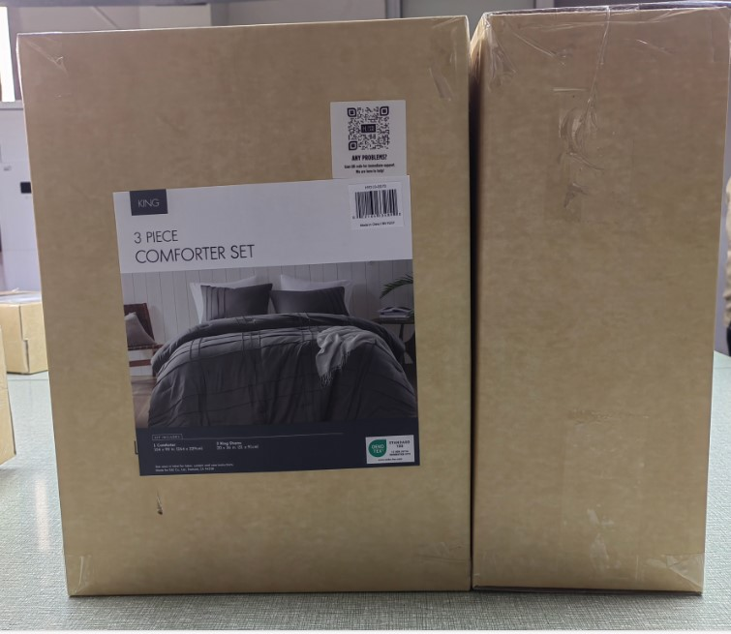

 |  |  |  |  |  | Cover those two label by using Superlisting master Item# and UPC# LABEL

2. Put the inner box to the ourter box, as case pack-3; and then put UPC label on the ourter box

Superlisting Carton Size
Size | L(cm) | W(cm) | H(cm) | L(inch) | W(inch) | H(inch)
T/TXL | 42 | 35 | 33.5 | 16.54 | 13.78 | 13.19
F/Q | 47 | 42 | 33.5 | 18.50 | 16.54 | 13.19
K/CK | 47 | 42 | 33.5 | 18.50 | 16.54 | 13.19

Instructions-Duvet
1. Replace the upc sticker and barcode which on the inner box with master item#

EEC Item No. | FBA item number | Total units | Units per master case | Total box QTY | Box needed
AM12-0038 | HYD12-0081 | 260 | 4 | 65 | 65
AM12-0039 | HYD12-0082 | 171 | 5 | 34.2 | 34
AM12-0042 | HYD12-0085 | 189 | 6 | 31.5 | 31
AM12-0041 | HYD12-0084 | 216 | 7 | 30.857142857 | 30
AM12-0036 | HYD12-0079 | 171 | 8 | 21.375 | 21
AM12-0035 | HYD12-0078 | 132 | 9 | 14.666666667 | 14

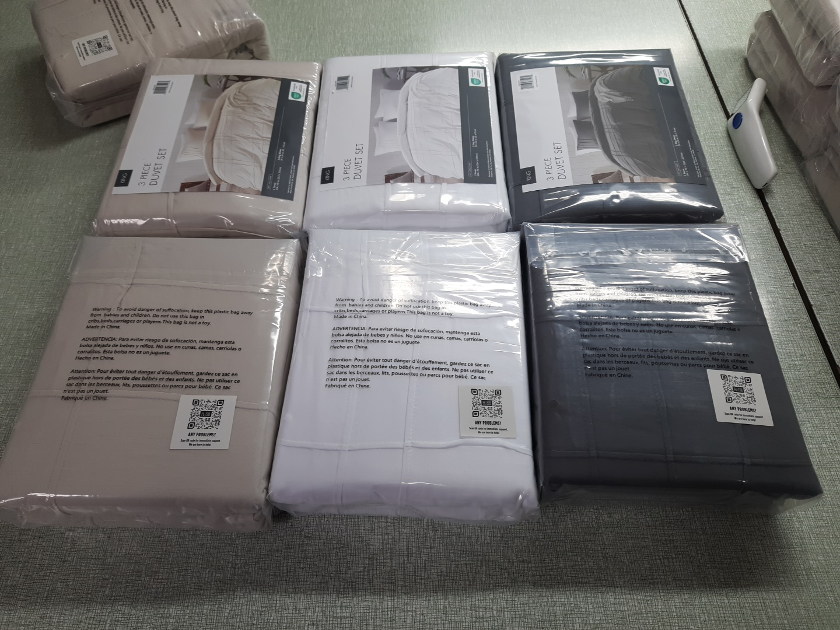

 |  |  |  |  |  | Cover FBA UPC label by using Superlisting master Item# and UPC# LABEL

 |  |  |  |  |  | Cover BARCODE label by using Blank label

2. Put the inner pack to the ourter box, as case pack-4; and then put UPC label on the ourter box

Superlisting Carton Size
Size | L(cm) | W(cm) | H(cm) | L(inch) | W(inch) | H(inch)
T/TXL | 30 | 27 | 25.5 | 11.81 | 10.63 | 10.04
F/Q | 33 | 30 | 25.5 | 12.99 | 11.81 | 10.04
K/CK | 37 | 30 | 25.5 | 14.57 | 11.81 | 10.04

