Cheerleading
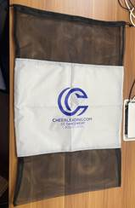
Style number | color | Size | QTY | UPC# | Item# | EEC PO#
SM-7008 White CB9008 | White | 93cmx60cm | 1,800 | 022164427356 | CC05-0867 | CC-240318
Ex China delivery: 6/10/2024 ex China by sea for S/W 7/15 |  | TOTAL: | 1,800
Customer PO# 33847 | Supplier: Haotian

Style number | color | Size | QTY | UPC# | Item# | EEC PO#
SM-7008 White CB9008 | White | 93cmx60cm | 200 | 022164427356 | CC05-0867 | CC-240318-1
Ex China delivery: 5/25/2024 ex China by fedex for S/W 6/5 |  | TOTAL: | 200
Customer PO# 33847 | Supplier: Haotian

