JLA
Riverdale JLA HOME 7425720
4060 Riverdale Rd Ogden, UT 84405 |  |  |  |  |  | Ship To Deliver: 3/15/2024 |  | Delivery Contact: Katrina Barrera (909) 997-6325
Vendor | MFG SKU | PHOTO | Ashley SKU | PRODUCT DESCRIPTION | Size | Color | ORDER QTY | COST | EXTENDED COST
JLA | MP13-6132 |  | Q600005718 | Mitchell Reversible Coverlet Set | Twin | Black |  |  | $0.00
JLA | MP13-6133 |  | Q600005719 | Mitchell Reversible Coverlet Set | Full/Queen | Black | 2 | 38.54 | $77.08
JLA | MP13-6134 |  | Q600005720 | Mitchell Reversible Coverlet Set | King/California King | Black | 6 | 43.08 | $258.48
JLA | MP13-625 |  | Q600005721 | Mitchell Reversible Coverlet Set | Twin/Twin XL | White |  |  | $0.00
JLA | MP13-626 |  | Q600005722 | Mitchell Reversible Coverlet Set | Full/Queen | White | 1 | 38.54 | $38.54
JLA | MP13-627 |  | Q600005723 | Mitchell Reversible Coverlet Set | King/California King | White |  |  | $0.00
JLA | MP13-3457 |  | Q600005715 | Mitchell Reversible Coverlet Set | Twin/Twin XL | Navy |  |  | $0.00
JLA | MP13-3458 |  | Q600005716 | Mitchell Reversible Coverlet Set | Full/Queen | Navy | 1 | 38.54 | $38.54
JLA | MP13-3459 |  | Q600005717 | Mitchell Reversible Coverlet Set | King/California King | Navy | 1 | 43.08 | $43.08
JLA | MP13-628 |  | Q600013504 | Mitchell Reversible Coverlet Set | Twin/Twin XL | Cream |  |  | $0.00
JLA | MP13-629 |  | Q600013501 | Mitchell Reversible Coverlet Set | Full/Queen | Cream |  |  | $0.00
JLA | MP13-630 | 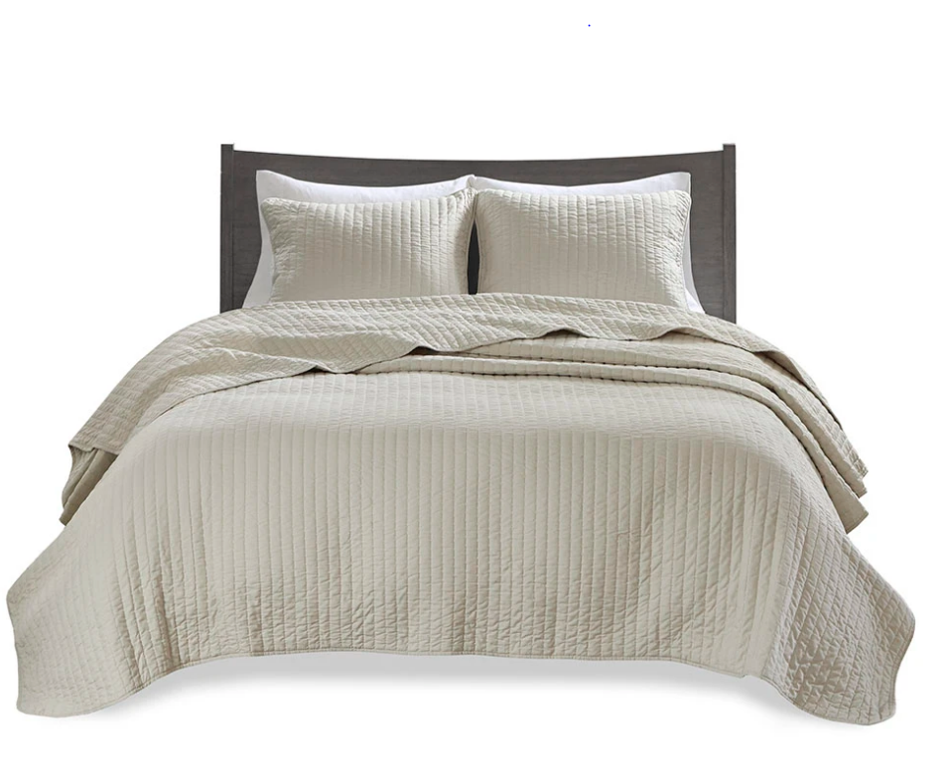 | Q600013498 | Mitchell Reversible Coverlet Set | King/California King | Cream | 1 | 43.08 | $43.08
JLA | MP13-6115 |  | Q600013505 | Mitchell Reversible Coverlet Set | Twin/Twin XL | Teal |  |  | $0.00
JLA | MP13-6116 |  | Q600013502 | Mitchell Reversible Coverlet Set | Full/Queen | Teal |  |  | $0.00
JLA | MP13-6117 |  | Q600013499 | Mitchell Reversible Coverlet Set | King/California King | Teal |  |  | $0.00
JLA | MP13-1237 |  | Q600013506 | Mitchell Reversible Coverlet Set | Twin/Twin XL | Grey |  |  | $0.00
JLA | MP13-1238 |  | Q600013503 | Mitchell Reversible Coverlet Set | Full/Queen | Grey |  |  | $0.00
JLA | MP13-1239 |  | Q600013500 | Mitchell Reversible Coverlet Set | King/California King | Grey |  |  | $0.00
JLA | MP13-2580 |  | Q600013652 | Quebec Reversible Quilt Set | Twin/Twin XL | Blue |  |  | $0.00
JLA | MP13-366 |  | Q600013647 | Quebec Reversible Quilt Set | Full/Queen | Blue |  |  | $0.00
JLA | MP13-367 | 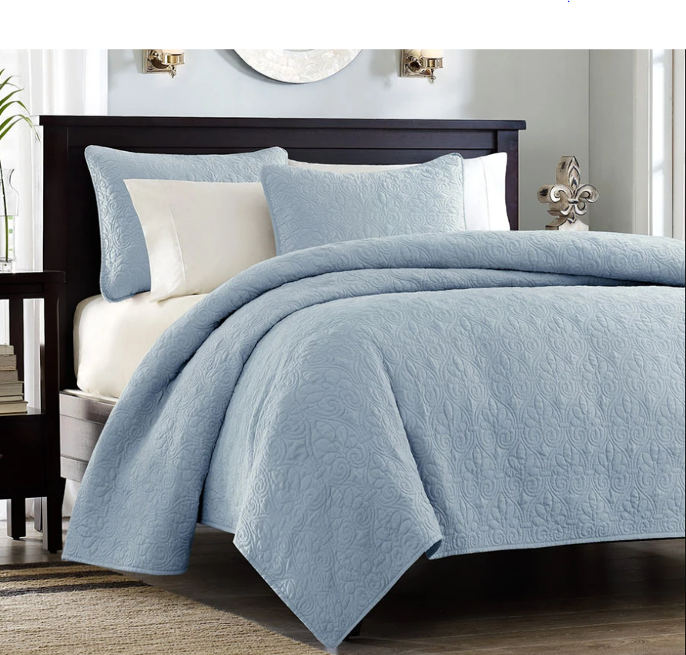 | Q600013637 | Quebec Reversible Quilt Set | King/California King | Blue |  |  | $0.00
JLA | MP13-480 |  | Q600013654 | Quebec Reversible Quilt Set | Twin/Twin XL | Cream |  |  | $0.00
JLA | MP13-149 |  | Q600013650 | Quebec Reversible Quilt Set | Full/Queen | Cream |  |  | $0.00
JLA | MP13-150 | 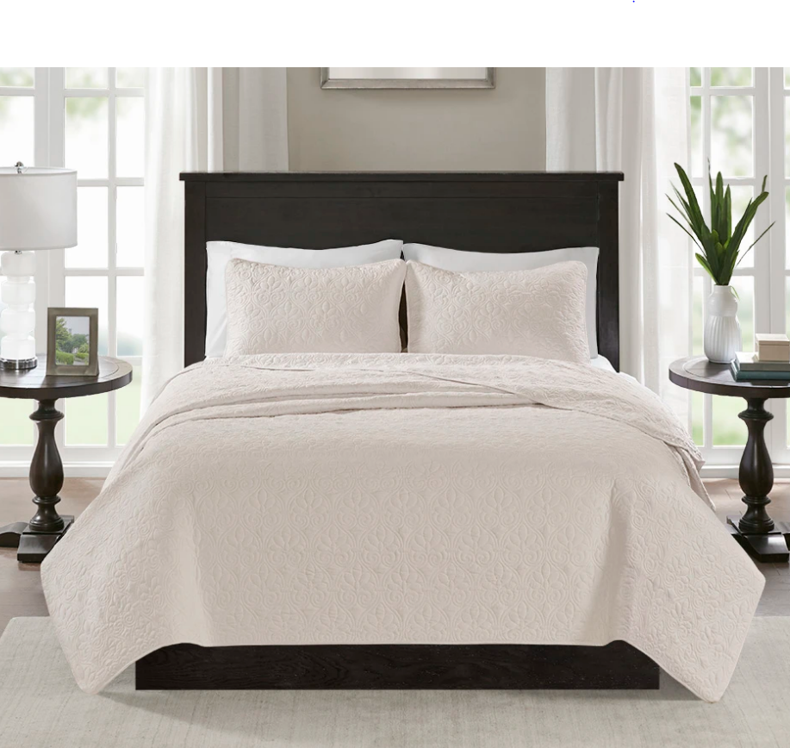 | Q600013640 | Quebec Reversible Quilt Set | King/California King | Cream | 1 | 41.67 | $41.67
JLA | MP13-2581 |  | Q600013651 | Quebec Reversible Quilt Set | Twin/Twin XL | Grey |  |  | $0.00
JLA | MP13-1369 |  | Q600013646 | Quebec Reversible Quilt Set | Full/Queen | Grey | 1 | 36.28 | $36.28
JLA | MP13-1370 |  | Q600013636 | Quebec Reversible Quilt Set | King/California King | Grey |  |  | $0.00
JLA | MP13-481 |  | Q600013653 | Quebec Reversible Quilt Set | Twin/Twin XL | Khaki |  |  | $0.00
JLA | MP13-155 |  | Q600013648 | Quebec Reversible Quilt Set | Full/Queen | Khaki |  |  | $0.00
JLA | MP13-156 |  | Q600013638 | Quebec Reversible Quilt Set | King/California King | Khaki | 1 | 41.67 | $41.67
JLA | MP13-6486 |  | Q600013632 | Quebec Reversible Quilt Set | Full/Queen | Mocha | 2 | 36.28 | $72.56 | NO TWIN
JLA | MP13-6487 |  | Q600013632 | Quebec Reversible Quilt Set | King/California King | Mocha |  |  | $0.00
JLA | MP13-4972 |  | Q600013657 | Quebec Reversible Quilt Set | Twin/Twin XL | Navy |  |  | $0.00
JLA | MP13-1686 |  | Q600013644 | Quebec Reversible Quilt Set | Full/Queen | Navy |  |  | $0.00
JLA | MP13-1687 | 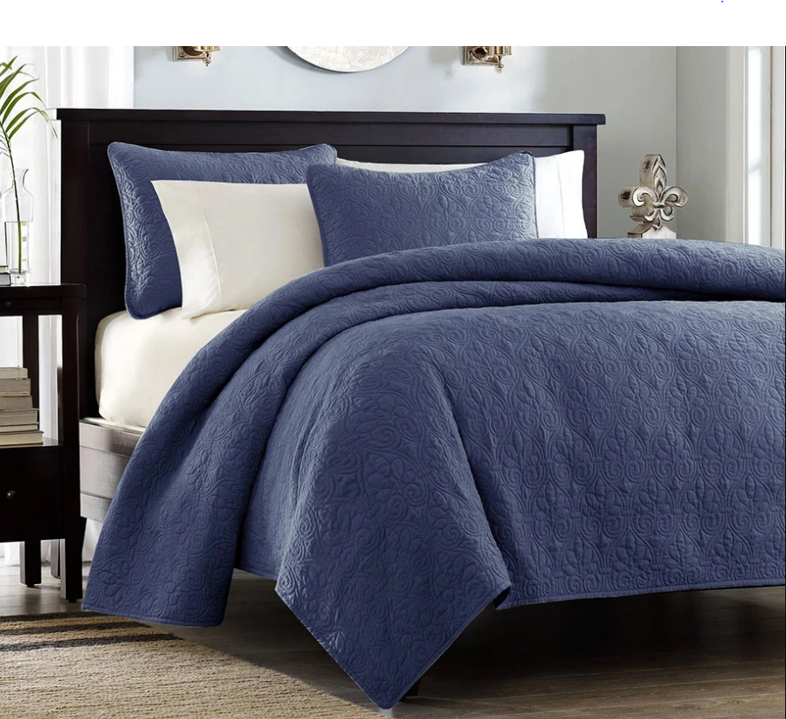 | Q600013634 | Quebec Reversible Quilt Set | King/California King | Navy |  |  | $0.00
JLA | MP13-6149 |  | Q600013643 | Quebec Reversible Quilt Set | Full/Queen | Purple |  |  | $0.00
JLA | MP13-6150 | 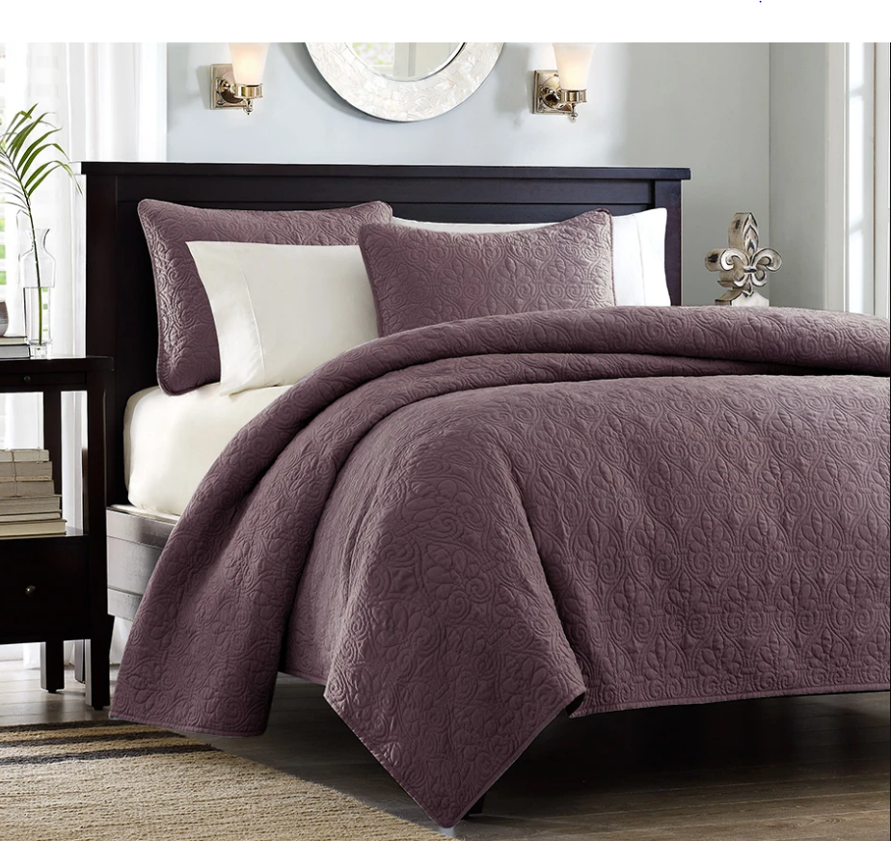 | Q600013633 | Quebec Reversible Quilt Set | King/California King | Purple |  |  | $0.00
JLA | MP13-482 | 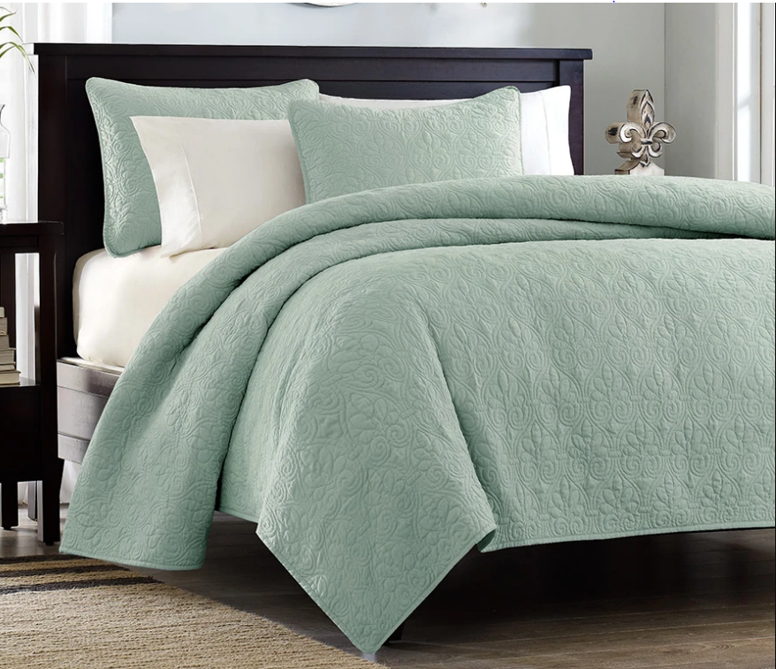 | Q600013656 | Quebec Reversible Quilt Set | Twin/Twin XL | Seafoam |  |  | $0.00
JLA | MP13-153 |  | Q600013649 | Quebec Reversible Quilt Set | Full/Queen | Seafoam |  |  | $0.00
JLA | MP13-154 |  | Q600013639 | Quebec Reversible Quilt Set | King/California King | Seafoam |  |  | $0.00
JLA | MP13-1387 |  | Q600013655 | Quebec Reversible Quilt Set | Twin/Twin XL | White |  |  | $0.00
JLA | MP13-1371 |  | Q600013645 | Quebec Reversible Quilt Set | Full/Queen | White |  |  | $0.00
JLA | MP13-1372 |  | Q600013635 | Quebec Reversible Quilt Set | King/California King | White |  |  | $0.00
JLA | MP13-6455 |  | Q600013641 | Quebec Reversible Bedspread Set | Full | Dark Grey |  |  | $0.00
JLA | MP13-6126 |  | Q600013623 | Quebec Reversible Bedspread Set | Queen | Dark Grey |  |  | $0.00
JLA | MP13-6127 |  | Q600013612 | Quebec Reversible Bedspread Set | King | Dark Grey |  |  | $0.00
 |  |  |  |  |  | GRAND TOTAL |  |  | $690.98

