Cheerleading
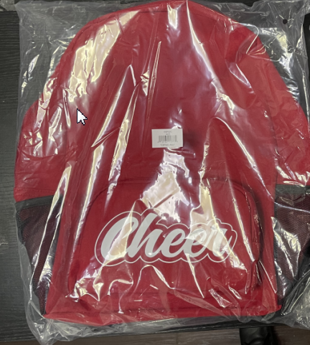
Style number | color | Size | QTY | UPC# | Item# | EEC PO# | With imprint | Style number | color | Size | QTY | UPC# | Item# | EEC PO# | With imprint
CBP22C | BGD | One size | 830 | 022164153675 | CC05-0638 | CC-240120 |  | CBP22C | BGD | One size | 30 | 022164153675 | CC05-0638 | CC-240120-1
CBP22C | BLK | One size | 3,720 | 022164153682 | CC05-0639 |  |  | CBP22C | BLK | One size | 0 | 022164153682 | CC05-0639
CBP22C | CBL | One size | 70 | 022164153699 | CC05-0640 |  |  | CBP22C | CBL | One size | 0 | 022164153699 | CC05-0640
CBP22C | FGR | One size | 420 | 022164153705 | CC05-0641 |  |  | CBP22C | FGR | One size | 0 | 022164153705 | CC05-0641
CBP22C | KGR | One size | 140 | 022164153712 | CC05-0642 |  |  | CBP22C | KGR | One size | 0 | 022164153712 | CC05-0642
CBP22C | MAR | One size | 750 | 022164153729 | CC05-0643 |  |  | CBP22C | MAR | One size | 250 | 022164153729 | CC05-0643
CBP22C | NBL | One size | 1,600 | 022164153736 | CC05-0644 |  |  | CBP22C | NBL | One size | 0 | 022164153736 | CC05-0644
CBP22C | ORG | One size | 730 | 022164153743 | CC05-0645 |  |  | CBP22C | ORG | One size | 100 | 022164153743 | CC05-0645
CBP22C | PUR | One size | 560 | 022164153750 | CC05-0646 |  |  | CBP22C | PUR | One size | 0 | 022164153750 | CC05-0646
CBP22C | RBL | One size | 2,330 | 022164153767 | CC05-0647 |  |  | CBP22C | RBL | One size | 300 | 022164153767 | CC05-0647
CBP22C | RED | One size | 1,290 | 022164153774 | CC05-0648 |  |  | CBP22C | RED | One size | 0 | 022164153774 | CC05-0648
Ex China delivery: 5/20/2024 ex China by sea for S/W 6/30 |  | TOTAL: | 12,440 |  |  |  |  | Ex China delivery: 4/30/2024 ex China by Air for S/W 5/10 |  | TOTAL: | 680
Customer PO# 32176 | Supplier: Haotian |  |  |  |  |  |  | Customer PO# 32176 | Supplier: Haotian

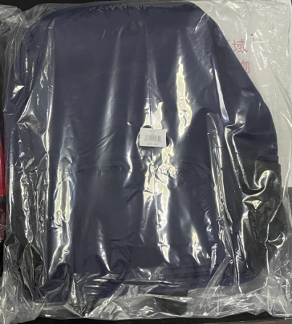
Style number | color | Size | QTY | UPC# | Item# | EEC PO# | Without imprint
CBP22 | BGD | One size | 0 | 022164153569 | CC05-0627 | CC-240121
CBP22 | BLK | One size | 0 | 022164153576 | CC05-0628
CBP22 | CBL | One size | 0 | 022164153583 | CC05-0629
CBP22 | FGR | One size | 0 | 022164153590 | CC05-0630
CBP22 | KGR | One size | 0 | 022164153606 | CC05-0631
CBP22 | MAR | One size | 0 | 022164153613 | CC05-0632
CBP22 | NBL | One size | 300 | 022164153620 | CC05-0633
CBP22 | ORG | One size | 0 | 022164153637 | CC05-0634
CBP22 | PUR | One size | 0 | 022164153644 | CC05-0635
CBP22 | RBL | One size | 0 | 022164153651 | CC05-0636
CBP22 | RED | One size | 0 | 022164153668 | CC05-0637
Ex China delivery: 5/20/2024 ex China by sea for S/W 6/30 |  | TOTAL: | 300
Customer PO# 32176 | Supplier: Haotian

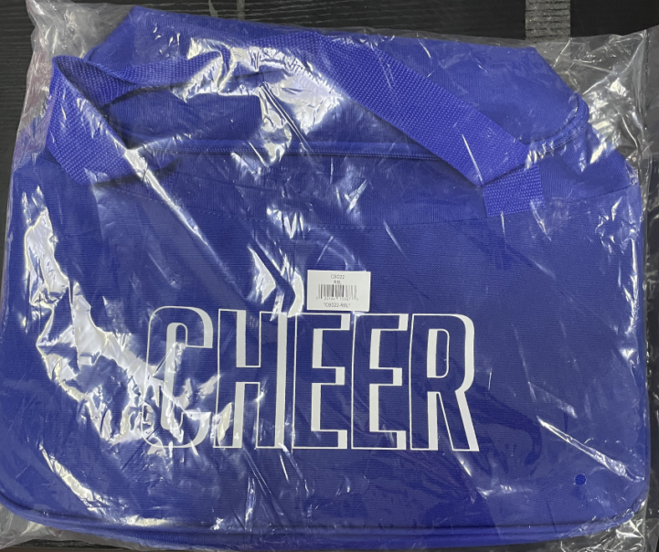
Style number | color | Size | QTY | UPC# | Item# | EEC PO#
CBD22 | BGD | One size | 860 | 022164153781 | CC05-0649 | CC-240122
CBD22 | BLK | One size | 4430 | 022164153798 | CC05-0650
CBD22 | CBL | One size | 480 | 022164153804 | CC05-0651
CBD22 | FGR | One size | 520 | 022164153811 | CC05-0652
CBD22 | KGR | One size | 680 | 022164153828 | CC05-0653
CBD22 | MAR | One size | 930 | 022164153835 | CC05-0654
CBD22 | NBL | One size | 2020 | 022164153842 | CC05-0655
CBD22 | ORG | One size | 390 | 022164153859 | CC05-0656
CBD22 | PUR | One size | 920 | 022164153866 | CC05-0657
CBD22 | RBL | One size | 2950 | 022164153873 | CC05-0658
CBD22 | RED | One size | 1400 | 022164153880 | CC05-0659
Ex China delivery: 5/20/2024 ex China by sea for S/W 6/30 |  | TOTAL: | 15,580
Customer PO# 32176 | Supplier: Haotian

