Quote Sheet
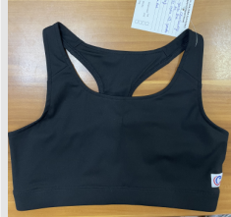
 | Style # | Item# | UPC# | Size | Qty | Colour | Item Description | Cost
1 | JBRB | CC00-0850 | 022164404869 | YS | 40 | BLK |  | $3.42
2 | JBRB | CC00-0851 | 022164404876 | YM | 50 | BLK |  | $3.42
3 | JBRB | CC00-0852 | 022164404883 | YL | 60 | BLK |  | $3.42
4 | JBRB | CC00-0853 | 022164404890 | AXS | 70 | BLK |  | $3.42
5 | JBRB | CC00-0854 | 022164404906 | AS | 170 | BLK |  | $3.42
6 | JBRB | CC00-0855 | 022164404913 | AM | 140 | BLK |  | $3.42
7 | JBRB | CC00-0856 | 022164404920 | AL | 60 | BLK |  | $3.42
8 | JBRB | CC00-0857 | 022164404937 | AXL | 40 | BLK |  | $3.42
9 | JBRB | CC00-0858 | 022164404944 | A2L | 40 | BLK |  | $3.42
10 | JBRB | CC00-0859 | 022164404951 | A3L | 30 | BLK |  | $3.42
 | Customer PO#32775 |  |  | TOTAL | 700 |  | CC-240124
 | Shipping date is 5/20/2024 ex China by boat for S/W 6/30/2024

