Instructions
The inventory of FBA is out of stock, so FBA decided to move pool stock inventory under normally FBA items to resell.

1. These items AM12-0096/93 inventory are under Ecomdropship with location SD2,please transfer inventory to SV3

2. change the item#&label on gift box and carton, Original item# and New FBA item# list as below for your reference.

Original Customer service item# | Customer service location | UPC | New FBA Item# | UPC | FBA ITEM location | QTY | Color | size | case pack
AM10-0096 | SD2 | 022164335736 | HYD10-0103 | 022164337105 | SV3 | 120 | Blue | King: 104x90"/20x36"(2) | 3
AM10-0093 | SD2 | 022164335705 | HYD10-0100 | 022164337075 | SV3 | 60 | Gray | King: 104x90"/20x36"(2) | 3

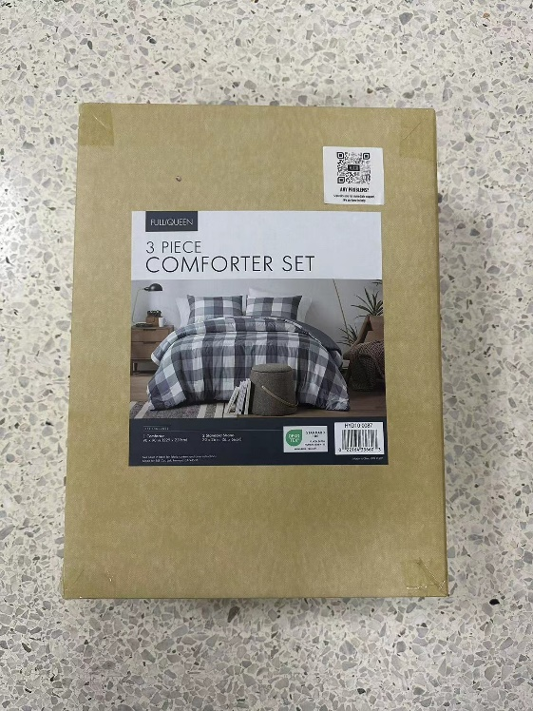

3. Keep the stock in SV3 warehouse.

