amazon
Line No. | Photo | VIN/Art No. | Brand | Licensor | Product Category | Pattern | Item Description | Description-Short | Fabrication | Material-Short | Size/Spec. | Color | Item No. | UPC | Unit of Measure | China RMB Cost | Exchange Rate | FOB Cost $ (Formula) | FOB Cost $ (Value) | UCCPM Price | Package Type | Carton Size L (cm) | Carton Size W (cm) | Carton Size H (cm) | Carton Gross Weight (kg) | Case Pack | Cubic Meter per Carton | Total Units per 40ft Container | 40ft Container Freight | Ocean Freight per Item $ | HTS Code | Duty Rate | Duty per Item $ | LDP Cost $ | DA % | DA $ | General Load % | General Load $ | Warehouse Charge % | Warehouse Charge $ | Dropship Charge | Load 1 | Load 1 % | Load 1 $ | Total Load $ | LDP Cost with Load $ | JLA LDP MU% | JLA price with drop ship charges | Suggested Retail Price | Initial Markup | Total Qnty
1 | 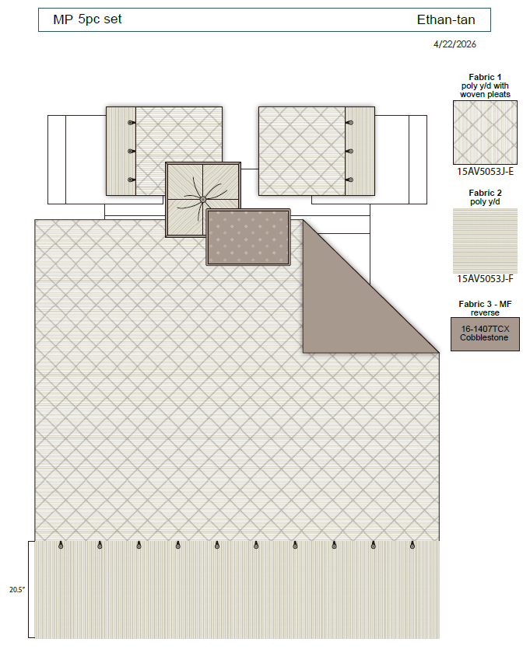 | N/A | Madison Park |  | COMFORTER (SET) | Ethan | 100% Polyester Yarn Dye 5 Pieces Comforter Set | 5 Pieces Comforter Set | Comforter/Shams: 100% polyester yarn dye stripe with woven pleats, 95gsm MF reverse. 270gsm comforter filling Dec pillows: poly cover, poly filling. | Face: 100%polyester Back: 100%polyester | Full/Queen 1 Comforter 90''W x 92"L 2 Standard Shams 20''W x 26"L(2) 1 Decorative Pillow 16''W x 16"L 1 Decorative Pillow 12''W x 18"L | Tan |  |  | Set | 126.23 | 7.65 | $16.50 | $16.50 |  | Compressed/Knocked Down | 46.0 | 36.0 | 21.0 |  | 1 | 0.035 | 1869 | $3,700.00 | $1.98 | 9404.40.9022 | 22.80% | $3.76 | $22.24 | 31.00% | $16.18 |  | $0.00 | 10.00% | $5.22 |  |  |  | $0.00 | $21.40 | $43.64 | 16.38% | $52.19 | $89.99 | 42.00% | 396
2 |  |  | Madison Park |  | COMFORTER (SET) | Ethan | 100% Polyester Yarn Dye 5 Pieces Comforter Set | 5 Pieces Comforter Set | Comforter/Shams: 100% polyester yarn dye stripe with woven pleats, 95gsm MF reverse. 270gsm comforter filling Dec pillows: poly cover, poly filling. | Face: 100%polyester Back: 100%polyester | King 1 Comforter 104''W x 94"L 2 King Shams 20''W x 36"L(2) 1 Decorative Pillow 16''W x 16"L 1 Decorative Pillow 12''W x 18"L | Tan |  |  | Set | 137.09 | 7.65 | $17.92 | $17.92 |  | Compressed/Knocked Down | 46.0 | 36.0 | 23.0 |  | 1 | 0.038 | 1707 | $3,700.00 | $2.17 | 9404.40.9022 | 22.80% | $4.09 | $24.17 | 31.00% | $17.98 |  | $0.00 | 10.00% | $5.80 |  |  |  | $0.00 | $23.78 | $47.95 | 17.31% | $57.99 | $99.99 | 42.00% | 198
3 |  |  | Madison Park |  | COMFORTER (SET) | Ethan | 100% Polyester Yarn Dye 5 Pieces Comforter Set | 5 Pieces Comforter Set | Comforter/Shams: 100% polyester yarn dye stripe with woven pleats, 95gsm MF reverse. 270gsm comforter filling Dec pillows: poly cover, poly filling. | Face: 100%polyester Back: 100%polyester | Cal King 1 Comforter 106''W x 98"L 2 King Shams 20''W x 36"L(2) 1 Decorative Pillow 16''W x 16"L 1 Decorative Pillow 12''W x 18"L | Tan |  |  | Set | 143.21 | 7.65 | $18.72 | $18.72 |  | Compressed/Knocked Down | 46.0 | 36.0 | 25.0 |  | 1 | 0.041 | 1570 | $3,700.00 | $2.36 | 9404.40.9022 | 22.80% | $4.27 | $25.34 | 31.00% | $19.77 |  | $0.00 | 10.00% | $6.38 |  |  |  | $0.00 | $26.15 | $51.50 | 19.27% | $63.79 | $109.99 | 42.00% | 99
4 | 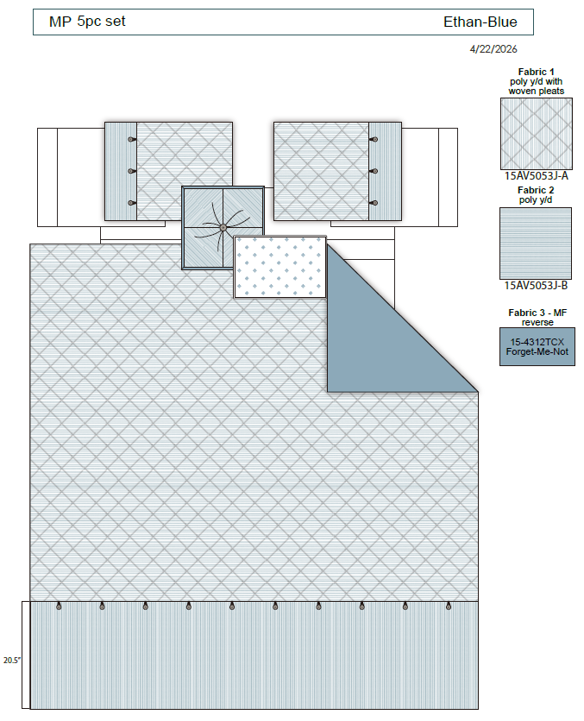 | N/A | Madison Park |  | COMFORTER (SET) | Ethan | 100% Polyester Yarn Dye 5 Pieces Comforter Set | 5 Pieces Comforter Set | Comforter/Shams: 100% polyester yarn dye stripe with woven pleats, 95gsm MF reverse. 270gsm comforter filling Dec pillows: poly cover, poly filling. | Face: 100%polyester Back: 100%polyester | Full/Queen 1 Comforter 90''W x 92"L 2 Standard Shams 20''W x 26"L(2) 1 Decorative Pillow 16''W x 16"L 1 Decorative Pillow 12''W x 18"L | Blue |  |  | Set | 126.23 | 7.65 | $16.50 | $16.50 |  | Compressed/Knocked Down | 46.0 | 36.0 | 21.0 |  | 1 | 0.035 | 1869 | $3,700.00 | $1.98 | 9404.40.9022 | 22.80% | $3.76 | $22.24 | 31.00% | $16.18 |  | $0.00 | 10.00% | $5.22 |  |  |  | $0.00 | $21.40 | $43.64 | 16.38% | $52.19 | $89.99 | 42.00% | 198
5 |  |  | Madison Park |  | COMFORTER (SET) | Ethan | 100% Polyester Yarn Dye 5 Pieces Comforter Set | 5 Pieces Comforter Set | Comforter/Shams: 100% polyester yarn dye stripe with woven pleats, 95gsm MF reverse. 270gsm comforter filling Dec pillows: poly cover, poly filling. | Face: 100%polyester Back: 100%polyester | King 1 Comforter 104''W x 94"L 2 King Shams 20''W x 36"L(2) 1 Decorative Pillow 16''W x 16"L 1 Decorative Pillow 12''W x 18"L | Blue |  |  | Set | 137.09 | 7.65 | $17.92 | $17.92 |  | Compressed/Knocked Down | 46.0 | 36.0 | 23.0 |  | 1 | 0.038 | 1707 | $3,700.00 | $2.17 | 9404.40.9022 | 22.80% | $4.09 | $24.17 | 31.00% | $17.98 |  | $0.00 | 10.00% | $5.80 |  |  |  | $0.00 | $23.78 | $47.95 | 17.31% | $57.99 | $99.99 | 42.00% | 99
6 |  |  | Madison Park |  | COMFORTER (SET) | Ethan | 100% Polyester Yarn Dye 5 Pieces Comforter Set | 5 Pieces Comforter Set | Comforter/Shams: 100% polyester yarn dye stripe with woven pleats, 95gsm MF reverse. 270gsm comforter filling Dec pillows: poly cover, poly filling. | Face: 100%polyester Back: 100%polyester | Cal King 1 Comforter 106''W x 98"L 2 King Shams 20''W x 36"L(2) 1 Decorative Pillow 16''W x 16"L 1 Decorative Pillow 12''W x 18"L | Blue |  |  | Set | 143.21 | 7.65 | $18.72 | $18.72 |  | Compressed/Knocked Down | 46.0 | 36.0 | 25.0 |  | 1 | 0.041 | 1570 | $3,700.00 | $2.36 | 9404.40.9022 | 22.80% | $4.27 | $25.34 | 31.00% | $19.77 |  | $0.00 | 10.00% | $6.38 |  |  |  | $0.00 | $26.15 | $51.50 | 19.27% | $63.79 | $109.99 | 42.00% | 50
 |  |  |  |  |  |  |  |  |  |  |  |  |  |  |  |  |  |  |  |  |  |  |  |  |  |  |  |  |  |  |  |  |  |  |  |  |  |  |  |  |  |  |  |  |  |  |  |  |  |  | 1040

