AUG HUDD SEPT FLOOR
 |  |  |  |  |  |  |  |  |  |  |  |  |  |  |  |  |  |  |  |  |  |  |  |  |  |  | CARTON DIMENSIONS
CLASS | SUBCLASS | MASTERSTYLE | SUPPLIER | LABEL | DEPT | VENDOR NO. | GROUP | CORE/ FASHION | MASTER ITEM | CAD/IMAGE | DESCRIPTION | COMMENTS | CLASS | SUBCLASS | SAMPLE COMMENTS | COLOR | NRF COLOR CODE | SIZE | GSM | FIRST COST 30% TARIFF | LANDED COST | INDC | UNITS | TOTAL FC | TOTAL LC | fabrication | L (cm) | W (cm) | H (cm) | UNITS PER PREPACK | # OF PPK | CARTON DIMENSIONS | CONTRACT# | PO#
75 | 04 | 10232 | JLA | MAISON JULES | 0865 | 269 | BLANKETS | new |  | 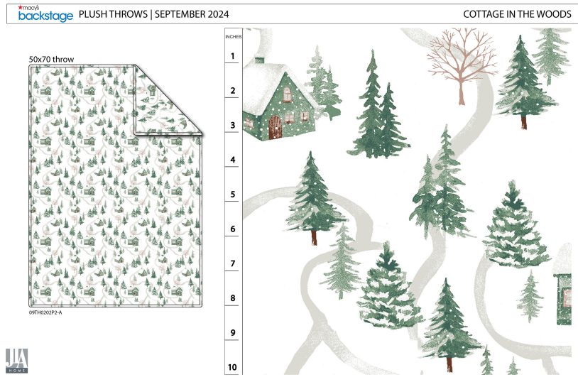 | SKI VILLAGE BLANKET TW | CAN WE ADD SMALL SKIERS ALONG THE PATHS? | 75 |  |  | 100 | WHITE | TWIN: 66x90'' | 350 GSM | $8.51 | $9.15 | AUGUST | 200 | $1,702 | $1,830 | PLUSH |  |  |  | 2 | 1 | 2
 |  |  |  |  |  |  |  | new |  |  | SKI VILLAGE BLANKET F/Q |  | 75 |  |  | 100 | WHITE | FULL/QUEEN: 90x90'' | 350 GSM | $11.19 | $12.02 | AUGUST | 200 | $2,238 | $2,404 | PLUSH |  |  |  | 2 | 1 | 2
 |  |  |  |  |  |  |  | new |  |  | SKI VILLAGE BLANKET KG |  | 75 |  |  | 100 | WHITE | KING: 108x90'' | 350 GSM | $12.93 | $13.89 | AUGUST | 200 | $2,586 | $2,778 | PLUSH |  |  |  | 2 | 1 | 2
75 | 04 | 10232 | JLA | MAISON JULES | 0865 | 269 | BLANKETS | new |  | 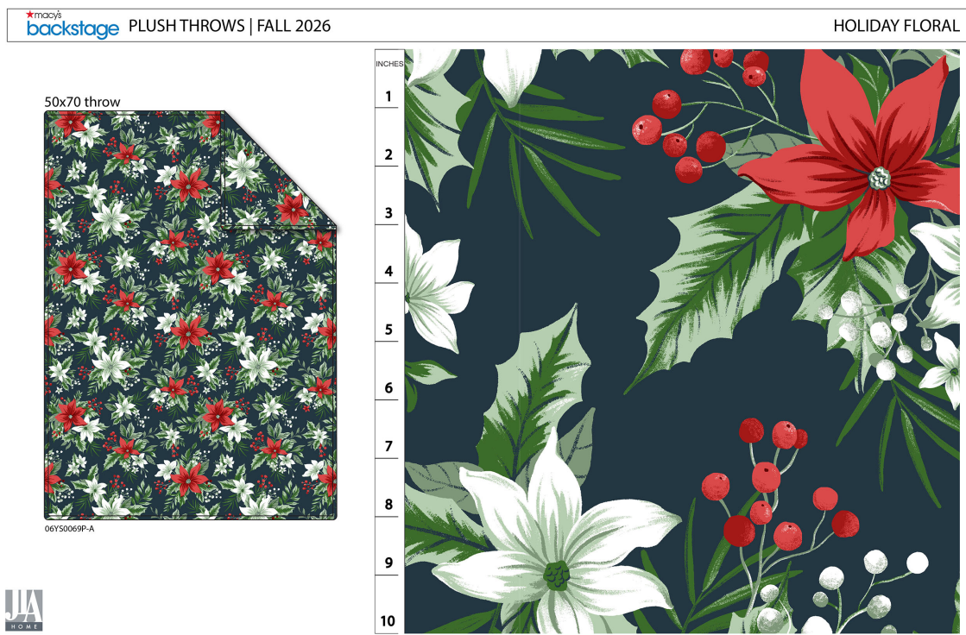 | POINSETTIA BLANKET TW | CAN WE INCREASE THE SCALE OF THIS DESIGN? | 75 |  |  | 410 | NAVY | TWIN: 66x90'' | 350 GSM | $8.51 | $9.15 | AUGUST | 200 | $1,702 | $1,830 | PLUSH |  |  |  | 2 | 1 | 2
 |  |  |  |  |  |  |  | new |  |  | POINSETTIA BLANKET F/Q |  | 75 |  |  | 410 | NAVY | FULL/QUEEN: 90x90'' | 350 GSM | $11.19 | $12.02 | AUGUST | 200 | $2,238 | $2,404 | PLUSH |  |  |  | 2 | 1 | 2
 |  |  |  |  |  |  |  | new |  |  | POINSETTIA BLANKET KG |  | 75 |  |  | 410 | NAVY | KING: 108x90'' | 350 GSM | $12.93 | $13.89 | AUGUST | 200 | $2,586 | $2,778 | PLUSH |  |  |  | 2 | 1 | 2
75 | 04 | 10232 | JLA | MAISON JULES | 0865 | 269 | BLANKETS | new |  | 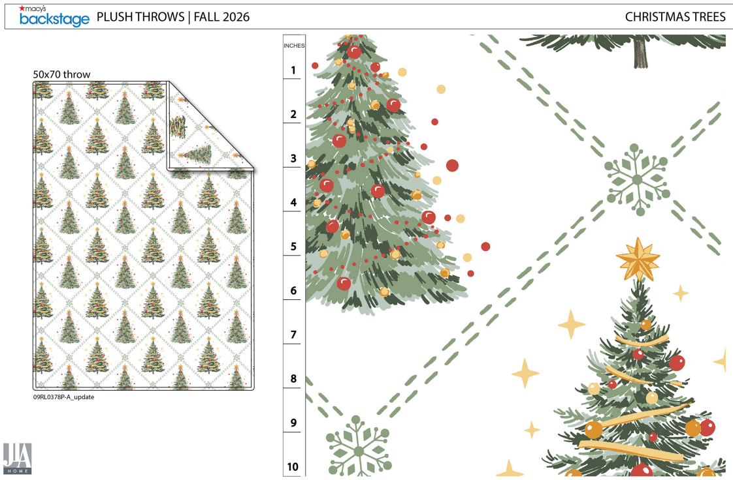 | XMAS TREE BLANKET TW |  | 75 |  |  | 100 | WHITE | TWIN: 66x90'' | 350 GSM | $8.51 | $9.15 | AUGUST | 200 | $1,702 | $1,830 | PLUSH |  |  |  | 2 | 1 | 2
 |  |  |  |  |  |  |  | new |  |  | XMAS TREE BLANKET F/Q |  | 75 |  |  | 100 | WHITE | FULL/QUEEN: 90x90'' | 350 GSM | $11.19 | $12.02 | AUGUST | 200 | $2,238 | $2,404 | PLUSH |  |  |  | 2 | 1 | 2
 |  |  |  |  |  |  |  | new |  |  | XMAS TREE BLANKET KG |  | 75 |  |  | 100 | WHITE | KING: 108x90'' | 350 GSM | $12.93 | $13.89 | AUGUST | 200 | $2,586 | $2,778 | PLUSH |  |  |  | 2 | 1 | 2
75 | 04 | 10232 | JLA | MAISON JULES | 0865 | 269 | BLANKETS | new |  | 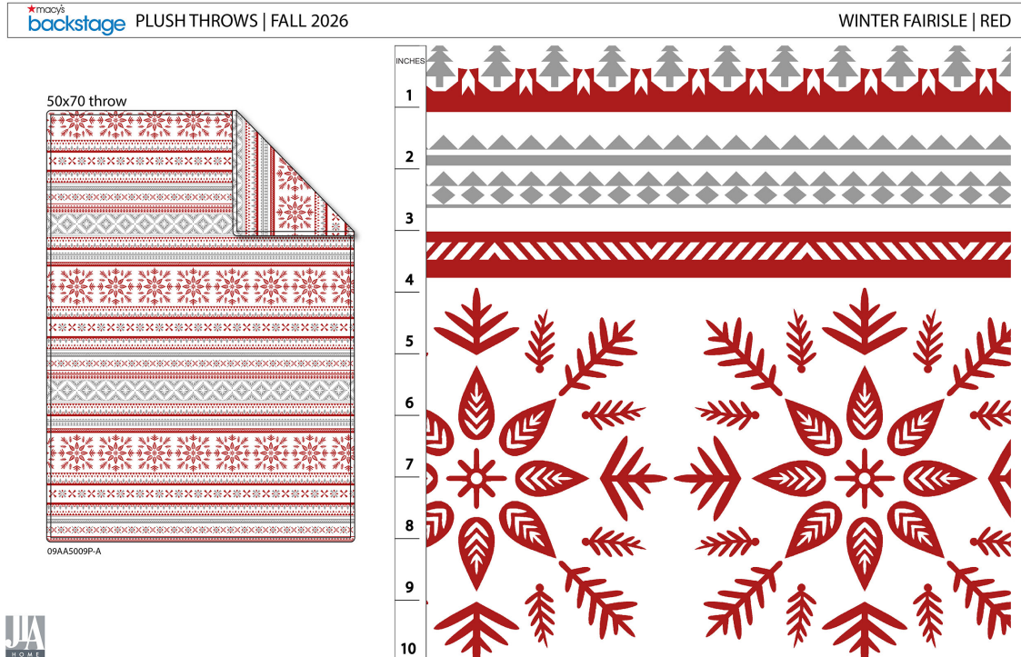 | FAIR ISLE BLANKET TW |  | 75 |  |  | 100 | WHITE | TWIN: 66x90'' | 350 GSM | $8.51 | $9.15 | AUGUST | 200 | $1,702 | $1,830 | PLUSH |  |  |  | 2 | 1 | 2
 |  |  |  |  |  |  |  | new |  |  | FAIR ISLE BLANKET F/N |  | 75 |  |  | 100 | WHITE | FULL/QUEEN: 90x90'' | 350 GSM | $11.19 | $12.02 | AUGUST | 200 | $2,238 | $2,404 | PLUSH |  |  |  | 2 | 1 | 2
 |  |  |  |  |  |  |  | new |  |  | FAIR ISLE BLANKET KG |  | 75 |  |  | 100 | WHITE | KING: 108x90'' | 350 GSM | $12.93 | $13.89 | AUGUST | 200 | $2,586 | $2,778 | PLUSH |  |  |  | 2 | 1 | 2
 |  |  |  |  |  |  |  |  |  |  |  |  |  |  |  |  |  |  |  |  |  |  | 2,400 | $26,104 | $28,048

