Amazon
 |  |  |  |  |  |  |  | 30 characters |  |  |  |  |  |  |  |  |  |  | Copy Formula Cost to here if no given value |  |  |  |  |  |  |  |  |  |  |  |  |  |  |  |  |  |  |  |  |  |  | free text
 |  |  |  |  | Required |  | Required | Required | Required | Required | Required | Required |  |  | Required | Cost |  |  |  |  | Freight |  |  |  |  |  |  |  |  |  | Duty |  |  |  | Load |  |  |  |  |  |  |  |  |  |  | Price
Line No. | Photo | VIN/Art No. | Brand | Licensor | Product Category | Pattern | Item Description | Description-Short | Fabrication | Material-Short | Size/Spec. | Color | Item No. | UPC | Unit of Measure | China Cost | Exchange Rate | FOB Cost $ (Formula) | FOB Cost $ (Value) | UCCPM Price | Package Type | Carton Size L (cm) | Carton Size W (cm) | Carton Size H (cm) | Carton Gross Weight (kg) | Case Pack | Cubic Meter per Carton | Total Units per 40ft Container | 40ft Container Freight | Ocean Freight per Item $ | HTS Code | Duty Rate | Duty per Item $ | LDP Cost $ | DA % | DA $ | General Load % | General Load $ | Warehouse Charge % | Warehouse Charge $ | Dropship Charge | Load 1 | Load 1 % | Load 1 $ | Total Load $ | LDP Cost with Load $ | JLA LDP MU% | JLA price with drop ship charges | Suggested Retail Price | Initial Markup | Initial Rollout Forecast
1 | 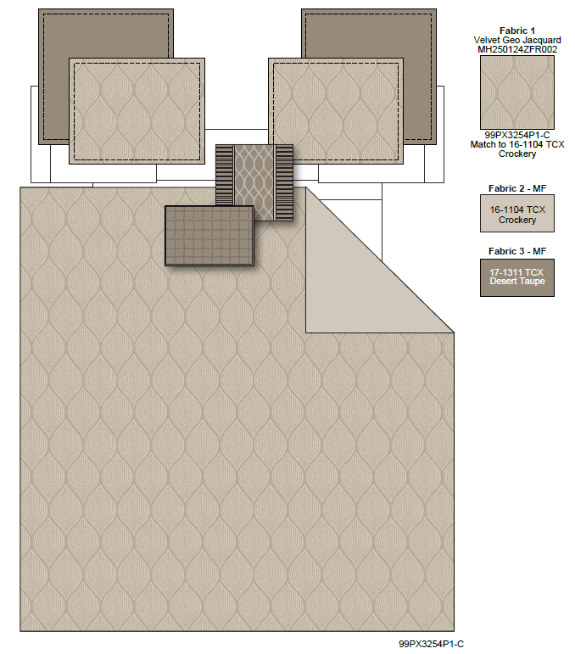 |  | Madison Park |  | COMFORTER (SET) | Nocturne | 100% polyester jacquard 7 Piece Comforter Set | 7 Piece Comforter Set | Comforter/Sham: 100%polyester velvet jacquard face and 85gsm microfiber back. Comforter Fill: 270gsm polyester fill. Dec Pillow: 100%polyester cover, poly fill. Bedskirt: 100%polyester | Face: 100%polyester Back: 100%polyester | Queen 1 Comforter 90"W x 90"L 2 Standard Shams 20"W x 26"L(2) 1 Bedskirt 60"W x 80"L + 15"D 1 Decorative Pillow 18"W x 18"L 1 Decorative Pillow 16"W x 16"L 1 Decorative Pillow 12"W x 18"L | Mocha |  |  | Set | ¥152.50 | 7.65 | $19.93 | $19.93 |  | Compressed/Knocked Down | 46.0 | 36.0 | 27.0 |  | 1 | 0.045 | 1444 | 3700 | $2.56 | 9404.40.9022 | 22.80% | $4.54 | $27.03 |  |  | 31.00% | $19.77 | 10.00% | $6.38 |  |  |  |  | $26.15 | $53.18 | 16.63% | $63.79 | $109.99 | 42.00%
2 |  |  | Madison Park |  | COMFORTER (SET) | Nocturne | 100% polyester jacquard 7 Piece Comforter Set | 7 Piece Comforter Set | Comforter/Sham: 100%polyester velvet jacquard face and 85gsm microfiber back. Comforter Fill: 270gsm polyester fill. Dec Pillow: 100%polyester cover, poly fill. Bedskirt: 100%polyester | Face: 100%polyester Back: 100%polyester | King 1 Comforter 104"W x 92"L 2 King Shams 20"W x 36"L(2) 1 Bedskirt 78"W x 80"L + 15"D 1 Decorative Pillow 18"W x 18"L 1 Decorative Pillow 16"W x 16"L 1 Decorative Pillow 12"W x 18"L | Mocha |  |  | Set | ¥165.00 | 7.65 | $21.57 | $21.57 |  | Compressed/Knocked Down | 46.0 | 36.0 | 27.0 |  | 1 | 0.045 | 1444 | 3700 | $2.56 | 9404.40.9022 | 22.80% | $4.92 | $29.05 |  |  | 31.00% | $21.57 | 10.00% | $6.96 |  |  |  |  | $28.53 | $57.58 | 17.26% | $69.59 | $119.99 | 42.00%
3 |  |  | Madison Park |  | COMFORTER (SET) | Nocturne | 100% polyester jacquard 7 Piece Comforter Set | 7 Piece Comforter Set | Comforter/Sham: 100%polyester velvet jacquard face and 85gsm microfiber back. Comforter Fill: 270gsm polyester fill. Dec Pillow: 100%polyester cover, poly fill. Bedskirt: 100%polyester | Face: 100%polyester Back: 100%polyester | Cal King 1 Comforter 104"W x 98"L 2 King Shams 20"W x 36"L(2) 1 Bedskirt 72"W x 84"L + 15"D 1 Decorative Pillow 18"W x 18"L 1 Decorative Pillow 16"W x 16"L 1 Decorative Pillow 12"W x 18"L | Mocha |  |  | Set | ¥170.00 | 7.65 | $22.22 | $22.22 |  | Compressed/Knocked Down | 46.0 | 36.0 | 27.0 |  | 1 | 0.045 | 1444 | 3700 | $2.56 | 9404.40.9022 | 22.80% | $5.07 | $29.85 |  |  | 31.00% | $22.47 | 10.00% | $7.25 |  |  |  |  | $29.72 | $59.57 | 17.82% | $72.49 | $124.99 | 42.00%
4 | 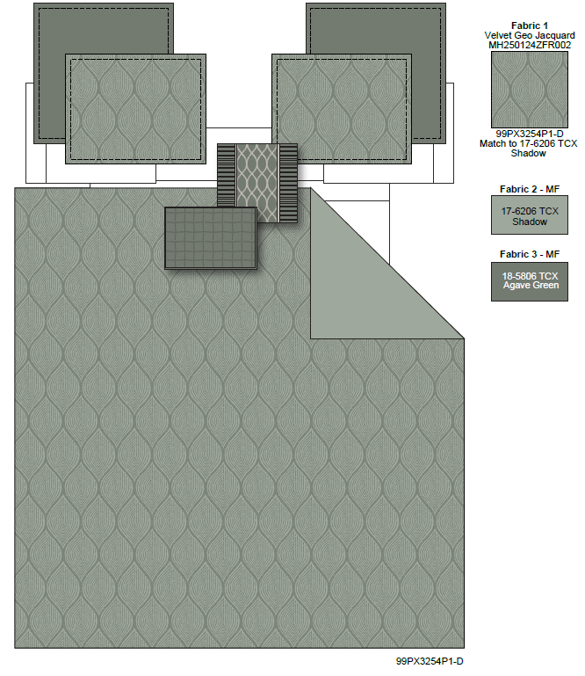 |  | Madison Park |  | COMFORTER (SET) | Nocturne | 100% polyester jacquard 7 Piece Comforter Set | 7 Piece Comforter Set | Comforter/Sham: 100%polyester velvet jacquard face and 85gsm microfiber back. Comforter Fill: 270gsm polyester fill. Dec Pillow: 100%polyester cover, poly fill. Bedskirt: 100%polyester | Face: 100%polyester Back: 100%polyester | Queen 1 Comforter 90"W x 90"L 2 Standard Shams 20"W x 26"L(2) 1 Bedskirt 60"W x 80"L + 15"D 1 Decorative Pillow 18"W x 18"L 1 Decorative Pillow 16"W x 16"L 1 Decorative Pillow 12"W x 18"L | Green |  |  | Set | ¥152.50 | 7.65 | $19.93 | $19.93 |  | Compressed/Knocked Down | 46.0 | 36.0 | 27.0 |  | 1 | 0.045 | 1444 | 3700 | $2.56 | 9404.40.9022 | 22.80% | $4.54 | $27.03 |  |  | 31.00% | $19.77 | 10.00% | $6.38 |  |  |  |  | $26.15 | $53.18 | 16.63% | $63.79 | $109.99 | 42.00%
5 |  |  | Madison Park |  | COMFORTER (SET) | Nocturne | 100% polyester jacquard 7 Piece Comforter Set | 7 Piece Comforter Set | Comforter/Sham: 100%polyester velvet jacquard face and 85gsm microfiber back. Comforter Fill: 270gsm polyester fill. Dec Pillow: 100%polyester cover, poly fill. Bedskirt: 100%polyester | Face: 100%polyester Back: 100%polyester | King 1 Comforter 104"W x 92"L 2 King Shams 20"W x 36"L(2) 1 Bedskirt 78"W x 80"L + 15"D 1 Decorative Pillow 18"W x 18"L 1 Decorative Pillow 16"W x 16"L 1 Decorative Pillow 12"W x 18"L | Green |  |  | Set | ¥165.00 | 7.65 | $21.57 | $21.57 |  | Compressed/Knocked Down | 46.0 | 36.0 | 27.0 |  | 1 | 0.045 | 1444 | 3700 | $2.56 | 9404.40.9022 | 22.80% | $4.92 | $29.05 |  |  | 31.00% | $21.57 | 10.00% | $6.96 |  |  |  |  | $28.53 | $57.58 | 17.26% | $69.59 | $119.99 | 42.00%
6 |  |  | Madison Park |  | COMFORTER (SET) | Nocturne | 100% polyester microfiber velvet jacquard 7 Piece Comforter Set | 7 Piece Comforter Set | Comforter/Sham: 100%polyester velvet jacquard face and 85gsm microfiber back. Comforter Fill: 270gsm polyester fill. Dec Pillow: 100%polyester cover, poly fill. Bedskirt: 100%polyester | Face: 100%polyester Back: 100%polyester | Cal King 1 Comforter 104"W x 98"L 2 King Shams 20"W x 36"L(2) 1 Bedskirt 72"W x 84"L + 15"D 1 Decorative Pillow 18"W x 18"L 1 Decorative Pillow 16"W x 16"L 1 Decorative Pillow 12"W x 18"L | Green |  |  | Set | ¥170.00 | 7.65 | $22.22 | $22.22 |  | Compressed/Knocked Down | 46.0 | 36.0 | 27.0 |  | 1 | 0.045 | 1444 | 3700 | $2.56 | 9404.40.9022 | 22.80% | $5.07 | $29.85 |  |  | 31.00% | $22.47 | 10.00% | $7.25 |  |  |  |  | $29.72 | $59.57 | 17.82% | $72.49 | $124.99 | 42.00%

